화면
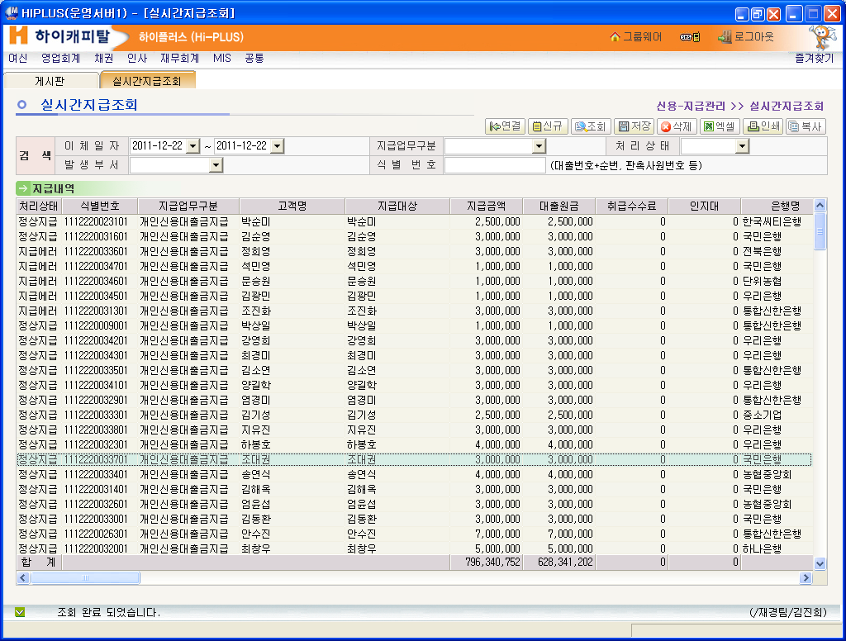
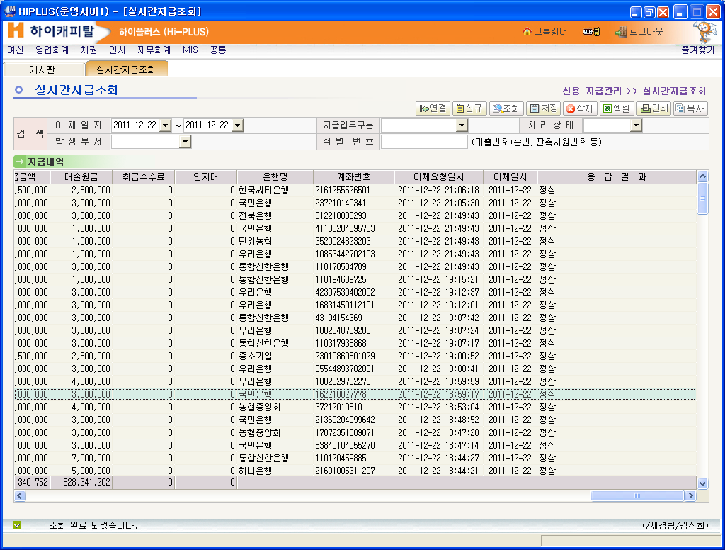

SLNPM0301_20111222194535_6
2011-12-22 19:45:36, INFO [main](BatchLogger.java:27) : /HIC_APP/batch/log/alo/SLNPM0301/SLNPM0301_20111222.log
2011-12-22 19:45:36, INFO [main](ConnMng.java:55) : driver : oracle.jdbc.driver.OracleDriver
2011-12-22 19:45:36, INFO [main](ConnMng.java:56) : url : jdbc:oracle:thin:@172.20.100.33:1521:HICDB
2011-12-22 19:45:36, INFO [main](ConnMng.java:57) : user : zuser
2011-12-22 19:45:36, INFO [main](ConnMng.java:58) : pwd : hiczusr26
2011-12-22 19:45:37, INFO [main](SLNPM0301Dao.java:52) : 실시간 지급 대상 건수 조회 SQL=
SELECT
A.PAY_NO ,-- 지급_번호
A.RCGN_NO ,-- 식별_번호
A.LOAN_NO ,-- 대출_번호
A.LOAN_SEQ ,-- 대출_순번
A.PAY_BSN_DIV_CD ,-- 지급_업무_구분코드
A.CUST_NM ,-- 고객명
A.MNG_DEPT_CD ,-- 관리_부서_코드
A.SETL_BANK_CD ,-- 결제_은행_코드
A.SETL_ACNT_NO ,-- 결제_계좌번호
A.DEPO_OWN_NO ,-- 예금주_번호
A.DEPO_OWNNM ,-- 예금주명
A.IAMT_MANMN ,-- 입금_인명
A.LOAN_PAMT ,-- 대출_원금
A.TRT_FEE ,-- 취급_수수료
A.CPRT_FEE ,-- 제휴_수수료
A.STMP_FEE ,-- 인지대
A.TRAN_RQST_AMT ,-- 이체_요청_금액
A.TRAN_RQST_DTTM ,-- 이체_요청_일시
A.TRAN_PROC_DT ,-- 이체_처리_일자
A.TR_BANK_CD ,-- 거래_은행_코드
A.OAMT_FEE ,-- 출금_수수료
A.GRAM_SEND_DTTM ,-- 전문_전송_일시
A.GRAM_CHSE_NO ,-- 전문_추적_번호
A.TR_STRT_TM ,-- 거래_개시_시각
A.RSPN_CD ,-- 응답_코드
A.PROC_STAT_CD ,-- 처리_상태_코드
A.OAMT_AFAMT ,-- 출금_후잔액
A.MNO_RQST_OBJ_FG ,-- 결번_요청_대상_여부
A.TRAN_IPSS_GRAM_NO ,-- 이체_불능_전문_번호
A.VOCH_JNL_LAST_SEQ ,-- 전표_분개_최종_순번
A.LOAN_CNT ,-- 대출_건수
B.BANK_CD ,-- 은행_코드
B.MO_ACNT_NO ,-- 모_계좌번호
C.PL_PRDT_DIV -- PL_상품_구분
FROM AUSER.ALOT_LOAN_ONLN_PAY A, -- ALOT_대출_지급_내역
AUSER.ALOT_MO_ACNT_BASE B, -- ALOT_모계좌_기본
AUSER.ALOT_LOAN_BASE C -- ALOT_대출_기본
WHERE A.PROC_STAT_CD = '01'
AND A.TRAN_PROC_DT = ?
AND A.TRAN_RQST_DTTM <= ?
AND A.PAY_BSN_DIV_CD = B.BSN_DIV_CD
AND A.LOAN_NO = C.LOAN_NO(+)
AND A.LOAN_SEQ = C.LOAN_SEQ(+)
ORDER BY A.PAY_NO

2011-12-22 19:45:37, INFO [main](SLNPM0301Dao.java:53) : arg1=2011-12-22
arg2=20111222194523
2011-12-22 19:45:37, INFO [main](SLNPM0301.java:236) : 2
2011-12-22 19:45:37, INFO [main](SLNPM0301.java:257) : 실시간 지급 대상 조회에 걸린시간 => 0 M 0 S 231 MS
2011-12-22 19:45:37, INFO [main](SLNPM0301.java:176) : 대출실시간지급처리 대상건수 : 2
2011-12-22 19:45:37, INFO [main](SLNPM0301.java:183) : 대출실시간지급.처리상태코드 '02' 처리중으로 변경 START ==================
2011-12-22 19:45:37, INFO [main](SLNPM0301.java:287) : 대출실시간 지급대상 얻기 payNo=11122200000193
2011-12-22 19:45:37, INFO [main](SLNPM0301Dao.java:389) : ALOT_LOAN_ONLN_PAY(대출실시간 지급대상) 상태코드 수정 SQL=
UPDATE AUSER.ALOT_LOAN_ONLN_PAY
SET PROC_STAT_CD = ? ,
LAST_PROC_DT = TO_CHAR(SYSDATE,'YYYY-MM-DD'),
LAST_PROC_TM = TO_CHAR(SYSDATE,'hh24miss'),
LAST_PROC_EMP_NO = 'SLNPM031'
WHERE PAY_NO = ?

2011-12-22 19:45:37, INFO [main](SLNPM0301Dao.java:390) : arg1=02
arg2=11122200000193
2011-12-22 19:45:37, INFO [main](SLNPM0301.java:291) : 지급대상 상태코드= 02 , pabNo=11122200000193업데이트 완료
2011-12-22 19:45:37, INFO [main](SLNPM0301.java:287) : 대출실시간 지급대상 얻기 payNo=11122200000193
2011-12-22 19:45:37, INFO [main](SLNPM0301Dao.java:389) : ALOT_LOAN_ONLN_PAY(대출실시간 지급대상) 상태코드 수정 SQL=
UPDATE AUSER.ALOT_LOAN_ONLN_PAY
SET PROC_STAT_CD = ? ,
LAST_PROC_DT = TO_CHAR(SYSDATE,'YYYY-MM-DD'),
LAST_PROC_TM = TO_CHAR(SYSDATE,'hh24miss'),
LAST_PROC_EMP_NO = 'SLNPM031'
WHERE PAY_NO = ?

2011-12-22 19:45:37, INFO [main](SLNPM0301Dao.java:390) : arg1=02
arg2=11122200000193
2011-12-22 19:45:37, INFO [main](SLNPM0301.java:291) : 지급대상 상태코드= 02 , pabNo=11122200000193업데이트 완료
2011-12-22 19:45:37, INFO [main](SLNPM0301.java:295) : 대출실시간지급처리 건수 : 2
2011-12-22 19:45:37, INFO [main](SLNPM0301.java:304) : 대출실시간지급처리에 걸린시간 => 0 M 0 S 10 MS
2011-12-22 19:45:37, INFO [main](SLNPM0301.java:187) : 대외로 전송 START ==================
2011-12-22 19:45:37, INFO [main](SLNPM0301.java:341) : >>> 지급번호 :11122200000193
2011-12-22 19:45:37, INFO [main](SLNPM0301.java:342) : >>> 이체요청금액 :3000000
2011-12-22 19:45:37, INFO [main](SLNPM0301.java:345) : >>> 지급업무구분코드 :03
2011-12-22 19:45:37, INFO [main](SLNPM0301Dao.java:156) : 대출지급내역 지급금액합계 조회 SQL=
SELECT
SUM(PAY_AMT) PAY_AMT_SUM
FROM AUSER.ALOT_LOAN_PAY_DESC
WHERE PAY_NO = ?
AND PAY_STAT_CD = '1'

2011-12-22 19:45:37, INFO [main](SLNPM0301Dao.java:157) : arg1=11122200000193
2011-12-22 19:45:37, INFO [main](SLNPM0301.java:360) : >>> 대출지급내역의 지급금액 합계 :3000000
2011-12-22 19:45:37, INFO [main](SLNPM0301.java:427) : 지급전 지급완료 처리 프로세스 START
2011-12-22 19:45:37, INFO [main](SLNPM0301.java:920) : 지급번호=11122200000193
2011-12-22 19:45:37, INFO [main](SLNPM0301Dao.java:389) : ALOT_LOAN_ONLN_PAY(대출실시간 지급대상) 상태코드 수정 SQL=
UPDATE AUSER.ALOT_LOAN_ONLN_PAY
SET PROC_STAT_CD = ? ,
LAST_PROC_DT = TO_CHAR(SYSDATE,'YYYY-MM-DD'),
LAST_PROC_TM = TO_CHAR(SYSDATE,'hh24miss'),
LAST_PROC_EMP_NO = 'SLNPM031'
WHERE PAY_NO = ?

2011-12-22 19:45:37, INFO [main](SLNPM0301Dao.java:390) : arg1=05
arg2=11122200000193
2011-12-22 19:45:37, INFO [main](SLNPM0301.java:924) : 실시간 지급상태 = 05(정상지급) 수정, 지급번호=11122200000193
2011-12-22 19:45:37, INFO [main](SLNPM0301.java:935) : 대출금지급이면 대출지급내역 = 5(지급완료) 수정, 지급번호=11122200000193
2011-12-22 19:45:37, INFO [main](SLNPM0301Dao.java:423) : ALOT_LOAN_PAY_DESC(대출지급내역)상태코드 수정[SUCCESS] SQL=
UPDATE AUSER.ALOT_LOAN_PAY_DESC
SET PAY_STAT_CD = ?,
PAY_DT = TO_CHAR(SYSDATE,'YYYY-MM-DD'),
LAST_PROC_DT = TO_CHAR(SYSDATE,'YYYY-MM-DD'),
LAST_PROC_TM = TO_CHAR(SYSDATE,'hh24miss'),
LAST_PROC_EMP_NO = 'SLNPM031'
WHERE PAY_NO = ?

2011-12-22 19:45:37, INFO [main](SLNPM0301Dao.java:436) : arg1=5
arg2=11122200000193
2011-12-22 19:45:37, INFO [main](SLNPM0301.java:939) : 대출기본,대출지급내역 조회 - 대출번호,대출순번,상품대분류코드,상품중분류코드,대출이자율 조회 START
2011-12-22 19:45:37, INFO [main](SLNPM0301Dao.java:108) : 대출지급내역,대출기본 조회 SQL=
SELECT
A.PAY_BSN_DIV_CD,
'' AS CPRT_COM_NO,
A.CNCL_FG,
A.RQST_DIV_CD,
A.SNUM,
B.LOAN_NO,
B.LOAN_SEQ,
B.PRDT_LRGE_CLAS_CD,
B.PRDT_MID_CLAS_CD,
B.LOAN_INT_RT,
B.LOAN_DT,
B.PRDT_CD,
B.LOAN_PAMT,
B.LOAN_TERM,
B.SETL_DD,
B.FCNT_DUE_DT,
B.FCNT_MOPA_CALC_FG,
B.CUST_TRT_FEE,
B.CPRT_COM_TRT_FEE,
B.IMG_ACNT_BANK_CD,
B.MNG_DEPT_CD,
B.CPRT_FEE,
0 AS PR_FEE,
B.DUE_METH_CD,
B.DFEE_RT,
B.DLY_INT_RT
FROM AUSER.ALOT_LOAN_PAY_DESC A,
AUSER.ALOT_LOAN_BASE B
WHERE A.PAY_NO = ?
AND A.LOAN_NO = B.LOAN_NO
AND A.LOAN_SEQ = B.LOAN_SEQ
AND A.CNCL_FG != '1'

2011-12-22 19:45:37, INFO [main](SLNPM0301Dao.java:109) : arg1=11122200000193
2011-12-22 19:45:37, INFO [main](SLNPM0301.java:941) : 1
2011-12-22 19:45:37, INFO [main](SLNPM0301.java:949) : >> 대출일자 세팅후: 2011-12-22
2011-12-22 19:45:37, INFO [main](SLNPM0301.java:953) : >> 요청구분코드:1
2011-12-22 19:45:37, INFO [main](SLNPM0301.java:954) : -----------------------
2011-12-22 19:45:37, INFO [main](SLNPM0301.java:955) : >> 상품대분류:2
2011-12-22 19:45:37, INFO [main](SLNPM0301.java:956) : -----------------------
2011-12-22 19:45:37, INFO [main](SLNPM0301.java:957) : >> 상품중분류:22
2011-12-22 19:45:37, INFO [main](SLNPM0301.java:958) : >> 제휴사코드:null
2011-12-22 19:45:37, INFO [main](SLNPM0301.java:959) : >> 취소여부:0
2011-12-22 19:45:37, INFO [main](SLNPM0301.java:960) : >> ================================
2011-12-22 19:45:37, INFO [main](SLNPM0301.java:966) : >> 요청구분코드 1
2011-12-22 19:45:37, INFO [main](SLNPM0301.java:992) : >> 자판외<<<
2011-12-22 19:45:37, INFO [main](SLNPM0301.java:1053) : 1==
2011-12-22 19:45:37, INFO [main](SLNPM0301.java:1055) : 2==
2011-12-22 19:45:37, INFO [main](SLNPM0301.java:1057) : 3==
2011-12-22 19:45:37, INFO [main](SLNPM0301.java:1059) : 4==
2011-12-22 19:45:37, INFO [main](SLNPM0301.java:1061) : 5==
2011-12-22 19:45:37, INFO [main](SLNPM0301.java:1063) : 6==
2011-12-22 19:45:37, INFO [main](SLNPM0301.java:1065) : 7==
2011-12-22 19:45:37, INFO [main](SLNPM0301.java:1069) : 8==
2011-12-22 19:45:37, INFO [main](SLNPM0301.java:1093) : 연체이자료율 ==> 44
2011-12-22 19:45:37, INFO [main](SLNPM0301.java:1096) : 연체이자료율 ==> 38.26
2011-12-22 19:45:37, INFO [main](SLNPM0301.java:1102) : 연체료율 ==> 0
2011-12-22 19:45:37, INFO [main](SLNPM0301.java:1106) : >>> 연체료율 생성 모듈 호출 <<<
2011-12-22 19:45:37, INFO [main](SLNPM0301.java:1107) : 대출번호:11122200313
2011-12-22 19:45:37, INFO [main](SLNPM0301.java:1108) : 대출순번:01
2011-12-22 19:45:37, INFO [main](SLNPM0301.java:1109) : 대출일자:20111222
2011-12-22 19:45:37, INFO [main](SLNPM0301.java:1110) : 이자율:38.26
2011-12-22 19:45:37, INFO [main](SLNPM0301.java:1111) : 연체료율:0.0
2011-12-22 19:45:37, INFO [main](SLNPM0301.java:1112) : 연체이자료율:38.26
2011-12-22 19:45:37, DEBUG [main](DfeeRtCrte.java:46) : 연체요율 처리 createDfeeRt()
2011-12-22 19:45:37, ERROR [main](DfeeRtCrte.java:80) : [연체료_율_내역] DELETE 호출
2011-12-22 19:45:37, DEBUG [main](DfeeRtCrte.java:344) : 연체료율 내역 Table에서 기존 데이터를 삭제 SQL=
delete from auser.alot_dfee_rt_desc
where loan_no = ?
and loan_seq = ?

2011-12-22 19:45:37, DEBUG [main](DfeeRtCrte.java:345) : arg1= 11122200313

2011-12-22 19:45:37, DEBUG [main](DfeeRtCrte.java:346) : arg2= 01

2011-12-22 19:45:37, INFO [main](DfeeRtCrte.java:711) : 연체료_율_내역에 INSERT SQL=
insert into auser.alot_dfee_rt_desc
(loan_no, loan_seq, snum,
aply_strt_dt, aply_end_dt, dfee_rt,
frst_reg_dt, frst_reg_tm, frst_reg_emp_no,
last_proc_dt, last_proc_tm, last_proc_emp_no, DLY_INT_RT)
values(?,?,?,?,?,?,?,?,?,?,?,?,?)

2011-12-22 19:45:37, INFO [main](DfeeRtCrte.java:712) : arg1=11122200313
2011-12-22 19:45:37, INFO [main](DfeeRtCrte.java:713) : arg2=01
2011-12-22 19:45:37, INFO [main](DfeeRtCrte.java:714) : arg3=001
2011-12-22 19:45:37, INFO [main](DfeeRtCrte.java:715) : arg4=2001-01-01
2011-12-22 19:45:37, INFO [main](DfeeRtCrte.java:716) : arg5=2999-12-31
2011-12-22 19:45:37, INFO [main](DfeeRtCrte.java:717) : arg6=0.0
2011-12-22 19:45:37, INFO [main](DfeeRtCrte.java:718) : arg7=2011-12-22
2011-12-22 19:45:37, INFO [main](DfeeRtCrte.java:719) : arg8=194537
2011-12-22 19:45:37, INFO [main](DfeeRtCrte.java:720) : arg9=SLNPM031
2011-12-22 19:45:37, INFO [main](DfeeRtCrte.java:721) : arg10=2011-12-22
2011-12-22 19:45:37, INFO [main](DfeeRtCrte.java:722) : arg11=194537
2011-12-22 19:45:37, INFO [main](DfeeRtCrte.java:723) : arg12=SLNPM031
2011-12-22 19:45:37, INFO [main](DfeeRtCrte.java:724) : arg13=38.26
2011-12-22 19:45:37, INFO [main](SLNPM0301.java:1125) : ==> 연체료율:0.0
2011-12-22 19:45:37, INFO [main](SLNPM0301.java:1130) : ==> 대출기본 수정(Parameter: 대출일자,연체료율,대출번호,대출순번,지급번호,디비커넥션
2011-12-22 19:45:37, INFO [main](SLNPM0301Dao.java:549) : 대출기본 수정 SQL=
UPDATE AUSER.ALOT_LOAN_BASE
SET PAY_DT = TO_CHAR(SYSDATE,'YYYY-MM-DD'),
LOAN_ACCT_DT = TO_CHAR(SYSDATE,'YYYY-MM-DD'),
INT_STRT_DT = TO_CHAR(SYSDATE,'YYYY-MM-DD'),
LOAN_DT = ? ,
LOAN_STAT_CD = '22',
DFEE_RT = ? ,
LAST_PROC_DT = TO_CHAR(SYSDATE,'YYYY-MM-DD'),
LAST_PROC_TM = TO_CHAR(SYSDATE,'hh24miss'),
LAST_PROC_EMP_NO = 'SLNPM031'
WHERE LOAN_NO = ?
AND LOAN_SEQ = ?

2011-12-22 19:45:37, INFO [main](SLNPM0301Dao.java:550) : arg1= 2011-12-22

2011-12-22 19:45:37, INFO [main](SLNPM0301Dao.java:551) : arg2= 0.0

2011-12-22 19:45:37, INFO [main](SLNPM0301Dao.java:552) : arg3= 11122200313

2011-12-22 19:45:37, INFO [main](SLNPM0301Dao.java:553) : arg4= 01

2011-12-22 19:45:37, INFO [main](SLNPM0301.java:1136) : ==> 상환계획생성모듈 호출
2011-12-22 19:45:37, INFO [main](SLNPM0301.java:1463) : 대출원리금 조회(상환계획생성모듈의 파라메타로 들어감)
2011-12-22 19:45:37, INFO [main](SLNPM0301.java:1464) : 대출번호=11122200313 순번=01
2011-12-22 19:45:37, INFO [main](SLNPM0301Dao.java:290) : 대출원리금 조회 SQL=
SELECT LOAN_NO,
LOAN_SEQ,
TR_SNUM,
FRST_RANK,
RMBR_FRML_CD,
LOAN_PAMT,
(END_TIMS - STRT_TIMS+1) TERM,
STRT_TIMS,
LOAN_INT_RT,
DUE_CYCL_CD,
DUE_STRT_TIMS,
CRTE_DIV_CD
FROM AUSER.ALOT_LOAN_PIAMT
WHERE LOAN_NO = ?
AND LOAN_SEQ = ?

2011-12-22 19:45:37, INFO [main](SLNPM0301Dao.java:291) : arg1= 11122200313

2011-12-22 19:45:37, INFO [main](SLNPM0301Dao.java:292) : arg2= 01

2011-12-22 19:45:37, INFO [main](SLNPM0301.java:1469) : 상환계획모듈 호출
2011-12-22 19:45:37, DEBUG [main](RmbrPlanCrteCC.java:143) : [[ 기산일(loanObj.setlDd) : 25]]
2011-12-22 19:45:37, DEBUG [main](RmbrPlanCrteCC.java:147) : [[ 원리금갯수(size2) : 1]]
2011-12-22 19:45:37, DEBUG [main](RmbrPlanCrteCC.java:159) : [[ 이자배분여부(loanObj.defrIntDistFg) : 0]]
2011-12-22 19:45:37, DEBUG [main](RmbrPlanCrteCC.java:181) : [[ 이자배분금액(piamtObj.intDistAmt) : 0]]
2011-12-22 19:45:37, DEBUG [main](RmbrPlanCrteCC.java:185) : [[ 1. 초회일수 = 대출기본.초회납입일자(loanObj.loanDt)[20111222] - 대출기본.대출일자(loanObj.fcntDueDt)[34] = 34]]
2011-12-22 19:45:37, DEBUG [main](RmbrPlanCrteCC.java:462) : [[ 원리금별 상환계획 내역 생성... ]]
2011-12-22 19:45:37, DEBUG [main](RmbrPlanCrteCC.java:466) : [[ 대출원리금별 상환계획총회차 = (int)(대출원리금.기간(piamtObj.term)[24] + 대출원리금.시작회차(piamtObj.strtTims)[1] - 1) = 24]]
2011-12-22 19:45:37, DEBUG [main](RmbrPlanCrteCC.java:470) : 1
2011-12-22 19:45:37, DEBUG [main](RmbrPlanCrteCC.java:683) : 11
2011-12-22 19:45:37, DEBUG [main](RmbrPlanCrteCC.java:768) : ====cc end
2011-12-22 19:45:37, DEBUG [main](RmbrPlanCrteCC.java:78) : RmbrPlanCrteCC.createRmblPlan() 상환계획내역 호출 ==> rmbrPlanDescCrte()
2011-12-22 19:45:37, DEBUG [main](RmbrPlanCrteCC.java:81) : 상환계획내역 저장 : 24 건
2011-12-22 19:45:37, INFO [main](SLNPM0301.java:1473) : 상환계획모듈 대출기본 수정
2011-12-22 19:45:37, INFO [main](SLNPM0301.java:1141) : 대출관계자를 조회 START
2011-12-22 19:45:37, INFO [main](SLNPM0301Dao.java:339) : 대출관계자 조회 SQL=
SELECT LOAN_NO,
LOAN_SEQ,
CUST_NO,
LOAN_REL_CD,
MAIN_CONT_MAN_REL_CD,
REL_MTR,
MAIN_CONT_MAN_FG,
RL_DUE_MAN_FG,
ASK_PLC_DIV_CD,
EMAL_ASK_FG,
CNTC_PLC_DIV_CD,
DLVR_RSRV_FG,
CONT_ACTL_CNFM_FG,
CONT_ACTL_CNFM_METH_CD,
CONT_ACTL_TELC_DT,
CONT_ACTL_TELC_TM,
CONT_ACTL_TELC_DESC,
CONT_PROC_EMP_NO
FROM AUSER.ALOT_LOAN_REL_MAN
WHERE LOAN_NO = ?
AND LOAN_SEQ = ?
AND RL_DUE_MAN_FG = '1'

2011-12-22 19:45:37, INFO [main](SLNPM0301Dao.java:340) : arg1= 11122200313

2011-12-22 19:45:37, INFO [main](SLNPM0301Dao.java:341) : arg2= 01

2011-12-22 19:45:37, INFO [main](SLNPM0301.java:1143) : 1
2011-12-22 19:45:37, DEBUG [main](ConfigInfo.java:128) : db.useDataSource: true
2011-12-22 19:45:37, DEBUG [main](ConfigInfo.java:129) : db.dataSource : cabisDS
2011-12-22 19:45:37, DEBUG [main](ConfigInfo.java:130) : USEMETACACHE : false
2011-12-22 19:45:37, DEBUG [main](ConfigInfo.java:131) : 프로그램 log : true
2011-12-22 19:45:37, DEBUG [main](ConfigInfo.java:132) : 접 속 log : true
2011-12-22 19:45:37, INFO [main](GenerateKey.java:63) : com.cabis.util.GenerateKey.getNextNumber시작
2011-12-22 19:45:37, DEBUG [main](SqlRowProcedure.java:22) : start SqlRowProcedure 생성
2011-12-22 19:45:37, DEBUG [main](GenerateKey.java:90) :
========== 채번 (GUSER.GP_GVNO_01(?,?,?,?,?,?,?,?,?,?)) ============
분류종류번호:S006
분류번호1 :11122200313
분류번호2 :01
분류번호3 :
분류번호4 :
분류번호5 :
분류번호6 :
사원번호 :SLNPM031
===============================================
2011-12-22 19:45:37, DEBUG [main](SqlRowProcedure.java:60) : start SetOutType
2011-12-22 19:45:37, DEBUG [main](SqlRowProcedure.java:60) : start SetOutType
2011-12-22 19:45:37, INFO [main](SqlRunner.java:70) : BC_NO : GBCGO_GVNOBC
2011-12-22 19:45:37, INFO [main](SqlRunner.java:71) : LIST_NO : 11
2011-12-22 19:45:37, INFO [main](SqlRunner.java:72) : EXEC_TYPE : 9
2011-12-22 19:45:37, DEBUG [main](SqlExecutor.java:83) : start connectDB
2011-12-22 19:45:37, DEBUG [main](SqlExecutor.java:86) : tx.getConnection()
2011-12-22 19:45:37, DEBUG [main](SqlExecutor.java:732) : * SQL 실행시간 ==> 1.324550737566E12
2011-12-22 19:45:37, DEBUG [main](SqlExecutor.java:733) : * SQL : {CALL GUSER.GP_GVNO_01(?,?,?,?,?,?,?,?,?,?)}
2011-12-22 19:45:37, DEBUG [main](SqlExecutor.java:742) : * SQL 종료시간 ==> 1.324550737588E12
2011-12-22 19:45:37, DEBUG [main](SqlExecutor.java:743) : 총 걸린시간 ==> 22.0
2011-12-22 19:45:37, DEBUG [main](GenerateKey.java:116) : 채번 결과====>00001
2011-12-22 19:45:37, INFO [main](SLNPM0301.java:1151) : 대출관계자를 등록
2011-12-22 19:45:37, INFO [main](SLNPM0301Dao.java:616) : 대출실납입자 등록 SQL=
INSERT INTO AUSER.ALOT_LOAN_RL_DUE_MAN (
LOAN_NO,
LOAN_SEQ,
SNUM,
LOAN_CHNG_DIV_CD,
RL_DUE_MAN_NO,
ASK_PLC_DIV_CD,
EMAL_ASK_FG,
MAIN_CONT_MAN_REL_CD,
REL_MTR,
GIRO_RE_DLVR_FG,
CHNG_RQST_MAN_NM,
DLVR_RSRV_FG,
LOAN_CHNG_CONS_RSLT_CD,
NTRM_JST_MAN_CD,
DUE_METH_CD,
FRST_REG_DT ,
FRST_REG_TM ,
FRST_REG_EMP_NO,
LAST_PROC_DT,
LAST_PROC_TM,
LAST_PROC_EMP_NO
) VALUES (
?,?,?,'00',
?, ?, ?, ?, ?, '0', '', '0', '05', '99', ?,
TO_CHAR(SYSDATE,'YYYY-MM-DD'),TO_CHAR(SYSDATE,'hh24miss'),'SLNPM031', TO_CHAR(SYSDATE,'YYYY-MM-DD'),TO_CHAR(SYSDATE,'hh24miss'),'SLNPM031')
2011-12-22 19:45:37, INFO [main](SLNPM0301Dao.java:617) : loanNo= 11122200313

2011-12-22 19:45:37, INFO [main](SLNPM0301Dao.java:618) : loanSeq= 01

2011-12-22 19:45:37, INFO [main](SLNPM0301Dao.java:619) : snum= 00001

2011-12-22 19:45:37, INFO [main](SLNPM0301Dao.java:620) : rlDueManNo= 7311062646422

2011-12-22 19:45:37, INFO [main](SLNPM0301Dao.java:621) : askPlcDivCd= 01

2011-12-22 19:45:37, INFO [main](SLNPM0301Dao.java:622) : emalAskFg= 0

2011-12-22 19:45:37, INFO [main](SLNPM0301Dao.java:623) : mainContManRelCd= 11

2011-12-22 19:45:37, INFO [main](SLNPM0301Dao.java:624) : relMtr= null

2011-12-22 19:45:37, INFO [main](SLNPM0301Dao.java:625) : dueMethCd= null

2011-12-22 19:45:37, INFO [main](SLNPM0301.java:1184) : 가상계좌생성 모듈 호출
2011-12-22 19:45:37, DEBUG [main](imgAcntCrte.java:89) : imgAcntCrte.getImgAcntNo 사용가상계좌 조회 호출 ==
2011-12-22 19:45:37, DEBUG [main](imgAcntCrte.java:93) : imgAcntCrte.imgAcntCrte() 미사용가상계좌 조회(unUseImgAcntSrch) 호출
2011-12-22 19:45:37, DEBUG [main](imgAcntCrte.java:291) : 미사용 가상계좌 조회 SQL=
SELECT IMG_ACNT_NO
FROM (
SELECT IMG_ACNT_NO
FROM AUSER.ALOT_LOAN_IMG_ACNT_DESC
WHERE IMG_ACNT_BANK_CD = ?
AND USE_FG = '0'
AND DISU_DT IS NULL
)
WHERE ROWNUM = 1

2011-12-22 19:45:37, DEBUG [main](imgAcntCrte.java:292) : arg1= 026

2011-12-22 19:45:37, DEBUG [main](imgAcntCrte.java:100) : imgAcntCrte.imgAcntCrte() 가상계좌 할당(imgAcntDescUpdt) 호출
2011-12-22 19:45:37, DEBUG [main](imgAcntCrte.java:228) : 가상계좌 할당 SQL=
UPDATE AUSER.ALOT_LOAN_IMG_ACNT_DESC
SET USE_FG = '1'
,LAST_PROC_DT = ?
,LAST_PROC_TM = ?
,LAST_PROC_EMP_NO = ?
WHERE IMG_ACNT_BANK_CD = ?
AND IMG_ACNT_NO = ?

2011-12-22 19:45:37, DEBUG [main](imgAcntCrte.java:229) : arg4= 026

2011-12-22 19:45:37, DEBUG [main](imgAcntCrte.java:230) : arg5= 56201550687637

2011-12-22 19:45:37, DEBUG [main](imgAcntCrte.java:105) : imgAcntCrte.imgAcntCrte() 가상계좌이력생성(imgAcntHistCrte) 호출
2011-12-22 19:45:37, DEBUG [main](imgAcntCrte.java:152) : 가상계좌이력 생성 SQL=
INSERT INTO AUSER.ALOT_LOAN_IMG_ACNT_HIST
(IMG_ACNT_BANK_CD
,IMG_ACNT_NO
,CHNG_SNUM
,LOAN_NO
,LOAN_SEQ
,USE_FG
,USE_CMPL_DT
,DISU_DT
,RMRK
,ISRT_DEPT_CD
,FRST_REG_DT
,FRST_REG_TM
,FRST_REG_EMP_NO
,LAST_PROC_DT
,LAST_PROC_TM
,LAST_PROC_EMP_NO)
VALUES (?,?,?,?,?,?,?,?,?,?,?,?,?,?,?,?)

2011-12-22 19:45:37, DEBUG [main](imgAcntCrte.java:153) : arg1= 026

2011-12-22 19:45:37, DEBUG [main](imgAcntCrte.java:154) : arg1= 56201550687637

2011-12-22 19:45:37, DEBUG [main](Gvno.java:114) : SELECT MAX(CHNG_SNUM) FROM AUSER.ALOT_LOAN_IMG_ACNT_HIST WHERE 1=1 AND IMG_ACNT_BANK_CD = '026' AND IMG_ACNT_NO = '56201550687637' ORDER BY CHNG_SNUM DESC
2011-12-22 19:45:37, DEBUG [main](SqlExecutor.java:83) : start connectDB
2011-12-22 19:45:37, DEBUG [main](SqlExecutor.java:86) : tx.getConnection()
2011-12-22 19:45:37, DEBUG [main](SqlExecutor.java:942) : * SQL 실행시간 ==> 1.324550737761E12
2011-12-22 19:45:37, DEBUG [main](SqlExecutor.java:943) : * SQL : SELECT MAX(CHNG_SNUM) FROM AUSER.ALOT_LOAN_IMG_ACNT_HIST WHERE 1=1 AND IMG_ACNT_BANK_CD = '026' AND IMG_ACNT_NO = '56201550687637' ORDER BY CHNG_SNUM DESC
2011-12-22 19:45:37, DEBUG [main](SqlExecutor.java:950) : * SQL 종료시간 ==> 1.324550737765E12
2011-12-22 19:45:37, DEBUG [main](SqlExecutor.java:951) : 총 걸린시간 ==> 4.0
lastNo : 00001
tempNo : 1
2011-12-22 19:45:37, DEBUG [main](imgAcntCrte.java:109) : imgAcntCrte.imgAcntCrte() 대출기본(loanBaseUpdt) UPDATE
2011-12-22 19:45:37, DEBUG [main](imgAcntCrte.java:349) : 대출원장 갱신 SQL=
UPDATE AUSER.ALOT_LOAN_BASE
SET IMG_ACNT_BANK_CD = ?
,IMG_ACNT_NO = ?
,LAST_PROC_DT = ?
,LAST_PROC_TM = ?
,LAST_PROC_EMP_NO = ?
WHERE LOAN_NO = ?
AND LOAN_SEQ = ?

2011-12-22 19:45:37, DEBUG [main](imgAcntCrte.java:350) : arg1= 026

2011-12-22 19:45:37, DEBUG [main](imgAcntCrte.java:351) : arg2= 56201550687637

2011-12-22 19:45:37, DEBUG [main](imgAcntCrte.java:352) : arg6= 11122200313

2011-12-22 19:45:37, DEBUG [main](imgAcntCrte.java:353) : arg7= 01

2011-12-22 19:45:37, INFO [main](SLNPM0301.java:1226) : 회계일자(필수)[20111222]
2011-12-22 19:45:37, INFO [main](SLNPM0301.java:1227) : 입력지점코드(필수)[330000]
2011-12-22 19:45:37, INFO [main](SLNPM0301.java:1229) : 거래유형코드(필수)[S0030]
2011-12-22 19:45:37, INFO [main](SLNPM0301.java:1231) : 입력사원번호(필수)[SLNPM031]
2011-12-22 19:45:37, INFO [main](SLNPM0301.java:1232) : 배치처리구분코드[1]
2011-12-22 19:45:37, INFO [main](SLNPM0301.java:1233) : 대출번호(필수)[11122200313]
2011-12-22 19:45:37, INFO [main](SLNPM0301.java:1234) : 대출순번(필수)[01]
2011-12-22 19:45:37, INFO [main](SLNPM0301.java:1235) : 일련번호(필수)[01]
2011-12-22 19:45:37, INFO [main](SLNPM0301.java:1236) : 처리건수[0]
2011-12-22 19:45:37, INFO [main](SLNPM0301.java:1237) : 서브유형코드(필수)[R]
2011-12-22 19:45:37, INFO [main](SLNPM0301.java:1239) : 영업전표생성을 호출한다. >>>>>>>>>>>>>>>
2011-12-22 19:45:37, DEBUG [main](VochProcCall.java:114) : !(S0230 - 판촉수수료선금지급 && S003S02400 - 판촉수수료선금환입) => 공통부 조회[S0030]
2011-12-22 19:45:37, DEBUG [main](VochProcQuery.java:38) : VochProcQuery.selectCommonItem() QUERY
SELECT
A.PRDT_LRGE_CLAS_CD,
A.PRDT_MID_CLAS_CD,
A.LOAN_STAT_CD,
B.BND_STAT_CD,
A.MNG_DEPT_CD,
A.LOAN_TERM,
'' CPRT_COM_NO
FROM
AUSER.ALOT_LOAN_BASE A LEFT OUTER JOIN CUSER.CART_BND_CLS_BASE B
ON A.LOAN_NO = B.LOAN_NO
AND A.LOAN_SEQ = B.LOAN_SEQ
WHERE A.LOAN_NO = ?
AND A.LOAN_SEQ = ?

2011-12-22 19:45:37, DEBUG [main](VochProcQuery.java:38) : VochProcQuery.selectCommonItem() QUERY
SELECT
A.PRDT_LRGE_CLAS_CD,
A.PRDT_MID_CLAS_CD,
A.LOAN_STAT_CD,
B.BND_STAT_CD,
A.MNG_DEPT_CD,
A.LOAN_TERM,
'' CPRT_COM_NO
FROM
AUSER.ALOT_LOAN_BASE A LEFT OUTER JOIN CUSER.CART_BND_CLS_BASE B
ON A.LOAN_NO = B.LOAN_NO
AND A.LOAN_SEQ = B.LOAN_SEQ
WHERE A.LOAN_NO = ?
AND A.LOAN_SEQ = ?

2011-12-22 19:45:37, DEBUG [main](VochProcDao.java:43) : 공통조회항목 조회 SQL=
SELECT
A.PRDT_LRGE_CLAS_CD,
A.PRDT_MID_CLAS_CD,
A.LOAN_STAT_CD,
B.BND_STAT_CD,
A.MNG_DEPT_CD,
A.LOAN_TERM,
'' CPRT_COM_NO
FROM
AUSER.ALOT_LOAN_BASE A LEFT OUTER JOIN CUSER.CART_BND_CLS_BASE B
ON A.LOAN_NO = B.LOAN_NO
AND A.LOAN_SEQ = B.LOAN_SEQ
WHERE A.LOAN_NO = ?
AND A.LOAN_SEQ = ?

2011-12-22 19:45:37, DEBUG [main](VochProcDao.java:44) : arg1= 11122200313

2011-12-22 19:45:37, DEBUG [main](VochProcDao.java:45) : arg2= 01

2011-12-22 19:45:37, DEBUG [main](VochProcCall.java:132) : !(S0020 - 대출지급_신차할부 && S0030 - 대출지급_신차할부) [S0030]
2011-12-22 19:45:37, DEBUG [main](VochProcCall.java:1000) : ====================
2011-12-22 19:45:37, DEBUG [main](VochProcCall.java:1001) : setLoanPay()-대출지급
2011-12-22 19:45:37, DEBUG [main](VochProcCall.java:1002) : ====================
2011-12-22 19:45:37, DEBUG [main](VochProcQuery.java:110) : VochProcQuery.selectLoanIsrtEx() QUERY
SELECT
A.LOAN_PAMT,
A.STMP_FEE,
A.PAY_AMT,
0 TRT_FEE,
0 CPRT_FEE,
A.SET_FEE,
A.NOTA_FEE,
A.ETC_FEE,
A.LOAN_NO,
A.LOAN_SEQ,
'0' RT_FEE_DFER_PROC_FG,
'0' CPRT_FEE_DFER_PROC_FG,
C.BANK_CD,
C.MO_ACNT_NO,
'0' STMP_FEE_AF_ACQT_FG,
A.PRXP_PAMT,
A.PRXP_INT
FROM
AUSER.ALOT_LOAN_PAY_DESC A,
AUSER.APDT_PRDT_BASE B,
AUSER.ALOT_MO_ACNT_BASE C
WHERE A.LOAN_NO = ?
AND A.LOAN_SEQ = ?
AND A.SNUM = ?
AND A.PRDT_CD = B.PRDT_CD
AND A.PAY_BSN_DIV_CD = C.BSN_DIV_CD

2011-12-22 19:45:37, DEBUG [main](VochProcQuery.java:110) : VochProcQuery.selectLoanIsrtEx() QUERY
SELECT
A.LOAN_PAMT,
A.STMP_FEE,
A.PAY_AMT,
0 TRT_FEE,
0 CPRT_FEE,
A.SET_FEE,
...
정상종료
...
중복처리로인한 지급 오류, 금액 안맞으므로
'04' '6' 세팅
지급취소
...

SLNPM0301_20111222204012_7
...
정상종료
...
중복처리로인한 지급 오류, 금액 안맞으므로
'04' '6' 세팅
지급취소
...
정상종료
...
중복처리로인한 지급 오류, 금액 안맞으므로
'04' '6' 세팅
지급취소
...
정상종료
...
중복처리로인한 지급 오류, 금액 안맞으므로
'04' '6' 세팅
지급취소
...
정상종료
...
중복처리로인한 지급 오류, 금액 안맞으므로
'04' '6' 세팅
지급취소
...

SLNPM0301_20111222211739_8
...
JEUS
'02' 세팅
처리중
프로그램 호출했으나
실행 오류
...

