ArcGIS Raster Calc
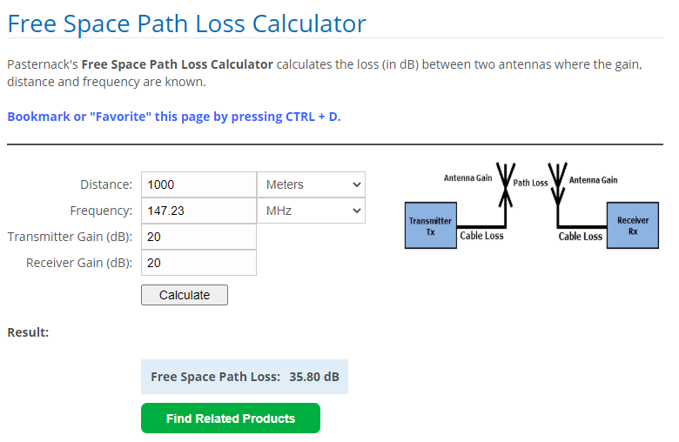
Method | output | formula | Raster Calculator
FSPL_InverseSquare
FSPL_InverseSquare | Pr_freeSpace | Pr = Pt( λ/4π d ) | 100 * ( 1.100412655 / ( ( 4 * 3.141592654 ) / "platform_ed" ) )
FSPL_InverseSquare
FSPL_LOG01
FSPL_LOG01
FSPL_LOG01 | The free space path loss equation is more usefully expressed logarithmically:
FSPL_LOG01 |  | Lp = 32.4 + 20logf + 20log d dB | (f in MHz, d in km)
FSPL_LOG01 |  | Lp = 36.6 + 20logf + 20log d dB | (f in MHz, d in miles)
FSPL_LOG01
FSPL_LOG01 | f = | radiating frequency | 147.2300
FSPL_LOG01 | d = | distance from antenna (kilometers) | 1000
FSPL_LOG01 | Lp = | Loss Path (Lp) | 135.76 | wrong answer
FSPL_LOG01
FSPL_LOG01 |  | Formula: | 32.4+(20*LOG10(147.23))+(20*LOG10(10))
FSPL_LOG01
FSPL_LOG02
FSPL_LOG02 | Another Method | FSPL = 20 log10(d) + 20 log10(f) + 20 log10 (4π/c) - GTx - GRx
FSPL_LOG02 |  | or 20 log10(d) + 20 log10(f) + 32.44
FSPL_LOG02 | f = | radiating frequency (MHz) | 147
FSPL_LOG02 | d = | distance from antenna (meters) | 1000
FSPL_LOG02 | Gt = | transmit antenna gain (dB) | 0
FSPL_LOG02 | Gr = | receive antenna gain (dB) | 0
FSPL_LOG02 |  | Lp Constant (varies with Frequency mesurement units) | 300
FSPL_LOG02 |  | FSPL (dB)= | 403.34634669
FSPL_LOG02
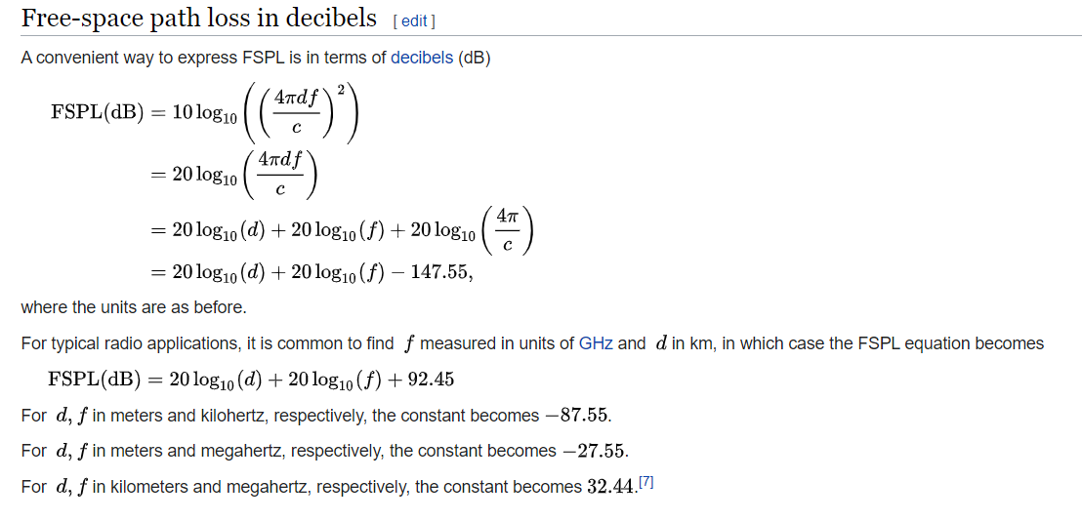
FSPL_LOG02 |  | FSPL (dB) 10 log10 ((4π d f)2) | 75.788118881
Inverse-Square | Isotrophic Antenna | Intensity of power = (Pt/4 * pi() * d2)
Inverse-Square | Pt (power W)
Inverse-Square | d (distance M)
Inverse-Square
FSPL_LOG03 | Formul | 20 log10(d) + 20 log10(f) + <constant>
FSPL_LOG03 |  | distance | 1000
FSPL_LOG03 |  | distance units | meters
FSPL_LOG03 |  | frequency | 147.23
FSPL_LOG03 |  | frequency units | megahertz
FSPL_LOG03 |  |  | 75.809926242
FSPL_LOG03 |  | where constant equals
FSPL_LOG03 |  | d,f in km and gigahertz, use 92.45
FSPL_LOG03 |  | d,f in meter, kilohertz use -87.55
FSPL_LOG03 |  | d,f in meters & megahertz use -27.55
FSPL_LOG03 |  | d,f in kilometers & megahertz use 32.44 | -27.55

