ML Data
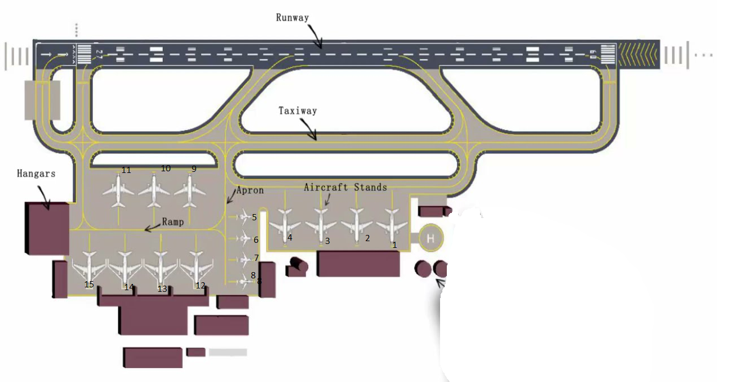
callsign | stand | eobt | tsat | runway | priority | time to reach Runway
UAE866 | 4 | 2022-06-22T04:58:35 | 2022-06-22T04:59:35 | 09 | VIP | 20
UAE835 | 11 | 2022-06-22T04:58:35 | 2022-06-22T04:59:35 | 09 | operational | 21
SWR243 | 3 | 2022-06-22T04:59:35 | 2022-06-22T05:02:35 | 09 | operational | 23
AXB344 | 9 | 2022-06-22T05:03:35 | 2022-06-22T05:02:35 | 09 | operational | 24
UAE823 | 5 | 2022-06-22T05:03:35 | 2022-06-22T05:04:35 | 09 | operational | 26
FDB251 | 2 | 2022-06-22T05:04:35 | 2022-06-22T05:06:35 | 09 | operational | 26
UAE231 | 15 | 2022-06-22T05:04:35 | 2022-06-22T05:05:35 | 09 | operational | 28
UAE701 | 1 | 2022-06-22T05:05:35 | 2022-06-22T05:09:35 | 09 | operational | 30
BAW106 | 14 | 2022-06-22T05:08:35 | 2022-06-22T05:09:35 | 09 | operational | 30
UAE582 | 7 | 2022-06-22T05:10:35 | 2022-06-22T05:11:35 | 09 | operational | 32
UAE430 | 6 | 2022-06-22T05:11:35 | 2022-06-22T05:16:35 | 09 | operational | 35
UAE705 | 12 | 2022-06-22T05:13:35 | 2022-06-22T05:16:35 | 09 | operational | 30
AHY016 | 8 | 2022-06-22T05:13:35 | 2022-06-22T05:16:35 | 09 | operational | 32
UAE8ER | 13 | 2022-06-22T05:14:35 | 2022-06-22T05:20:35 | 09 | operational | 35
UAE604 | 10 | 2022-06-22T05:18:35 | 2022-06-22T05:21:35 | 09 | operational | 37
UAE650 | 5 | 2022-06-22T06:18:35 | 2022-06-22T06:23:35 | 09 | operational | 20
THY5GC | 7 | 2022-06-22T06:23:35 | 2022-06-22T06:24:35 | 09 | operational | 21
AFL525 | 9 | 2022-06-22T06:23:35 | 2022-06-22T06:24:35 | 09 | operational | 23
UAE7MY | 3 | 2022-06-22T06:24:35 | 2022-06-22T06:27:35 | 09 | operational | 24
UAE656 | 11 | 2022-06-22T06:25:35 | 2022-06-22T06:26:35 | 09 | operational | 26
UAE530 | 14 | 2022-06-22T06:28:35 | 2022-06-22T06:29:35 | 09 | operational | 26
UAE338 | 2 | 2022-06-22T06:28:35 | 2022-06-22T06:37:35 | 09 | operational | 28
UAE221 | 4 | 2022-06-22T06:33:35 | 2022-06-22T06:34:35 | 09 | medical | 30
UAE544 | 1 | 2022-06-22T06:33:35 | 2022-06-22T06:40:35 | 09 | operational | 30
UAE9KC | 6 | 2022-06-22T06:33:35 | 2022-06-22T06:37:35 | 09 | operational | 32
UAE223 | 10 | 2022-06-22T06:38:35 | 2022-06-22T06:39:35 | 09 | operational | 35
UAE1KM | 8 | 2022-06-22T06:38:35 | 2022-06-22T06:39:35 | 09 | operational | 30
UAE318 | 13 | 2022-06-22T06:38:35 | 2022-06-22T06:39:35 | 09 | operational | 32
AFG402 | 15 | 2022-06-22T06:43:35 | 2022-06-22T06:44:35 | 09 | operational | 35
SEJ018 | 12 | 2022-06-22T06:44:35 | 2022-06-22T06:47:35 | 09 | operational | 37

