1_option_match
 |  |  |  |  |  |  |  |  |  |  |  |  |  |  |  |  | 默认为1 |  |  |  |  | 默认为?
 |  | AP_query |  | AP_query+comment |  |  | kmeans_query+comment |  |  | AP_query |  | AP_query+comment |  |  | kmeans_query+comment |  | 0 |  |  |  |  | 0 |  |  |  |  | 0 |  |  |  |  | 0
 |  | 782 | 335 | 527 | 204 | 121 | 121 | 10 |  | 782 | 335 | 527 | 204 | 121 | 121 | 10 | 384 | 234 | 618 | 819 | 0.26722338205 | 384 | 234 | 618 | 819 | 0.26722338205 | 384 | 234 | 618 | 819 | 0.26722338205 | 384 | 234 | 618 | 819 | 0.26722338205
f1 | allsame | 0.26722338205 | 0.34585942937 | 0.51217814892 | 0.57411273486 | 0.57759220598 | 0.38343771747 | 0.57063326374 | allsame | 0.26722338205 | 0.34585942937 | 0.51217814892 | 0.57411273486 | 0.57759220598 | 0.38343771747 | 0.57063326374 | 378 | 240 | 618 | 819 | 0.2630480167 | 371 | 247 | 618 | 819 | 0.25817675713 | 378 | 240 | 618 | 819 | 0.2630480167 | 371 | 247 | 618 | 819 | 0.25817675713
f2 | comment | 0.2630480167 | 0.34655532359 | 0.48573416841 | 0.53583855254 | 0.53792623521 | 0.36812804454 | 0.55184411969 | comment | 0.25817675713 | 0.33750869868 | 0.47877522617 | 0.5288796103 | 0.53027139875 | 0.36186499652 | 0.543493389 | 396 | 222 | 618 | 819 | 0.27557411273 | 30 | 588 | 618 | 819 | 0.020876826722 | 396 | 222 | 618 | 819 | 0.27557411273 | 30 | 588 | 618 | 819 | 0.020876826722
f3 | vote | 0.27557411273 | 0.35629784273 | 0.52122477383 | 0.583855254 | 0.58733472512 | 0.39109255393 | 0.58037578288 | vote | 0.020876826722 | 0.024356297843 | 0.029227557411 | 0.036882393876 | 0.036882393876 | 0.028531663187 | 0.0375782881 | 381 | 237 | 618 | 819 | 0.26513569937 | 274 | 344 | 618 | 819 | 0.1906750174 | 381 | 237 | 618 | 819 | 0.26513569937 | 274 | 344 | 618 | 819 | 0.1906750174
f4 | groupvote | 0.26513569937 | 0.33959638135 | 0.49060542797 | 0.54975643702 | 0.55254001392 | 0.37021572721 | 0.54975643702 | groupvote | 0.1906750174 | 0.24147529576 | 0.34585942937 | 0.38761308281 | 0.38900487126 | 0.2630480167 | 0.38900487126 | 453 | 165 | 618 | 819 | 0.31524008351 | 242 | 376 | 618 | 819 | 0.16840640223 | 506 | 112 | 618 | 819 | 0.35212247738 | 300 | 318 | 618 | 819 | 0.20876826722
f5 | neg | 0.31524008351 | 0.3987473904 | 0.63048016701 | 0.6819763396 | 0.68406402227 | 0.4335421016 | 0.67501739736 | neg | 0.16840640223 | 0.23034098817 | 0.31245650661 | 0.32915796799 | 0.32985386221 | 0.19415448852 | 0.32707028532 | 455 | 163 | 618 | 819 | 0.31663187196 | 455 | 163 | 618 | 819 | 0.31663187196 | 508 | 110 | 618 | 819 | 0.35351426583 | 508 | 110 | 618 | 819 | 0.35351426583
 | combina | 0.31663187196 | 0.40153096729 | 0.63535142658 | 0.68754349339 | 0.68963117606 | 0.43562978427 | 0.67780097425 | combina | 0.31663187196 | 0.40153096729 | 0.63535142658 | 0.68754349339 | 0.68963117606 | 0.43562978427 | 0.67780097425 | 1 |  |  |  |  | 1 |  |  |  |  | 1 |  |  |  |  | 1
 |  |  |  |  |  |  |  |  |  |  |  |  |  |  |  |  | 497 | 301 | 798 | 639 | 0.34585942937 | 497 | 301 | 798 | 639 | 0.34585942937 | 497 | 301 | 798 | 639 | 0.34585942937 | 497 | 301 | 798 | 639 | 0.34585942937
option matching
option matching
 |  |  |  |  |  |  |  |  |  |  |  |  |  |  |  |  | 498 | 300 | 798 | 639 | 0.34655532359 | 485 | 313 | 798 | 639 | 0.33750869868 | 498 | 300 | 798 | 639 | 0.34655532359 | 485 | 313 | 798 | 639 | 0.33750869868
 |  |  |  |  |  |  |  |  |  |  |  |  |  |  |  |  | 512 | 286 | 798 | 639 | 0.35629784273 | 35 | 763 | 798 | 639 | 0.024356297843 | 512 | 286 | 798 | 639 | 0.35629784273 | 35 | 763 | 798 | 639 | 0.024356297843
 |  |  |  |  |  |  |  |  |  |  |  |  |  |  |  |  | 488 | 310 | 798 | 639 | 0.33959638135 | 347 | 451 | 798 | 639 | 0.24147529576 | 488 | 310 | 798 | 639 | 0.33959638135 | 347 | 451 | 798 | 639 | 0.24147529576
 |  |  |  |  |  |  |  |  |  |  |  |  |  |  |  |  | 573 | 225 | 798 | 639 | 0.3987473904 | 331 | 467 | 798 | 639 | 0.23034098817 | 634 | 164 | 798 | 639 | 0.44119693807 | 413 | 385 | 798 | 639 | 0.28740431454
 |  |  |  |  |  |  |  |  |  |  |  |  |  |  |  |  | 577 | 221 | 798 | 639 | 0.40153096729 | 577 | 221 | 798 | 639 | 0.40153096729 | 638 | 160 | 798 | 639 | 0.44398051496 | 638 | 160 | 798 | 639 | 0.44398051496
 |  |  |  |  |  |  |  |  |  |  |  |  |  |  |  |  | 2 |  |  |  |  | 2 |  |  |  |  | 2 |  |  |  |  | 2
 |  |  |  |  |  |  |  |  |  |  |  |  |  |  |  |  | 736 | 353 | 1089 | 348 | 0.51217814892 | 736 | 353 | 1089 | 348 | 0.51217814892 | 736 | 353 | 1089 | 348 | 0.51217814892 | 736 | 353 | 1089 | 348 | 0.51217814892
 |  |  |  |  |  |  |  |  |  |  |  |  |  |  |  |  | 698 | 391 | 1089 | 348 | 0.48573416841 | 688 | 401 | 1089 | 348 | 0.47877522617 | 698 | 391 | 1089 | 348 | 0.48573416841 | 688 | 401 | 1089 | 348 | 0.47877522617
 |  |  |  |  |  |  |  |  |  |  |  |  |  |  |  |  | 749 | 340 | 1089 | 348 | 0.52122477383 | 42 | 1047 | 1089 | 348 | 0.029227557411 | 749 | 340 | 1089 | 348 | 0.52122477383 | 42 | 1047 | 1089 | 348 | 0.029227557411
 |  |  |  |  |  |  |  |  |  |  |  |  |  |  |  |  | 705 | 384 | 1089 | 348 | 0.49060542797 | 497 | 592 | 1089 | 348 | 0.34585942937 | 705 | 384 | 1089 | 348 | 0.49060542797 | 497 | 592 | 1089 | 348 | 0.34585942937
 |  |  |  |  |  |  |  |  |  |  |  |  |  |  |  |  | 906 | 183 | 1089 | 348 | 0.63048016701 | 449 | 640 | 1089 | 348 | 0.31245650661 | 981 | 108 | 1089 | 348 | 0.68267223382 | 529 | 560 | 1089 | 348 | 0.36812804454
 |  |  |  |  |  |  |  |  |  |  |  |  |  |  |  |  | 913 | 176 | 1089 | 348 | 0.63535142658 | 913 | 176 | 1089 | 348 | 0.63535142658 | 983 | 106 | 1089 | 348 | 0.68406402227 | 983 | 106 | 1089 | 348 | 0.68406402227
 |  |  |  |  |  |  |  |  |  |  |  |  |  |  |  |  | 3 |  |  |  |  | 3 |  |  |  |  | 3 |  |  |  |  | 3
 |  |  |  |  |  |  |  |  |  |  |  |  |  |  |  |  | 825 | 405 | 1230 | 207 | 0.57411273486 | 825 | 405 | 1230 | 207 | 0.57411273486 | 825 | 405 | 1230 | 207 | 0.57411273486 | 825 | 405 | 1230 | 207 | 0.57411273486
 |  |  |  |  |  |  |  |  |  |  |  |  |  |  |  |  | 770 | 460 | 1230 | 207 | 0.53583855254 | 760 | 470 | 1230 | 207 | 0.5288796103 | 770 | 460 | 1230 | 207 | 0.53583855254 | 760 | 470 | 1230 | 207 | 0.5288796103
 |  |  |  |  |  |  |  |  |  |  |  |  |  |  |  |  | 839 | 391 | 1230 | 207 | 0.583855254 | 53 | 1177 | 1230 | 207 | 0.036882393876 | 839 | 391 | 1230 | 207 | 0.583855254 | 53 | 1177 | 1230 | 207 | 0.036882393876
 |  |  |  |  |  |  |  |  |  |  |  |  |  |  |  |  | 790 | 440 | 1230 | 207 | 0.54975643702 | 557 | 673 | 1230 | 207 | 0.38761308281 | 790 | 440 | 1230 | 207 | 0.54975643702 | 557 | 673 | 1230 | 207 | 0.38761308281
 |  |  |  |  |  |  |  |  |  |  |  |  |  |  |  |  | 980 | 250 | 1230 | 207 | 0.6819763396 | 473 | 757 | 1230 | 207 | 0.32915796799 | 1084 | 146 | 1230 | 207 | 0.7543493389 | 568 | 662 | 1230 | 207 | 0.39526791928
 |  |  |  |  |  |  |  |  |  |  |  |  |  |  |  |  | 988 | 242 | 1230 | 207 | 0.68754349339 | 988 | 242 | 1230 | 207 | 0.68754349339 | 1087 | 143 | 1230 | 207 | 0.75643702157 | 1087 | 143 | 1230 | 207 | 0.75643702157
 |  |  |  |  |  |  |  |  |  |  |  |  |  |  |  |  | 4 |  |  |  |  | 4 |  |  |  |  | 4 |  |  |  |  | 4
 |  |  |  |  |  |  |  |  |  |  |  |  |  |  |  |  | 830 | 407 | 1237 | 200 | 0.57759220598 | 830 | 407 | 1237 | 200 | 0.57759220598 | 830 | 407 | 1237 | 200 | 0.57759220598 | 830 | 407 | 1237 | 200 | 0.57759220598
 |  |  |  |  |  |  |  |  |  |  |  |  |  |  |  |  | 773 | 464 | 1237 | 200 | 0.53792623521 | 762 | 475 | 1237 | 200 | 0.53027139875 | 773 | 464 | 1237 | 200 | 0.53792623521 | 762 | 475 | 1237 | 200 | 0.53027139875
 |  |  |  |  |  |  |  |  |  |  |  |  |  |  |  |  | 844 | 393 | 1237 | 200 | 0.58733472512 | 53 | 1184 | 1237 | 200 | 0.036882393876 | 844 | 393 | 1237 | 200 | 0.58733472512 | 53 | 1184 | 1237 | 200 | 0.036882393876
 |  |  |  |  |  |  |  |  |  |  |  |  |  |  |  |  | 794 | 443 | 1237 | 200 | 0.55254001392 | 559 | 678 | 1237 | 200 | 0.38900487126 | 794 | 443 | 1237 | 200 | 0.55254001392 | 559 | 678 | 1237 | 200 | 0.38900487126
 | 共有1437对 ，其中极性相同的945对，极性相反492对。 query数量共300条，57类（有的类数量比较少） |  |  |  |  |  |  |  |  |  |  |  |  |  |  |  | 983 | 254 | 1237 | 200 | 0.68406402227 | 474 | 763 | 1237 | 200 | 0.32985386221 | 1087 | 150 | 1237 | 200 | 0.75643702157 | 570 | 667 | 1237 | 200 | 0.39665970772
 |  |  |  |  |  |  |  |  |  |  |  |  |  |  |  |  | 991 | 246 | 1237 | 200 | 0.68963117606 | 991 | 246 | 1237 | 200 | 0.68963117606 | 1090 | 147 | 1237 | 200 | 0.75852470424 | 1090 | 147 | 1237 | 200 | 0.75852470424
 |  |  |  |  |  |  |  |  |  |  |  |  |  |  |  |  | 5 |  |  |  |  | 5 |  |  |  |  | 5 |  |  |  |  | 5
 |  |  |  |  |  |  |  |  |  |  |  |  |  |  |  |  | 820 | 414 | 1234 | 203 | 0.57063326374 | 820 | 414 | 1234 | 203 | 0.57063326374 | 820 | 414 | 1234 | 203 | 0.57063326374 | 820 | 414 | 1234 | 203 | 0.57063326374
 |  |  |  |  |  |  |  |  |  |  |  |  |  |  |  |  | 793 | 441 | 1234 | 203 | 0.55184411969 | 781 | 453 | 1234 | 203 | 0.543493389 | 793 | 441 | 1234 | 203 | 0.55184411969 | 781 | 453 | 1234 | 203 | 0.543493389
 |  |  |  |  |  |  |  |  |  |  |  |  |  |  |  |  | 834 | 400 | 1234 | 203 | 0.58037578288 | 54 | 1180 | 1234 | 203 | 0.0375782881 | 834 | 400 | 1234 | 203 | 0.58037578288 | 54 | 1180 | 1234 | 203 | 0.0375782881
 |  |  |  |  |  |  |  |  |  |  |  |  |  |  |  |  | 790 | 444 | 1234 | 203 | 0.54975643702 | 559 | 675 | 1234 | 203 | 0.38900487126 | 790 | 444 | 1234 | 203 | 0.54975643702 | 559 | 675 | 1234 | 203 | 0.38900487126
 |  |  |  |  |  |  |  |  |  |  |  |  |  |  |  |  | 970 | 264 | 1234 | 203 | 0.67501739736 | 470 | 764 | 1234 | 203 | 0.32707028532 | 1072 | 162 | 1234 | 203 | 0.74599860821 | 575 | 659 | 1234 | 203 | 0.40013917884
 |  |  |  |  |  |  |  |  |  |  |  |  |  |  |  |  | 974 | 260 | 1234 | 203 | 0.67780097425 | 974 | 260 | 1234 | 203 | 0.67780097425 | 1074 | 160 | 1234 | 203 | 0.74739039666 | 1074 | 160 | 1234 | 203 | 0.74739039666
 |  |  |  |  |  |  |  |  |  |  |  |  |  |  |  |  | 6 |  |  |  |  | 6 |  |  |  |  | 6 |  |  |  |  | 6
 |  |  |  |  |  |  |  |  |  |  |  |  |  |  |  |  | 551 | 307 | 858 | 579 | 0.38343771747 | 551 | 307 | 858 | 579 | 0.38343771747 | 551 | 307 | 858 | 579 | 0.38343771747 | 551 | 307 | 858 | 579 | 0.38343771747
 |  |  |  |  |  |  |  |  |  |  |  |  |  |  |  |  | 529 | 329 | 858 | 579 | 0.36812804454 | 520 | 338 | 858 | 579 | 0.36186499652 | 529 | 329 | 858 | 579 | 0.36812804454 | 520 | 338 | 858 | 579 | 0.36186499652
 |  |  |  |  |  |  |  |  |  |  |  |  |  |  |  |  | 562 | 296 | 858 | 579 | 0.39109255393 | 41 | 817 | 858 | 579 | 0.028531663187 | 562 | 296 | 858 | 579 | 0.39109255393 | 41 | 817 | 858 | 579 | 0.028531663187
 |  |  |  |  |  |  |  |  |  |  |  |  |  |  |  |  | 532 | 326 | 858 | 579 | 0.37021572721 | 378 | 480 | 858 | 579 | 0.2630480167 | 532 | 326 | 858 | 579 | 0.37021572721 | 378 | 480 | 858 | 579 | 0.2630480167
 |  |  |  |  |  |  |  |  |  |  |  |  |  |  |  |  | 623 | 235 | 858 | 579 | 0.4335421016 | 279 | 579 | 858 | 579 | 0.19415448852 | 711 | 147 | 858 | 579 | 0.49478079332 | 366 | 492 | 858 | 579 | 0.25469728601
 |  |  |  |  |  |  |  |  |  |  |  |  |  |  |  |  | 626 | 232 | 858 | 579 | 0.43562978427 | 626 | 232 | 858 | 579 | 0.43562978427 | 712 | 146 | 858 | 579 | 0.49547668754 | 712 | 146 | 858 | 579 | 0.49547668754

1_option_match(topic)
gay marriage
ap2 |  |  |  |  | ap3
193 | 60 | 253 | 98 | 0.54985754986 | 126 | 48 | 174 | 177 | 0.35897435897 |  |  |  |  |  |  |  |  |  |  |  |  |  |  | ap3
209 | 44 | 253 | 98 | 0.59544159544 | 142 | 32 | 174 | 177 | 0.40455840456 |  | ap2 | km2 | ap3 | km3 | ap5 | km5 | ap9 | km9 |  | ap3 | km3 | ap10 | km10 | 36 | 42 | 78 | 27 | 0.34285714286
193 | 60 | 253 | 98 | 0.54985754986 | 126 | 48 | 174 | 177 | 0.35897435897 | allsame | 0.54985754986 | 0.54985754986 | 0.54985754986 | 0.49572649573 | 0.54985754986 | 0.31908831909 | 0.49572649573 | 0.49002849003 | allsame | 0.34285714286 | 0.2 | 0.34285714286 | 0.23809523809 | 53 | 25 | 78 | 27 | 0.50476190476
195 | 58 | 253 | 98 | 0.55555555556 | 137 | 37 | 174 | 177 | 0.39031339031 | comment | 0.59544159544 | 0.59544159544 | 0.59544159544 | 0.56125356125 | 0.59544159544 | 0.33903133903 | 0.56125356125 | 0.50997150997 | comment | 0.50476190476 | 0.32380952381 | 0.50476190476 | 0.40952380952 | 38 | 40 | 78 | 27 | 0.3619047619
231 | 22 | 253 | 98 | 0.65811965812 | 156 | 18 | 174 | 177 | 0.44444444444 | vote | 0.54985754986 | 0.54985754986 | 0.54985754986 | 0.49572649573 | 0.54985754986 | 0.31908831909 | 0.49572649573 | 0.49002849003 | vote | 0.3619047619 | 0.20952380952 | 0.3619047619 | 0.25714285714 | 39 | 39 | 78 | 27 | 0.37142857143
243 | 10 | 253 | 98 | 0.69230769231 | 167 | 7 | 174 | 177 | 0.47578347578 | groupvote | 0.55555555556 | 0.55555555556 | 0.55555555556 | 0.50712250712 | 0.55555555556 | 0.2962962963 | 0.50712250712 | 0.47293447293 | groupvote | 0.37142857143 | 0.20952380952 | 0.37142857143 | 0.26666666667 | 42 | 36 | 78 | 27 | 0.4
km2 |  |  |  |  | km3 |  |  |  |  | neg | 0.65811965812 | 0.65811965812 | 0.65811965812 | 0.59829059829 | 0.65811965812 | 0.37037037037 | 0.59829059829 | 0.59829059829 | neg | 0.4 | 0.28571428571 | 0.4 | 0.29523809524 | 53 | 25 | 78 | 27 | 0.50476190476
193 | 60 | 253 | 98 | 0.54985754986 | 118 | 15 | 133 | 218 | 0.33618233618 | combina | 0.69230769231 | 0.69230769231 | 0.69230769231 | 0.62962962963 | 0.69230769231 | 0.37891737892 | 0.62962962963 | 0.60113960114 | combina | 0.50476190476 | 0.32380952381 | 0.50476190476 | 0.4 | km3
gay_marriage
209 | 44 | 253 | 98 | 0.59544159544 | 114 | 19 | 133 | 218 | 0.32478632479 |  |  |  |  |  |  |  |  |  |  |  |  |  |  | 21 | 27 | 48 | 57 | 0.2
193 | 60 | 253 | 98 | 0.54985754986 | 118 | 15 | 133 | 218 | 0.33618233618 |  |  |  |  |  |  |  |  |  |  |  |  |  |  | 34 | 14 | 48 | 57 | 0.32380952381
195 | 58 | 253 | 98 | 0.55555555556 | 110 | 23 | 133 | 218 | 0.31339031339 |  |  |  |  |  |  |  |  |  |  |  |  |  |  | 22 | 26 | 48 | 57 | 0.20952380952
231 | 22 | 253 | 98 | 0.65811965812 | 126 | 7 | 133 | 218 | 0.35897435897 |  |  |  |  |  |  |  |  |  |  |  |  |  |  | 22 | 26 | 48 | 57 | 0.20952380952
243 | 10 | 253 | 98 | 0.69230769231 | 129 | 4 | 133 | 218 | 0.36752136752 |  |  |  |  |  |  |  |  |  |  |  |  |  |  | 30 | 18 | 48 | 57 | 0.28571428571
ap3 |  |  |  |  | ap5 |  |  |  |  |  |  |  |  |  |  |  |  |  |  |  |  |  |  | 34 | 14 | 48 | 57 | 0.32380952381
193 | 60 | 253 | 98 | 0.54985754986 | 59 | 25 | 84 | 267 | 0.16809116809 |  |  |  |  |  |  |  |  |  |  |  |  |  |  | ap10
209 | 44 | 253 | 98 | 0.59544159544 | 69 | 15 | 84 | 267 | 0.19658119658 |  |  |  |  |  |  |  |  |  |  |  |  |  |  | 36 | 42 | 78 | 27 | 0.34285714286
193 | 60 | 253 | 98 | 0.54985754986 | 59 | 25 | 84 | 267 | 0.16809116809 |  |  |  |  |  |  |  |  |  |  |  |  |  |  | 53 | 25 | 78 | 27 | 0.50476190476
195 | 58 | 253 | 98 | 0.55555555556 | 70 | 14 | 84 | 267 | 0.19943019943 |  |  |  |  |  |  |  |  |  |  |  |  |  |  | 38 | 40 | 78 | 27 | 0.3619047619
231 | 22 | 253 | 98 | 0.65811965812 | 73 | 11 | 84 | 267 | 0.20797720798 |  |  |  |  |  |  |  |  |  |  |  |  |  |  | 39 | 39 | 78 | 27 | 0.37142857143
243 | 10 | 253 | 98 | 0.69230769231 | 80 | 4 | 84 | 267 | 0.22792022792 |  |  |  |  |  |  |  |  |  |  |  |  |  |  | 42 | 36 | 78 | 27 | 0.4
km3 |  |  |  |  | km5 |  |  |  |  |  |  |  |  |  |  |  |  |  |  |  |  |  |  | 53 | 25 | 78 | 27 | 0.50476190476
174 | 57 | 231 | 120 | 0.49572649573 | 116 | 35 | 151 | 200 | 0.33048433048 |  |  |  |  |  |  |  |  |  |  |  |  |  |  | km10
197 | 34 | 231 | 120 | 0.56125356125 | 123 | 28 | 151 | 200 | 0.35042735043 |  |  |  |  |  |  |  |  |  |  |  |  |  |  | 25 | 30 | 55 | 50 | 0.23809523809
174 | 57 | 231 | 120 | 0.49572649573 | 116 | 35 | 151 | 200 | 0.33048433048 |  |  |  |  |  |  |  |  |  |  |  |  |  |  | 43 | 12 | 55 | 50 | 0.40952380952
178 | 53 | 231 | 120 | 0.50712250712 | 122 | 29 | 151 | 200 | 0.34757834758 |  |  |  |  |  |  |  |  |  |  |  |  |  |  | 27 | 28 | 55 | 50 | 0.25714285714
210 | 21 | 231 | 120 | 0.59829059829 | 135 | 16 | 151 | 200 | 0.38461538461 |  |  |  |  |  |  |  |  |  |  |  |  |  |  | 28 | 27 | 55 | 50 | 0.26666666667
221 | 10 | 231 | 120 | 0.62962962963 | 145 | 6 | 151 | 200 | 0.4131054131 |  |  |  |  |  |  |  |  |  |  |  |  |  |  | 31 | 24 | 55 | 50 | 0.29523809524
ap5 |  |  |  |  | ap9 |  |  |  |  |  |  |  |  |  |  |  |  |  |  |  |  |  |  | 42 | 13 | 55 | 50 | 0.4
193 | 60 | 253 | 98 | 0.54985754986 | 51 | 23 | 74 | 277 | 0.1452991453
209 | 44 | 253 | 98 | 0.59544159544 | 58 | 16 | 74 | 277 | 0.16524216524
193 | 60 | 253 | 98 | 0.54985754986 | 51 | 23 | 74 | 277 | 0.1452991453 |  | ap3 | km3 | ap5 | km5 | ap9 | km9 | ap20 | km20 |  | query |  |  |  |  |  |  |  | query+comment
195 | 58 | 253 | 98 | 0.55555555556 | 59 | 15 | 74 | 277 | 0.16809116809 | allsame | 0.35897435897 | 0.33618233618 | 0.16809116809 | 0.33048433048 | 0.1452991453 | 0.11396011396 | 0.11680911681 | 0.11680911681 |  | ap20 | km20 | ap9 | km9 | ap5 | km5 | ap3 | km3 | ap9 | km9 | ap5 | km5 | ap3 | km3
231 | 22 | 253 | 98 | 0.65811965812 | 64 | 10 | 74 | 277 | 0.18233618234 | comment | 0.40455840456 | 0.32478632479 | 0.19658119658 | 0.35042735043 | 0.16524216524 | 0.13105413105 | 0.10826210826 | 0.11111111111 | allsame | 0.11680911681 | 0.11680911681 | 0.1452991453 | 0.11396011396 | 0.16809116809 | 0.33048433048 | 0.35897435897 | 0.33618233618 | 0.49572649573 | 0.49002849003 | 0.54985754986 | 0.31908831909 | 0.54985754986 | 0.49572649573
243 | 10 | 253 | 98 | 0.69230769231 | 70 | 4 | 74 | 277 | 0.19943019943 | vote | 0.35897435897 | 0.33618233618 | 0.16809116809 | 0.33048433048 | 0.1452991453 | 0.11396011396 | 0.11680911681 | 0.11680911681 | comment | 0.10826210826 | 0.11111111111 | 0.16524216524 | 0.13105413105 | 0.19658119658 | 0.35042735043 | 0.40455840456 | 0.32478632479 | 0.56125356125 | 0.50997150997 | 0.59544159544 | 0.33903133903 | 0.59544159544 | 0.56125356125
km5 |  |  |  |  | km9 |  |  |  |  | groupvote | 0.39031339031 | 0.31339031339 | 0.19943019943 | 0.34757834758 | 0.16809116809 | 0.11965811966 | 0.10541310541 | 0.10256410256 | vote | 0.11680911681 | 0.11680911681 | 0.1452991453 | 0.11396011396 | 0.16809116809 | 0.33048433048 | 0.35897435897 | 0.33618233618 | 0.49572649573 | 0.49002849003 | 0.54985754986 | 0.31908831909 | 0.54985754986 | 0.49572649573
112 | 23 | 135 | 216 | 0.31908831909 | 40 | 15 | 55 | 296 | 0.11396011396 | neg | 0.44444444444 | 0.35897435897 | 0.20797720798 | 0.38461538461 | 0.18233618234 | 0.14814814815 | 0.11680911681 | 0.11680911681 | groupvote | 0.10541310541 | 0.10256410256 | 0.16809116809 | 0.11965811966 | 0.19943019943 | 0.34757834758 | 0.39031339031 | 0.31339031339 | 0.50712250712 | 0.47293447293 | 0.55555555556 | 0.2962962963 | 0.55555555556 | 0.50712250712
119 | 16 | 135 | 216 | 0.33903133903 | 46 | 9 | 55 | 296 | 0.13105413105 | combina | 0.47578347578 | 0.36752136752 | 0.22792022792 | 0.4131054131 | 0.19943019943 | 0.150997151 | 0.13105413105 | 0.1282051282 | neg | 0.11680911681 | 0.11680911681 | 0.18233618234 | 0.14814814815 | 0.20797720798 | 0.38461538461 | 0.44444444444 | 0.35897435897 | 0.59829059829 | 0.59829059829 | 0.65811965812 | 0.37037037037 | 0.65811965812 | 0.59829059829
112 | 23 | 135 | 216 | 0.31908831909 | 40 | 15 | 55 | 296 | 0.11396011396 |  |  |  |  |  |  |  |  |  | combina | 0.13105413105 | 0.1282051282 | 0.19943019943 | 0.150997151 | 0.22792022792 | 0.4131054131 | 0.47578347578 | 0.36752136752 | 0.62962962963 | 0.60113960114 | 0.69230769231 | 0.37891737892 | 0.69230769231 | 0.62962962963
104 | 31 | 135 | 216 | 0.2962962963 | 42 | 13 | 55 | 296 | 0.11965811966
130 | 5 | 135 | 216 | 0.37037037037 | 52 | 3 | 55 | 296 | 0.14814814815
133 | 2 | 135 | 216 | 0.37891737892 | 53 | 2 | 55 | 296 | 0.150997151
ap9 |  |  |  |  | ap20
174 | 57 | 231 | 120 | 0.49572649573 | 41 | 8 | 49 | 302 | 0.11680911681
197 | 34 | 231 | 120 | 0.56125356125 | 38 | 11 | 49 | 302 | 0.10826210826
174 | 57 | 231 | 120 | 0.49572649573 | 41 | 8 | 49 | 302 | 0.11680911681
178 | 53 | 231 | 120 | 0.50712250712 | 37 | 12 | 49 | 302 | 0.10541310541
210 | 21 | 231 | 120 | 0.59829059829 | 41 | 8 | 49 | 302 | 0.11680911681
221 | 10 | 231 | 120 | 0.62962962963 | 46 | 3 | 49 | 302 | 0.13105413105
km9 |  |  |  |  | km20
172 | 39 | 211 | 140 | 0.49002849003 | 41 | 8 | 49 | 302 | 0.11680911681
179 | 32 | 211 | 140 | 0.50997150997 | 39 | 10 | 49 | 302 | 0.11111111111
172 | 39 | 211 | 140 | 0.49002849003 | 41 | 8 | 49 | 302 | 0.11680911681
166 | 45 | 211 | 140 | 0.47293447293 | 36 | 13 | 49 | 302 | 0.10256410256
210 | 1 | 211 | 140 | 0.59829059829 | 41 | 8 | 49 | 302 | 0.11680911681
209 | 2 | 211 | 140 | 0.59544159544 | 45 | 4 | 49 | 302 | 0.1282051282

2_WordingQuality_gun
AP n=17 | coverage | diversity | simple | concrete | offensive | emotional | Kmeans n=17 | coverage | diversity | simple | concrete | offensive | emotional | AP n=17 | coverage | diversity | simple | concrete | offensive | emotional | Kmeans n=17 | coverage | diversity | simple | concrete | offensive | emotional
random | 3 | 5 | 2 | 4 | 0 | 1 | random | 3 | 4 | 3 | 3 | 0 | 1 | random | 3 | 5 | 3 | 3 | 2 | 1 | random | 4 | 5 | 3 | 3 | 2 | 1
sumbasic | 3 | 5 | 3 | 2 | 0 | 2 | sumbasic | 3 | 3 | 4 | 2 | 0 | 0 | sumbasic | 4 | 5 | 3 | 3 | 2 | 1 | sumbasic | 5 | 5 | 3 | 2 | 1 | 1
TextRank | 2 | 4 | 2 | 3 | 0 | 2 | TextRank | 2 | 4 | 2 | 2 | 1 | 2 | TextRank | 4 | 5 | 2 | 5 | 2 | 1 | TextRank | 4 | 5 | 2 | 4 | 3 | 2
LexRank | 4 | 5 | 4 | 3 | 0 | 2 | LexRank | 3 | 3 | 3 | 2 | 0 | 2 | LexRank | 4 | 5 | 3 | 4 | 2 | 2 | LexRank | 5 | 4 | 3 | 3 | 3 | 3
Lsa | 3 | 4 | 2 | 3 | 0 | 0 | Lsa | 4 | 3 | 2 | 3 | 0 | 1 | Lsa | 3 | 4 | 2 | 4 | 2 | 2 | Lsa | 4 | 5 | 1 | 5 | 2 | 2
word_quality_1 | 4 | 4 | 4 | 4 | 0 | 2 | word_quality_1 | 4 | 4 | 4 | 4 | 0 | 1 | word_quality_1 | 4 | 5 | 2 | 4 | 2 | 2 | word_quality_1 | 4 | 4 | 2 | 4 | 2 | 1
word_quality_all | 5 | 4 | 4 | 4 | 0 | 2 | word_quality_all | 5 | 4 | 4 | 4 | 0 | 2 | word_quality_all | 5 | 4 | 3 | 3 | 2 | 2 | word_quality_all | 5 | 4 | 2 | 3 | 2 | 1

AP n=9 | coverage | diversity | simple | concrete | offensive | emotional | Kmeans n=9 | coverage | diversity | simple | concrete | offensive | emotional | AP n=9 | coverage | diversity | simple | concrete | offensive | emotional | Kmeans n=9 | coverage | diversity | simple | concrete | offensive | emotional
random | 2 | 5 | 2 | 2 | 1 | 2 | random | 3 | 5 | 2 | 2 | 0 | 1 | random | 3 | 5 | 3 | 4 | 3 | 2 | random | 3 | 5 | 3 | 3 | 2 | 1
sumbasic | 3 | 5 | 4 | 2 | 0 | 1 | sumbasic | 3 | 3 | 4 | 1 | 0 | 1 | sumbasic | 3 | 5 | 3 | 4 | 2 | 2 | sumbasic | 3 | 4 | 4 | 4 | 1 | 2
TextRank | 2 | 5 | 2 | 4 | 0 | 1 | TextRank | 3 | 4 | 2 | 4 | 0 | 0 | TextRank | 3 | 5 | 1 | 2 | 2 | 1 | TextRank | 3 | 5 | 2 | 2 | 3 | 1
LexRank | 3 | 5 | 3 | 3 | 1 | 2 | LexRank | 3 | 5 | 3 | 3 | 0 | 1 | LexRank | 3 | 5 | 3 | 3 | 2 | 2 | LexRank | 4 | 5 | 3 | 4 | 2 | 3
Lsa | 2 | 5 | 2 | 4 | 0 | 1 | Lsa | 2 | 4 | 1 | 2 | 0 | 0 | Lsa | 2 | 5 | 2 | 2 | 3 | 2 | Lsa | 3 | 5 | 2 | 2 | 3 | 3
word_quality_1 | 3 | 5 | 4 | 3 | 0 | 1 | word_quality_1 | 3 | 5 | 4 | 3 | 0 | 1 | word_quality_1 | 3 | 5 | 3 | 4 | 2 | 1 | word_quality_1 | 3 | 5 | 3 | 3 | 3 | 2
word_quality_all | 5 | 4 | 4 | 4 | 0 | 1 | word_quality_all | 4 | 4 | 4 | 4 | 0 | 1 | word_quality_all | 4 | 4 | 3 | 3 | 3 | 2 | word_quality_all | 5 | 5 | 4 | 4 | 3 | 2

AP n=5 | coverage | diversity | simple | concrete | offensive | emotional | Kmeans n=5 | coverage | diversity | simple | concrete | offensive | emotional | AP n=5 | coverage | diversity | simple | concrete | offensive | emotional | Kmeans n=5 | coverage | diversity | simple | concrete | offensive | emotional
random | 2 | 5 | 2 | 2 | 0 | 1 | random | 3 | 5 | 3 | 2 | 0 | 0 | random | 1 | 5 | 2 | 3 | 1 | 1 | random | 1 | 5 | 3 | 3 | 1 | 1
sumbasic | 3 | 4 | 4 | 1 | 0 | 1 | sumbasic | 3 | 3 | 4 | 2 | 0 | 0 | sumbasic | 2 | 5 | 4 | 5 | 2 | 2 | sumbasic | 1 | 4 | 4 | 4 | 2 | 2
TextRank | 2 | 5 | 2 | 4 | 0 | 1 | TextRank | 2 | 5 | 2 | 4 | 0 | 1 | TextRank | 2 | 4 | 2 | 2 | 2 | 1 | TextRank | 1 | 5 | 1 | 2 | 3 | 2
LexRank | 3 | 5 | 4 | 3 | 0 | 1 | LexRank | 4 | 5 | 3 | 3 | 0 | 0 | LexRank | 2 | 5 | 4 | 4 | 1 | 2 | LexRank | 1 | 5 | 3 | 3 | 2 | 2
Lsa | 1 | 5 | 3 | 2 | 0 | 0 | Lsa | 2 | 5 | 2 | 3 | 0 | 0 | Lsa | 1 | 5 | 3 | 3 | 2 | 2 | Lsa | 1 | 5 | 2 | 2 | 3 | 3
word_quality_1 | 3 | 4 | 4 | 4 | 0 | 0 | word_quality_1 | 4 | 4 | 4 | 4 | 1 | 1 | word_quality_1 | 2 | 5 | 4 | 3 | 3 | 1 | word_quality_1 | 1 | 5 | 4 | 3 | 2 | 1
word_quality_all | 4 | 4 | 4 | 4 | 0 | 0 | word_quality_all | 5 | 4 | 4 | 4 | 0 | 0 | word_quality_all | 5 | 4 | 4 | 4 | 3 | 3 | word_quality_all | 5 | 5 | 4 | 4 | 3 | 2
gun_AP_17
gun_km_17
gun_AP_9
gun_km_9
gun_AP_5
gun_km_5

AP n=17 | coverage | diversity | simple | concrete | offensive | emotional | Kmeans n=17 | coverage | diversity | simple | concrete | offensive | emotional
random | 3 | 5 | 2.5 | 3.5 | 1 | 1 | random | 3.5 | 4.5 | 3 | 3 | 1 | 1
sumbasic | 3.5 | 5 | 3 | 2.5 | 1 | 1.5 | sumbasic | 4 | 4 | 3.5 | 2 | 0.5 | 0.5
TextRank | 3 | 4.5 | 2 | 4 | 1 | 1.5 | TextRank | 3 | 4.5 | 2 | 3 | 2 | 2
LexRank | 4 | 5 | 3.5 | 3.5 | 1 | 2 | LexRank | 4 | 3.5 | 3 | 2.5 | 1.5 | 2.5
Lsa | 3 | 4 | 2 | 3.5 | 1 | 1 | Lsa | 4 | 4 | 1.5 | 4 | 1 | 1.5
word_quality_1 | 4 | 4.5 | 3 | 4 | 1 | 2 | word_quality_1 | 4 | 4 | 3 | 4 | 1 | 1
word_quality_all | 5 | 4 | 3.5 | 3.5 | 1 | 2 | word_quality_all | 5 | 4 | 3 | 3.5 | 1 | 1.5

AP n=9 | coverage | diversity | simple | concrete | offensive | emotional | Kmeans n=9 | coverage | diversity | simple | concrete | offensive | emotional
random | 2.5 | 5 | 2.5 | 3 | 2 | 2 | random | 3 | 5 | 2.5 | 2.5 | 1 | 1
sumbasic | 3 | 5 | 3.5 | 3 | 1 | 1.5 | sumbasic | 3 | 3.5 | 4 | 2.5 | 0.5 | 1.5
TextRank | 2.5 | 5 | 1.5 | 3 | 1 | 1 | TextRank | 3 | 4.5 | 2 | 3 | 1.5 | 0.5
LexRank | 3 | 5 | 3 | 3 | 1.5 | 2 | LexRank | 3.5 | 5 | 3 | 3.5 | 1 | 2
Lsa | 2 | 5 | 2 | 3 | 1.5 | 1.5 | Lsa | 2.5 | 4.5 | 1.5 | 2 | 1.5 | 1.5
word_quality_1 | 3 | 5 | 3.5 | 3.5 | 1 | 1 | word_quality_1 | 3 | 5 | 3.5 | 3 | 1.5 | 1.5
word_quality_all | 4.5 | 4 | 3.5 | 3.5 | 1.5 | 1.5 | word_quality_all | 4.5 | 4.5 | 4 | 4 | 1.5 | 1.5

AP n=5 | coverage | diversity | simple | concrete | offensive | emotional | Kmeans n=5 | coverage | diversity | simple | concrete | offensive | emotional
random | 1.5 | 5 | 2 | 2.5 | 0.5 | 1 | random | 2 | 5 | 3 | 2.5 | 0.5 | 0.5
sumbasic | 2.5 | 4.5 | 4 | 3 | 1 | 1.5 | sumbasic | 2 | 3.5 | 4 | 3 | 1 | 1
TextRank | 2 | 4.5 | 2 | 3 | 1 | 1 | TextRank | 1.5 | 5 | 1.5 | 3 | 1.5 | 1.5
LexRank | 2.5 | 5 | 4 | 3.5 | 0.5 | 1.5 | LexRank | 2.5 | 5 | 3 | 3 | 1 | 1
Lsa | 1 | 5 | 3 | 2.5 | 1 | 1 | Lsa | 1.5 | 5 | 2 | 2.5 | 1.5 | 1.5
word_quality_1 | 2.5 | 4.5 | 4 | 3.5 | 1.5 | 0.5 | word_quality_1 | 2.5 | 4.5 | 4 | 3.5 | 1.5 | 1
word_quality_all | 4.5 | 4 | 4 | 4 | 1.5 | 1.5 | word_quality_all | 5 | 4.5 | 4 | 4 | 1.5 | 1

2_WordingQuality_drug
AP n=7 | coverage | diversity | simple | concrete | offensive | emotional | Kmeans n=7 | coverage | diversity | simple | concrete | offensive | emotional | AP n=7 | coverage | diversity | simple | concrete | offensive | emotional | Kmeans n=7 | coverage | diversity | simple | concrete | offensive | emotional
random | 2 | 5 | 3 | 2 | 0 | 2 | random | 3 | 4 | 3 | 1 | 0 | 1 | random | 3 | 5 | 2 | 4 | 3 | 2 | random | 3 | 5 | 4 | 3 | 2 | 1
sumbasic | 3 | 5 | 4 | 2 | 0 | 1 | sumbasic | 3 | 3 | 4 | 1 | 0 | 0 | sumbasic | 4 | 5 | 4 | 3 | 1 | 1 | sumbasic | 4 | 3 | 4 | 3 | 2 | 1
TextRank | 2 | 5 | 3 | 3 | 0 | 1 | TextRank | 3 | 5 | 3 | 3 | 0 | 1 | TextRank | 4 | 5 | 4 | 3 | 2 | 1 | TextRank | 4 | 5 | 2 | 4 | 2 | 2
LexRank | 3 | 5 | 4 | 2 | 0 | 2 | LexRank | 3 | 5 | 4 | 2 | 0 | 2 | LexRank | 4 | 5 | 4 | 4 | 2 | 2 | LexRank | 4 | 5 | 3 | 4 | 3 | 2
Lsa | 2 | 5 | 3 | 2 | 0 | 1 | Lsa | 3 | 5 | 2 | 3 | 0 | 2 | Lsa | 4 | 5 | 2 | 4 | 3 | 1 | Lsa | 4 | 5 | 1 | 4 | 2 | 2
word_quality_1 | 4 | 5 | 4 | 4 | 0 | 1 | word_quality_1 | 4 | 4 | 4 | 4 | 0 | 0 | word_quality_1 | 4 | 5 | 4 | 3 | 2 | 1 | word_quality_1 | 4 | 5 | 4 | 3 | 2 | 2
word_quality_all | 5 | 4 | 4 | 4 | 0 | 0 | word_quality_all | 5 | 3 | 4 | 4 | 1 | 0 | word_quality_all | 5 | 3 | 3 | 3 | 3 | 2 | word_quality_all | 5 | 3 | 4 | 4 | 3 | 3

AP n=3 | coverage | diversity | simple | concrete | offensive | emotional | Kmeans n=3 | coverage | diversity | simple | concrete | offensive | emotional | AP n=3 | coverage | diversity | simple | concrete | offensive | emotional | Kmeans n=3 | coverage | diversity | simple | concrete | offensive | emotional
random | 2 | 5 | 4 | 2 | 0 | 1 | random | 1 | 5 | 3 | 1 | 0 | 2 | random | 2 | 5 | 3 | 4 | 3 | 2 | random | 2 | 5 | 3 | 3 | 2 | 2
sumbasic | 3 | 5 | 5 | 1 | 0 | 0 | sumbasic | 3 | 5 | 5 | 2 | 0 | 0 | sumbasic | 3 | 5 | 4 | 3 | 1 | 1 | sumbasic | 3 | 5 | 4 | 2 | 1 | 1
TextRank | 2 | 5 | 4 | 3 | 0 | 0 | TextRank | 2 | 5 | 4 | 3 | 0 | 0 | TextRank | 3 | 5 | 4 | 4 | 2 | 1 | TextRank | 3 | 5 | 4 | 4 | 2 | 1
LexRank | 2 | 5 | 5 | 3 | 0 | 2 | LexRank | 3 | 5 | 5 | 3 | 0 | 2 | LexRank | 3 | 5 | 4 | 4 | 3 | 3 | LexRank | 3 | 5 | 4 | 3 | 2 | 2
Lsa | 1 | 5 | 3 | 1 | 0 | 3 | Lsa | 1 | 5 | 3 | 2 | 0 | 3 | Lsa | 3 | 5 | 2 | 5 | 2 | 1 | Lsa | 2 | 5 | 1 | 4 | 2 | 2
word_quality_1 | 3 | 5 | 5 | 5 | 0 | 0 | word_quality_1 | 3 | 5 | 5 | 5 | 0 | 0 | word_quality_1 | 3 | 5 | 4 | 3 | 1 | 1 | word_quality_1 | 3 | 5 | 4 | 3 | 1 | 1
word_quality_all | 5 | 4 | 5 | 5 | 0 | 0 | word_quality_all | 5 | 4 | 5 | 5 | 0 | 0 | word_quality_all | 5 | 3 | 4 | 3 | 3 | 2 | word_quality_all | 4 | 3 | 4 | 3 | 2 | 1

drug_AP_7
drug_km_7
drug_AP_3
drug_km_3
AP n=7 | coverage | diversity | simple | concrete | offensive | emotional | Kmeans n=7 | coverage | diversity | simple | concrete | offensive | emotional
random | 2.5 | 5 | 2.5 | 3 | 1.5 | 2 | random | 3 | 4.5 | 3.5 | 2 | 1 | 1
sumbasic | 3.5 | 5 | 4 | 2.5 | 0.5 | 1 | sumbasic | 3.5 | 3 | 4 | 2 | 1 | 0.5
TextRank | 3 | 5 | 3.5 | 3 | 1 | 1 | TextRank | 3.5 | 5 | 2.5 | 3.5 | 1 | 1.5
LexRank | 3.5 | 5 | 4 | 3 | 1 | 2 | LexRank | 3.5 | 5 | 3.5 | 3 | 1.5 | 2
Lsa | 3 | 5 | 2.5 | 3 | 1.5 | 1 | Lsa | 3.5 | 5 | 1.5 | 3.5 | 1 | 2
word_quality_1 | 4 | 5 | 4 | 3.5 | 1 | 1 | word_quality_1 | 4 | 4.5 | 4 | 3.5 | 1 | 1
word_quality_all | 5 | 3.5 | 3.5 | 3.5 | 1.5 | 1 | word_quality_all | 5 | 3 | 4 | 4 | 2 | 1.5

AP n=3 | coverage | diversity | simple | concrete | offensive | emotional | Kmeans n=3 | coverage | diversity | simple | concrete | offensive | emotional
random | 2 | 5 | 3.5 | 3 | 1.5 | 1.5 | random | 1.5 | 5 | 3 | 2 | 1 | 2
sumbasic | 3 | 5 | 4.5 | 2 | 0.5 | 0.5 | sumbasic | 3 | 5 | 4.5 | 2 | 0.5 | 0.5
TextRank | 2.5 | 5 | 4 | 3.5 | 1 | 0.5 | TextRank | 2.5 | 5 | 4 | 3.5 | 1 | 0.5
LexRank | 2.5 | 5 | 4.5 | 3.5 | 1.5 | 2.5 | LexRank | 3 | 5 | 4.5 | 3 | 1 | 2
Lsa | 2 | 5 | 2.5 | 3 | 1 | 2 | Lsa | 1.5 | 5 | 2 | 3 | 1 | 2.5
word_quality_1 | 3 | 5 | 4.5 | 4 | 0.5 | 0.5 | word_quality_1 | 3 | 5 | 4.5 | 4 | 0.5 | 0.5
word_quality_all | 5 | 3.5 | 4.5 | 4 | 1.5 | 1 | word_quality_all | 4.5 | 3.5 | 4.5 | 4 | 1 | 0.5

3_case_study
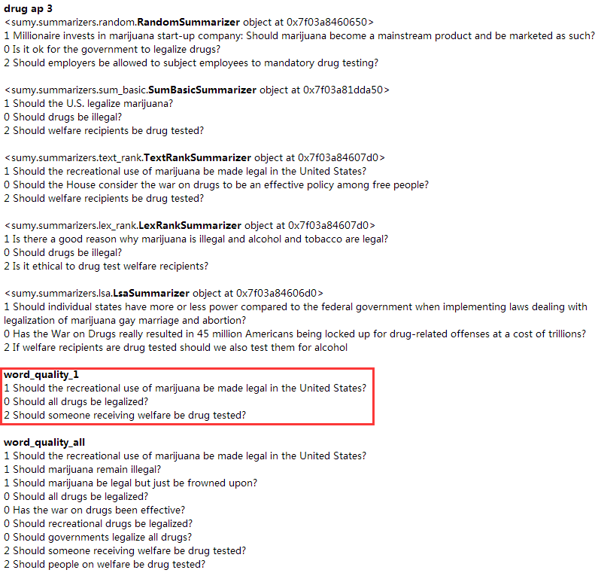
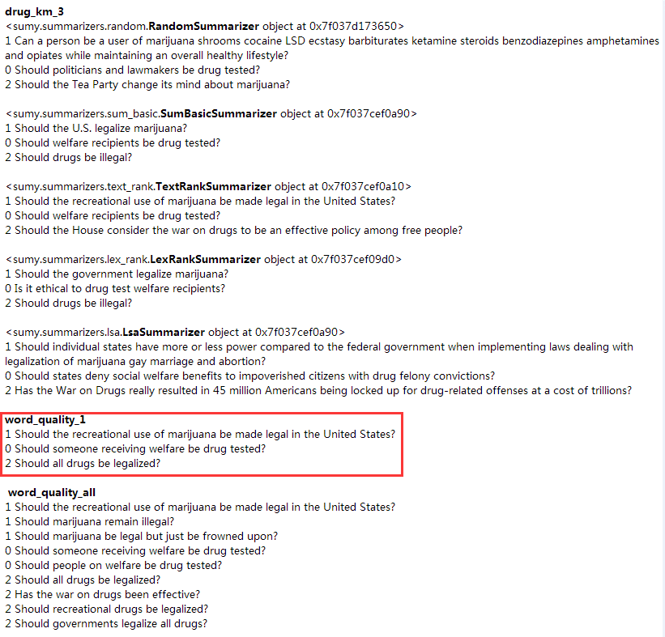

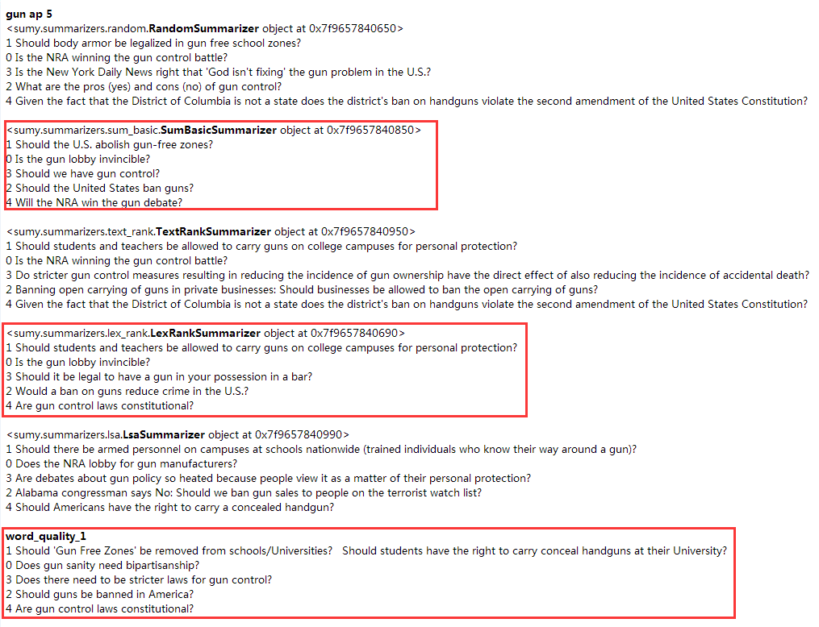
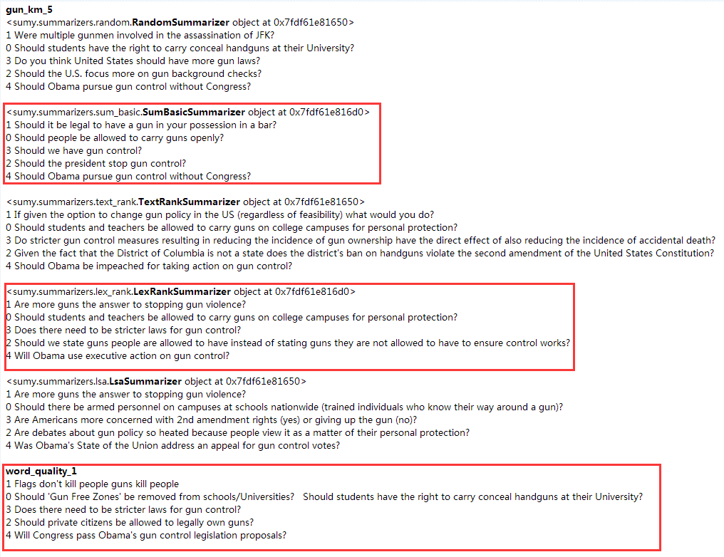

4_case_study
