Tabelle1
Voltage Recorder
Range Calculation

R1 / kOhm | 470
R2 / kOhm | 470
R3 / kOhm | 10
R4 / kOhm | 10

C / pF | 150

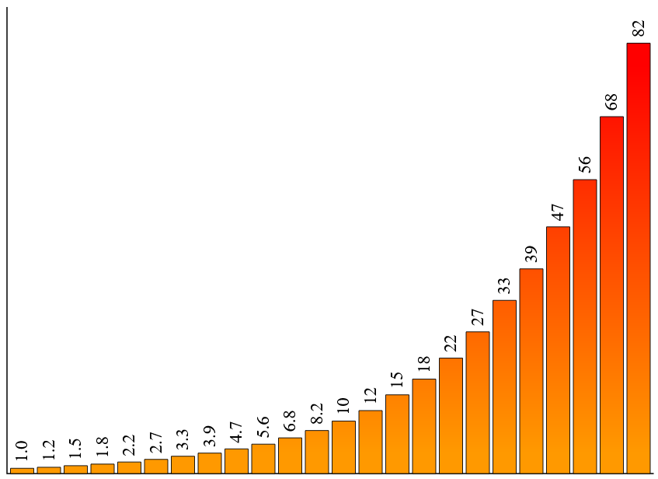
ADC Range | VIN Range | VIN Range eff
10 | 960 | 679
5 | 480 | 339
2.5 | 240 | 170

fg / kHz | 107

U / V | 960
P / mW | 960

fg / kHz | R / Ohm | C / nF
100 | 75 | 21.221
100 | 106 | 15
106103 | 100 | 15

