Tabelle1
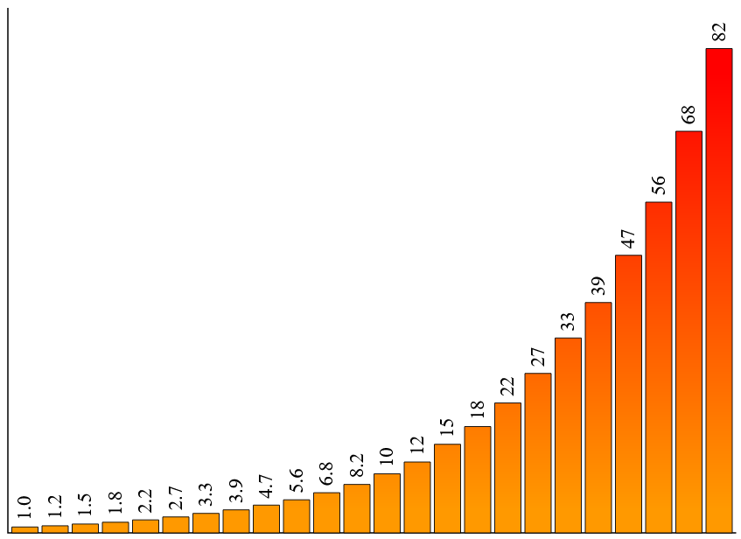
Voltage Recorder
Range Calculation

R1 / kOhm | 390
R2 / kOhm | 390
R3 / kOhm | 1
R4 / kOhm | 8.2

C / pF | 120

ADC Range | VIN Range | VIN Range eff
10 | 962 | 681
5 | 481 | 340
2.5 | 241 | 170

fg / kHz | 163

