Tabelle1
Voltage Recorder
Range Calculation

 | R / kOhm | P
R1 / kOhm | 330 | 0.330
R2 / kOhm | 330 | 0.330
R3 / kOhm | 330 | 0.495
R4 / kOhm | 10.00 | 0.010
Rges / kOhm | 1000
I / A | 0.001
C / pF | 150

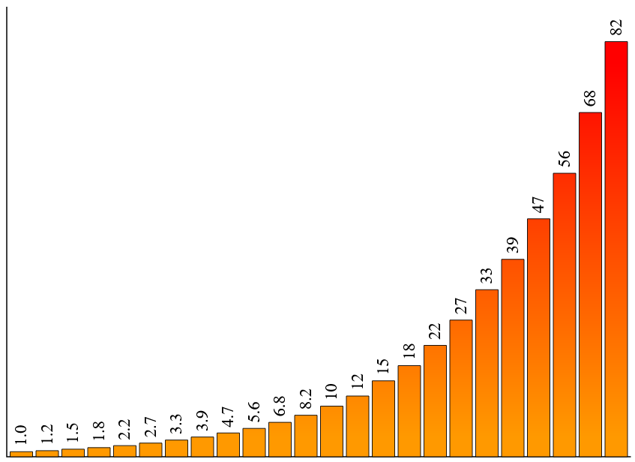
ADC Range | VIN Range | VIN Range eff | P / W
10 | 1000 | 707 | 1
5 | 500 | 354 | 0.25
2.5 | 250 | 177 | 0.0625

fg / kHz | 107

U / V | 960
P / mW | 922

fg / kHz | R / Ohm | C / nF
100 | 75 | 21.221
100 | 106 | 15
106103 | 100 | 15

