Sheet1
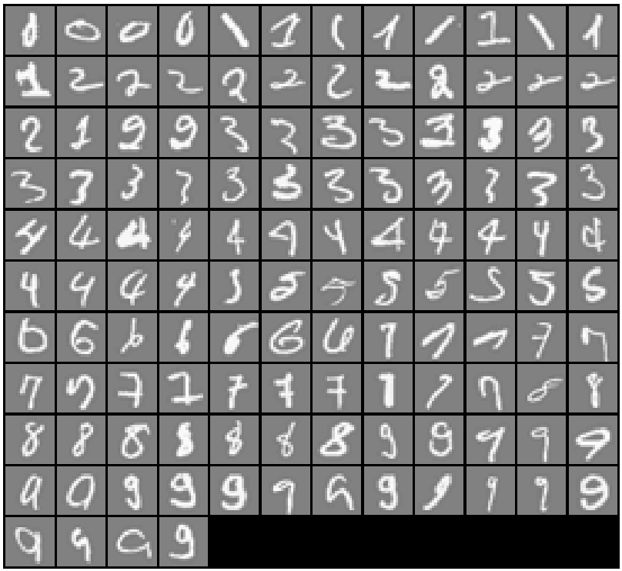
143 | 10 | 8
262 | 10 | 9
266 | 10 | 4
393 | 10 | 6
522 | 1 | 3
532 | 1 | 7
562 | 1 | 8
638 | 1 | 4
676 | 1 | 8
766 | 1 | 2
845 | 1 | 8
909 | 1 | 4
953 | 1 | 9
1007 | 2 | 6
1027 | 2 | 7
1058 | 2 | 5
1088 | 2 | 9
1154 | 2 | 4
1214 | 2 | 10
1364 | 2 | 4
1400 | 2 | 8
1407 | 2 | 6
1409 | 2 | 6
1414 | 2 | 4
1424 | 2 | 8
1441 | 2 | 1
1485 | 2 | 10
1495 | 2 | 10
1525 | 3 | 5
1551 | 3 | 7
1565 | 3 | 2
1589 | 3 | 6
1600 | 3 | 2
1612 | 3 | 8
1618 | 3 | 9
1631 | 3 | 5
1701 | 3 | 5
1702 | 3 | 7
1708 | 3 | 1
1765 | 3 | 7
1767 | 3 | 5
1777 | 3 | 5
1799 | 3 | 5
1906 | 3 | 5
1924 | 3 | 9
1960 | 3 | 1
1971 | 3 | 7
1977 | 3 | 5
2079 | 4 | 9
2088 | 4 | 6
2109 | 4 | 2
2113 | 4 | 1
2167 | 4 | 1
2172 | 4 | 9
2188 | 4 | 9
2196 | 4 | 2
2202 | 4 | 9
2239 | 4 | 9
2283 | 4 | 8
2362 | 4 | 6
2385 | 4 | 9
2394 | 4 | 9
2468 | 4 | 6
2499 | 4 | 9
2507 | 5 | 3
2557 | 5 | 2
2571 | 5 | 4
2594 | 5 | 3
2602 | 5 | 6
2607 | 5 | 3
2694 | 5 | 3
2909 | 5 | 6
3044 | 6 | 10
3079 | 6 | 5
3082 | 6 | 1
3205 | 6 | 1
3329 | 6 | 5
3342 | 6 | 5
3383 | 6 | 10
3538 | 7 | 1
3620 | 7 | 4
3628 | 7 | 4
3630 | 7 | 4
3665 | 7 | 4
3669 | 7 | 9
3726 | 7 | 10
3733 | 7 | 2
3796 | 7 | 2
3824 | 7 | 9
3831 | 7 | 1
3854 | 7 | 9
3896 | 7 | 1
3910 | 7 | 3
3973 | 7 | 9
4033 | 8 | 4
4058 | 8 | 1
4070 | 8 | 2
4184 | 8 | 1
4257 | 8 | 5
4307 | 8 | 1
4394 | 8 | 4
4429 | 8 | 1
4478 | 8 | 3
4507 | 9 | 5
4510 | 9 | 10
4520 | 9 | 7
4532 | 9 | 7
4569 | 9 | 4
4583 | 9 | 8
4594 | 9 | 10
4628 | 9 | 8
4637 | 9 | 3
4640 | 9 | 3
4709 | 9 | 7
4791 | 9 | 6
4834 | 9 | 3
4845 | 9 | 1
4861 | 9 | 1
4864 | 9 | 7
4866 | 9 | 8
4903 | 9 | 7
4918 | 9 | 4
4937 | 9 | 10
4991 | 9 | 3

