RawIdeaAnalysis
Wifi
Watchdog timer monitoring
Initialize system, init test

Fault logging, power monitoring, ...
Send Data to server
Receive Data from server
Analysis receive data

AT comand using UART
UART interupt handling
Action based on received data or system state
Switch to sleep mode...

Soft reset, hard reset
Normal communicate
ESP8266 driver

Architech
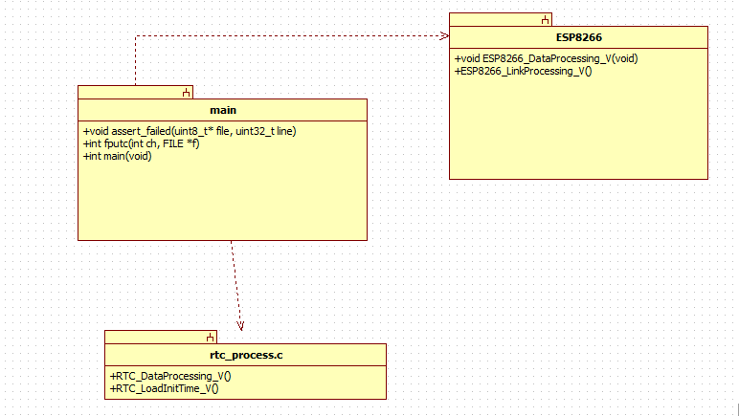

AT command
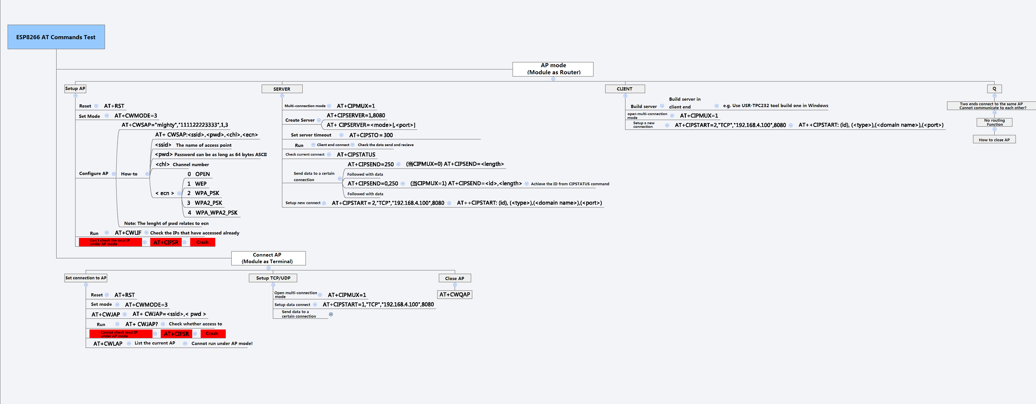
Source | https://www.itead.cc/wiki/ESP8266_Serial_WIFI_Module

