MQTT
http://www.instructables.com/id/Hacking-a-Sonoff-Touch-Panel-to-Work-With-MQTT-and/
http://www.iotsharing.com/2017/05/how-to-use-mqtt-to-build-smart-home-arduino-esp32.html

Node 2 (Client)
Temperature sensor in room 1
Node 1 - Smart Phone
(Client)

- Subcribe topic Temperature of Node 2
- Publish topic bulb on/off network
Publish topic temperature to network

Sever -Brocker

Subcribe topic bulb on/off of Node 1

Node 2 (Client)
Bulb in room 1

ASW
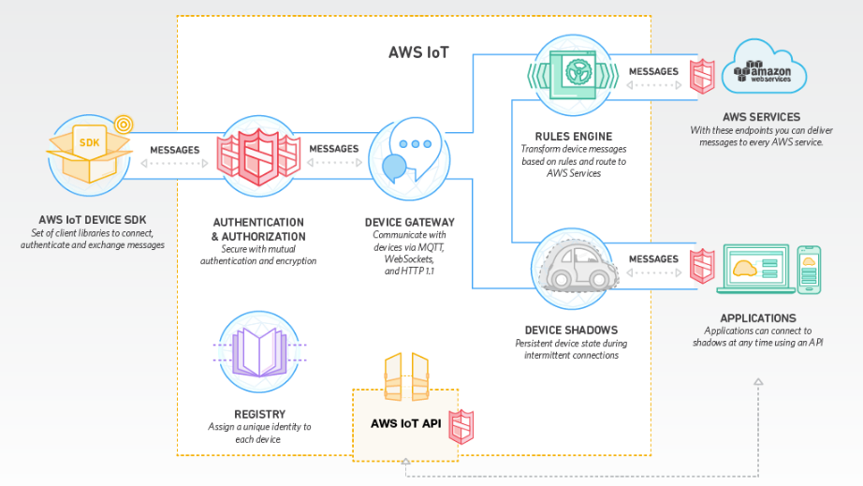

Webserver
IOT sharing | http://www.iotsharing.com/2017/05/how-to-turn-esp32-into-web-server.html

 | Purpose | Web services provide a standard means of interoperating between different software applications, running on a variety of platforms and/or frameworks.

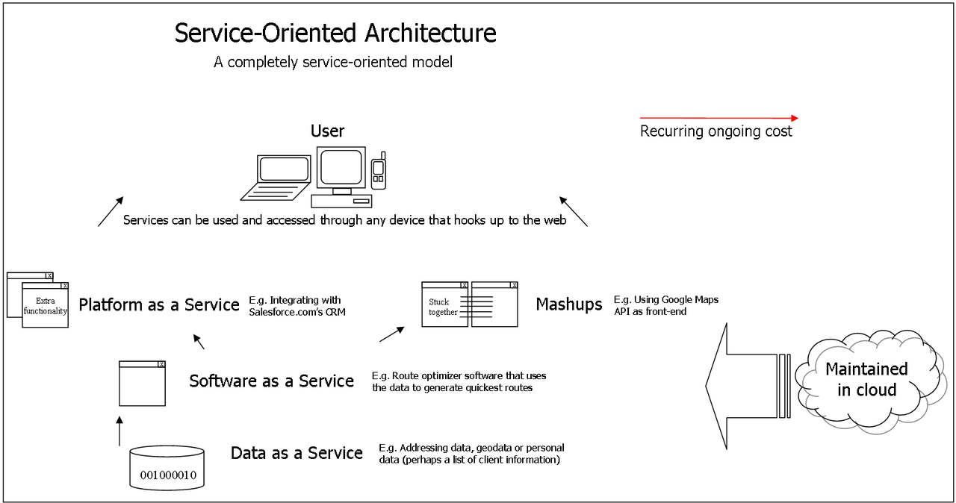
 | Model

