RawIdeaAnalysis
Wifi
Watchdog timer monitoring
Initialize system, init test

Fault logging, power monitoring, ...
Send Data to server
Receive Data from server
Analysis receive data

AT comand using UART
UART interupt handling
Action based on received data or system state
Switch to sleep mode...

Soft reset, hard reset
Normal communicate
ESP8266 driver

ECU ESP8266

Device 1
Wifi

ECU ESP8266
SDAlarm ECU (STM32F0....)
 | GPIO
UART

Device 2
 | GPIO

RTC Data

ECU DS1307

IGN ON

ECU Power on reset

Waiting for 3s

Gửi lệnh AT Command thiết lập kết nối cơ bản:
1. Gửi AT: AT
2. AT+CIPMUX=1
3.WiFi Mode is AP: AT+CWMODE=2
4. Thiết lập SID, Pass printf("AT+CWSAP=\"%s\",\"%s\",3,0\r\n",SSID, PASS)
5. printf("AT+CIPSERVER=1,150\r\n")

Report lỗi cho system nếu số lần xác lập thất bại > threshold

Qúa trình thiết lập thành công?

Chuyển qua phase trao đổi dữ liệu với App thông qua ESP8266

Architech
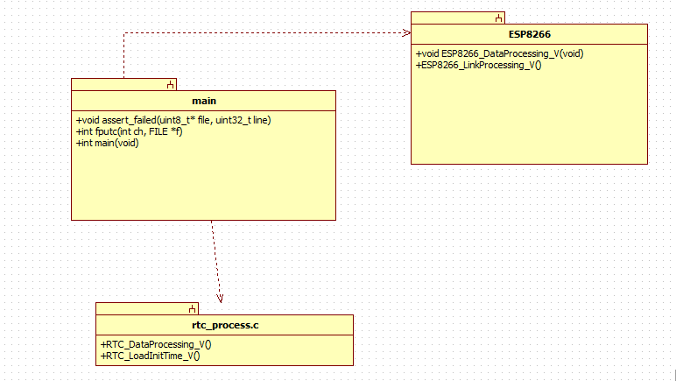

AT command
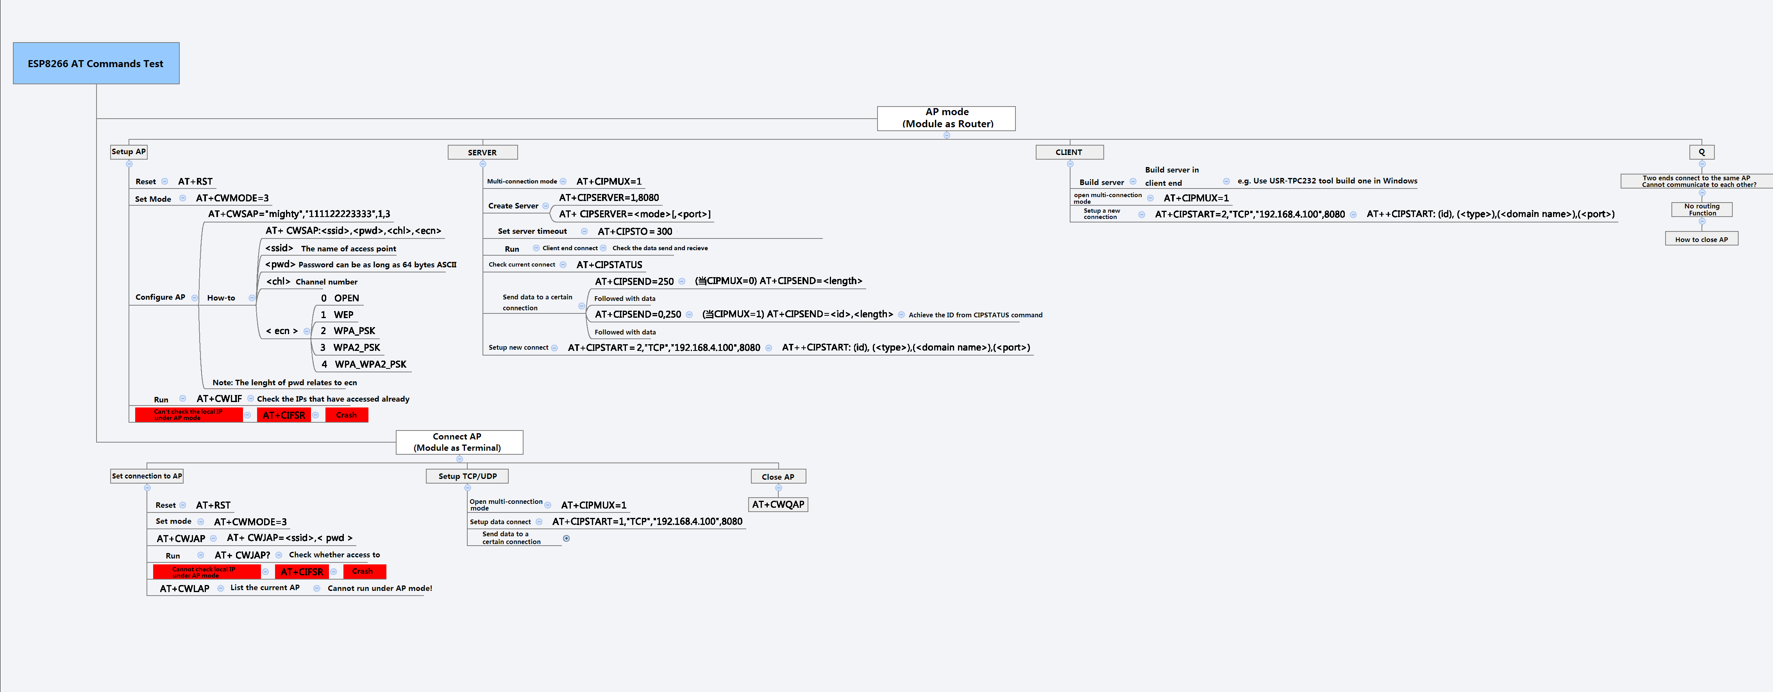
Source | https://www.itead.cc/wiki/ESP8266_Serial_WIFI_Module

PID
Tunrned P,I,D
Follow line Mode

Sensor line state
Calculate Command val to control RC servo.
in range of sevor control val after conversion
Send control command with control val using API
Calculate Error

FinalLineSensorState
Error
Control value
Setpoint (position of sensor equivalent to val)

SetPoint

Drone_Build
Hardware

STT | Loại | Tên thiết bị | Gía | Link to shop | Note
1 | Khung | Frame - GEPRC GEP-TX Chimp 5 Inch 210MM Carbon Fiber Frame Kit with PDB LED XT60 Camera Moun | 970.000 VND | http://quanphongrc.vn/ct/may-bay-dieu-khien/1871/geprc-gep-tx-chimp-5-inch-210mm-carbon-fiber-frame-kit-with-pdb-led-xt60-camera-moun.html
2 |  | HobbyKing FPV250L Long Frame Drone A Mini Sized FPV Drone (kit) |  | https://hobbyking.com/en_us/hobbyking-fpv250l-long-frame-quad-copter-a-mini-sized-fpv-multi-rotor-kit.html?___store=en_us
3 |  | DALRC DL265 FPV Quad Frame Kit | 820.000 VND | http://quanphongrc.vn/ct/may-bay-dieu-khien/1419/dalrc-dl265-fpv-quad-frame-kit.html | https://hobbyking.com/media/file/464407735X1827665X48.jpg
4 |  | SDI FEW-250 250mm Carbon Fiber | 820.000 VND | http://quanphongrc.vn/ct/may-bay-dieu-khien/774/sdi-few-250-250mm-carbon-fiber.html
5 | FC | Pixhaw set - full
 |  | Pixhaw set - Not full 1 - Tran Thanh | ¥ 600.00 | https://world.taobao.com/item/532843050547.htm?spm=a312a.7700714.0.0.M3X7BM#detail

 |  | CC3D Evo | 330.000 VND | http://www.clbmohinh.com/forum/m1348891-print.aspx http://quanphongrc.vn/ct/chi-tiet/260/cc3d.html
6 | Motor | 4 x Motors | 1.240.000 VND | http://quanphongrc.vn/ct/may-bay-dieu-khien/1270/emax-rs2205-s-2300kv-racespec-motor-cooling-series-for-fpv-multicopter-4pcs-set.html
 |  | Motor 2306 |  |  | Cánh 5" 3 lá. GepRC v2 5040 hoăc DAL v2 5040

7 | OSD |  |  | https://oscarliang.com/best-osd-quadcopter-fpv-data-on-screen-display-video/

8 | TX | Devo 7E (Without RX - không bao gồm RX) | 900.000 VND | http://quanphongrc.vn/ct/may-bay-dieu-khien/224/devo-7e-without-rx-khong-bao-gom-rx.html
 |  | FrSky 2.4GHz ACCST TARANIS X9D PLUS and X8R Combo Digital Telemetry Radio System (Mode 2) | $209.99 | https://hobbyking.com/en_us/frsky-2-4ghz-accst-taranis-x9d-plus-and-x8r-combo-digital-telemetry-radio-system-mode-2.html
 |  | FrSky Taranis Q X7 Digital Telemetry Radio System 2.4GHz ACCST (Black-no plugs) (Standard Version) | 2.320.000 VND | http://quanphongrc.vn/ct/may-bay-dieu-khien/1931/frsky-taranis-q-x7-digital-telemetry-radio-system-2-4ghz-accst-black-no-plugs-standard-version.html

9 | ESC | 4X Favourite FVT LittleBee 30A-S ESC BLHeli_S OPTO 2-6S Supports Mulitshot Oneshot42 OneShot125 | 1.200.000 VND | http://quanphongrc.vn/ct/may-bay-dieu-khien/1561/4x-favourite-fvt-littlebee-30a-s-esc-blheli-s-opto-2-6s-supports-mulitshot-oneshot42-oneshot125.html

DALRC DL265 FPV Quad Frame Kit
10 | RX

11 | PFV system | DYS FPV 5.8G Antenna 4dBi Mushroom Antenna RHCP TX RX SMA RP-SMA Male |  | https://www.banggood.com/DYS-FPV-5_8G-Antenna-4dBi-Mushroom-Antenna-RHCP-TX-RX-SMA-RP-SMA-Male-p-1065852.html?p=RO30218521132014102T
 |  | Fatshark Fat Shark Teleporter V5 5.8G FPV Goggles with Camera Transmitter CE FCC Headset Combo | US$ 210.00 | https://www.banggood.com/Fatshark-Fat-Shark-Teleporter-V5-5_8G-FPV-Goggles-with-Camera-Transmitter-CE-FCC-Headset-Combo-p-1051442.html?utmid=1108&rmmds=brandsActivity
 |  | Boscam GS922 5.8G 32CH FPV Diversity AIO Goggles With DVR | 3.960.000 VND | http://quanphongrc.vn/ct/may-bay-dieu-khien/2103/boscam-gs922-5-8g-32ch-fpv-diversity-aio-goggles-with-dvr.html
 |  | Eachine EV800 Review and VR-007 Comparison from Banggood |  | https://www.youtube.com/watch?v=LlAvt0_6a5k

 |  |  |  | http://quanphongrc.vn/ct/may-bay-dieu-khien/1436/matek-pdb-plus-xt60-connector.html
12 | BEC | Matek PDB plus XT60 connector | 105.000 VND

13 | Cánh | 3 Blades Bullnose Propeller OCDAY 5045 V2 (4pcs/set) |  | http://quanphongrc.vn/ct/may-bay-dieu-khien/1485/3-blades-bullnose-propeller-ocday-5045-v2-4pcs-set.html
 |  | Kingkong 5045 5x4X3 3-Blade CW CCW (4pcs/set) |  | http://quanphongrc.vn/ct/may-bay-dieu-khien/1716/kingkong-5045-5x4x3-3-blade-cw-ccw-4pcs-set.html

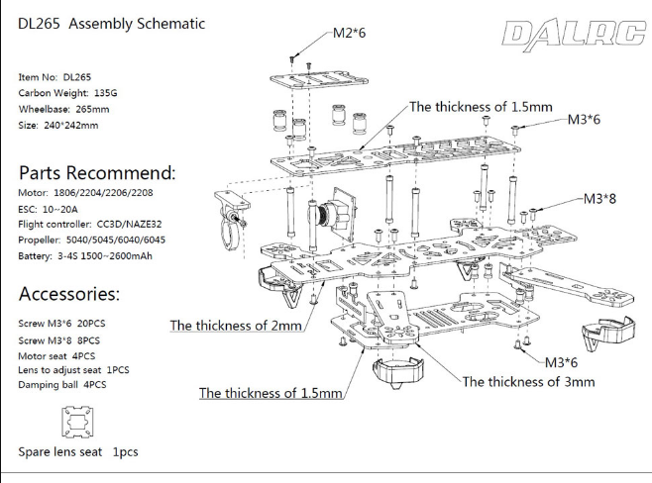
Tips, Guideline
STT |  | Topic | Reference | Note
1 |  | HOW TO GET STARTED WITH DRONE RACING AND MINI QUAD FPV | https://oscarliang.com/mini-quad-racing-guide/ | Read First
2 |  | How To Choose a Flight Controller for Mini Quad | https://oscarliang.com/best-flight-controller-quad-hex-copter/
4 |  | Example | https://oscarliang.com/mini-quad-not-blackout-qav250/
5 |  | Loop time to sample sensor | https://oscarliang.com/best-looptime-flight-controller/
6 |  | Sampling rates for analog sensors | http://www.embedded.com/design/prototyping-and-development/4024581/Sampling-rates-for-analog-sensors
7 |  | How to Choose A Sensible Sampling Rate | http://www.embedded.com/design/configurable-systems/4006414/How-to-Choose-A-Sensible-Sampling-Rate
8 |  | Mini Quad: 3S, 4S Setups Comparison and Migration | https://oscarliang.com/3s-4s-setup-mini-quadcopter/
9
10
11

Cấu hình Robocat
Cấu hình robocat Kit robocat 650k Fc f3 330k Bec 5in1 168k Esc Favourite FVT LittleBee 30A-S 1200k Motor EMAX RS2205-S 2300KV 1240k Led 192k Chân TAROT 52k Cánh kingkong 5045 32k Pin tattu 2s 1800mah

CleanFlight
System Overview
TX
ECS
Brushless Motor

Wireless protocol
FC

RX
PWM/DSHOT/ONESHOT Protocol

Gyo
Acc

5V

BEC
PIN 3S/4S

STT | Item | Description | Link
1 | ECS Protocol | D Shot | https://oscarliang.com/dshot/
 |  | Dshot Setup, DSHOT Vs Multishot Comparison, Looptime CycleTime | https://www.youtube.com/watch?v=VmOsOHduKt8

2 | PID | Betaflight 2 kHz (and above) gyro sync explained | https://www.youtube.com/watch?v=j2YtpeHGafs
 |  | What are PID Controller 0, 1, 2, 3, 4 and 5 in CleanFlight? | https://oscarliang.com/pid-controller-0-1-2-cleanflight/

3 | Redue Noise | Soft Mounting | https://oscarliang.com/soft-mounting-fc-motors/

4 | Pin Lipo | Tips for using a quadcopter lipo battery | https://www.rcgroups.com/forums/member.php

