Sheet1
DE10-Lite FPGA Peripheral Pin Assignment

FPGA used: ALTERA MAX 10 (10M50DAF484C7G)
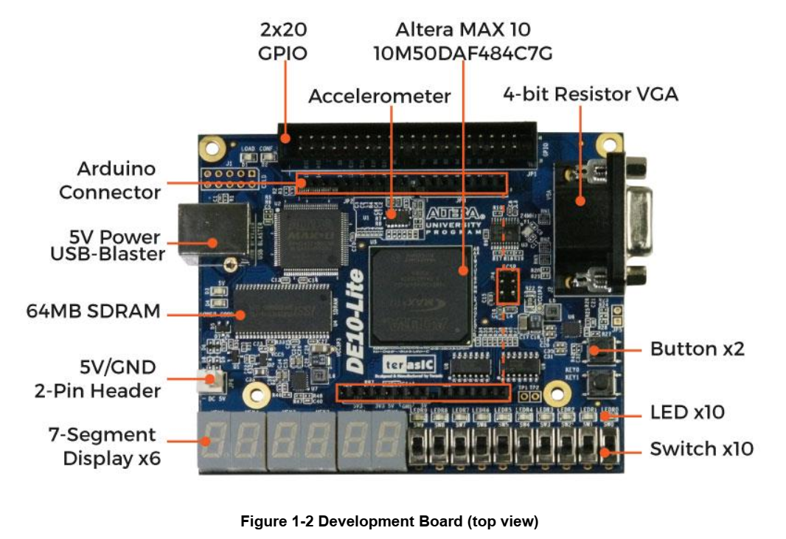
Signal Name | Description | FPGA Pin Number | Bank Number | Bank Voltage | Remark
HEX00 | 7segment-a | C14 | 7 | 3.3V | Active-Low
HEX01 | 7segment-b | E15 | 7 | 3.3V | Active-Low
HEX02 | 7segment-c | C15 | 7 | 3.3V | Active-Low
HEX03 | 7segment-d | C16 | 7 | 3.3V | Active-Low
HEX04 | 7segment-e | E16 | 7 | 3.3V | Active-Low
HEX05 | 7segment-f | D17 | 7 | 3.3V | Active-Low
HEX06 | 7segment-g | C17 | 7 | 3.3V | Active-Low
HEX07 | DP | D15 | 7 | 3.3V | Active-Low

HEX10 | 7segment-a | C18 | 7 | 3.3V | Active-Low
HEX11 | 7segment-b | D18 | 6 | 3.3V | Active-Low
HEX12 | 7segment-c | E18 | 6 | 3.3V | Active-Low
HEX13 | 7segment-d | B16 | 7 | 3.3V | Active-Low
HEX14 | 7segment-e | A17 | 7 | 3.3V | Active-Low
HEX15 | 7segment-f | A18 | 7 | 3.3V | Active-Low
HEX16 | 7segment-g | B17 | 7 | 3.3V | Active-Low
HEX17 | DP | A16 | 7 | 3.3V | Active-Low

HEX20 | 7segment-a | B20 | 6 | 3.3V | Active-Low
HEX21 | 7segment-b | A20 | 7 | 3.3V | Active-Low
HEX22 | 7segment-c | B19 | 7 | 3.3V | Active-Low
HEX23 | 7segment-d | A21 | 6 | 3.3V | Active-Low
HEX24 | 7segment-e | B21 | 6 | 3.3V | Active-Low
HEX25 | 7segment-f | C22 | 6 | 3.3V | Active-Low
HEX26 | 7segment-g | B22 | 6 | 3.3V | Active-Low
HEX27 | DP | A19 | 7 | 3.3V | Active-Low

HEX30 | 7segment-a | F21 | 6 | 3.3V | Active-Low
HEX31 | 7segment-b | E22 | 6 | 3.3V | Active-Low
HEX32 | 7segment-c | E21 | 6 | 3.3V | Active-Low
HEX33 | 7segment-d | C19 | 7 | 3.3V | Active-Low
HEX34 | 7segment-e | C20 | 6 | 3.3V | Active-Low
HEX35 | 7segment-f | D19 | 6 | 3.3V | Active-Low
HEX36 | 7segment-g | E17 | 6 | 3.3V | Active-Low
HEX37 | DP | D22 | 6 | 3.3V | Active-Low

HEX40 | 7segment-a | F18 | 6 | 3.3V | Active-Low
HEX41 | 7segment-b | E20 | 6 | 3.3V | Active-Low
HEX42 | 7segment-c | E19 | 6 | 3.3V | Active-Low
HEX43 | 7segment-d | J18 | 6 | 3.3V | Active-Low
HEX44 | 7segment-e | H19 | 6 | 3.3V | Active-Low
HEX45 | 7segment-f | F19 | 6 | 3.3V | Active-Low
HEX46 | 7segment-g | F20 | 6 | 3.3V | Active-Low
HEX47 | DP | F17 | 6 | 3.3V | Active-Low

HEX50 | 7segment-a | J20 | 6 | 3.3V | Active-Low
HEX51 | 7segment-b | K20 | 6 | 3.3V | Active-Low
HEX52 | 7segment-c | L18 | 6 | 3.3V | Active-Low
HEX53 | 7segment-d | N18 | 6 | 3.3V | Active-Low
HEX54 | 7segment-e | M20 | 6 | 3.3V | Active-Low
HEX55 | 7segment-f | N19 | 6 | 3.3V | Active-Low
HEX56 | 7segment-g | N20 | 6 | 3.3V | Active-Low
HEX57 | DP | L19 | 6 | 3.3V | Active-Low

LEDR0 | Red LED | A8 | 7 | 3.3V | Active-High
LEDR1 | Red LED | A9 | 7 | 3.3V | Active-High
LEDR2 | Red LED | A10 | 7 | 3.3V | Active-High
LEDR3 | Red LED | B10 | 7 | 3.3V | Active-High
LEDR4 | Red LED | D13 | 7 | 3.3V | Active-High
LEDR5 | Red LED | C13 | 7 | 3.3V | Active-High
LEDR6 | Red LED | E14 | 7 | 3.3V | Active-High
LEDR7 | Red LED | D14 | 7 | 3.3V | Active-High
LEDR8 | Red LED | A11 | 7 | 3.3V | Active-High
LEDR9 | Red LED | B11 | 7 | 3.3V | Active-High

SW0 | Slide Switch | C10 | 7 | 3.3V
SW1 | Slide Switch | C11 | 7 | 3.3V
SW2 | Slide Switch | D12 | 7 | 3.3V
SW3 | Slide Switch | C12 | 7 | 3.3V
SW4 | Slide Switch | A12 | 7 | 3.3V
SW5 | Slide Switch | B12 | 7 | 3.3V
SW6 | Slide Switch | A13 | 7 | 3.3V
SW7 | Slide Switch | A14 | 7 | 3.3V
SW8 | Slide Switch | B14 | 7 | 3.3V
SW9 | Slide Switch | F15 | 7 | 3.3V

KEY0 | Push Button | B8 | 7 | 3.3V | Active-Low
KEY1 | Push Button | A7 | 7 | 3.3V | Active-Low

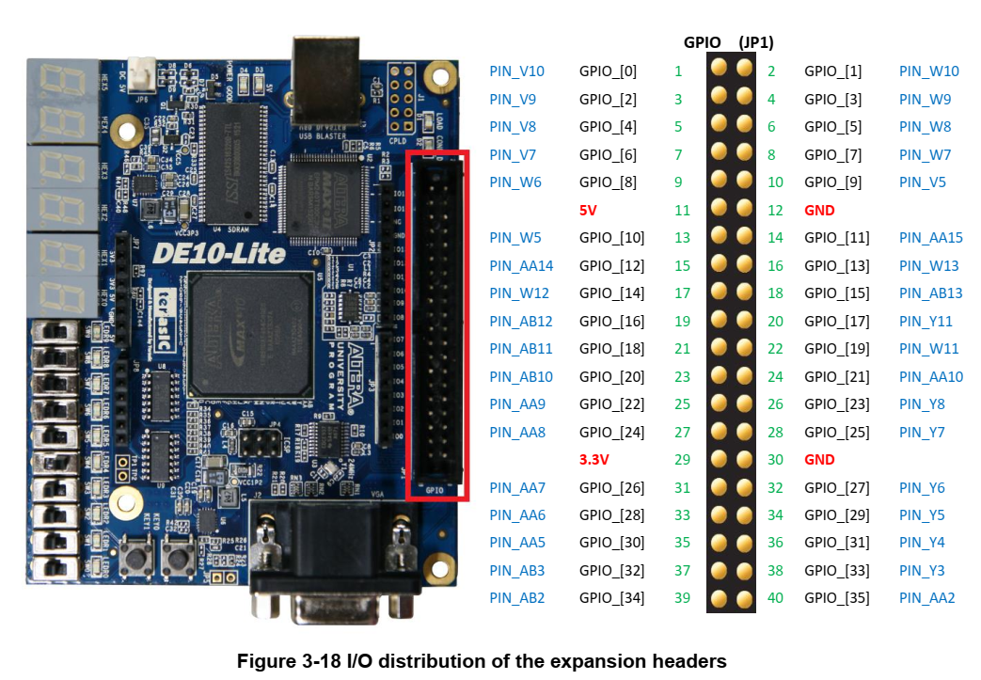
GPIO0 | GPIOs | V10 | 3 | 3.3V
GPIO1 | GPIOs | W10 | 3 | 3.3V
GPIO2 | GPIOs | V9 | 3 | 3.3V
GPIO3 | GPIOs | W9 | 3 | 3.3V
GPIO4 | GPIOs | V8 | 3 | 3.3V
GPIO5 | GPIOs | W8 | 3 | 3.3V
GPIO6 | GPIOs | V7 | 3 | 3.3V
GPIO7 | GPIOs | W7 | 3 | 3.3V
GPIO8 | GPIOs | W6 | 3 | 3.3V
GPIO9 | GPIOs | V5 | 3 | 3.3V
GPIO10 | GPIOs | W5 | 3 | 3.3V
GPIO11 | GPIOs | AA15 | 4 | 3.3V
GPIO12 | GPIOs | AA14 | 4 | 3.3V
GPIO13 | GPIOs | W13 | 4 | 3.3V
GPIO14 | GPIOs | W12 | 4 | 3.3V
GPIO15 | GPIOs | AB13 | 4 | 3.3V
GPIO16 | GPIOs | AB12 | 4 | 3.3V
GPIO17 | GPIOs | Y11 | 4 | 3.3V
GPIO18 | GPIOs | AB11 | 4 | 3.3V
GPIO19 | GPIOs | W11 | 4 | 3.3V
GPIO20 | GPIOs | AB10 | 4 | 3.3V
GPIO21 | GPIOs | AA10 | 3 | 3.3V
GPIO22 | GPIOs | AA9 | 3 | 3.3V
GPIO23 | GPIOs | Y8 | 3 | 3.3V
GPIO24 | GPIOs | AA8 | 3 | 3.3V
GPIO25 | GPIOs | Y7 | 3 | 3.3V
GPIO26 | GPIOs | AA7 | 3 | 3.3V
GPIO27 | GPIOs | Y6 | 3 | 3.3V
GPIO28 | GPIOs | AA6 | 3 | 3.3V
GPIO29 | GPIOs | Y5 | 3 | 3.3V
GPIO30 | GPIOs | AA5 | 3 | 3.3V
GPIO31 | GPIOs | Y4 | 3 | 3.3V
GPIO32 | GPIOs | AB3 | 3 | 3.3V
GPIO33 | GPIOs | Y3 | 3 | 3.3V
GPIO34 | GPIOs | AB2 | 3 | 3.3V
GPIO35 | GPIOs | AA2 | 3 | 3.3V

MAX10_CLK1_50 | 50MHz clock | P11 | 3 | 3.3V | rising_edge
MAX10_CLK2_50 | 50MHz clock | N14 | 6 | 3.3V | rising_edge

