Sheet1
DE2-115 FPGA Peripheral Pin Assignment

FPGA used: ALTERA CYCLONE IV (EP4CE115F29C7N)

Signal Name | Description | FPGA Pin Number | Bank Number | Bank Voltage | Remark
HEX00 | 7segment-a | G18 | 7 | 2.5V | Active-Low
HEX01 | 7segment-b | F22 | 7 | 2.5V | Active-Low
HEX02 | 7segment-c | E17 | 7 | 2.5V | Active-Low
HEX03 | 7segment-d | L26 | 6 | 3.3V | Active-Low
HEX04 | 7segment-e | L25 | 6 | 3.3V | Active-Low
HEX05 | 7segment-f | J22 | 6 | 3.3V | Active-Low
HEX06 | 7segment-g | H22 | 6 | 3.3V | Active-Low
HEX07 | DP |  |  |  | Active-Low

HEX10 | 7segment-a | M24 | 6 | 3.3V | Active-Low
HEX11 | 7segment-b | Y22 | 5 | 3.3V | Active-Low
HEX12 | 7segment-c | W21 | 5 | 3.3V | Active-Low
HEX13 | 7segment-d | W22 | 5 | 3.3V | Active-Low
HEX14 | 7segment-e | W25 | 5 | 3.3V | Active-Low
HEX15 | 7segment-f | U23 | 5 | 3.3V | Active-Low
HEX16 | 7segment-g | U24 | 5 | 3.3V | Active-Low
HEX17 | DP |  |  |  | Active-Low

HEX20 | 7segment-a | AA25 | 5 | 3.3V | Active-Low
HEX21 | 7segment-b | AA26 | 5 | 3.3V | Active-Low
HEX22 | 7segment-c | Y25 | 5 | 3.3V | Active-Low
HEX23 | 7segment-d | W26 | 5 | 3.3V | Active-Low
HEX24 | 7segment-e | Y26 | 5 | 3.3V | Active-Low
HEX25 | 7segment-f | W27 | 5 | 3.3V | Active-Low
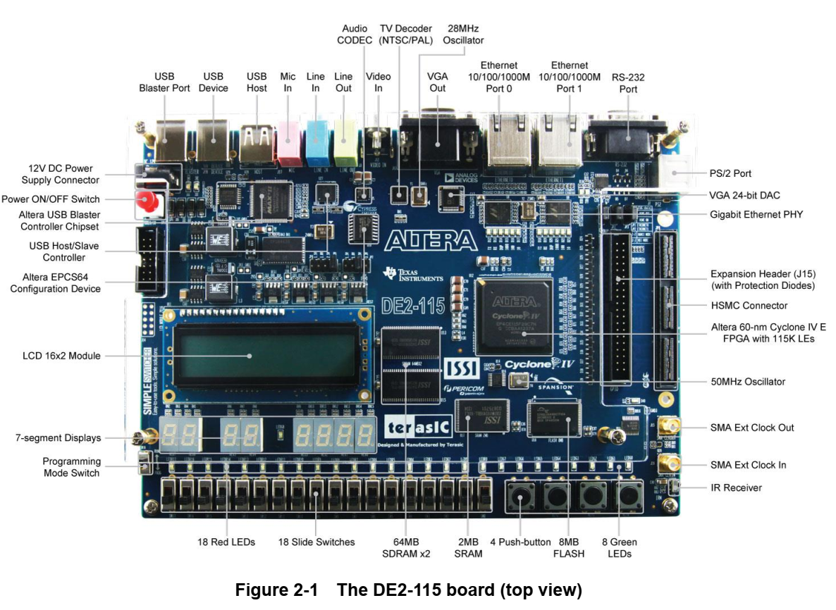
HEX26 | 7segment-g | W28 | 5 | 3.3V | Active-Low
HEX27 | DP |  |  |  | Active-Low

HEX30 | 7segment-a | V21 | 5 | 3.3V | Active-Low
HEX31 | 7segment-b | U21 | 5 | 3.3V | Active-Low
HEX32 | 7segment-c | AB20 | 4 | 3.3V | Active-Low
HEX33 | 7segment-d | AA21 | 4 | 3.3V | Active-Low
HEX34 | 7segment-e | AD24 | 4 | 3.3V | Active-Low
HEX35 | 7segment-f | AF23 | 4 | 3.3V | Active-Low
HEX36 | 7segment-g | Y19 | 4 | 3.3V | Active-Low
HEX37 | DP |  |  |  | Active-Low

HEX40 | 7segment-a | AB19 | 4 | 3.3V | Active-Low
HEX41 | 7segment-b | AA19 | 4 | 3.3V | Active-Low
HEX42 | 7segment-c | AG21 | 4 | 3.3V | Active-Low
HEX43 | 7segment-d | AH21 | 4 | 3.3V | Active-Low
HEX44 | 7segment-e | AE19 | 4 | 3.3V | Active-Low
HEX45 | 7segment-f | AF19 | 4 | 3.3V | Active-Low
HEX46 | 7segment-g | AE18 | 4 | 3.3V | Active-Low
HEX47 | DP |  |  |  | Active-Low

HEX50 | 7segment-a | AD18 | 4 | 3.3V | Active-Low
HEX51 | 7segment-b | AC18 | 4 | 3.3V | Active-Low
HEX52 | 7segment-c | AB18 | 4 | 3.3V | Active-Low
HEX53 | 7segment-d | AH19 | 4 | 3.3V | Active-Low
HEX54 | 7segment-e | AG19 | 4 | 3.3V | Active-Low
HEX55 | 7segment-f | AF18 | 4 | 3.3V | Active-Low
HEX56 | 7segment-g | AH18 | 4 | 3.3V | Active-Low
HEX57 | DP |  |  |  | Active-Low

HEX60 | 7segment-a | AA17 | 4 | 3.3V | Active-Low
HEX61 | 7segment-b | AB16 | 4 | 3.3V | Active-Low
HEX62 | 7segment-c | AA16 | 4 | 3.3V | Active-Low
HEX63 | 7segment-d | AB17 | 4 | 3.3V | Active-Low
HEX64 | 7segment-e | AB15 | 4 | 3.3V | Active-Low
HEX65 | 7segment-f | AA15 | 4 | 3.3V | Active-Low
HEX66 | 7segment-g | AC17 | 4 | 3.3V | Active-Low
HEX67 | DP |  |  |  | Active-Low

HEX70 | 7segment-a | AD17 | 4 | 3.3V | Active-Low
HEX71 | 7segment-b | AE17 | 4 | 3.3V | Active-Low
HEX72 | 7segment-c | AG17 | 4 | 3.3V | Active-Low
HEX73 | 7segment-d | AH17 | 4 | 3.3V | Active-Low
HEX74 | 7segment-e | AF17 | 4 | 3.3V | Active-Low
HEX75 | 7segment-f | AG18 | 4 | 3.3V | Active-Low
HEX76 | 7segment-g | AA14 | 3 | 3.3V | Active-Low
HEX77 | DP |  |  |  | Active-Low

LEDR0 | Red LED | G19 | 7 | 2.5V | Active-High
LEDR1 | Red LED | F19 | 7 | 2.5V | Active-High
LEDR2 | Red LED | E19 | 7 | 2.5V | Active-High
LEDR3 | Red LED | F21 | 7 | 2.5V | Active-High
LEDR4 | Red LED | F18 | 7 | 2.5V | Active-High
LEDR5 | Red LED | E18 | 7 | 2.5V | Active-High
LEDR6 | Red LED | J19 | 7 | 2.5V | Active-High
LEDR7 | Red LED | H19 | 7 | 2.5V | Active-High
LEDR8 | Red LED | J17 | 7 | 2.5V | Active-High
LEDR9 | Red LED | G17 | 7 | 2.5V | Active-High
LEDR10 | Red LED | J15 | 7 | 2.5V | Active-High
LEDR11 | Red LED | H16 | 7 | 2.5V | Active-High
LEDR12 | Red LED | J16 | 7 | 2.5V | Active-High
LEDR13 | Red LED | H17 | 7 | 2.5V | Active-High
LEDR14 | Red LED | F15 | 7 | 2.5V | Active-High
LEDR15 | Red LED | G15 | 7 | 2.5V | Active-High
LEDR16 | Red LED | G16 | 7 | 2.5V | Active-High
LEDR17 | Red LED | H15 | 7 | 2.5V | Active-High

LEDG0 | Green LED | E21 | 7 | 2.5V | Active-High
LEDG1 | Green LED | E22 | 7 | 2.5V | Active-High
LEDG2 | Green LED | E25 | 7 | 2.5V | Active-High
LEDG3 | Green LED | E24 | 7 | 2.5V | Active-High
LEDG4 | Green LED | H21 | 7 | 2.5V | Active-High
LEDG5 | Green LED | G20 | 7 | 2.5V | Active-High
LEDG6 | Green LED | G22 | 7 | 2.5V | Active-High
LEDG7 | Green LED | G21 | 7 | 2.5V | Active-High
LEDG8 | Green LED | F17 | 7 | 2.5V | Active-High

SW0 | Slide Switch | AB28 | 5 | 3.3V
SW1 | Slide Switch | AC28 | 5 | 3.3V
SW2 | Slide Switch | AC27 | 5 | 3.3V
SW3 | Slide Switch | AD27 | 5 | 3.3V
SW4 | Slide Switch | AB27 | 5 | 3.3V
SW5 | Slide Switch | AC26 | 5 | 3.3V
SW6 | Slide Switch | AD26 | 5 | 3.3V
SW7 | Slide Switch | AB26 | 5 | 3.3V
SW8 | Slide Switch | AC25 | 5 | 3.3V
SW9 | Slide Switch | AB25 | 5 | 3.3V
SW10 | Slide Switch | AC24 | 5 | 3.3V
SW11 | Slide Switch | AB24 | 5 | 3.3V
SW12 | Slide Switch | AB23 | 5 | 3.3V
SW13 | Slide Switch | AA24 | 5 | 3.3V
SW14 | Slide Switch | AA23 | 5 | 3.3V
SW15 | Slide Switch | AA22 | 5 | 3.3V
SW16 | Slide Switch | Y24 | 5 | 3.3V
SW17 | Slide Switch | Y23 | 5 | 3.3V

KEY0 | Push Button | M23 | 6 | 3.3V | Active-Low
KEY1 | Push Button | M21 | 6 | 3.3V | Active-Low
KEY2 | Push Button | N21 | 6 | 3.3V | Active-Low
KEY3 | Push Button | R24 | 5 | 3.3V | Active-Low

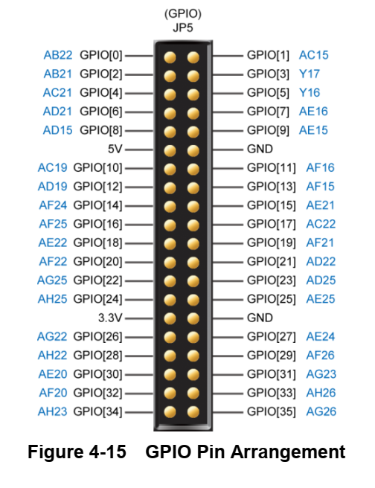
GPIO0 | GPIOs | AB22 | 4 | 3.3V
GPIO1 | GPIOs | AC15 | 4 | 3.3V
GPIO2 | GPIOs | AB21 | 4 | 3.3V
GPIO3 | GPIOs | Y17 | 4 | 3.3V
GPIO4 | GPIOs | AC21 | 4 | 3.3V
GPIO5 | GPIOs | Y16 | 4 | 3.3V
GPIO6 | GPIOs | AD21 | 4 | 3.3V
GPIO7 | GPIOs | AE16 | 4 | 3.3V
GPIO8 | GPIOs | AD15 | 4 | 3.3V
GPIO9 | GPIOs | AE15 | 4 | 3.3V
GPIO10 | GPIOs | AC19 | 4 | 3.3V
GPIO11 | GPIOs | AF16 | 4 | 3.3V
GPIO12 | GPIOs | AD19 | 4 | 3.3V
GPIO13 | GPIOs | AF15 | 4 | 3.3V
GPIO14 | GPIOs | AF24 | 4 | 3.3V
GPIO15 | GPIOs | AE21 | 4 | 3.3V
GPIO16 | GPIOs | AF25 | 4 | 3.3V
GPIO17 | GPIOs | AC22 | 4 | 3.3V
GPIO18 | GPIOs | AE22 | 4 | 3.3V
GPIO19 | GPIOs | AF21 | 4 | 3.3V
GPIO20 | GPIOs | AF22 | 4 | 3.3V
GPIO21 | GPIOs | AD22 | 4 | 3.3V
GPIO22 | GPIOs | AG25 | 4 | 3.3V
GPIO23 | GPIOs | AD25 | 4 | 3.3V
GPIO24 | GPIOs | AH25 | 4 | 3.3V
GPIO25 | GPIOs | AE25 | 4 | 3.3V
GPIO26 | GPIOs | AG22 | 4 | 3.3V
GPIO27 | GPIOs | AE24 | 4 | 3.3V
GPIO28 | GPIOs | AH22 | 4 | 3.3V
GPIO29 | GPIOs | AF26 | 4 | 3.3V
GPIO30 | GPIOs | AE20 | 4 | 3.3V
GPIO31 | GPIOs | AG23 | 4 | 3.3V
GPIO32 | GPIOs | AF20 | 4 | 3.3V
GPIO33 | GPIOs | AH26 | 4 | 3.3V
GPIO34 | GPIOs | AH23 | 4 | 3.3V
GPIO35 | GPIOs | AG26 | 4 | 3.3V

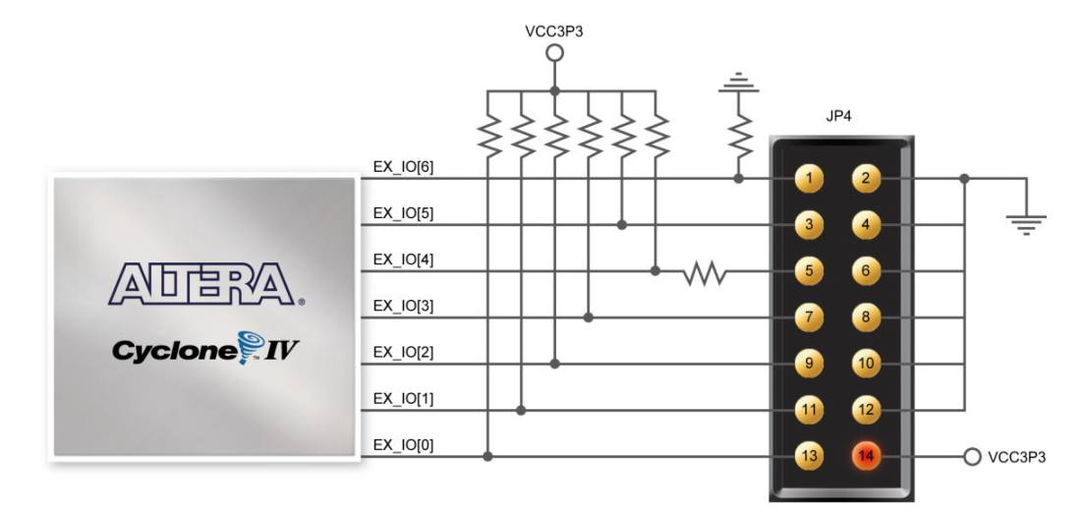

EX_IO0 | External GPIO | J10 | 8 | 3.3V
EX_IO1 | External GPIO | J14 | 8 | 3.3V
EX_IO2 | External GPIO | H13 | 8 | 3.3V
EX_IO3 | External GPIO | H14 | 8 | 3.3V
EX_IO4 | External GPIO | F14 | 8 | 3.3V
EX_IO5 | External GPIO | E10 | 8 | 3.3V
EX_IO6 | External GPIO | D9 | 8 | 3.3V

CLOCK_50 | 50MHz clock | Y2 | 2 | 3.3V | rising_edge
CLOCK2_50 | 50MHz clock | AG14 | 3 | 3.3V | rising_edge
CLOCK3_50 | 50MHz clock | AG15 | 4 | 3.3V | rising_edge

