3 hop_time
hop vs avg time
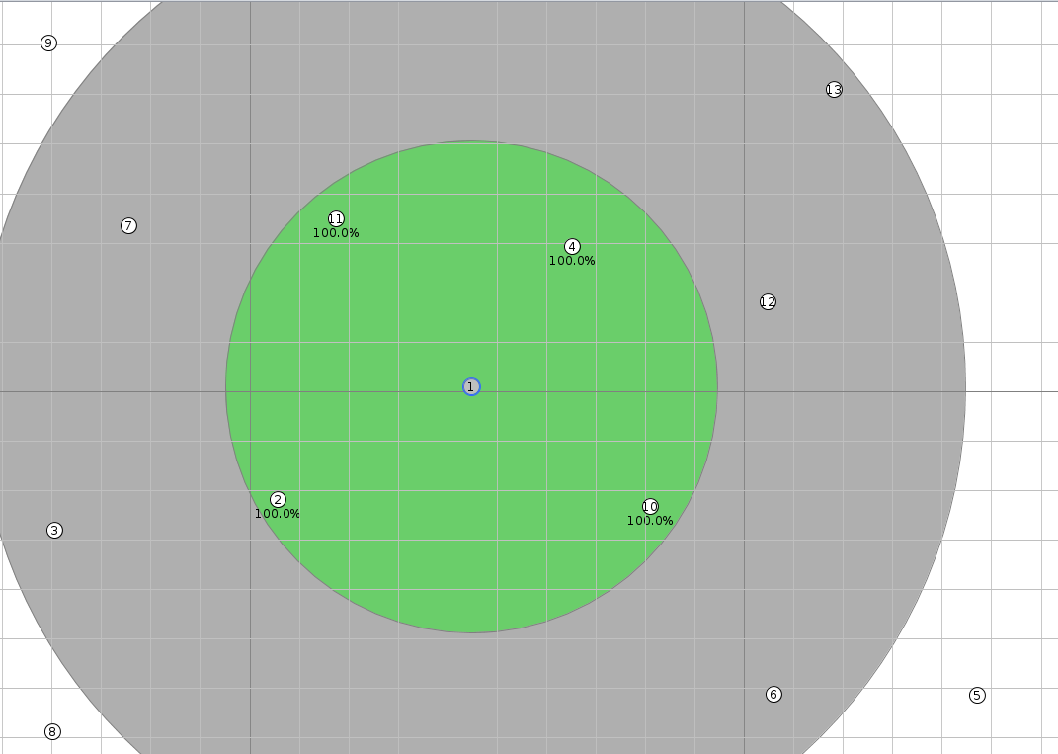
node id | time taken | no of hops | hop average time
0
1 | 0.63828571429 | 1 | 0.35431746032
2 | 0.97475 | 2 | 1.2240029762
3 | 0.24466666667 | 1 | 2.241875
4 | 1.503 | 3
5 | 1.2714285714 | 2
6 | 1.8303333333 | 2
7 | 2.2685 | 3
8 | 2.4243333333 | 3
9 | 3.427 | 1
10 | 0.18 | 1
11 | 0.8195 | 2
12 | 2.7716666667 | 3

distance calc
id | x | y | sqrt((x-x1)^2 + (y-y1)^2) | time taken
0
1 | 49.363 | 50.183
2 | 64.956 | 91.447 | 44.111895731 | 0.22075
3 | 42.8 | 85.672 | 36.090747983 | 0.258667
4 | 30.01 | 60.248 | 21.813822086 | 0.223714
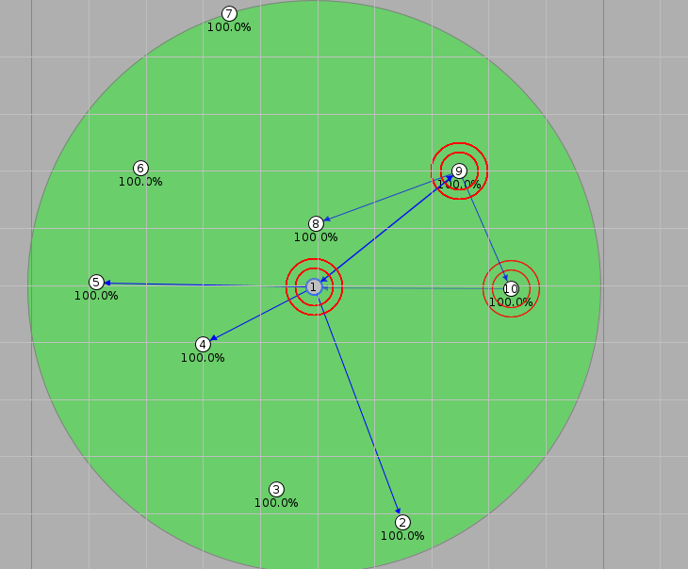
5 | 11.386 | 49.34 | 37.986355156 | 0.282667
6 | 19.12 | 29.521 | 36.62727526 | 0.359375
7 | 34.549 | 2.447 | 49.981799607 | 1.492286
8 | 49.775 | 39.244 | 10.946755912 | 0.1822
9 | 74.775 | 30.016 | 32.441911673 | 0.6348
10 | 83.829 | 50.495 | 34.467412145 | 0.35375

