3) Comparison & Conclusions
 | Message Broker | JMS | Score | AMQP | Score | Store backend | Score |  | Reliability & Clustering | Score | WSO2 integration | Score | Performance at glance | Score | Documentation | Score | Community behind | Score | Successfully cases/Where is used? | Score | Total
1 | RabbitMQ | * JMS 1.1 via plugin | 3 | * AMQP 0-8, 0-9, 0-9-1 and 1.0 via experimental plugin (http://tinyurl.com/n5dm2kh) | 1 | * Proprietary | 3 |  | * Client failover detection and automatic healing by connecting to a different brokers. * Easy clustering by replicating queues across different servers. * Error handling by default in clusters. * Mirrored queues, ffederated queues. | 5 | * Transport level (no mature) | 2 | * ~ 8 M/sec * Low performance when storing messages (1) | 3 | * On website and support in forums. | 4 | * Commercial support via Pivotal. * Open community via Mailing list. * Growing interest (3) | 4 | * MercadoLibre (World’s 8th Largest Retailer): http://tinyurl.com/qaunep6 * UIDAI, Government of India. * https://pulse.mozilla.org * AT&T. * OpenStack (backend of Nova) | 3 | 28
2 | Apache Qpid | * JMS 1.1 | 5 | * AMQP 1.0, 0-8, 0-9, 0-9-1 | 5 | * InMemory, Derby & Oracle BerkeleyDB (recommended in HA) | 4 |  | * Client failover detection and automatic healing by connecting to a different brokers. * Easy clustering by replicating queues across different servers. * Error handling by default in clusters * Easy persistence via a pluggable architecture to offer high-availability. * Mirrored queues, ffederated queues. | 5 | * Transport, MS&MP | 5 | * ~ 8 M/sec * Low performance when storing messages and excellent in memory (1) | 3 | * On website and support in forums. | 4 | * Apache Project. * Mailing lists & Stackoverflow | 4 | * Paypal: http://tinyurl.com/kq7egyz * Apache ActiveMQ * Apache Camel * Red Hat Enterprise MRGT * OpenStack (backend of Nova) * Hospitals & Patient Records applications | 3 | 38
3 | ZeroMQ | * Agnostic | 1 | * Agnostic | 1 | * N/A, everything is in memory but if you want it, It is necessary to be implemented | 1 |  | * Grid (distributed or any point of failure) * No central server is required | 5 | * N/A | 0 | * ~ 8 M msgs/sec, 30 usec latency (1) | 4 | * On website and unique Reference Guide | 3 | * Commercial support via iMatix. * Open support via Mailing list. | 4 | * AT&T, Cisco, EA, Los Alamos Labs, NASA, Weta Digital, Zynga, Spotify, Samsung Electronics, Microsoft, and CERN. * CERN (2011): http://tinyurl.com/qgjrajh | 4 | 23
4 | OpenAMQP | * JMS 1.1 via C++ libs | 2 | * AMQP 0-9, 0-9-1 | 3 | * N/A, everything is in memory | 1 |  | * Load balancing, failover and scalability through in-built clustering: Create high-availability server pairs, Connect servers and server pairs into federations, Fanout publish/subscribe load across many servers, Configurable client-server heartbeating. | 5 | * N/A | 0 |  | 4 |  |  | * Commercial support via iMatix. * Open support via Mailing list. | 3 | * JPMorgan Chase (2005 - iMatix, RedHat, Cisco, .. Created AMQP and 1st product: OpenAMQP. Then, were RabbitMQ & Apache Qpid) * JP Morgan Chase (2006, migration of Trading Platform): http://tinyurl.com/6flckx | 4 | 22
5 | JBoss HornetMQ | * JMS 1.1, 2.0 | 4 | * AMQP planed | 1 | * Custom journal for message persistence. * No dependency on slow, relational databases. * Journal automatically detects if running on Linux and uses Linux Asynchronous IO (AIO) via native code layer for astonishing performance. | 4 |  | * HornetQ servers that know how to load balance messages. Link geographically distributed clusters over unreliable connections to form a global network. * Routing of messages in a highly flexible way. | 5 | * TBC | 1 | * ~ 8.2 M msgs/sec, 30 usec latency (http://tinyurl.com/mf8ld9e) | 3 | * On website. * Books | 4 | * JBoss Project * Red Hat commercial support | 3 | * TBC | 2 | 27
6 | Apache ActiveMQ | * JMS 1.1 | 5 | * AMQP 1.0 | 5 | * KahanDB in older versions. * LevelDB Store for 5.8, 5.9 a current. Recommended for HA (in replicated mode) using also ZooKeeper. * JDBC with or not Journaling. | 4 |  | * Support differents HA scenarios | 5 | * Transport, MS&MP | 5 | * TBC (2) | 3 | * On website and support in forums. * Commercial support. * Books. | 4 | * Apache Project | 5 | * Has the largest number of installations (it is older) of all open source message broker with the largest distribution. | 4 | 40

 |  |  |  |  |  |  |  | (1) | Persistence of messages always downgrade the performance. But NOT if special DB or Filesystem is used.
 |  |  |  |  |  |  |  | (2) | The ActiveMQ broker has limitations in terms of scalability, robustness and reliability due to its architecture.
 |  |  |  |  |  |  |  |  | But only at extremely high load or at thousands of queues ActiveMQ should show its limits.
 |  |  |  |  |  |  |  |  | In practice, ActiveMQ often is more stable than its modern challenger because of its maturity.
 |  |  |  |  |  |  |  | (3) | Increasing interest in RabbitMQ and decreasing in ActiveMQ
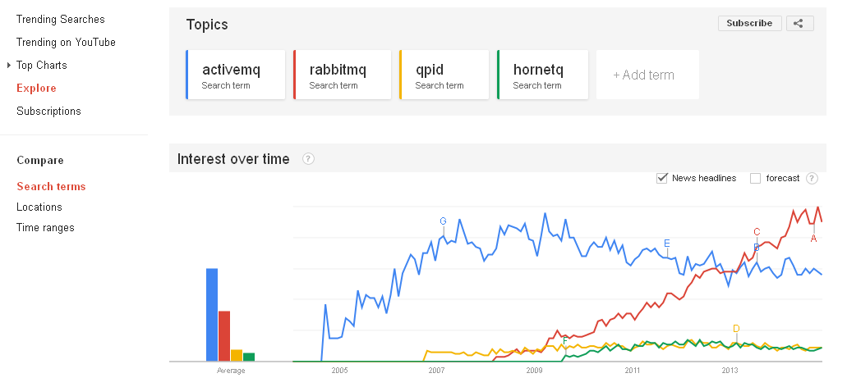

 |  |  |  |  |  |  |  |  | Google Trends: http://tinyurl.com/l5l7l7k

 |  |  |  |  |  |  |  |  | Message Broker | Total
 |  |  |  |  |  |  |  | 1 | RabbitMQ | 28
 |  |  |  |  |  |  |  | 2 | Apache Qpid | 38
 |  |  |  |  |  |  |  | 3 | ZeroMQ | 23
 |  |  |  |  |  |  |  | 4 | OpenAMQP | 22
 |  |  |  |  |  |  |  | 5 | JBoss HornetMQ | 27
 |  |  |  |  |  |  |  | 6 | Apache ActiveMQ | 40

Reference 1
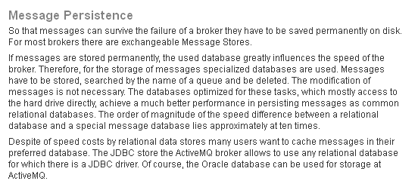
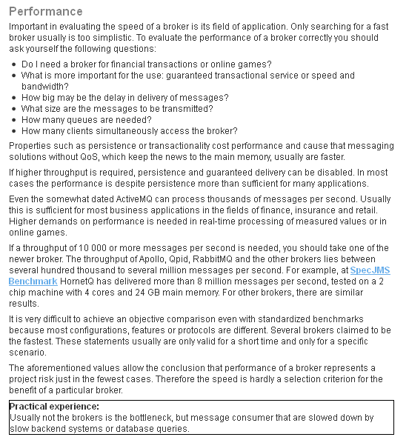
Broker wars: ActiveMQ, Qpid, HornetQ and RabbitMQ in Comparison
http://predic8.com/activemq-hornetq-rabbitmq-apollo-qpid-comparison.htm

Reference 2
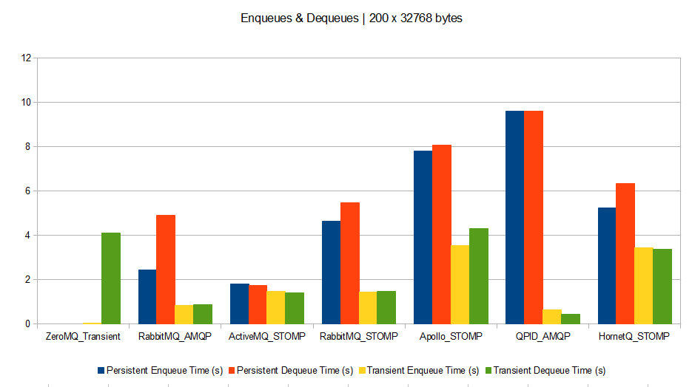
A quick message queue benchmark: ActiveMQ, RabbitMQ, HornetQ, QPID, Apollo…
http://blog.x-aeon.com/2013/04/10/a-quick-message-queue-benchmark-activemq-rabbitmq-hornetq-qpid-apollo

Scenario A: Enqueuing 20,000 messages of 1024 bytes each, then dequeuing them afterwards.
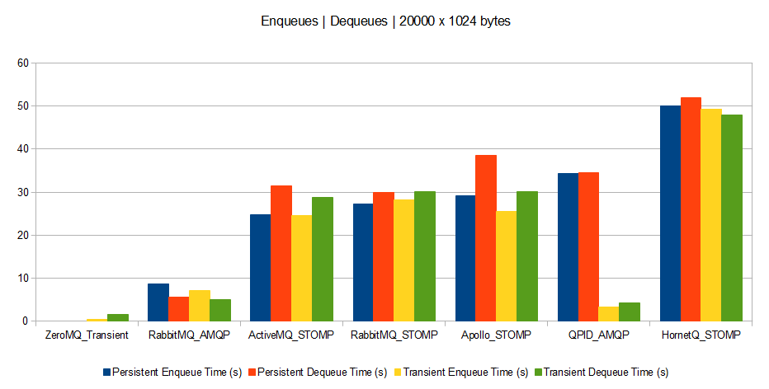
 | Model: Dell Studio 1749
 | CPU: Intel Core i3 @ 2.40 GHz
 | RAM: 4 Gb
 | OS: Windows 7 64 bits
 | Ruby 1.9.3p392
 | Java 1.7.0_17-b02
 | Ruby AMQP client gem: amqp 0.9.10
 | Ruby STOMP client gem: stomp 1.2.8
 | Ruby ZeroMQ gem: ffi-rzmq 1.0.0

Scenario B: Enqueuing and dequeuing simultaneously 20,000 messages of 1024 bytes each.
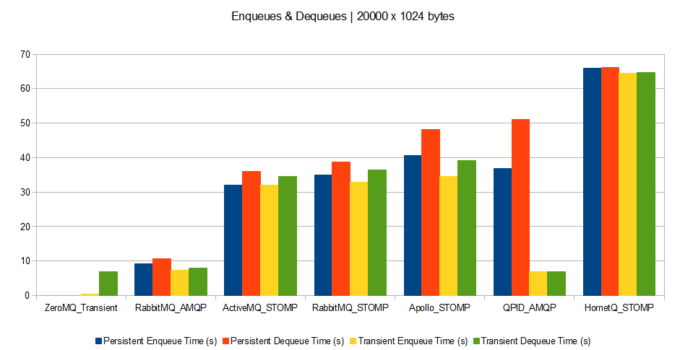

Scenario C: Enqueuing and dequeuing simultaneously 200,000 messages of 32 bytes each.
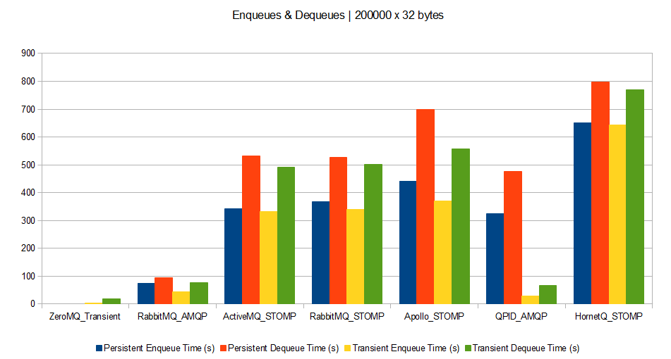

Scenario D: Enqueuing and dequeuing simultaneously 200 messages of 32768 bytes each.

Reference 3
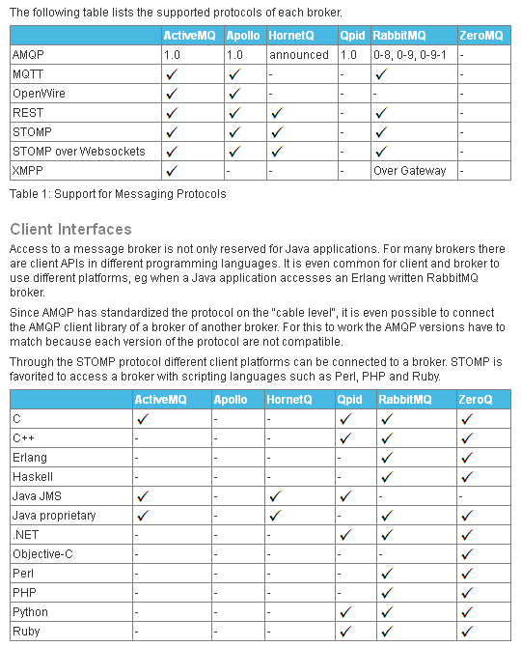
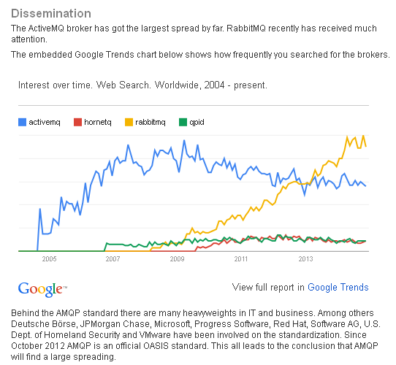
ActiveMQ, Qpid, HornetQ and RabbitMQ in Comparison
http://predic8.com/activemq-hornetq-rabbitmq-apollo-qpid-comparison.htm

Reference 4
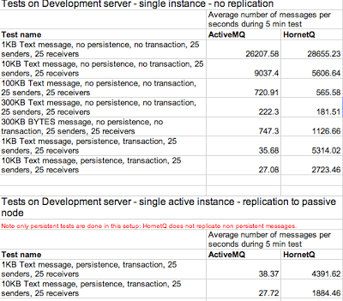
JMS speed test: ActiveMQ vs HornetQ
http://integr8consulting.blogspot.co.uk/2011/02/jms-speed-test-activemq-vs-hornetq.html

Reference 5
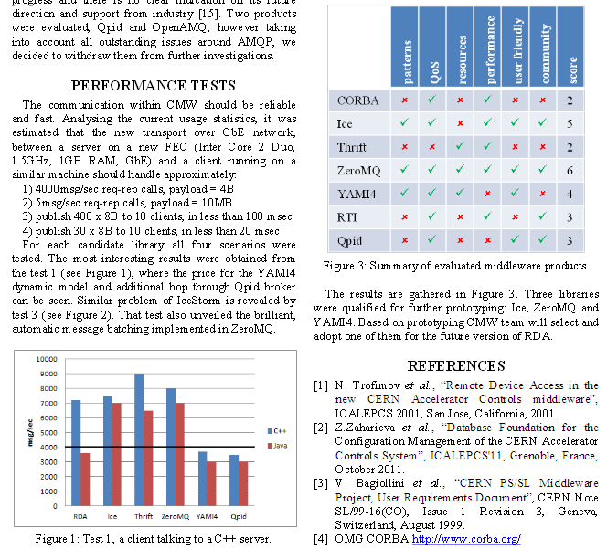
MIDDLEWARE TRENDS AND MARKET LEADERS 2011
http://zeromq.wdfiles.com/local--files/intro%3Aread-the-manual/Middleware%20Trends%20and%20Market%20Leaders%202011.pdf
https://www-acc.gsi.de/wiki/pub/Frontend/MeetingCMW130425/CHEP-2012-NewCERNcontrolsMiddleware.pdf

