Spike testing
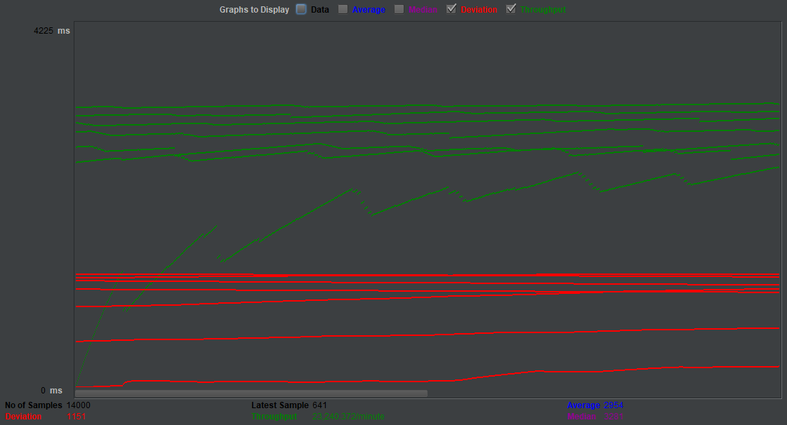
Label | #Samples | Average | Median | 90% line | 95% line | 99% line | Min | Max | Error%
HTTP Request - 14000 | 14000 | 2954 | 3281 | 4207 | 4306 | 4542 | 147 | 4697 | 0
HTTP Request - 6000 | 6000 | 334 | 337 | 458 | 477 | 543 | 55 | 694 | 0
HTTP Request - 4000 | 4000 | 233 | 237 | 323 | 342 | 398 | 17 | 421 | 0

Load testing
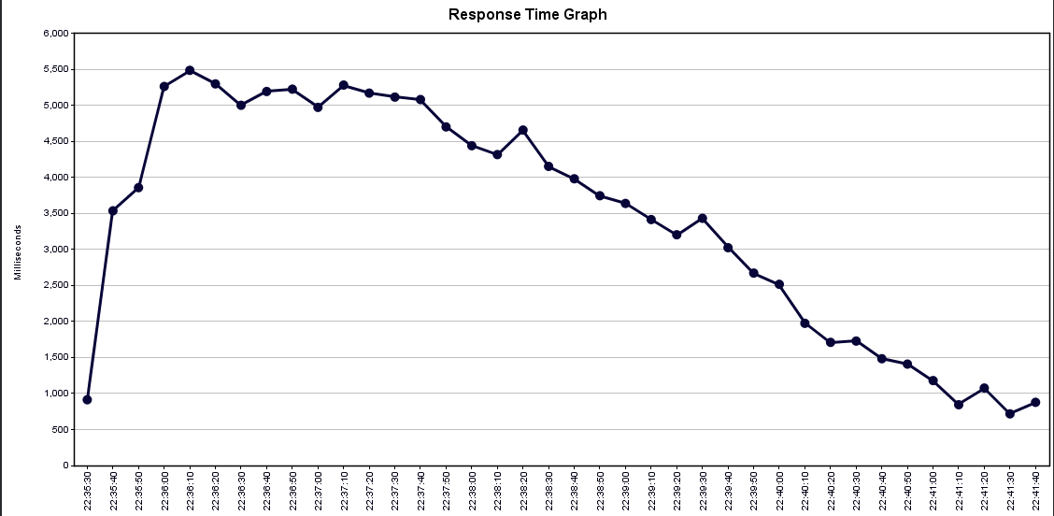
Label | #Samples | Average | Median | 90% line | 95% line | 99% line | Min | Max | Error% | Throughput
HTTP Request | 150456 | 3417 | 3623 | 5259 | 5457 | 5746 | 1 | 6357 | 0.0012761205934 | 396.76587396

Soak testing
Closing other processes and starrting the test
 |  |  |  |  |  |  |  |  |  |  | Starting time: 10/12/2018 22:50

 |  |  |  |  |  |  |  |  |  |  | Ending time: 11/12/2018 7:50

Label | #Samples | Average | Median | 90% line | 95% line | 99% line | Min | Max | Error% | Throughput
HTTP Request | 15817867 | 3312 | 3281 | 3626 | 3742 | 4224 | 9 | 5807 | 1.26E-04 | 514.94292755

