Sheet1
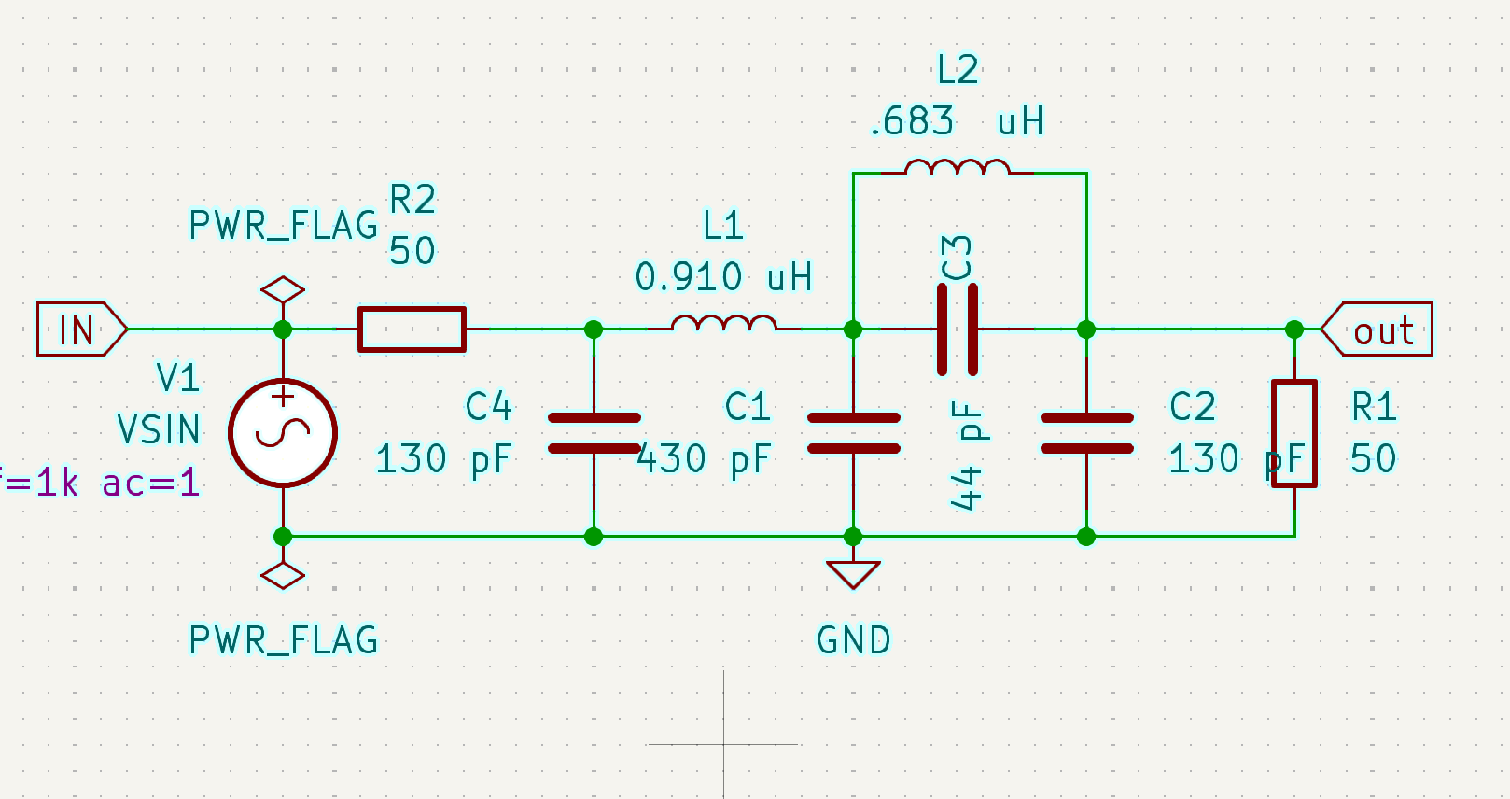
Add Harmonic Trap to Existing Butterworth Filter Design

ELEMENT | NO TRAP | TRAP | UNITS
FREQ | 14.5 | 29 | MHZ
C1 | 430 | 430 | PF
C2 | 130 | 130 | PF
C3 | N/A | 44.13078796 | PF
C4 | 130 | 130 | PF
L1 | 910 | 910 | NH
L2 | 910 | 682.5 | NH

