Sheet1
 |  |  | GTP -Sample Data Manager

SL.NO | Test case | Test case description | How to test | Expected Outcome
1 | UXD_SDEDITOR | Sample Data Viewer and Editor | In Norman Data Modler, select and entity. Goto Sample Tab. Click on 'Open Editor' | Should load sample data in tabular format, shown below:
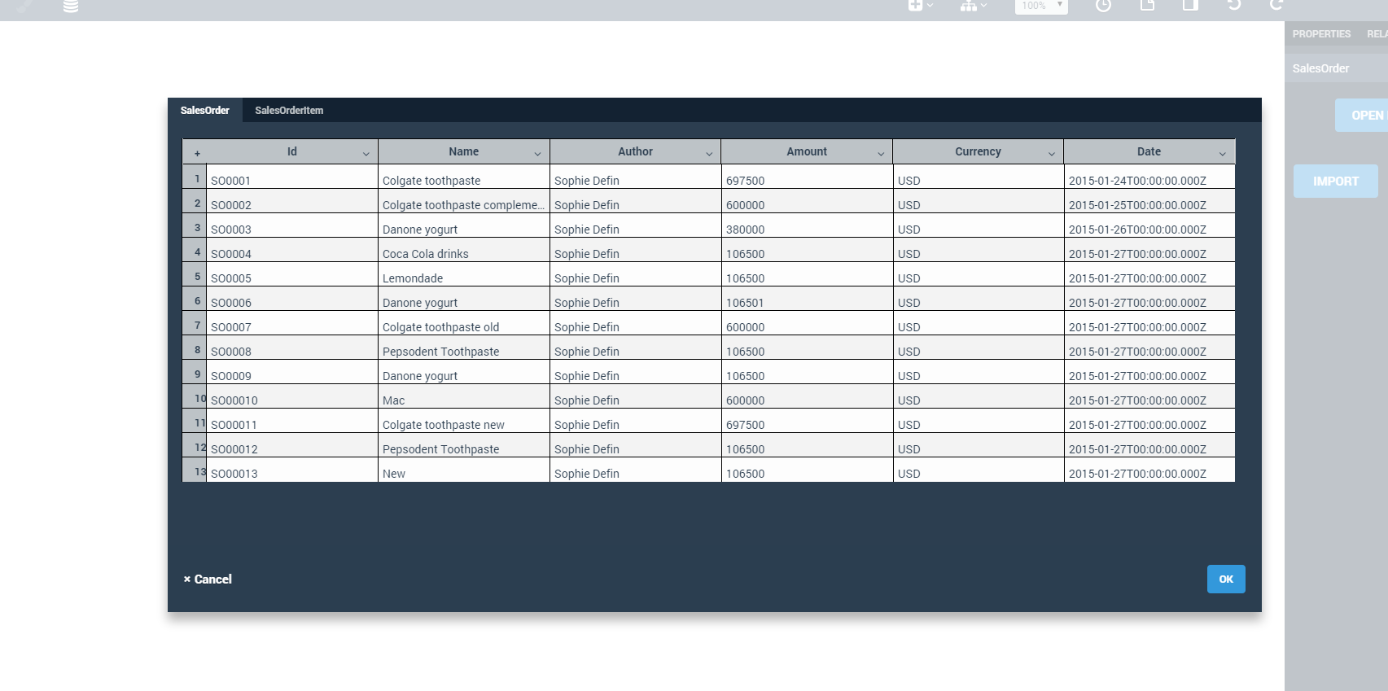

 |  |  | Switch To the child Tab | Foreign key should be having highlighted column header
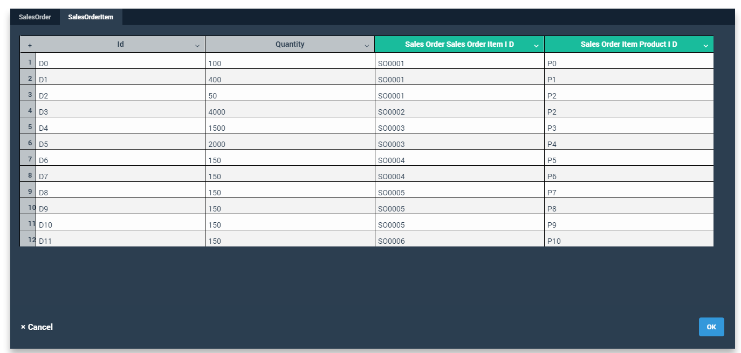

 |  |  | Filter: click on row header and start typing text. | Row data should be filtered as per the entered text
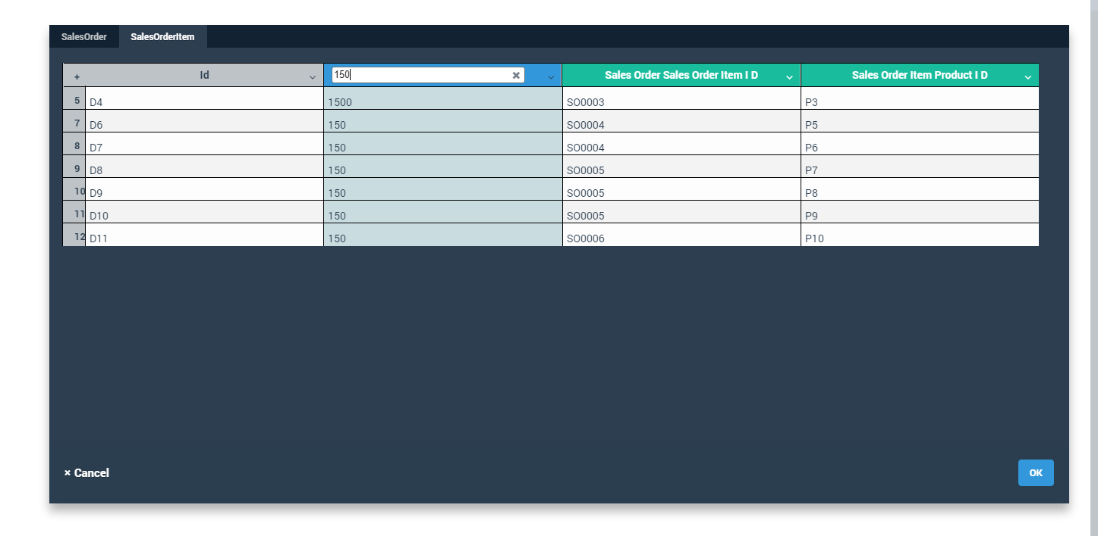

 |  |  | Sort: Click on down arrow on any column header > Select Sort Ascending or Sort Descending | Row data should be sorted
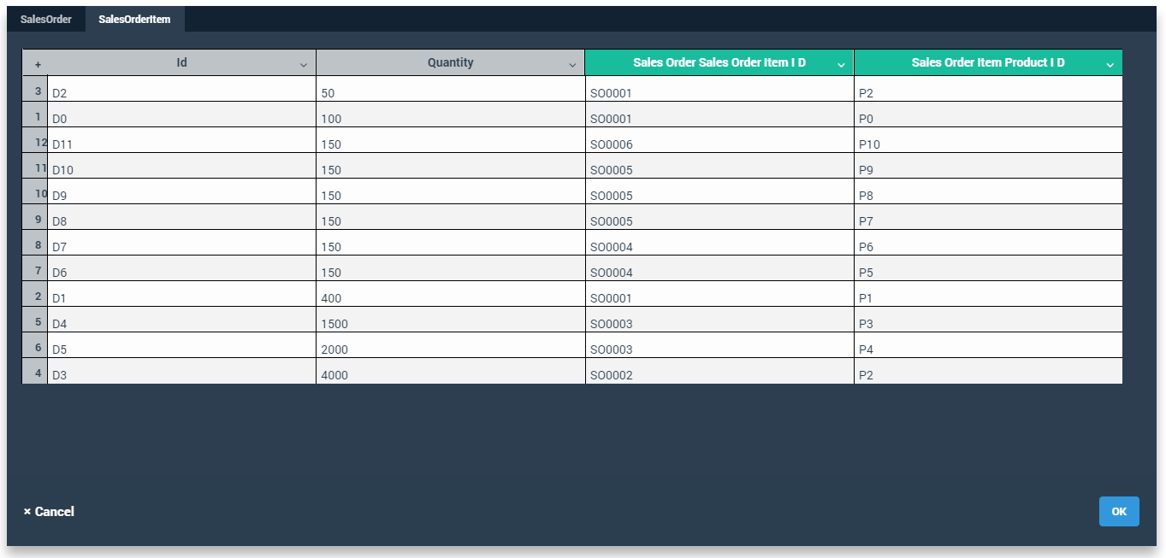

 |  |  | Row Operations
 |  |  | 1. Add row | Adds rows immediately after the selected row
 |  |  | 2. Duplicate | Copies the rows and pastes at the bottom
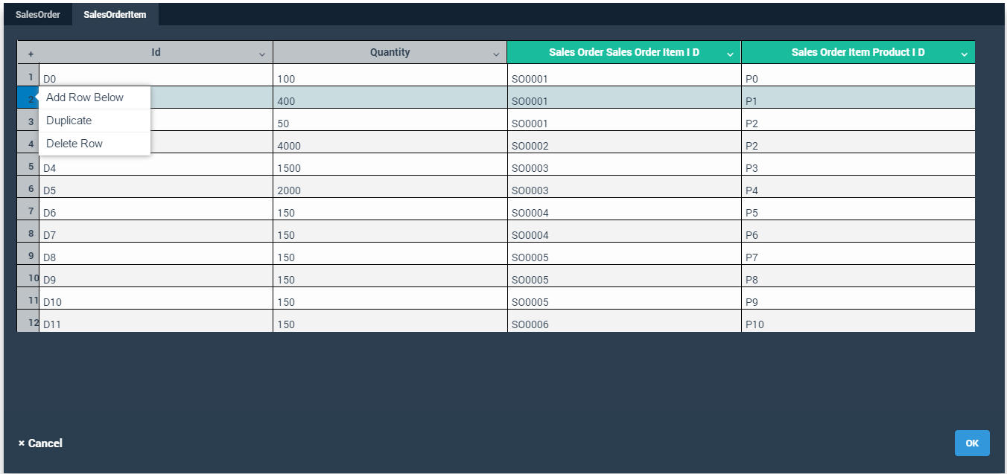
 |  |  | 3. Delete Rows | Removes the selected rows

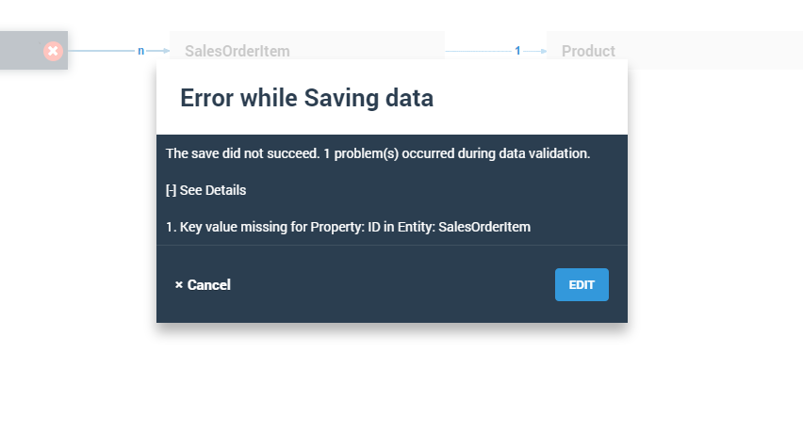
 |  |  | Ok: Save the data with error | Error Message as follows
 |  |  | Create an empty row and click on OK

 |  |  | Click o Edit to Go back to same edit screen or cancel to discard changes

