Sheet1
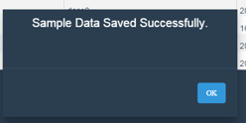
 |  |  | GTP -Sample Data Manager

SL.NO | Test case | Test case description | How to test | Expected Outcome
1 | UXD_SDEDITOR | Sample Data Viewer and Editor | 1. In Norman Data Modler, select and entity. Goto Sample Tab. Click on 'View' | Should load sample data in tabular format, shown below:

 |  |  | 2. Click on muliple Lines | Selected lines should be highlighted

 |  |  | 3. Click on delete | Should remove the selected lines
 |  |  | 4. Click on Add New Line | Should introduce an empty line at the bottom of the grid
 |  |  | 5. Make changes to any cell with relevant data and click on 'Save' | Success message is displayed.

