Sheet1
No | Issue | Uu tien | Status | In-Charge | Deadline
1 | Popup: co scrollbar nhung keo het xuong van ko thay button OK, cancel dau | 7
2 | Tren grid nen them 2 column: edit/update va remote Co nhieu column co the edit duoc, ko rieng gi column quantity thoi. Khi ko cho edit, thi cung ko cho chon warehouse va taxcode luon. Vi taxcode co anh huong den gia tri total |  |  | Xem 18 |  | http://www.codeproject.com/Articles/44070/Insert-a-new-record-using-ListView-with-a-GridView
3 | Popup Item: chon item roi, nhung len grid ko dung item do. |  | DONE | A.THUY
4 | Goi anh huong dan cach generate lai code cho webservice, co gi update gi anh se tu lam. | 2
5 | Khi hide cai mainmenu, bi loi.
6 | Them page user management |  |  | Xem 17
7 | Them change password. |  |  | Xem 17
8 | Them 2 button: Copy From va Copy To. |  |  |  |  | WS: GetDefault, Func: GetCopyFromTo
9 | Them toolbar navigor, goi webservice de bind du lieu vao | 3 |  |  |  | WS: Transaction, Func: GetMarketingDocument
10 | Tren cai listview (item), cho scrollbar vi co nhieu column nua |  | DONE | A.THUY
11 | New row tren listview |  |  | Xem 18 |  | http://www.codeproject.com/Articles/44070/Insert-a-new-record-using-ListView-with-a-GridView
12 | Sub Menu | 4
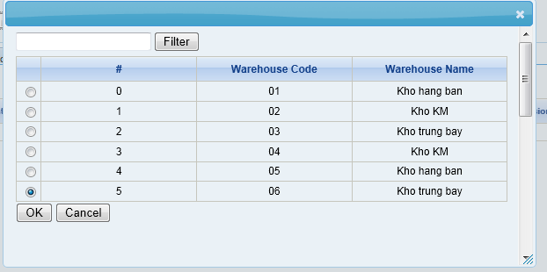
13 | Them function clear, sau khi add ok thi clear cai grid |  |  | Xem 14
14 | Tren Purchase Order, khi add, ws return dataset gom co code va message, show cai message tren statusbard Neu code=0: add ok, clear grid | 8 |  |  |  | Updated WS
15 | Insert Code of Owner thay vì Insert Name ở page Purchase | 5
16 | Fix popup scroll. Can move scroll into listview and show only 5 lines???? | 6
17 | Build User management page (read xls)
18 | Khi bam add row, ko chon duoc item, Edit thi lai chon duoc.+ Cho edit them cot UnitPrice | 1

