Other Specifications
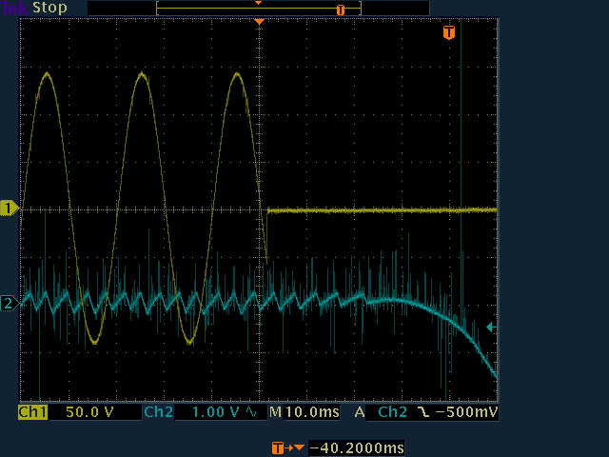
Other Specifications

Dimming Input Resistance

Measured Value: | 20.00 | kOhms

Minimum Value: | 10.00 | kOhms

Pass/Fail: | Pass

Holdup Time

Oscilloscope Horizontal: | 10 | ms/div

AC Off Time: | 5.2 | Number of divisions from left edge of screen when the AC input voltage became zero

DC Output FaultTime | 9.2 | Number of divisions from the left edge of the screen when DC output has noticeably decreased in value

Calculated Hold Up Time | 40.0 | ms

Pass/Fail: | Pass

Paste oscillogram from which the measurements were taken below:

