ProjectDetails
Project Name: | Ambyint.ToDoApplication
References: | Project Plan
Introduction: | To perform comprehensive quality assurance on a simple To-Do application, designated as the Application Under Test (AUT), utilizing any testing tools like Selenium or Cypress
Test Items: | Test application on windows and macOS environment.
Features to be tested ( Scope In ): | Add, Edit, Mark and Delete
Feature not to be tested ( Scope Out ) : | NA
Approach : | Agile methodology.
Pass/Fail criteria : | Pass percentage should be approx. 95% without any critical bug.
Suspension Criteria : | In case of non functionality of any major functionality, we will stop testing.
Test Deliverables : | Test Cases, Test summary report
Environment : | List of hardware and software required to test: | Browser /OS | Win 10 | Mac OS X
 |  | Chrome 113 | Pass | Pass
 |  | Safari 16.3 | Pass | Pass
Business Priority : | Priority describes the importance and order in which a bug should be fixed. The available priorities are:
 | 4 - Low
 | 3 - Medium
 | 2 - High
 | 1 - Critical
Severity : | Severity describes the impact of bugs. Defects will be classified as such by the Project Manager:
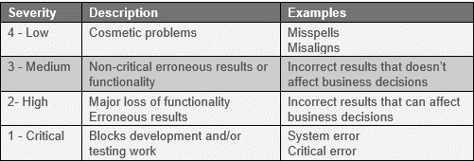

Test Scenarios, Test cases : | Please follow next excel sheet 2 named TestData

