Sheet1
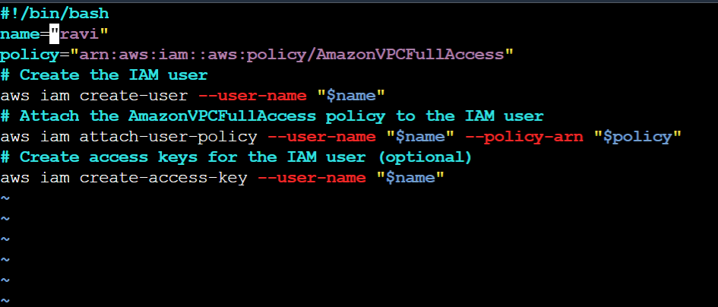
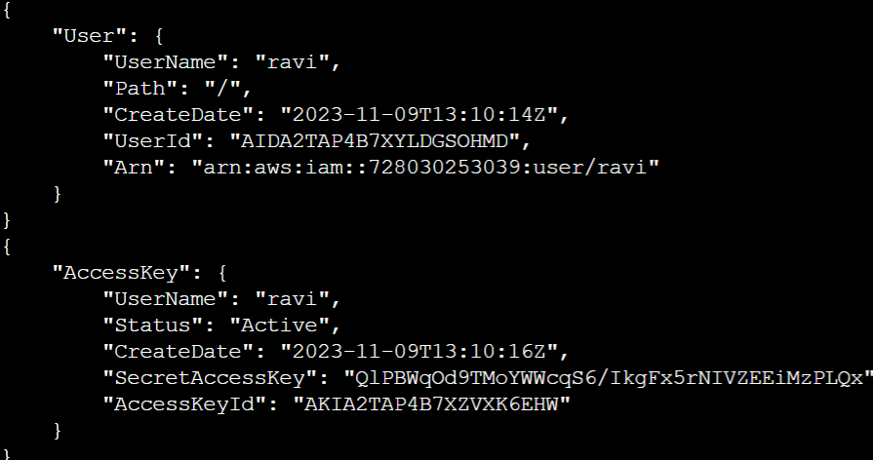
 |  | Create one IAM user and assign ec2,s3 full access role

Create one Group in IAM and Assign Read access for ec2.

 |  | Create a new user with name Devops and add to the group created in task2.

 |  | Create a IAM policy to access ec2 for a specific user in specific regions only.

 | Write a bash script to create a IAM user with VPC full access.

