Sheet
 |  |  |  | DADB
 |  |  |  | Attendance Summary From 04/01/2017 To 04/30/2017 of OrganizationOrganization
 | Run by: | System Admin |  |  |  | Date:

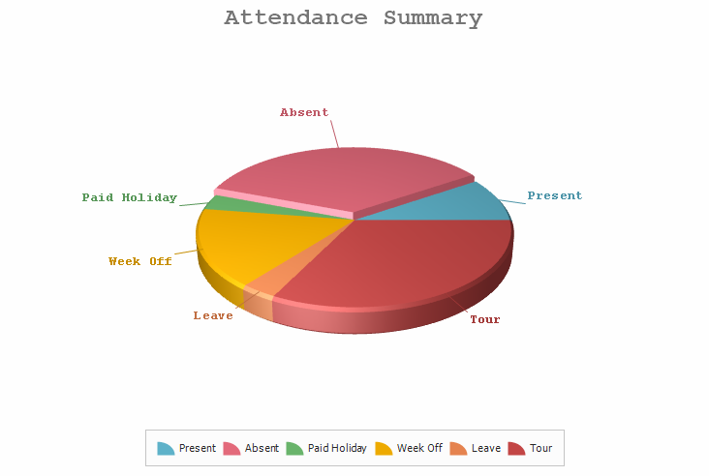

 |  |  |  |  | Total | Percent
 |  |  | Man Days |  | 2787

 |  |  | Present (PR) |  | 254.0 | 9.11

 |  |  | Absent (AB) |  | 972.5 | 34.89

 |  |  | Paid Holiday (PH) |  | 90.0 | 3.23

 |  |  | Week Off (WO) |  | 453.0 | 16.25

 |  |  | Leave (LV) |  | 91.0 | 3.27

 |  |  | Tour (TR) |  | 901.5 | 32.35

