Sheet
 |  | DADB
 |  | Organization-Wise Absent Graph From 04/01/2017 To 04/30/2017
Run by: | System Admin |  |  |  | Date:
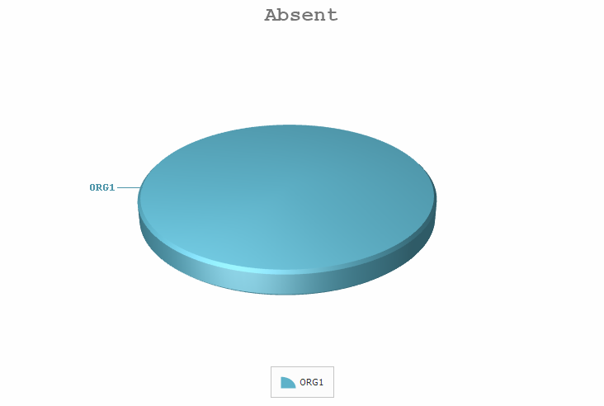

 |  | Organization | Absent | Absent(%)
 |  | ORG1 | 972.5 | 100.00
 |  | Total Absent: | 972.5

