Sheet
 |  | DADB
 |  | User Irregularity Graph From 04/01/2017 To 04/30/2017
Run by: | System Admin |  |  | Date:

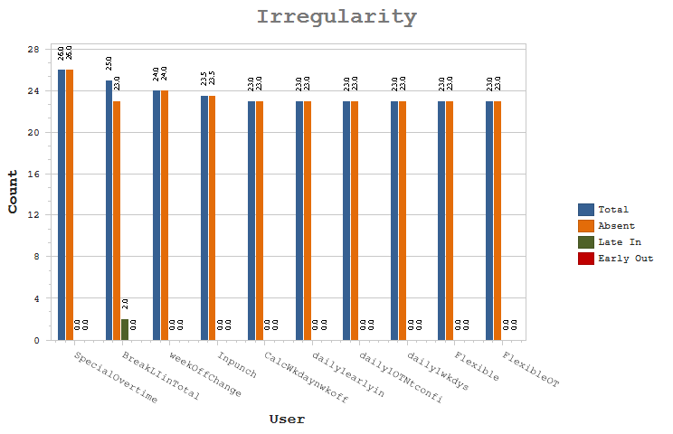

 | User |  | Absent Count |  | Late Count | Early Count

 | SpecialOvertime - Special Overtime |  | 26 |  | 0 | 0

 | BreakLIinTotal - Break latein in total latein |  | 23 |  | 2 | 0

 | weekOffChange - weekOff |  | 24 |  | 0 | 0

 | Inpunch - User with In pucnh only |  | 23.5 |  | 0 | 0

 | CalcWkdaynwkoff - Cal of OT on Wkday and WeekOff as per chkbox |  | 23 |  | 0 | 0

 | daily1earlyin - Cal onWOPH as per weekday |  | 23 |  | 0 | 0

 | daily1OTNtconfi - Daily1 OT Not configured for Wkdays n weekend |  | 23 |  | 0 | 0

 | daily1wkdys - daily1 wkdys and weekends not assigned |  | 23 |  | 0 | 0

 | Flexible - flexibleuser |  | 23 |  | 0 | 0

 | FlexibleOT - OT for flexible user |  | 23 |  | 0 | 0

 | Jpcdevicebased - JPC user with device based |  | 23 |  | 0 | 0

 | NpunchFlexible - Npunch user with type as flexible |  | 23 |  | 0 | 0

 | OTcalWkdyntchk - Cal on weekday bt wkday is nt checked for OT |  | 23 |  | 0 | 0

 | 4PBreakEOex - 4P Break for earlyout exceeds |  | 22.5 |  | 0 | 0

 | 4PBreakLIex - 4P user exceeds break latein |  | 22.5 |  | 0 | 0

 | Jpcdefaultenter - Job coseting user with default job of enterpr |  | 22.5 |  | 0 | 0

 | JPCdefaultjob - JPC default job |  | 22.5 |  | 0 | 0

 | JPCsitedefaultj - JPC user with sitewise default job |  | 22.5 |  | 0 | 0

 | 4PbreakEO - 4 Punch user with break earlyout |  | 22 |  | 0 | 0

 | 4PbreakEOgrace - 4P user with break earlyout grace |  | 22 |  | 0 | 0

 | Awardandpenalty - award n penalty |  | 22 |  | 0 | 0

 | FlexibleNone - FlexibleNone |  | 22 |  | 0 | 0

 | JPC - JPC user |  | 22 |  | 0 | 0

 | JPCSplitHO - JPC split timesheet normal shift |  | 22 |  | 0 | 0

 | JPCmergejob - JPC merged Job |  | 21.5 |  | 0 | 0

 | RestrictedDail1 - Restricted OT cal for Daily1 |  | 21 |  | 0 | 0

 | FlexibleMonthly - FlexibleMonthly |  | 20 |  | 0 | 0

 | 4pgracebreaklat - 4 punch user with grace for shift and breakla |  | 18 |  | 0 | 0

 | 2breaklatein - 2punch user with break latein |  | 17 |  | 0 | 0

 | 4Pbreakingrace - 4 punch user with break hours within grace |  | 17 |  | 0 | 0

 | 4Pbreaklatein - 4p user with break latein |  | 17 |  | 0 | 0

 | COFF - COFF |  | 17 |  | 0 | 0

 | daily1weekends - daily1 weekends config in OT |  | 17 |  | 0 | 0

 | Earlyoutgrace - Earlyout user with punches on grace time |  | 17 |  | 0 | 0

 | Eligiblehours - Eligible work hours |  | 17 |  | 0 | 0

 | FB - OT for FB |  | 17 |  | 0 | 0

 | Fulldayleave - User with full day leave |  | 17 |  | 0 | 0

 | Lateingrace - User have pucnges on grace latein |  | 17 |  | 0 | 0

 | manualOT - User with Manual Overtime |  | 17 |  | 0 | 0

 | NetworkHrs - Networkhours bt no OT Component |  | 17 |  | 0 | 0

 | NightShift - NightShift |  | 17 |  | 0 | 0

 | Normal - normal user |  | 17 |  | 0 | 0

 | NpunchNightshif - N punch user with night shift |  | 17 |  | 0 | 0

 | OTCOFFBoth - Auto authorize OT COFF |  | 17 |  | 0 | 0

 | SpecialOTearlyi - Special OT with earlyin defined component |  | 17 |  | 0 | 0

 | SpecialOTwOearl - SpecialOTWithoutearlyIn |  | 17 |  | 0 | 0

 | 4pgracebreakear - 4 punch user with break early out and grace |  | 16.5 |  | 0 | 0

 | 2punchnoearly - 2punch with no earlyout duration |  | 12 |  | 1 | 0

 | nPunchlatein - npunch user with 30min latein |  | 2 |  | 1 | 0

 | auto - auto |  | 2.5 |  | 0 | 0

 | 2punchearlyout - 2punchuserwith earlyout policy |  | 0 |  | 1 | 1

 | 2punchuser - 2punch user with latein |  | 0 |  | 1 | 1

 | 4ptotallatein - 4punch user for adding break latein in total |  | 0 |  | 2 | 0

 | Autoshift - Auto shift user with shift schedule not proce |  | 2 |  | 0 | 0

 | BreakLIexceeds - Exceeds break and total latein |  | 0 |  | 2 | 0

 | npunchwithearly - npunch user with earlyout policy |  | 0 |  | 1 | 1

 | 4breaklatein - 4 punch user with break latein AND earlyout |  | 0.5 |  | 1 | 0

 | 2pGraceinWH - 2Punch user includes grace time in work hours |  | 0 |  | 1 | 0

 | 2pgracelatein - 2punch user with grace and late in policy |  | 0 |  | 1 | 0

 | 2pgraceshiftEO - 2punch user for EO Shift grace and EO duratio |  | 0 |  | 0 | 1

 | earlyout - user punches on early out duration of 30mins |  | 0 |  | 0 | 1

 | Latein - user punches on latein only |  | 0 |  | 1 | 0

 | mitali - mitali |  | 0 |  | 0 | 1

 | mitali1 - mitali1 |  | 0 |  | 0 | 1

 | npgraceEO - Npunch user with grace in EO and EO duration |  | 0 |  | 0 | 1

 | npunchnoearly - npunch user with no earlyout policy |  | 0 |  | 1 | 0

 | NpWithexitenabl - Npunchuser exit enabled bt punches frm entry |  | 1 |  | 0 | 0

 | OTonWeekdays - Overtime consider weekdays for WOPH |  | 1 |  | 0 | 0

 | 2pwithexitreade - Exit reader enabled but punches from entry |  | 0.5 |  | 0 | 0

