Sheet
 | DADB
 | Month-Wise Overtime From FEBRUARY-2022 To JANUARY-2023
Run by: | System Admin |  |  | Date:

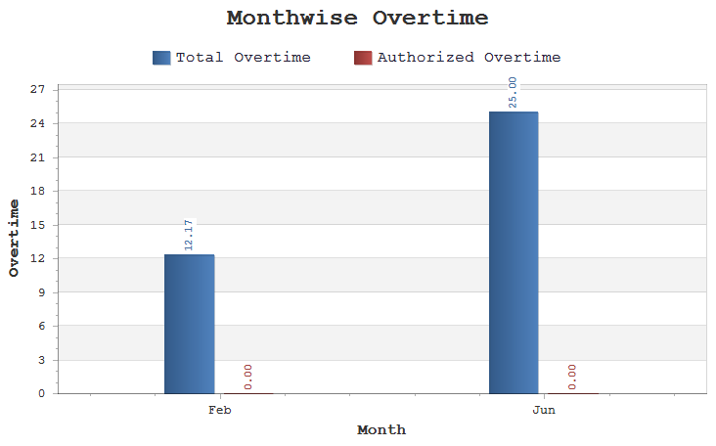

 | Month | Tot OT | Auth OT | OT (%)

 | Feb | 12:17 | 00:00 | 0.00
 | Jun | 25:00 | 00:00 | 0.00

