Sheet
 |  | DADB
 |  | Organization-Wise Absent Graph From 2017/04/01 To 2017/04/30
Run by: | System Admin |  |  |  | Date:
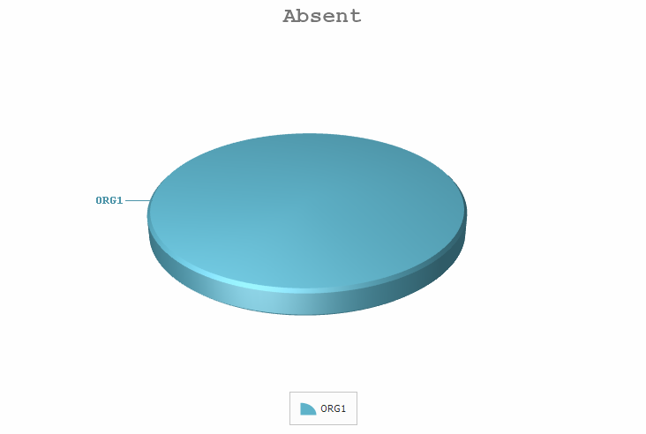

 |  | Organization | Absent | Absent(%)
 |  | ORG1 | 972.5 | 100.00
 |  | Total Absent: | 972.5

