Sheet
 |  | DADB
 |  | User Early Out Graph From 2017/04/01 To 2017/04/30
Run by: | System Admin |  | Date:

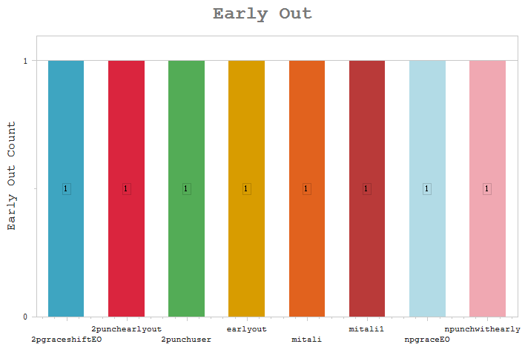
User

 |  | User |  | Early Out Count

 |  | 2pgraceshiftEO - 2punch user for EO Shift grace and EO duratio |  | 1

 |  | 2punchearlyout - 2punchuserwith earlyout policy |  | 1

 |  | 2punchuser - 2punch user with latein |  | 1
 |  | earlyout - user punches on early out duration of 30mins |  | 1

 |  | mitali - mitali |  | 1
 |  | mitali1 - mitali1 |  | 1
 |  | npgraceEO - Npunch user with grace in EO and EO duration |  | 1

 |  | npunchwithearly - npunch user with earlyout policy |  | 1

