Sheet
 |  | DADB
 |  | User Late In Graph From 2017/04/01 To 2017/04/30
Run by: | System Admin |  | Date:

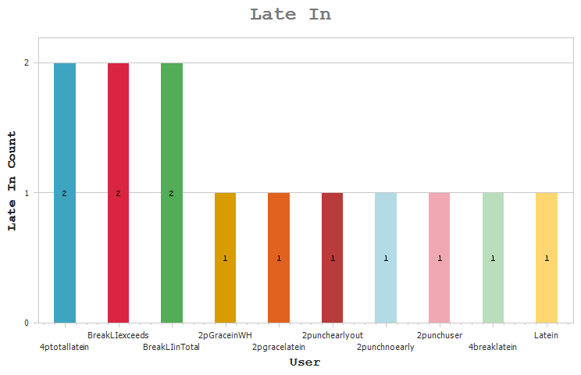

 |  | User |  | Late In Count

 |  | 4ptotallatein - 4punch user for adding break latein in total |  | 2

 |  | BreakLIexceeds - Exceeds break and total latein |  | 2
 |  | BreakLIinTotal - Break latein in total latein |  | 2
 |  | 2pGraceinWH - 2Punch user includes grace time in work hours |  | 1
 |  | 2pgracelatein - 2punch user with grace and late in policy |  | 1
 |  | 2punchearlyout - 2punchuserwith earlyout policy |  | 1
 |  | 2punchnoearly - 2punch with no earlyout duration |  | 1
 |  | 2punchuser - 2punch user with latein |  | 1
 |  | 4breaklatein - 4 punch user with break latein AND earlyout |  | 1
 |  | Latein - user punches on latein only |  | 1
 |  | nPunchlatein - npunch user with 30min latein |  | 1
 |  | npunchnoearly - npunch user with no earlyout policy |  | 1
 |  | npunchwithearly - npunch user with earlyout policy |  | 1

