Sheet
 |  | DADB
 |  | Organization-Wise Overtime Graph From 2017/04/01 To 2017/04/30
Run by: | System Admin |  |  |  |  | Date:

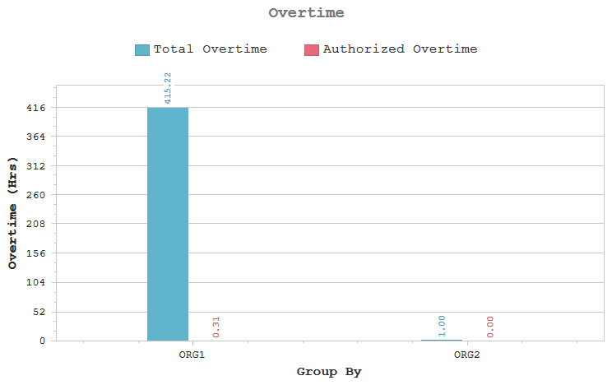

 |  | Organization | Man Days | Tot OT | Auth OT | OT (%)

 |  | ORG1 | 205 | 415:22 | 00:31 | 0.12
 |  | ORG2 | 1 | 01:00 | 00:00 | 0.00

