Sheet
 | DADB
 | Organization-Wise Time Loss From 2017/04/01 To 2017/04/10
Run by: | System Admin | Date:

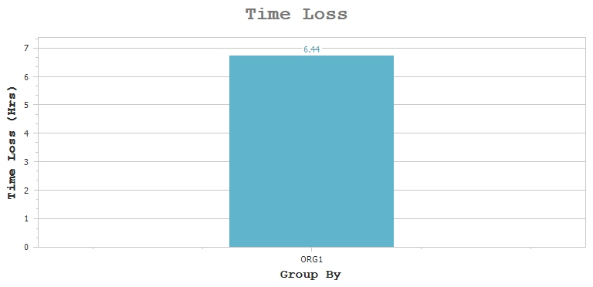

Organization | Name | Man Days | Req Hrs | Loss Hrs

ORG1 | DADB | 21 | 168:00 | 06:44

