Sheet
 |  | DADB
 |  | User Absent Graph From 2017/04/01 To 2017/04/30
Run by: | System Admin |  | Date:

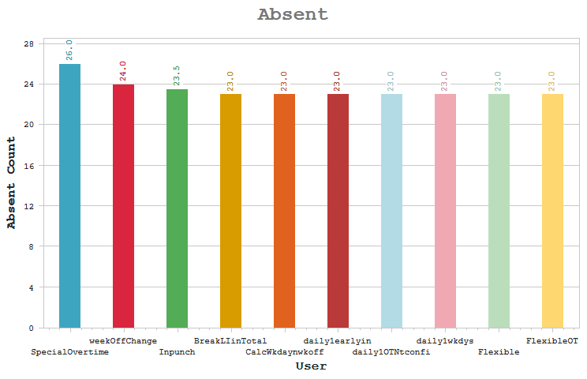

 |  | User |  | Absent Count

 |  | SpecialOvertime - Special Overtime |  | 26
 |  | weekOffChange - weekOff |  | 24
 |  | Inpunch - User with In pucnh only |  | 23.5
 |  | BreakLIinTotal - Break latein in total latein |  | 23
 |  | CalcWkdaynwkoff - Cal of OT on Wkday and WeekOff as per chkbox |  | 23

 |  | daily1earlyin - Cal onWOPH as per weekday |  | 23
 |  | daily1OTNtconfi - Daily1 OT Not configured for Wkdays n weekend |  | 23

 |  | daily1wkdys - daily1 wkdys and weekends not assigned |  | 23
 |  | Flexible - flexibleuser |  | 23
 |  | FlexibleOT - OT for flexible user |  | 23
 |  | Jpcdevicebased - JPC user with device based |  | 23
 |  | NpunchFlexible - Npunch user with type as flexible |  | 23
 |  | OTcalWkdyntchk - Cal on weekday bt wkday is nt checked for OT |  | 23

 |  | 4PBreakEOex - 4P Break for earlyout exceeds |  | 22.5
 |  | 4PBreakLIex - 4P user exceeds break latein |  | 22.5
 |  | Jpcdefaultenter - Job coseting user with default job of enterpr |  | 22.5

 |  | JPCdefaultjob - JPC default job |  | 22.5
 |  | JPCsitedefaultj - JPC user with sitewise default job |  | 22.5
 |  | 4PbreakEO - 4 Punch user with break earlyout |  | 22
 |  | 4PbreakEOgrace - 4P user with break earlyout grace |  | 22
 |  | Awardandpenalty - award n penalty |  | 22
 |  | FlexibleNone - FlexibleNone |  | 22
 |  | JPC - JPC user |  | 22
 |  | JPCSplitHO - JPC split timesheet normal shift |  | 22
 |  | JPCmergejob - JPC merged Job |  | 21.5
 |  | RestrictedDail1 - Restricted OT cal for Daily1 |  | 21
 |  | FlexibleMonthly - FlexibleMonthly |  | 20
 |  | 4pgracebreaklat - 4 punch user with grace for shift and breakla |  | 18

 |  | 2breaklatein - 2punch user with break latein |  | 17
 |  | 4Pbreakingrace - 4 punch user with break hours within grace |  | 17
 |  | 4Pbreaklatein - 4p user with break latein |  | 17
 |  | COFF - COFF |  | 17
 |  | daily1weekends - daily1 weekends config in OT |  | 17
 |  | Earlyoutgrace - Earlyout user with punches on grace time |  | 17
 |  | Eligiblehours - Eligible work hours |  | 17
 |  | FB - OT for FB |  | 17
 |  | Fulldayleave - User with full day leave |  | 17
 |  | Lateingrace - User have pucnges on grace latein |  | 17
 |  | manualOT - User with Manual Overtime |  | 17
 |  | NetworkHrs - Networkhours bt no OT Component |  | 17
 |  | NightShift - NightShift |  | 17
 |  | Normal - normal user |  | 17
 |  | NpunchNightshif - N punch user with night shift |  | 17
 |  | OTCOFFBoth - Auto authorize OT COFF |  | 17
 |  | SpecialOTearlyi - Special OT with earlyin defined component |  | 17
 |  | SpecialOTwOearl - SpecialOTWithoutearlyIn |  | 17
 |  | 4pgracebreakear - 4 punch user with break early out and grace |  | 16.5

 |  | 2punchnoearly - 2punch with no earlyout duration |  | 12
 |  | auto - auto |  | 2.5
 |  | Autoshift - Auto shift user with shift schedule not proce |  | 2
 |  | nPunchlatein - npunch user with 30min latein |  | 2
 |  | NpWithexitenabl - Npunchuser exit enabled bt punches frm entry |  | 1

 |  | OTonWeekdays - Overtime consider weekdays for WOPH |  | 1
 |  | 2pwithexitreade - Exit reader enabled but punches from entry |  | 0.5

 |  | 4breaklatein - 4 punch user with break latein AND earlyout |  | 0.5

