register Tile
 |  |  |  |  |  |  |  |  |  |  |  |  |  |  |  |  |  |  |  |  |  |  |  |  |  |  |  |  |  | +

 |  |  |  |  |  |  |  |  |  |  |  |  |  |  | 2 | 3 |  |  | 4
 |  |  |  |  |  |  |  |  |  |  |  |  |  |  |  |  |  |  |  |  |  |  |  |  |  |  | 1

 |  |  |  | = |  | MAX

 |  |  |  |  |  |  |  |  |  |  |  |  |  | , |  |  |  |  |  |  | + |  |  |  |  |  | 2

 |  |  |  |  |  |  |  |  |  |  |  |  |  |  |  |  |  |  |  |  |  |  |  |  |  |  | 3

C: FTable(i1, j1) |  |  |  |  |  |  |  |  | C: FTable(i1, j1) |  |  |  |  |  |  |  |  |  |  |  |  | B: FTable(k1+ 1, j1)

 |  |  |  |  |  |  |  |  |  |  |  |  |  |  |  |  |  |  |  |  |  |  |  |  |  |  | 4

 | C |  |  | C |  |  |  |  | A |  |  | B

 |  | = | MAX |  |  |  | , |  |  | 1 | + |  | 1

 |  | = | MAX |  |  |  | , |  |  | 2 | + |  | 2

 |  | = | MAX |  |  |  | , |  |  | 3 | + |  | 3

 |  | = | MAX |  |  |  | , |  |  | 4 | + |  | 4

 |  |  |  |  |  |  |  |  |  |  |  |  |  |  |  |  |  |  |  |  |  |  |  | = |  | MAX

reg-tile-A
 |  |  |  |  |  |  |  | reg-tile-B
 |  |  |  | Cij |  |  |  |  |  |  |  |  |  |  |  |  | Aik |  |  |  |  |  |  |  |  |  |  | Bkj

 |  |  |  |  |  |  |  |  |  |  |  | MAX := |  |  |  |  |  |  |  |  |  |  |  | +

reg-tile-A
 |  |  |  |  |  |  |  |  | reg-tile-B
 |  |  |  |  | Cij |  |  |  |  |  |  |  |  |  |  |  |  | Aik |  |  |  |  |  |  |  |  |  |  | Bkj

 |  |  |  |  |  |  |  |  |  |  |  |  | MAX := |  |  |  |  |  |  |  |  |  |  |  | +

 |  |  |  |  |  |  |  |  |  |  |  |  | MAX := |  |  |  |  |  |  |  |  |  | =
 |  |  |  |  |  |  |  |  |  |  |  |  |  |  |  |  |  |  |  | +

reg-tile-A
 |  |  |  |  |  |  |  |  | reg-tile-B
 |  |  |  |  | Cij |  |  |  |  |  |  |  |  |  |  |  |  | Aik |  |  |  |  |  |  |  |  |  |  | Bkj

 |  |  |  |  |  |  |  |  |  |  |  |  | MAX := |  |  |  |  |  |  |  |  |  |  |  | +

reg-tile-A
 |  |  |  |  |  |  |  |  | reg-tile-B
 |  |  |  |  | Cij |  |  |  |  |  |  |  |  |  |  |  |  | Aik |  |  |  |  |  |  |  |  |  |  | Bkj

 |  |  |  |  |  |  |  |  |  |  |  |  | MAX := |  |  |  |  |  |  |  |  |  |  |  | +

matrix_instance
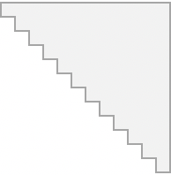

 |  |  |  |  |  |  | 1 | 2 |  | 3 |  |  |  | 4
 |  |  |  |  |  |  |  |  |  |  |  |  |  |  |  |  |  |  | 1
F(i₁, j₁)
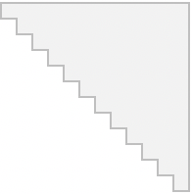
F(i₁, j₁-1)
F(j₁, j₁)
...
...
 | = | MAX
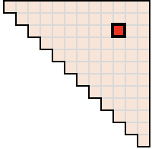
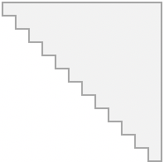
...
 |  |  |  |  |  | , |  |  |  |  |  |  |  |  | + |  |  |  | 2
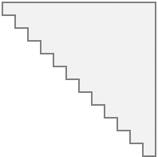
F(i₁, j₁)
F(i₁, i₁+1)
F(i₁+2, j₁)

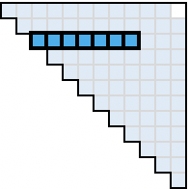
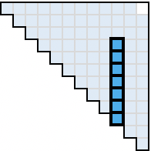

 |  |  |  |  |  |  |  |  |  |  |  |  |  |  |  |  |  |  | 3

F(i₁, j₁)
FTable(i1, j1) |  |  | FTable(i1, j1) |  |  |  | FTable(i1, k1) |  |  |  |  |  |  |  |  | FTable(k1+ 1, j1)

 |  |  |  |  |  |  |  |  |  |  |  |  |  |  |  |  |  |  | 4
F(i₁, j₁)
F(i₁, i₁)
F(i₁ +1, j₁)
Dot operation

N_{tile}

F(i₁, j₁)
F(i₁, j₁-1)
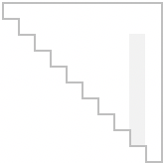
S₁

...
...
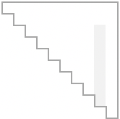
...

F(i₁, j₁)
F(i₁, i₁+1)
S₁
N_{tile}
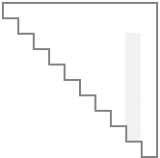
S₁
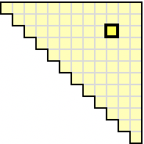
i₁
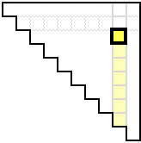

F(i₁, j₁)

F(i₁, j₁)
F(i₁, i₁)
Element-wise operation
j₁

F(i₁, j₁)
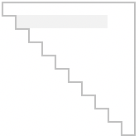
S₁
F(j₁, j₁)
...
...
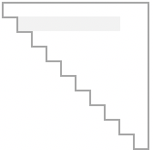
...

F(i₁, j₁)
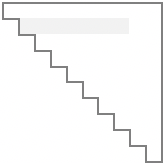
S₁
F(i₁+2, j₁)

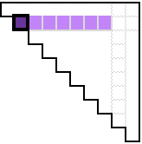
S₁
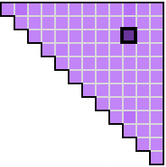
i₁

F(i₁, j₁)

Mirror
F(i₁, j₁)
F(i₁+1, j₁)
Element-wise operation
j₁

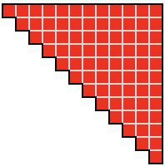

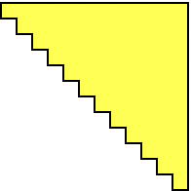

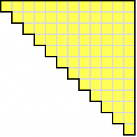
i₁

j₁

 |  |  |  |  |  |  |  |  |  |  |  | +

 |  |  |  |  |  |  |  |  |  |  |  | +

 |  |  |  |  |  |  |  |  |  |  |  | +

 |  |  |  |  |  |  |  |  |  |  | , |  |  |  |  |  |  | +

 |  |  |  |  |  |  |  |  |  |  | , |  |  |  |  |  |  | +

 |  |  |  |  |  |  |  |  |  |  | , |  |  |  |  |  |  | +

 |  |  |  |  |  |  |  |  |  |  | , |  |  |  |  |  |  | +

 |  |  |  | 1 |  |  |  |  |  |  |  |  | n
 |  |  |  |  | …

 |  |  |  |  |  |  |  |  |  |  |  |  |  |  |  |  |  | 1
 |  |  |  |  |  |  |  |  | …

 |  |  |  |  |  |  |  |  |  |  |  |  |  |  |  |  | …

 |  |  |  |  |  |  |  |  |  |  |  |  |  |  |  |  |  | n
 |  |  |  |  |  |  |  |  |  |  |  |  |  |  |  |  |  |  |  | …

parametric_tile
 |  |  |  |  | 1 | 2 | 3 |  | 4
 |  |  |  |  |  |  |  |  |  |  |  |  | 1

 | = | MAX

 |  |  |  | , |  |  |  |  |  | + |  |  | 2

 |  |  |  |  |  |  |  |  |  |  |  |  | 3

FTable(i1, j1) |  |  | FTable(i1, j1) |  | FTable(i1, k1) |  |  |  |  |  | FTable(k1+ 1, j1)

 |  |  |  |  |  |  |  |  |  |  |  |  | 4

N_{tile}

N_{tile}

Mirror

 |  |  |  |  |  |  |  |  |  |  |  | +

 |  |  |  |  |  |  |  |  |  |  |  | +

 |  |  |  |  |  |  |  | , |  |  |  | +

 |  |  |  |  |  |  |  | , |  |  |  | +

r1
 |  |  |  |  |  | 1 | 2 | 3 | 4
 |  |  |  |  |  |  |  |  |  |  |  | 1

 | = | MAX

 |  |  |  | , |  |  |  |  |  | + |  | 2

 |  |  |  |  |  |  |  |  |  |  |  | 3

C: FTable(i1, j1) |  |  | C: FTable(i1, j1) |  | A: FTable(i1, k1) |  |  |  |  |  | B: FTable(k1+ 1, j1)

 |  |  |  |  |  |  |  |  |  |  |  | 4

N_{tile}

N_{tile}

Mirror

decomposition
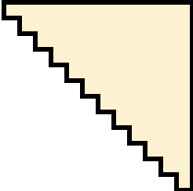
 |  |  |  |  |  |  |  |  |  |  | +

 |  |  |  |  |  |  | 1 | 2 | 3
 |  |  |  |  |  |  |  |  |  | 1

 |  | = | MAX

 |  |  |  |  |  | , |  |  |  | 2

 |  |  |  |  |  |  |  |  |  | 3

FTable(i1, j1) |  |  |  | FTable(i1, j1) |  |  | FTable(i1, k1)

 |  |  |  |  |  |  |  |  |  | 4

N_{tile}

N_{tile}

Mirror

M

N_{tile}
N
 | (0, 0) |  |  |  | (0, M)

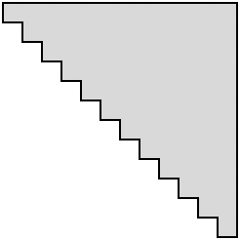
N
R_{B}

N

M
N
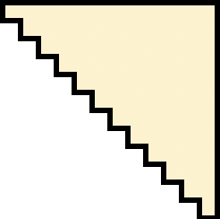

R_{A}

N_{tile} + 1

Mirror

 |  |  |  |  | (M, M)

