PushType Controllino Mega
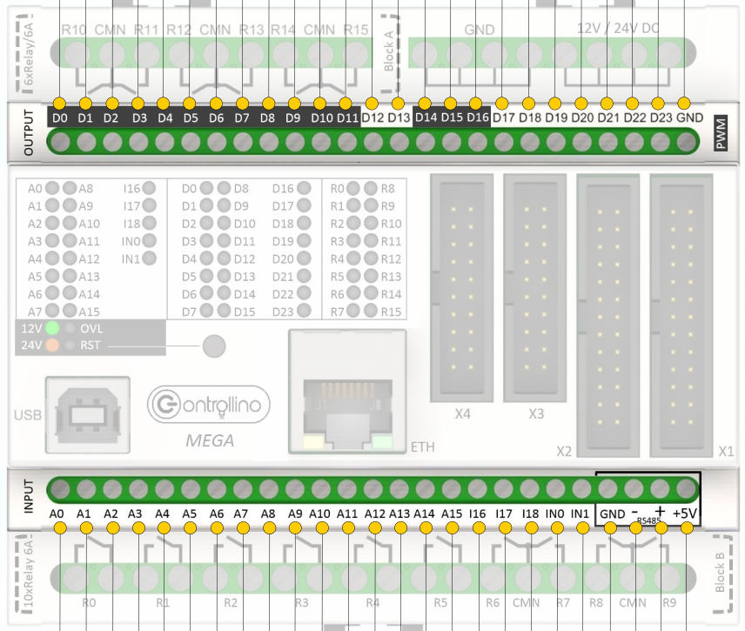
PINOUT TEST RIG

program variable | cable colour | WAGO clamps |  | PLC pin | remarks
CONTROLLINO DIGITAL OUTPUTS (LOW = 0V, HIGH = 24V)
MotFeedOben |  | 1 | - | D0
MotFeedUnten |  | 2 | - | D1
ZylRevolverschieber |  | 3 | - | D2
ZylMesser |  | 4 | - | D3
(unconnected valve) |  | 5 | - | D4
(unconnected valve) |  | 6 | - | D5
ZylGummihalter |  | 7 | - | D6
ZylFalltuerschieber |  | 8 | - | D7
ZylMagnetarm |  | 11 | - | D8
(unconnected valve) |  | 12 | - | D9
(unconnected valve) |  | 13 | - | D10
RED_LIGHT_PIN |  | 14 | - | D11
GREEN_LIGHT_PIN |  | 15 | - | D12
n.a. |  | 16 |  | D13
CONTROLLINO INPUTS (LOW = 0-7.2V, HIGH = 18-24V)
BANDSENSOR_OBEN | green | 22 | + / - | A6 | signal green, + red, - black, teach yellow
BANDSENSOR_UNTEN | green | 23 | + / - | A5 | signal green, + red, - black, teach yellow
BANDSENSOR-Type: SICK WTB2S-2P3275S36, Sensing Range: 6 … 50mm, Sensor colors: +=brown, -=blue, output=black, teach=white, output switches high if strap is detected, to teach connect teach to gnd
TOOL_END_SWITCH_PIN | blue | 24 | + | A4
SENSOR_PLOMBE |  | 25 | braun+/blau- | A3
STEP_MODE_BUTTON |  | 26 | + | A2 | deactivated
START_BUTTON |  | 27 | + | A1 | used for tool motor start
STOP_BUTON |  | 28 | + | A0
CONTROLLINO RELAYS
TOOL_MOTOR_RELAY | yellow | n.a. | - | R5
TOOL_WIPPENSCHALTER | green | n.a. |  | R8 | tool white cable
 | GND | n.a. | - | CMN | connect GND of all devices
 | green | n.a. |  | R9 | tool red cable

