PushType Controllino Mega
PINOUT PUSH TYPE TEST RIG

program variable | cable colour | WAGO clamps |  | PLC pin | remarks
CONTROLLINO DIGITAL OUTPUTS (LOW = 0V, HIGH = 24V)
MotFeedOben |  | 1 | - | D0
MotFeedUnten |  | 2 | - | D1
ZylRevolverschieber |  | 3 | - | D2
ZylMesser |  | 4 | - | D3
ZylAirBlower |  | 5 | - | D4
(unconnected valve) |  | 6 | - | D5
ZylGummihalter |  | 7 | - | D6
ZylFalltuerschieber |  | 8 | - | D7
ZylMagnetarm |  | 11 | - | D8
ZylSchild |  | 12 | - | D9
(unconnected valve) |  | 13 | - | D10
RED_LIGHT_PIN |  | 14 | - | D11
GREEN_LIGHT_PIN |  | 15 | - | D12
n.a. |  | 16 |  | D13
CONTROLLINO INPUTS (LOW = 0-7.2V, HIGH = 18-24V)
BANDSENSOR_UNTEN | GN | 22 | + / - | A6 | signal=GN, +=RD, GND=BK, teach=YL
BANDSENSOR_OBEN | GN | 23 | + / - | A5 | signal=GN, +=RD, GND=BK, teach=YL
Strapsensor-Type: SICK WTB2S-2P3275S36; sensing range: 6 … 50mm; sensor colors: +=BN, GND=BL, signal=BK, teach=WT; output switches high if strap is detected; to teach, set teach high
TOOL_END_SWITCH_PIN | BL | 24 | + | A4
SENSOR_PLOMBE |  | 25 | + / - | A3 | +=BN, GND=BL
TEMP_SENSOR_PIN |  | 26 | + | A2 | PT100 Module 0...200°C 0…10V
n.a. |  | 27 | + | A1 | deactivated (ex start_button)
n.a. |  | 28 | + | A0 | deactivated (ex stop_button)
CONTROLLINO RELAYS
TOOL_MOTOR_RELAY | YL | n.a. | - | R5
TOOL_WIPPENSCHALTER | GN | n.a. |  | R8 | tool white cable
 | BK | n.a. | - | CMN | connect GND of all devices
 | GN | n.a. |  | R9 | tool red cable
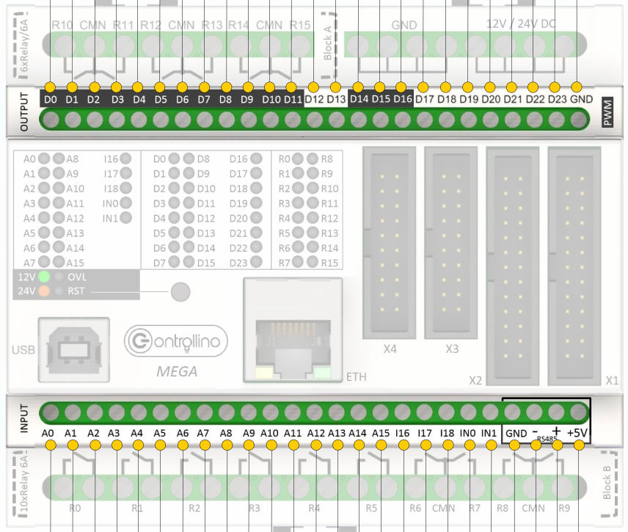 |  |  |  |  | 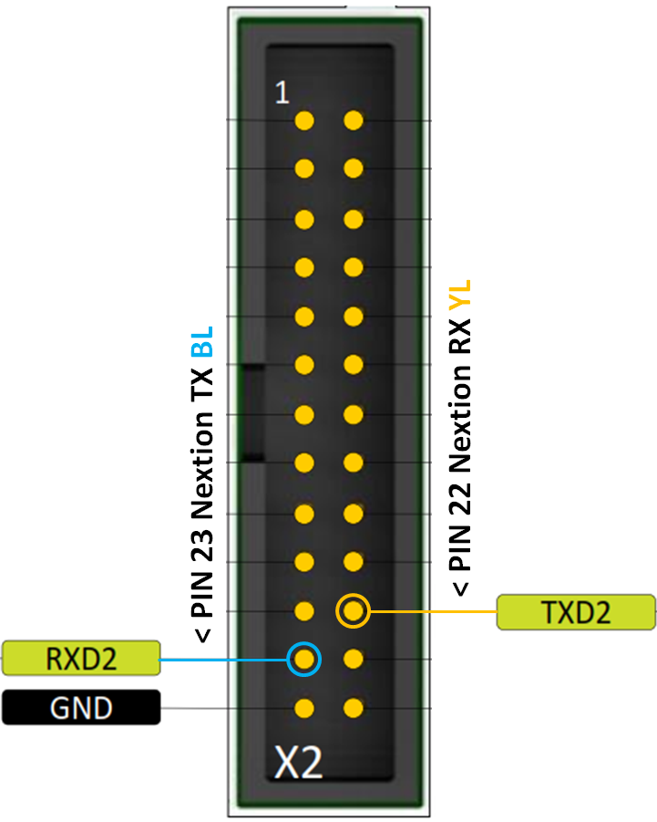

 |  |  |  |  |  | BK | Black
 |  |  |  |  |  | BL | Blue
 |  |  |  |  |  | BN | Brown
 |  |  |  |  |  | GN | Green
 |  |  |  |  |  | VT | Violet
 |  |  |  |  |  | WT | White
 |  |  |  |  |  | YL | Yellow
 |  |  |  |  |  | OR | Orange
 |  |  |  |  |  | RD | Red
 |  |  |  |  |  | GY | Gray

