Sheet1






Sheet2













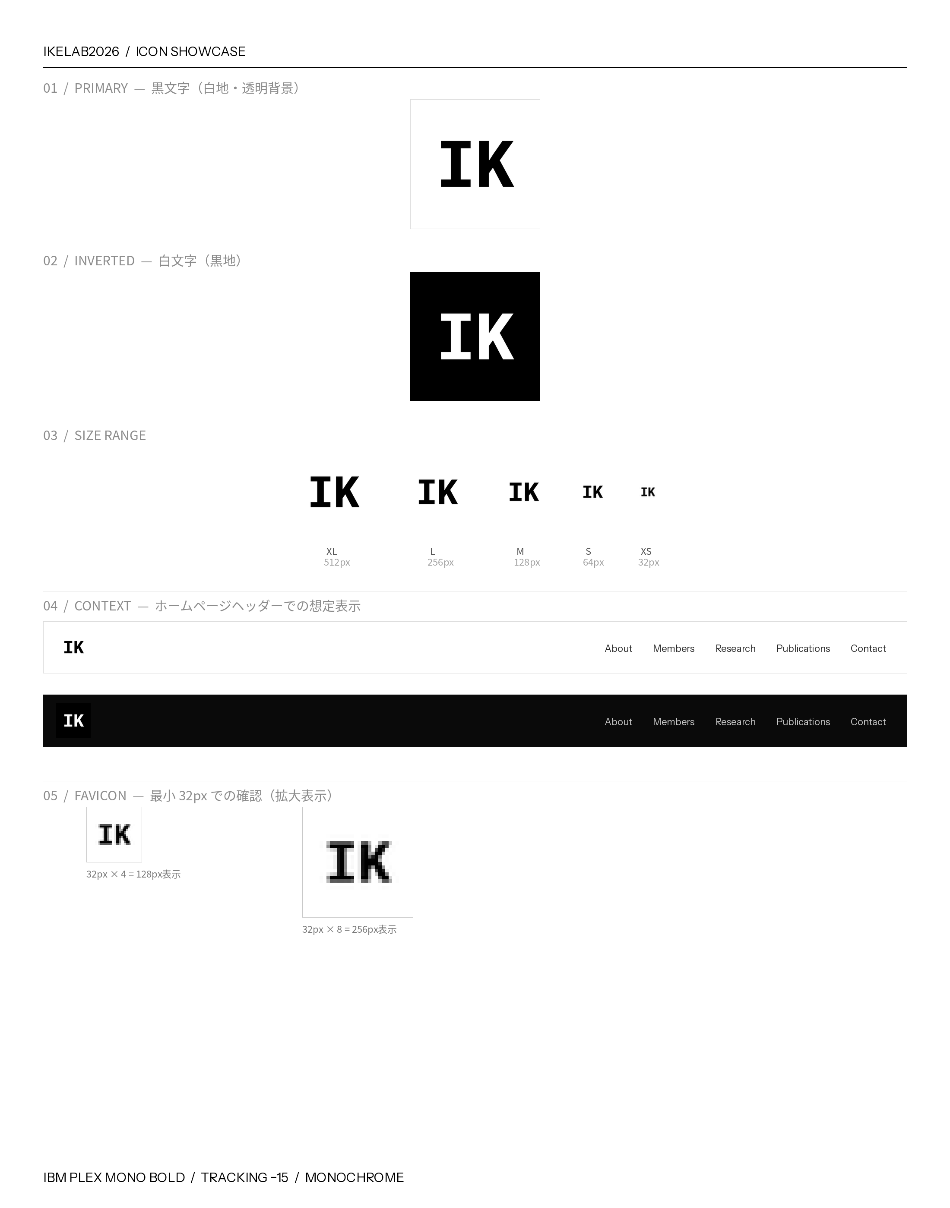







Sheet3




