EC2
Log in to linux server
Install MobaXterm

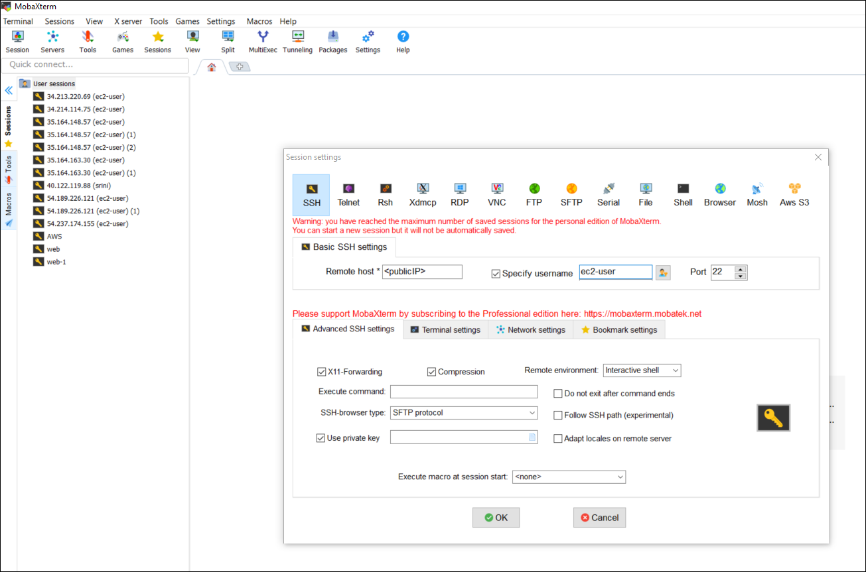

Once logged in
sudo -i
yum install httpd -y
cd /var/www/html

vi index.html
this is my webiste

save it :
esc :wq!

systemctl restart httpd

and in your local browser search your public IP :

EFS
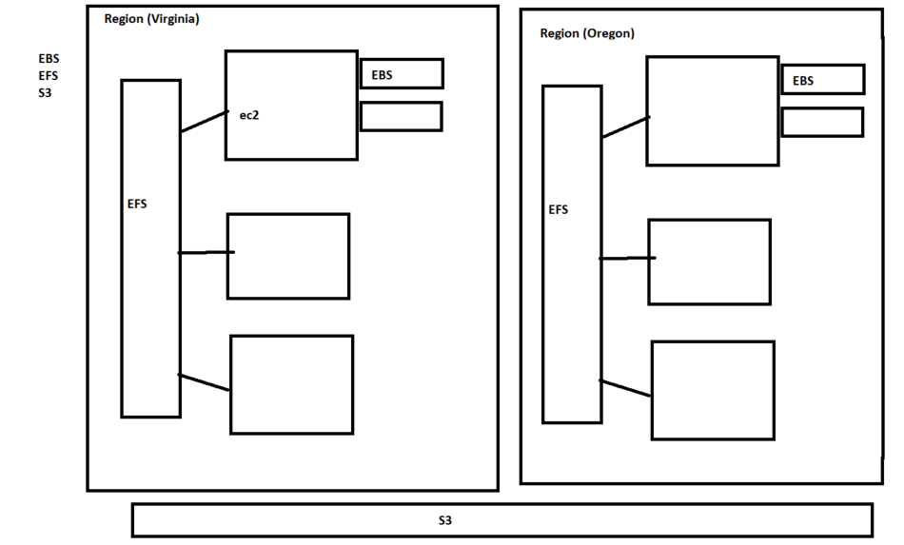
Step 1:
Create Security Group
NFS
SSH
ALL ICMP

Step 2:
Search EFS
Add the Correct VPC and SG
finish

Step 3:
Create 2 Instance
Reference :
sudo yum install -y amazon-efs-utils
2 sudo mkdir efs
3 ls
4 sudo mount -t efs fs-b0c48f19:/ efs
5 df -h
6 cd /home/ec2-user/efs/
7 ls

VPC
1 ping 10.0.2.15
2 ls
3 sudo ssh -i FerventLinuxkey.pem ec2-user@10.0.2.15
4 ping www.google.com
5 sudo ssh -i FerventLinuxkey.pem ec2-user@10.0.2.15

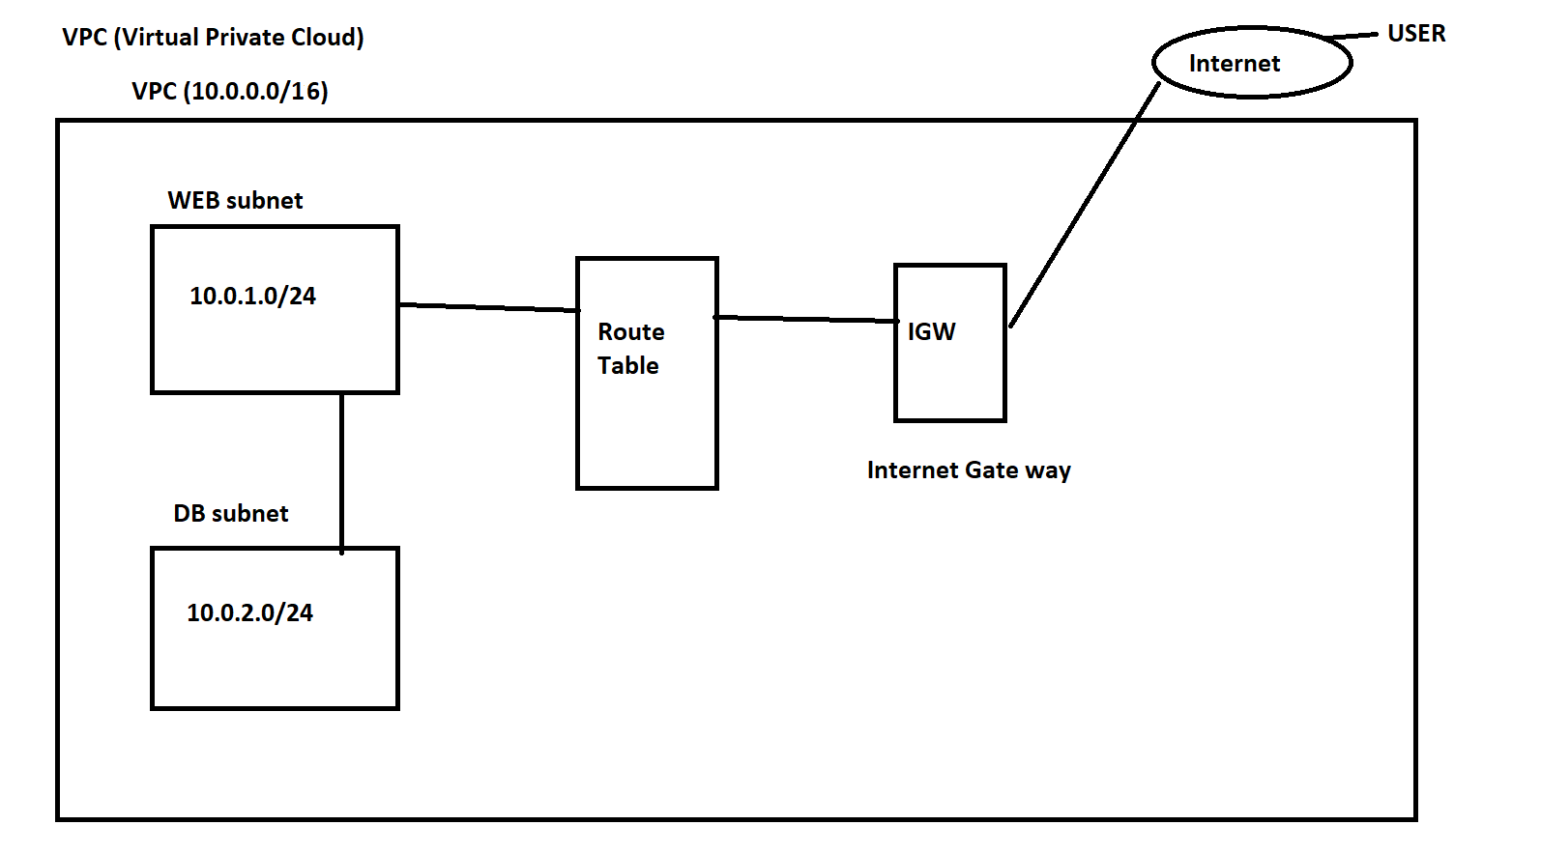

Step 1:
Create VPC (10.0.0.0/16)

2: Create WEB subnet and Enable Auto assign public IP
Create DB sunet and Disable Auto assign public IP

3. Create IGW and associate with the new VPC

4.Go to route table already associated with your VPC
add 0.0.0.0/0 - IGW
In Sub net association
Add : Web subnet

5. Create 2 instance Web and DB

6. Connect DB from WEB instance
sudo ssh -i key.pem ec2-user@10.0.2.5

VPC-NAT GW&NAT Instance
Comparison: | https://docs.aws.amazon.com/AmazonVPC/latest/UserGuide/vpc-nat-comparison.html
NAT gateway and NAT Instance

Step 1:
Create NAT gateway and associate with WEB subnet
(because web sb is having Internet connection)

EIP is required

Step 2:
Create a Route Table
0.0.0.0/0 - NAT

Sub net Association :
DB subnet

Step 3:
Ping Google

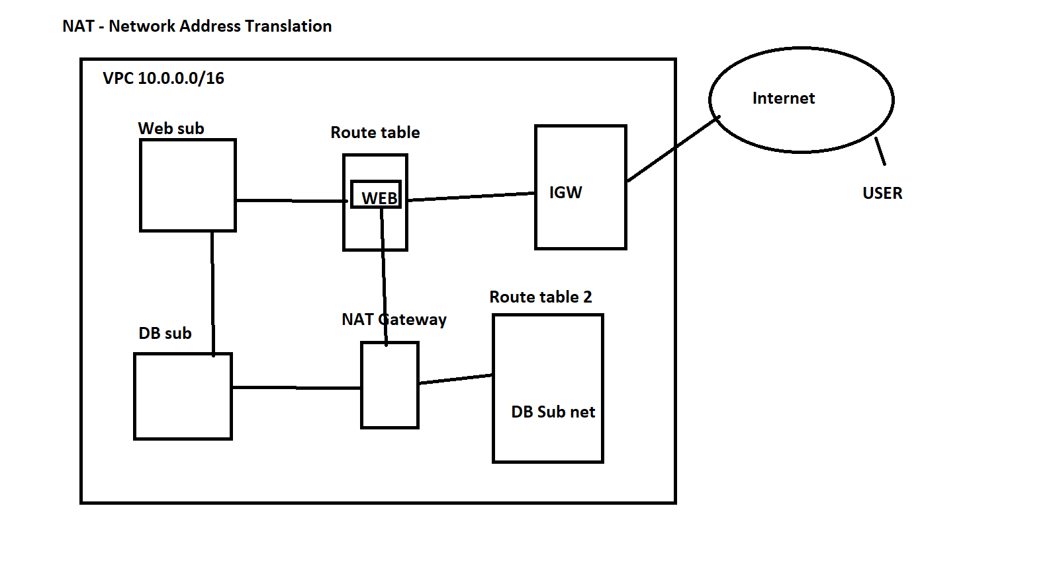

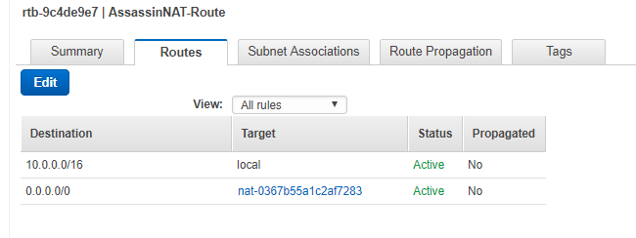

Chapter 3:
NAT Instance

Launch Instance :
go to community AMI
Search NAT

Disable sourec/destination Check

step 2:
Create Route table
add the 0.0.0.0/0 Nat-Instance
subnet association DB

End point
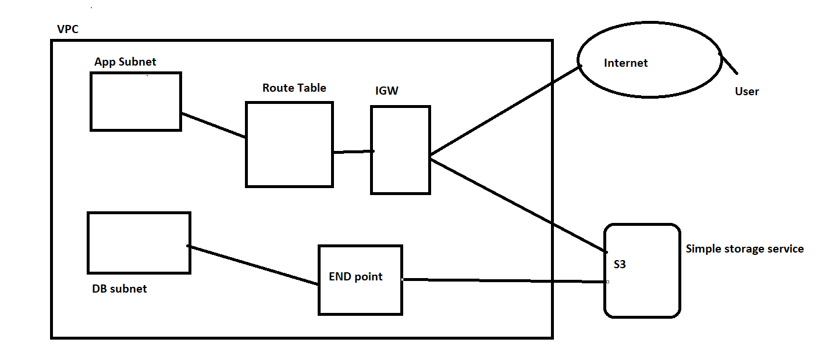

Step 1:
launch = Web and DB
2. aws configure with ACCESS credentials
3. aws s3 ls on web
For DB:
1. Create new route table
2. Create End point and enable s3 service
3. attach the new route table
4. attach the DB subnet in the new route table
5.go to DB server and check

Route53
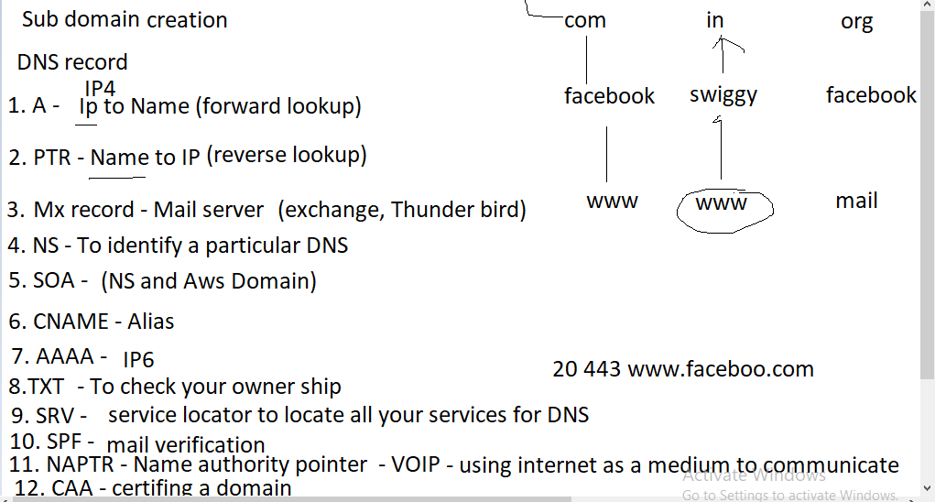
Theory | DNS Records

A | forward lookup | IP 4
PTR | reverse look up
NS | Identify particular doamin
MXrecord | mail
SOA | combination of NS and AWS
SRV | Service locater record | 10 5 80 hostname.example.com
AAAA | IP6
CNAME | Alias | canonical name (name to name)
TXT | Verify domain | webmaster
SPF | mail authorotity | Sender policy framework
NAPTR | ex: Internet telephone | EX: VOIP (name authority pointer)
CAA | Certificate

Routing Policy

simple |  | Theory
weighted |  | ip to name
latency |  | sub domain
failover |  | LB - cname
geo location |  | routing policy
multivalue answer

Step 1:
Create a free domain in freenom website

Ste 2 :
Create a Route53 server and add your DNS name

IANA - internet Assigned numbers Authority

CloudFront
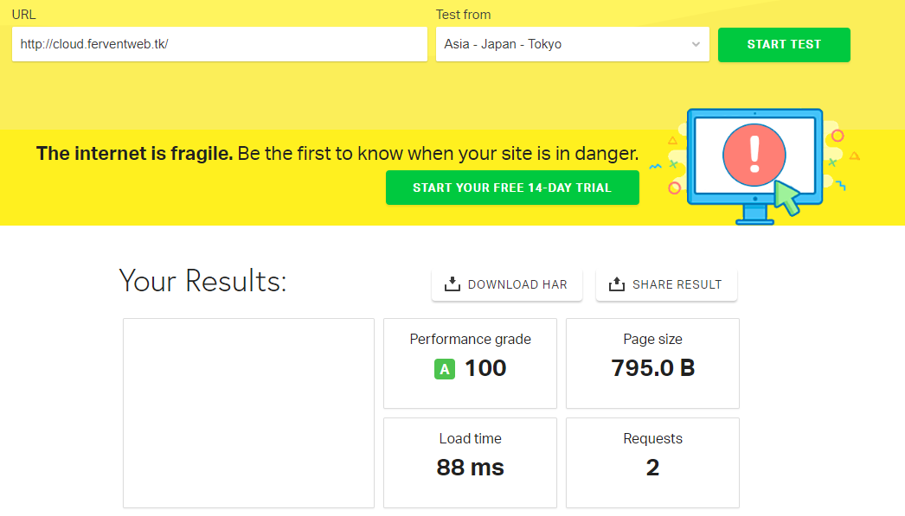
Create a 2 instance and attach in ALB
create cloud front and attach the ALB to it
check the difference between ALB ping response and CLoud front ping response
Add the cloud front URL to Route 53

