1. Title Page
[Instacart Grocery Basket Analysis]

Project Name: Instacart Grocery Basket Analysis
Date: March 2023
Analyst Name: Chitranshi Singh

Contents:
Population Flow
Consistency checks
Wrangling steps
Column derivations
Visualizations
Recommendations

Data sets:
Customers Data Set
Data Dictionary

Data citation:
“The Instacart Online Grocery Shopping Dataset 2017”, Accessed from https://www.instacart.com/datasets/grocery-shopping-2017 on 03/02/2023

2. Population Flow
Population flow

Exclusion flag
Condition: max_order < 5
Obervations to be removed: 1,440,295
Final total count of order_products_all: 30,964,564

Orders_products_combined
Orders_products_merged
Orders_products_all

Total: 32,434,489
Total: 32,404,859
Total: 32,404,859

1.) The grey boxes in the first row of the population flow represent the original data sets as they were when you downloaded them. In the Total fields you need to add the count of the rows when you imported the data set into Jupyter.
2.) The second row of boxes (coloured) represents the data sets after you manipulated them, e.g., removed missing values and duplicates. In the Total fields you need to add the count of the rows after conducting these operations. This offers a visual oveview of how the data flows throughout the data consistency checks.
3.) The third row, where also the arrows are coloured, represents the merges you performed between the datasets. In the Total fields you need to add the count of the rows in the merged datasets, so that you end up with the final dataset (in the red box). Keep in mind the final dataset should be without exclusions (based on the exclusion flag).

3. Consistency checks
Consistency checks

Dataset | Missing values | Missing values treatment | Duplicates
orders | 206209 values missing in days_since_prior_order column | Created a new column (first_order) to flag the reason for missing values. | No duplicate values found.
products | 16 values missing in product_name column | Created a new subset of non-missing values. | 5 duplicate values found. Created a new subset of unique values.
 | 5127 outlier values in prices column | Created a new subset with prices <= 100
customers | No missing values found. | - | No duplicate values found.

4. Wrangling steps
Wrangling steps

Dataset | Columns dropped | Columns renamed | Columns' type changed | Comment/Reason
orders | eval_set |  |  | eval_set: This column contains system information and has one value 'prior', making it irrelevant for our analysis. Hence this column is dropped.
 |  | order_dow: order_day_of_week |  | order_dow: The column name is unintuitive and not self-explanatory, hence it is renamed.
 |  |  | order_id: changed from integer to string | order_id, user_id: These columns don’t represent real numeric values, rather, keys related to specific orders and users. By changing their data type, these columns can be excluded from functions such as describe() as we don't need to perform descriptive statistics on the entire dataframe, but only specific columns relevant to the analysis.
 |  |  | user_id: changed from integer to string
customers | First Name |  |  | First Name: This column contains PII data, hence dropped.
 | Surnam |  |  | Surnam: This column contains PII data, hence dropped.
 | date_joined |  |  | date_joined: This column is irrelevant for our analysis, hence dropped.
 |  | Gender: gender |  | Gender: This column name casing is not consistent with other columns of the dataframe, hence renamed.
 |  | STATE: state |  | STATE: This column name casing is not consistent with other columns of the dataframe, hence renamed.
 |  | AGE: age |  | AGE: This column name casing is not consistent with other columns of the dataframe, hence renamed.
 |  | fam_status: family_status |  | fam_status: This column name is not very self-explanatory, hence renamed.
departments |  |  |  | Transposed to create a department dictionary.

5. Column derivations
Column derivations and aggregations

Dataset | New column | Column/s it was derived from | Conditions
orders_products_merged | first_order | order_number | if order_number == 1 , then first_order is True else first_order is False
 | price_label | prices | if prices <= 5, price_label = low-range product if prices > 5 & prices <=15, price_label = mid-range product if prices > 15, price_label = high-range product
 | busiest_days | orders_day_of_week | store frequency of orders_day_of_week in descending order as list orders_day_list. Run a for-loop on orders_day_of_week column: if (value==orders_day_list[0]) | (value==orders_day_list[1]), then 'most busy', else if (value==orders_day_list[-1]) | (value==orders_day_list[-2]), then 'least busy' else 'regularly busy'
 | busiest_period_of_day | order_hour_of_day | store quantile of order_hour_of_day as list order_hour_list. Run a for-loop on order_hour_of_day column: if val > order_hour_list[0], then 'most orders', else if val<=order_hour_list[1], then 'fewest orders' else 'average orders'
 | max_order | order_number | calculate max of order_number by grouping each user_id
 | loyalty_flag | max_order | if max_order > 40, then loyalty_flag = 'loyalty customer', else if max_order <= 40 | max_order > 10, then loyalty_flag = 'regular customer' else loyalty_flag = 'new customer'
 | avg_spending | prices | calculate mean of prices by grouping each user_id
 | spending_flag | avg_spending | if avg_spending < 10, then spending_flag = 'low spender' else spending_flag = 'high spender'
 | order_frequency | days_since_prior_order | calculate median of days_since_prior_order by grouping each user_id
 | order_frequency_flag | order_frequency_flag | if order_frequency > 20, then order_frequency_flag = 'non-frequent customer', else if order_frequency > 10 & order_frequency <= 20, then order_frequency_flag = 'regular customer' else if order_frequency <= 10, then order_frequency_flag = 'frequent customer'
orders_products_customer | region | state | each state is categorized into 4 regions: northeast, midwest, south, west
 | activity_flag | max_order | if max_order < 5, then activity_flag = 'low activity' else if max_order >= 5, then activity_flag = 'regular activity'
df_final | customer_profile | familty_status, income, n_dependants | store quantile of income as list income_list. customer profile for retired individuals: if age > 65 & income <= income_list[0], then customer_profile = 'retired low-income', else if customer profile for retired individuals: if age > 65 & income > income_list[0] or income <= income_list[1], then customer_profile = 'retired mid-income' else if age > 65 & income > income_list[1], then customer_profile = 'retired high-income' customer profile for single individuals: if age <= 65 & n_dependants == 0 & income <= income_list[0], then customer_profile = 'single low-income', else if age <= 65 & n_dependants == 0 & income > income_list[0], then customer_profile = 'single mid-income' else if age <= 65 & n_dependants == 0 & income > income_list[1], then customer_profile = 'single high-income' customer profile for families: if age <= 65 & n_dependants > 0 & income <= income_list[0], then customer_profile = 'family low-income', else if age <= 65 & n_dependants > 0 & income > income_list[0], then customer_profile = 'family mid-income' else if age <= 65 & n_dependants > 0 & income > income_list[1], then customer_profile = 'family high-income',
 | age_group | age | if age >= 18 & age < 25, then age_group = '18-24', else if age >= 25 & age < 35, then age_group = '25-34', else if age >= 35 & age < 45, then age_group = '35-44', else if age >= 45 & age < 55, then age_group = '45-54', else if age >= 55 & age < 65, then age_group = '55-64', else if age >= 65 & age < 75, then age_group = '65-74' else if age >= 75, then age_group = '>75'

6. Visualizations
Visualisations

Question 1 | The sales team needs to know what the busiest days of the week and hours of the day are (i.e., the days and times with the most orders) in order to schedule ads at times when there are fewer orders.

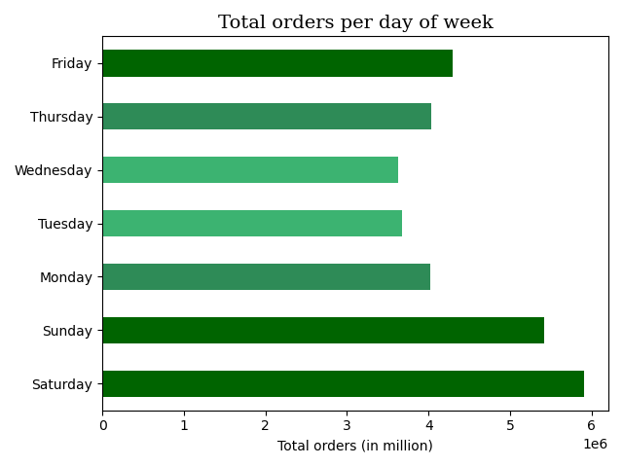
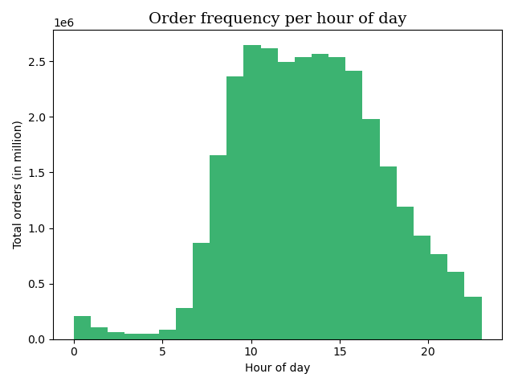

 | • An increase in orders is observed preceding the weekend with an upsurge starting friday, with saturday recording the highest sales followed by sunday.
 | • Sales begin to diminish over the weekdays from monday, with tuesday and wednesday being the slowest days of the week.
 | • In terms of the busiest hours of the day, sales gradually start peaking from 6 in the morning.
 | • 9 to 15 are the peak shopping hours of the day, after which sales begin to progressively decline.
 | • The hours between 0 to 5 have the least sales.
 | • Weekend are the busiest days and the hours from morning to afternoon are the busiest time of the day.

Question 2 | They also want to know whether there are particular times of the day when people spend the most money, as this might inform the type of products they advertise at these times.

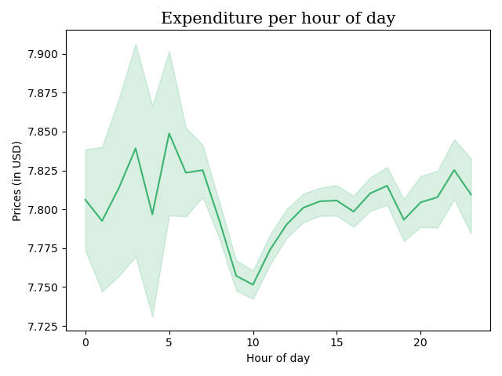

 | • Contrary to the busiest hours of day, customers tend to spend more during the least busy shopping hours.
 | • Most expensive products are purchased around 3 in the morning leading up to an all time high at 5, after which there is a steep decline in the expenditure trend.
 | • Least expensive products are purchased around the hours starting from 8 to 12.
 | • Few rise and falls in spending habits are observed starting from the afternoon hours of 2 up untill 9 at night.
 | • After which the third highest peak is recorded at 10 pm.
 | • Late night upto early morning hours of the day are when customers tend to spend the most money on items.

Question 3 | Instacart has a lot of products with different price tags. Marketing and sales want to use simpler price range groupings to help direct their efforts.

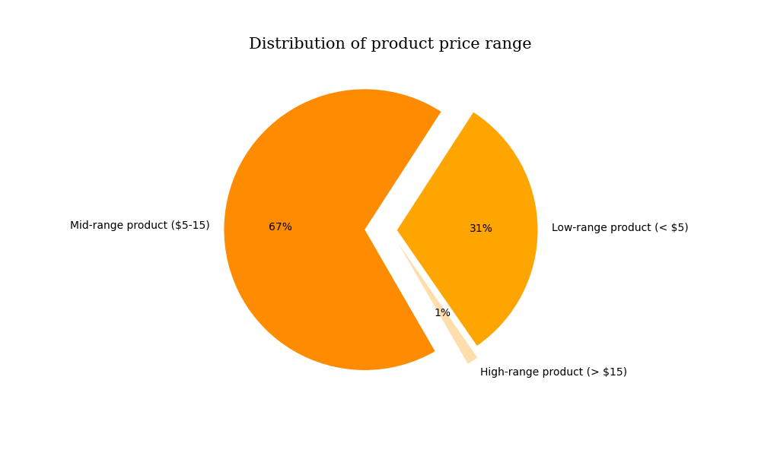

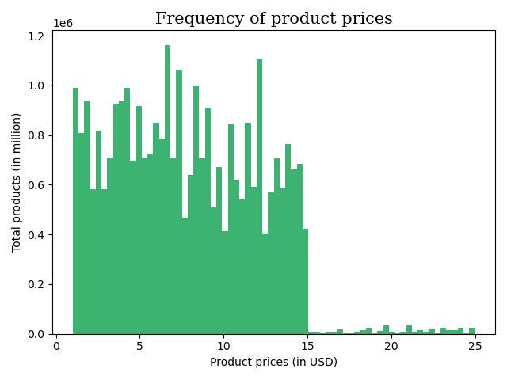

 | • Instacart products have a price range starting from $1 to $25. |  |  |  | • Most products are purchased from mid-range categories i.e., products priced between $5 to $15.
 |  |  |  |  | • Of the total purchases made, 67% of products are priced between $5-$15 while 98% are priced between $1-$15.

Question 4 | Are there certain types of products that are more popular than others? The marketing and sales teams want to know which departments have the highest frequency of product orders.

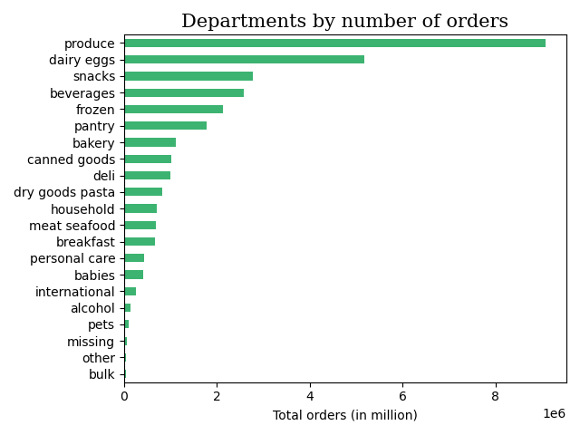
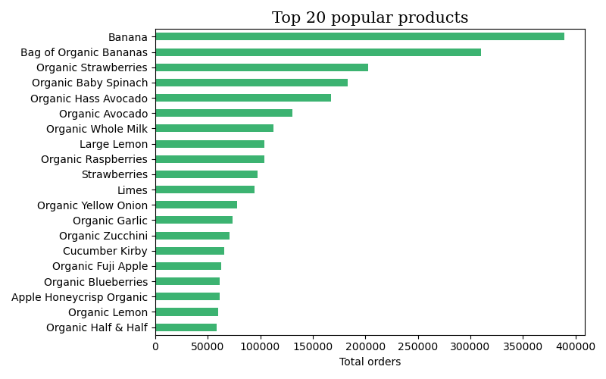

 | • Produce is the most popular department recording a significantly high number of total product orders, followed by dairy eggs.
 | • Both departments combined contributed to more than 40% of total orders.
 | • The rest of the departments record less than 10% of total orders placed from each of them.
 | • In terms of product popularity, produce items like organic fruits and vegetables are the most reordered products by customers.
 | • The top 20 most reordered products belong to produce and dairy eggs department.
 | • Clearly, produce and dairy eggs are the most popular departments.

Question 5 | The marketing and sales teams are particularly interested in the different types of customers in their system and how their ordering behaviors differ. For example:
 | What’s the distribution among users in regards to their brand loyalty (i.e., how often do they return to Instacart)?

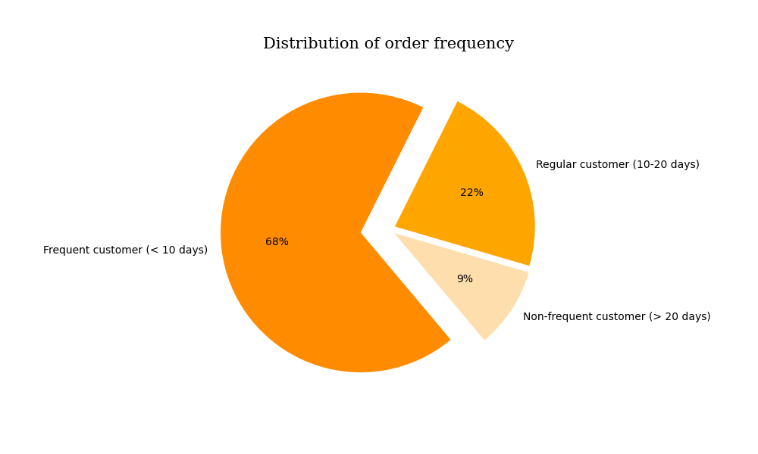

 | • 68% customers purchase frequently within 10 days.
 | • Non-frequent customers (> 20 days) comprise of less than 10% of the total customer base.

Question 6 | Are there differences in ordering habits based on a customer’s loyalty status?

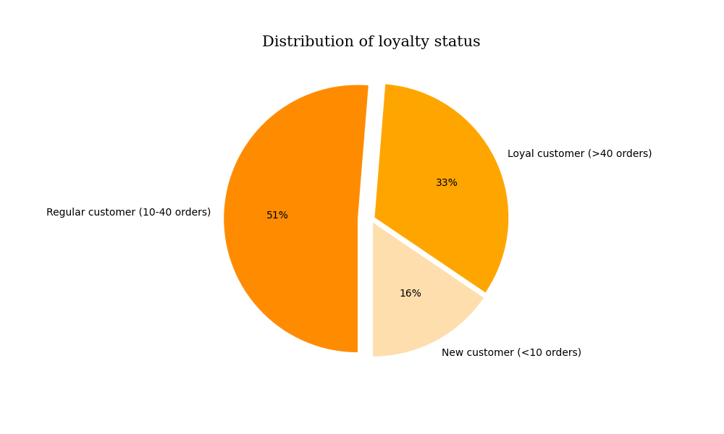

 | • 51% customers are regular with a maxmimum order between 10 to 40.
 | • This is followed by 33% of loyal customers whose maximum order is more than 40.

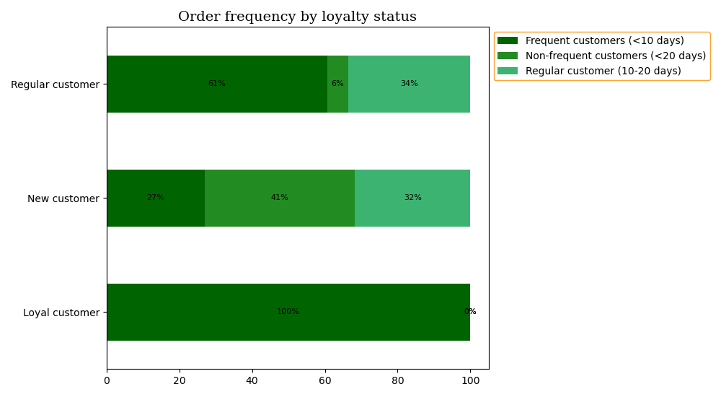

 | • Looking at the ordering frequency of customers based on their loyalty status, 100% of loyal customers (> 40 orders) purchase frequently within 10 days, followed by 61% of regular customers (10-40 orders).
 | • The average ordering frequency of regular customers (10-40 orders) is 11 days.
 | • This customer base could be converted into customers who purchase frequently within 10 days, thereby increasing the base of loyal customers (> 40 orders).

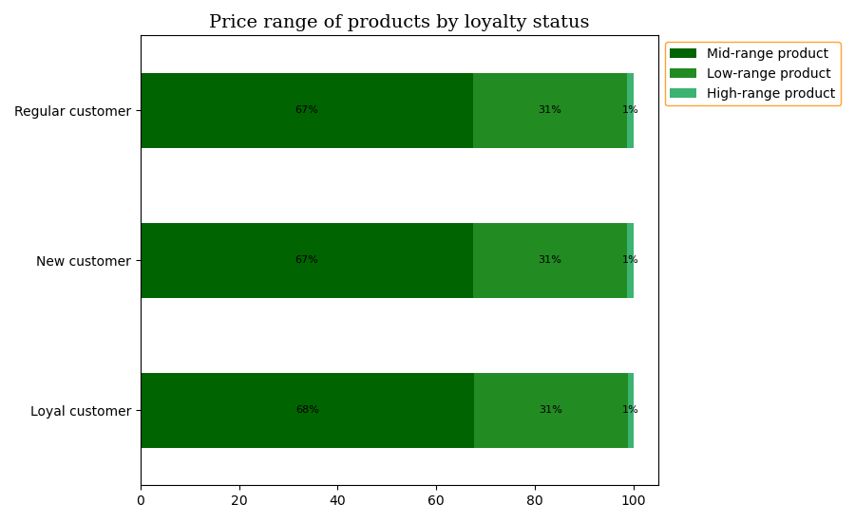

 | • Looking at the different price range of product orders, no difference is observed in the ordering habits of customers based on their loyalty status.
 | • For every loyalty status category, more than 60% purchase is made from mid-range products ($5-$15).

Question 7 | Are there differences in ordering habits based on a customer’s region?

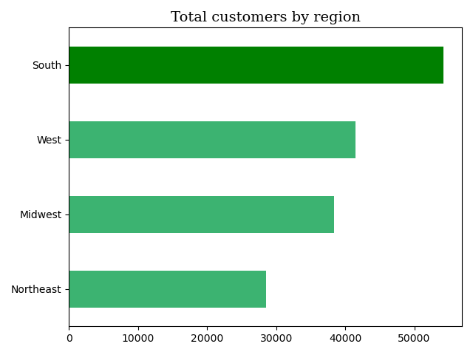

 | • Regions with a large customer base also have a higher frequency of orders and subsequently high sales.
 | • 33% of Instacart's customer base comes from the southern region, making up the largest proportion of customers. Northeast has the lowest proportion of customers at 18%.
 | • However, as per the US Census Bureau as of 2022 (source: https://www.census.gov/popclock/print.php?component=growth&image=//www.census.gov/popclock/share/images/growth_1561939200.png),
 | south has the highest resident population in US.
 | • PFB table to compare proportion of population vs. proportion of Instacart customers for each US region:

 | Region | Proportion of population (source: US census bureau) | Proportion of Instacart customers | Affinity
 | South | 39% | 33% | -15%
 | West | 24% | 26% | 8%
 | Midwest | 21% | 24% | 14%
 | Northeast | 17% | 18% | 6%

 | • Southern region is observed to be the least successful of all regions.
 | • Although south has the largest customer base of Instacart, this market is not being utilized to the fullest potential owing to its significantly high population.

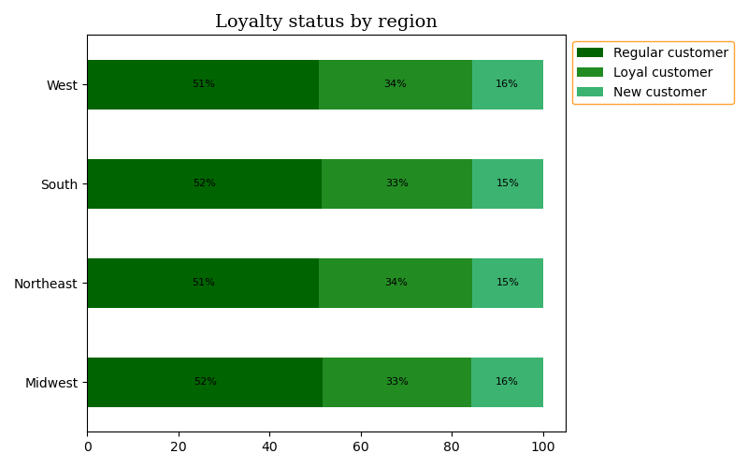
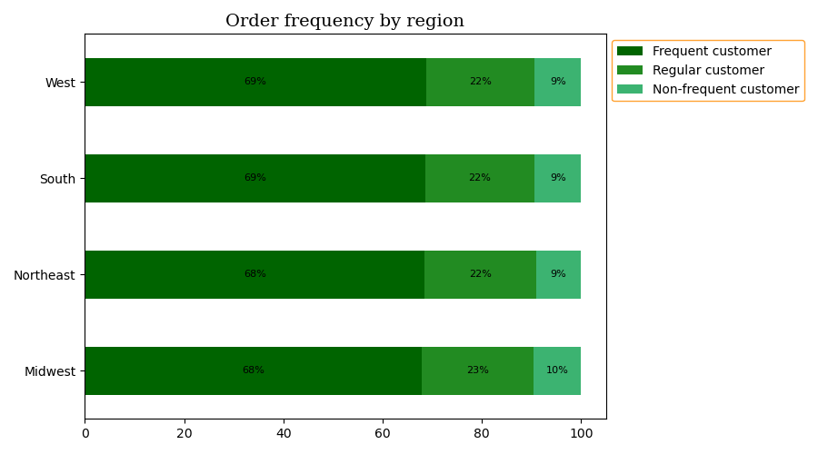

 | Regions with a larger customer base also have the highest frequency of orders and subsequently high sales.
 | Consistent behavior is observed across regions in terms of customer ordering habits.
 | About 51% of customers in all regions are regular buyers (10-40 orders).
 | More than 60% customers in all regions order frequently (10-20 days).
 | Similarly, more than 60% customers in all regions purchase mid-range products ($5-$15).

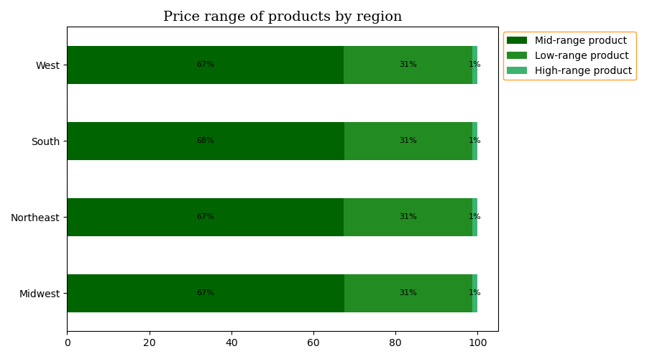

 | • Consistent behavior is observed across regions in terms of customer ordering habits.
 | • About 51% of customers in all regions are regular buyers (10-40 orders).
 | • More than 60% customers in all regions order frequently (10-20 days).
 | • Similarly, more than 60% customers in all regions purchase mid-range products ($5-$15).

Question 8 | Is there a connection between age and family status in terms of ordering habits?

 | Age in terms of ordering habits:
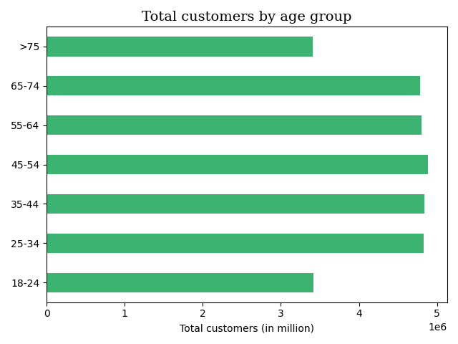

 | • The age of Instacart customers varies from 18 to 81 years.
 | • The age groups of 18-24 and >75 years have the lowest customer base, however no signigicant difference is observed in the overall distribution of customers across all age groups.

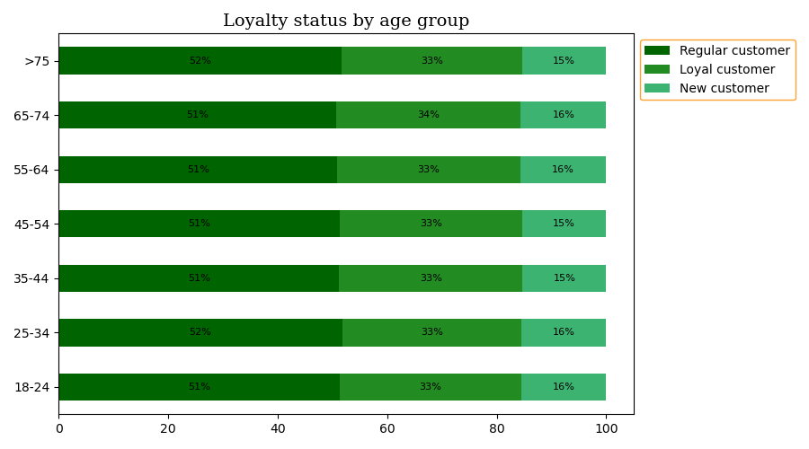
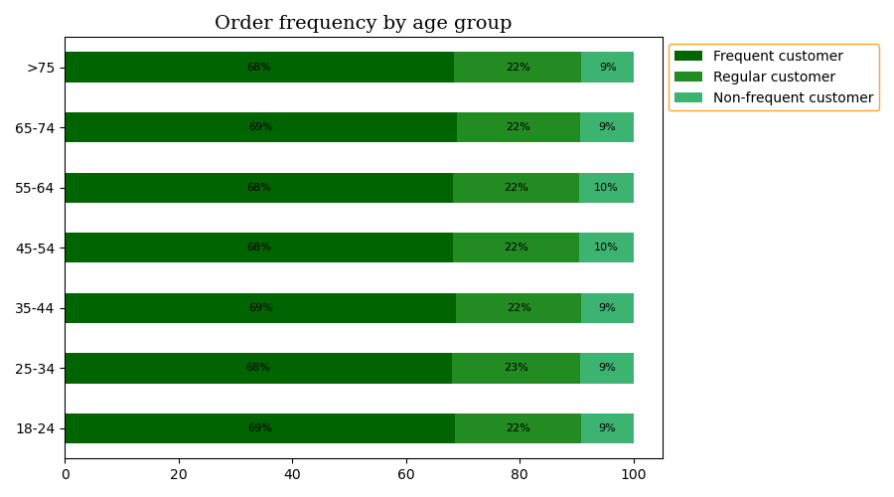

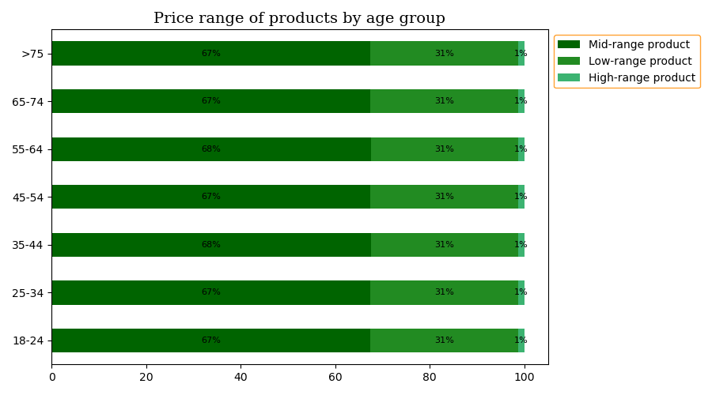

 | • Consistent behavior is observed across age groups in terms of customers' ordering habits.
 | • About 51% of customers in all age groups are regular buyers (10-40 orders).
 | • More than 60% customers in all age groups order frequently (<10 days).
 | • Similarly, more than 60% customers in all age groups purchase mid-range products ($5-$15).

 | Family status in terms of ordering habits:

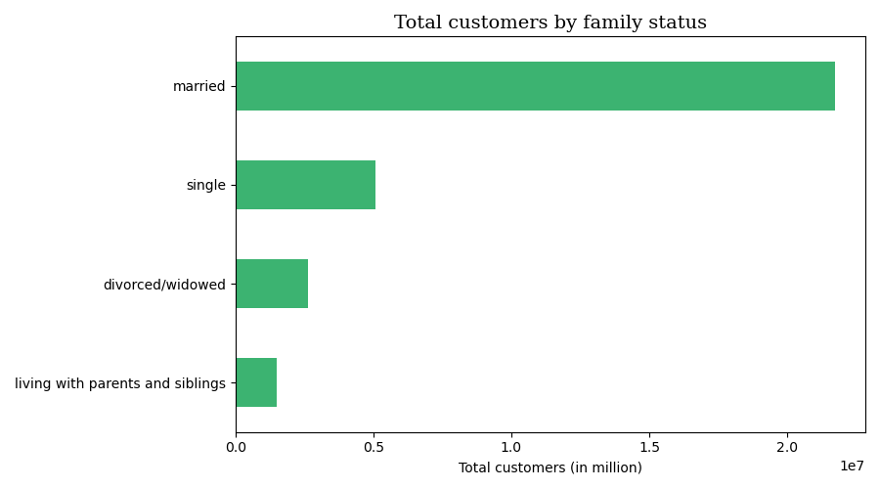

 |  | • 70% of Instacart's customer base is married.

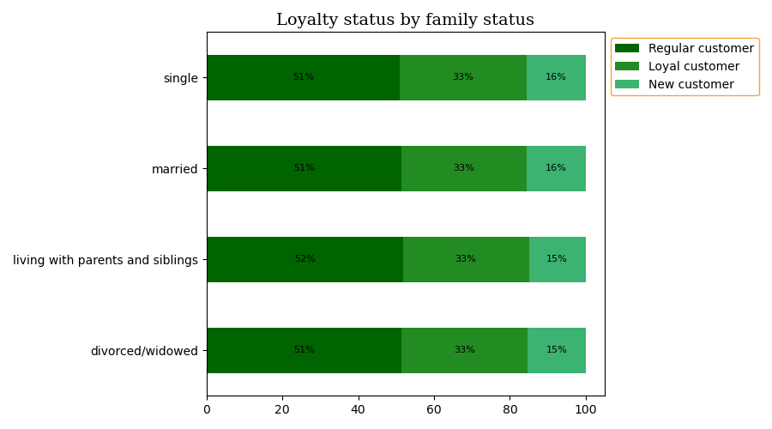
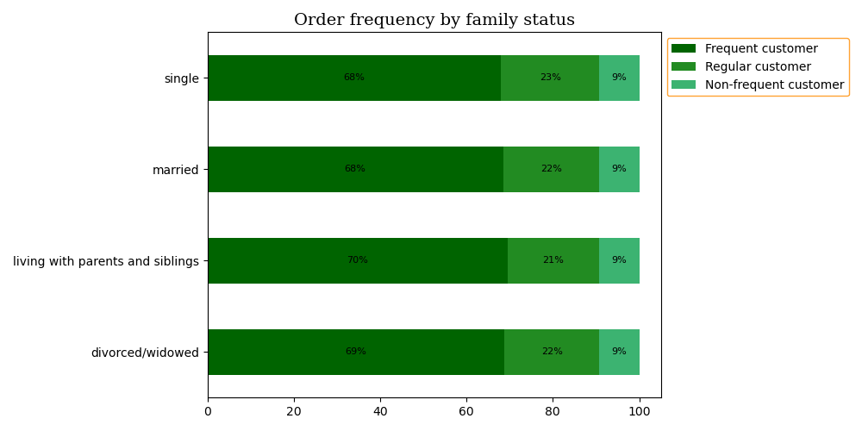

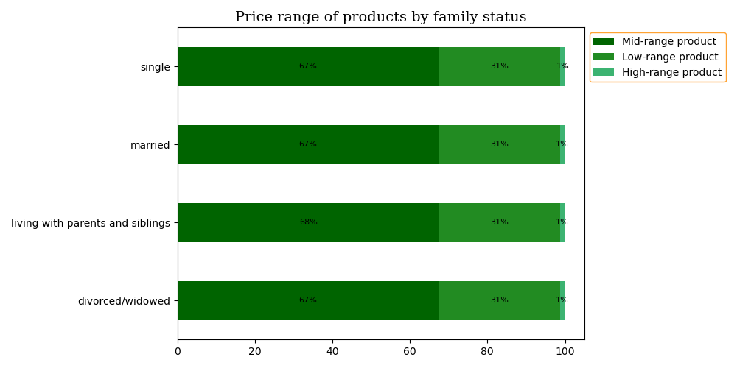

 |  | • Consistent behavior is observed across age groups in terms of customers' ordering habits.
 |  | • About 51% of customers in all age groups are regular buyers (10-40 orders).
 |  | • More than 60% customers in all age groups order frequently (10-20 days).
 |  | • Similarly, more than 60% customers in all age groups purchase mid-range products ($5-$15).
 |  | • No significant connection is observed between age and family status in terms of ordering habits.

Question 9 & 10 |  | What different classifications does the demographic information suggest? Age? Income? Certain types of goods? Family status?
 |  | What differences can you find in ordering habits of different customer profiles?
 |  | Consider the price of orders, the frequency of orders, the products customers are ordering, and anything else you can think of.

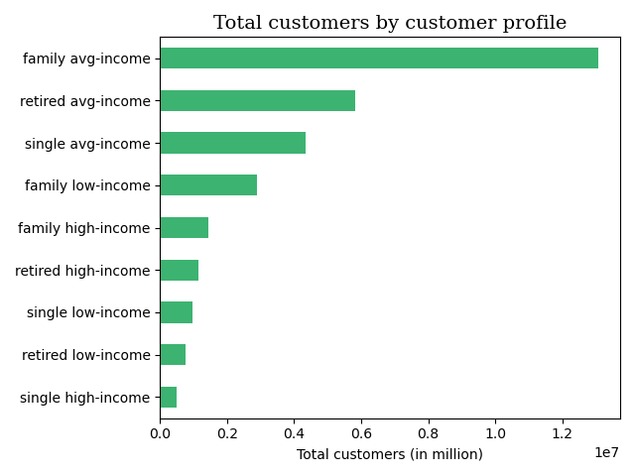

 |  | • 40% of Instacart's customer base consists of family with average income.
 |  | • About 71% of Instacart's customer base comprises of people having average income, making up the top 3 of customer profile distribution.
 |  | • Customers having high income make up less than 10% of the total customer base.

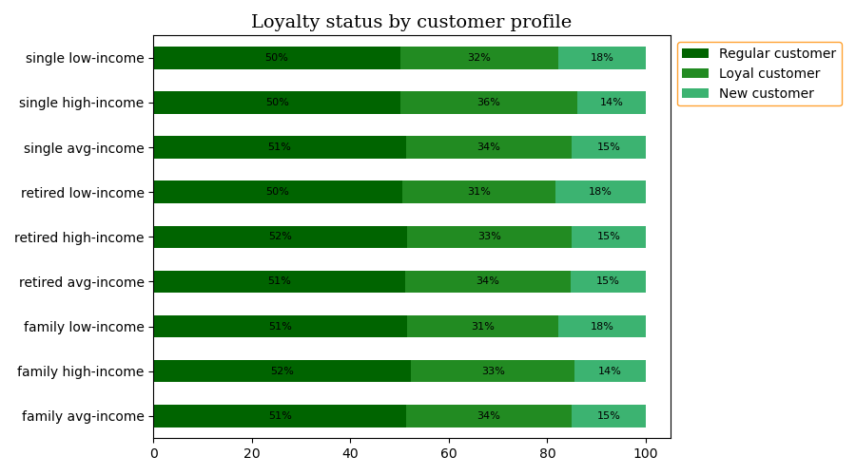
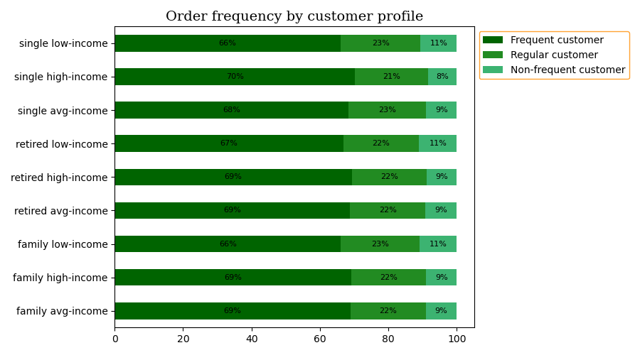

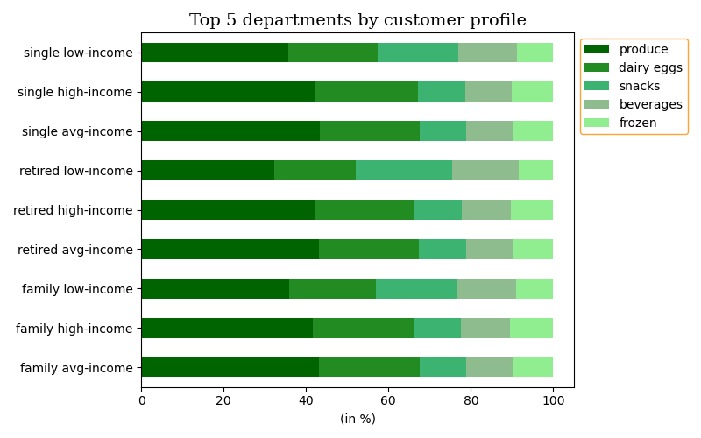
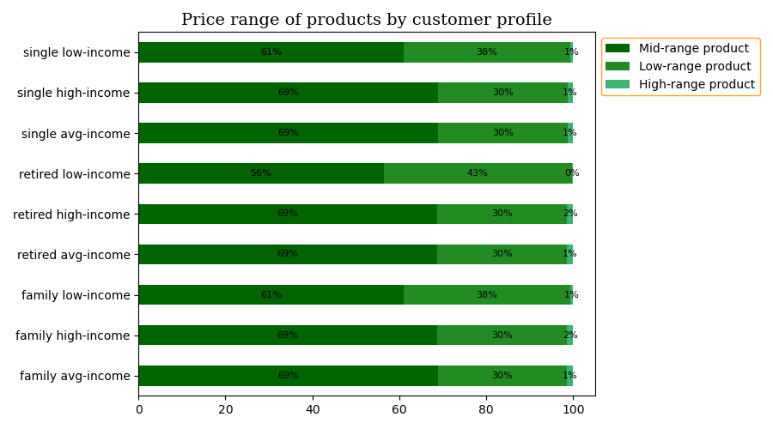

 |  | • About 51% of customers in all profiles are regular buyers (10-40 orders).
 |  | • Low-income customer profiles have 3-4% more new customers (<10 orders) compared to profiles with other income types.
 |  | • More than 60% customers in all profiles order frequently (10-20 days).
 |  | • Customers with low income are slightly less frequent in ordering.
 |  | • Customers with low-income relatively purchase more items priced at low-range and less from mid and high-range product categories.
 |  | • Produce and dairy eggs are the most favorable departments for every customer profile.
 |  | • On an average, customer profiles with low-income purchase snacks 10% more than individuals from other profiles.
 |  | • Similarly, beverages are purchased 4% more by low-income profiles in comparison to other profiles.

7. Recommendations
Recommendations

Question 1 | The sales team needs to know what the busiest days of the week and hours of the day are (i.e., the days and times with the most orders) in order to schedule ads at times when there are fewer orders.

 | • Weekend (friday, saturday, sunday) are the busiest days and the hours from morning to afternoon (9-15) are the busiest time of the day.
 | • Schedule ads during the middle of the week on days such as tuesday, wednesday and after 5 pm up untill 8 in the morning.
 | • Create a sense of urgency, from time-sensitive special offers to limited-edition products.
 | • For example, provide a lower price for customers to purchase by a specific day (in this case on tuesdays or wednesdays) or include a bonus offer on specific hours (in this case after 5 pm) to entice existing as well as new customers.
 | • Offer free shipping for a limited time during weekdays after evening hours as a special promotion.
 | • This will help to encourage people that now is the time to make a purchase from your store.

Question 2 | They also want to know whether there are particular times of the day when people spend the most money, as this might inform the type of products they advertise at these times.

 | • Customers tend to spend most money starting from late night (after 9 pm) upto early morning (5 am).
 | • Advertise more products priced in high-range category.
 | • Provide 24/7 customer support for any query the customer has.
 | • Offering a live chat or chatbot service will help showcase customers that you’re always available for them.

Question 3 | Instacart has a lot of products with different price tags. Marketing and sales want to use simpler price range groupings to help direct their efforts.

 | • Products are categorized into 3 groups based on their pricing: low-, mid-, high-range.
 | • More than 60% of the products are purchased from the middle range, priced between $5-$15, making it the most appealing price range.
 | • Sponsor more high-range products during the hours when customers tend to spend most i.e., from late night to early morning.
 | • Offer free shipping for orders over a certain amount, which can prompt customers to add more to their basket in order to gain the benefit, thereby increasing sales.

Question 4 | Are there certain types of products that are more popular than others? The marketing and sales teams want to know which departments have the highest frequency of product orders.

 | • Fresh products like organic fruits and vegetables are the most reordered items.
 | • Produce and dairy eggs are the most sought after departments.
 | • Considering the popularity of organic products, it is recommended to stock more options and varieties when it comes to organic food items (labels such as 'gluten-free', 'clean', 'vegan', etc to name a few).
 | • Consider increasing the price of organic food as its consumption has seen a steady growth over the past few years among consumers in general.
 | • Customers will pay more for organics as they understand the value in doing so.
 | • Conventional customers can be converted into repeat organic customers by:
 |  | ‣ offering them an organic buying guide
 |  | ‣ making sure they know the benefits of buying organic
 |  | ‣ help them make sense of why organics cost more
 | • Introduce and promote organic, green, non-toxic product options among other departments too such as organic wine (alcohol dept), organic skincare, cosmetic, oral care, hair care products (personal care dept),
 | lightly breaded varieties of nuggets, strips and tenders (frozen dept), grass fed meat, organic meat and poultry (meat seafood dept), organic gluten-free breads, cookies (bakery dept) and much more.
 | • Recommened popular products to new customers.
 | • Aim to optimise aisle positioning that is designed to promote cross-selling and up-selling by placing aisles and products with high popularity and demand near each other.
 | • Sell products that are very similar to existing ones, but made healthier with the help of alterations to the products' content.
 | • Give away samplers, two-for-one offers and other reward-based incentives for products from low selling departments.
 | • Doing so will positively boost sales and revenue.

Question 5 | The marketing and sales teams are particularly interested in the different types of customers in their system and how their ordering behaviors differ. For example:
 | What’s the distribution among users in regards to their brand loyalty (i.e., how often do they return to Instacart)?

 | • About 20% of Instacart's total customer base is regular while less than 10% is non-frequent with their purchases.
 | • Do marketing through emails, social media, SEO.
 | • For example, send emails featuring engaging content or discount to introduce them to your must-have products and tempt them to buy more often.
 | • Ensure that the processes of shipping and returning are as simple as possible.
 | • This will help to encourage customers to return to you time and time again, turning them into frequent buyers.

Question 6 | Are there differences in ordering habits based on a customer’s loyalty status?

 | • Regular customers tend to purchase within 11 days on average.
 | • Aim to fully convert this segment into purchasing more frequently.
 | • Introduce loyalty programs, trial memberships to enjoy premium benefits, provide 5% cash-back offer to customers who order through express lane, etc.
 | • About 40% of new customers are non-frequent with their purchases.
 | • Offer an introductory discount for new customers such as 10% off their first order, free shipping, referral program, well-placed opt-in offers such as prompts that encourage people to sign up for the newsletter,
 | mailing list, or loyalty programs, etc.
 | • Another way to increase sales volume for new customers is to provide a genuinely useful follow-up procedure.
 | • For example, sending detailed summaries of customer's purchase as well as customer service information, links to relevant products the customer might be interested in, and all sorts of other resources.

Question 7 | Are there differences in ordering habits based on a customer’s region?

 | • South is relatively still an untapped market with a remarkable growth opportunity.
 | • Prioritize southern market when it comes to marketing and luring customers in order to sieze the potential within this customer base.
 | • Introduce incentives such as cash back, coupon, promo code, discount offers to draw new customers and impress existing ones.

Question 8 | Is there a connection between age and family status in terms of ordering habits?

 | • Provide promotional deals and special student discount offers for customers aged 18-24 years.
 | • Increase engagement with senior customers by asking appropriate questions, setting up polls, posting relatable and interactive content.
 | • Make most of simple opportunities such as maximizing the marketing calendar, for example August 25 is Senior Citizens Day – the perfect time to reach the older audience with flash sales and promotions.
 | • Ensure to reach all generations in marketing strategy and modify the message to each audience based on each campaign’s relevantly chosen social media platform.

Questions 9 & 10 | What different classifications does the demographic information suggest? Age? Income? Certain types of goods? Family status?
 | What differences can you find in ordering habits of different customer profiles?
 | Consider the price of orders, the frequency of orders, the products customers are ordering, and anything else you can think of.

 | • Almost consistent behavior among all customer profiles is observed in terms of age groups, regions, ordering frequency, price of products purchased, with a small exception for low-income customers.
 | • Create effective marketing strategy for low income audience in order to attract existing as well as acquire new customers.
 | • Advertise more products from snacks and beverages department to low-income groups.
 | • Provide freebies such as:
 |  | ‣ free trial of premium membership for a couple of days.
 |  | ‣ free samples of the most popular products.
 |  | ‣ discount vouchers and promo codes, specially for products from produce and dairy eggs departments for low-income groups.
 | • This will increase not only the number of customers but also sales.

