Sheet2
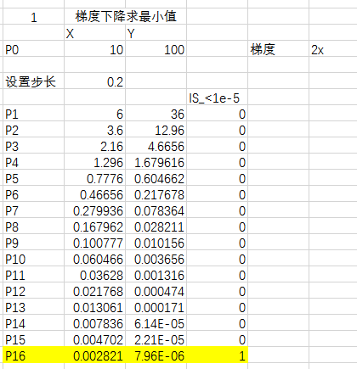
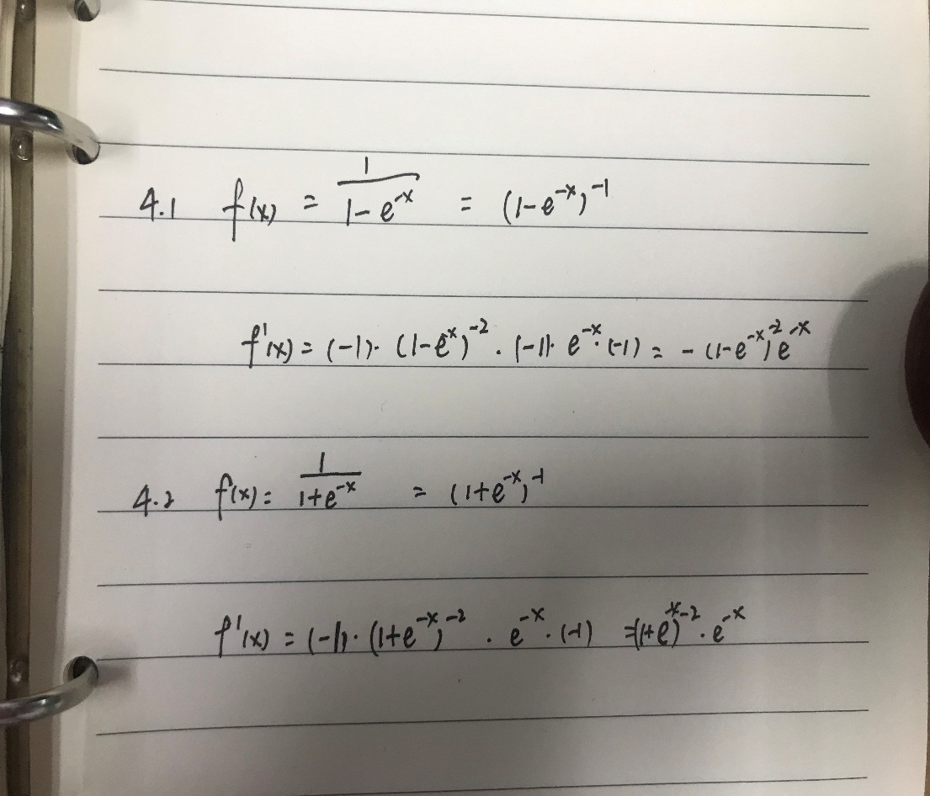

2

 | x1 | x2
1 | 0.3 | 0.46
2 | -0.6 | -0.9
3 | -0.1 | -0.21
4 | 0.1 | -0.2
5 | 0.2 | 0.1
6 | 0.8 | 0.6
7 | -0.3 | -0.2
8 | -0.7 | -0.82
9 | -0.4 | -0.34
10 | 0.4 | 0.2
11 | 0.6 | 0.9

