WhatToDo
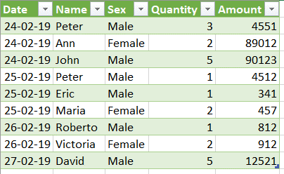
แปลงข้อมูลใน Sheet Data ให้อยู่ในรูปแบบของฐานข้อมูล

