Sheet2
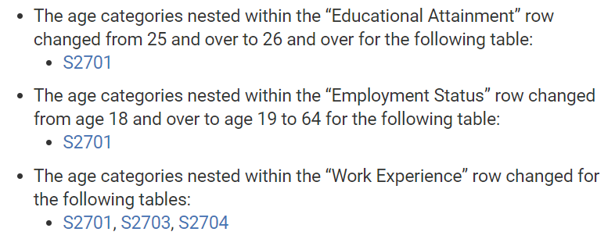

https://www.census.gov/programs-surveys/acs/technical-documentation/table-and-geography-changes/2017/5-year.html

