Sheet
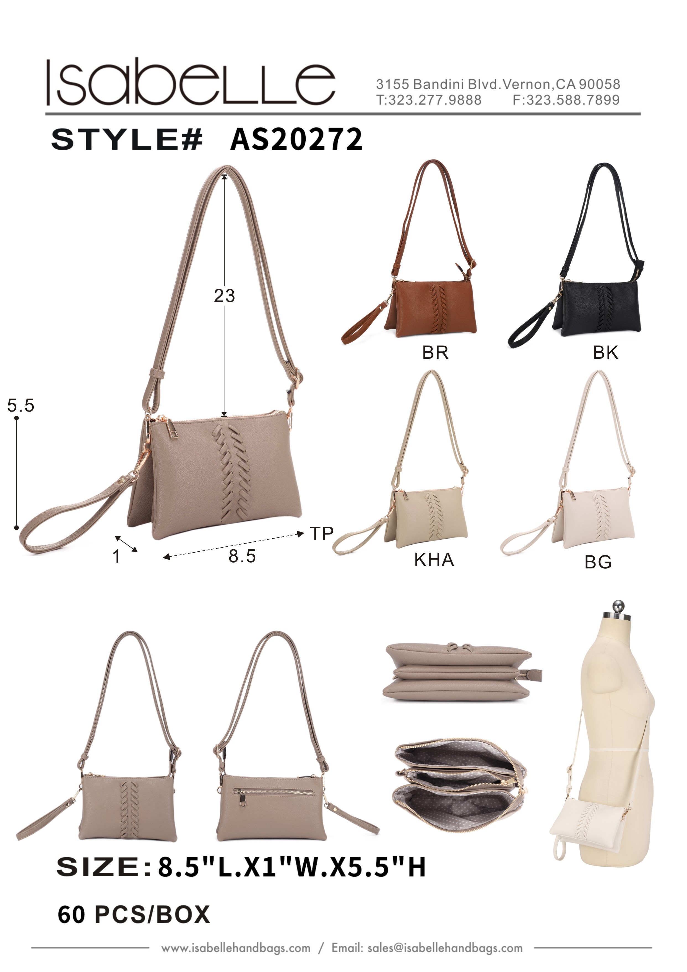
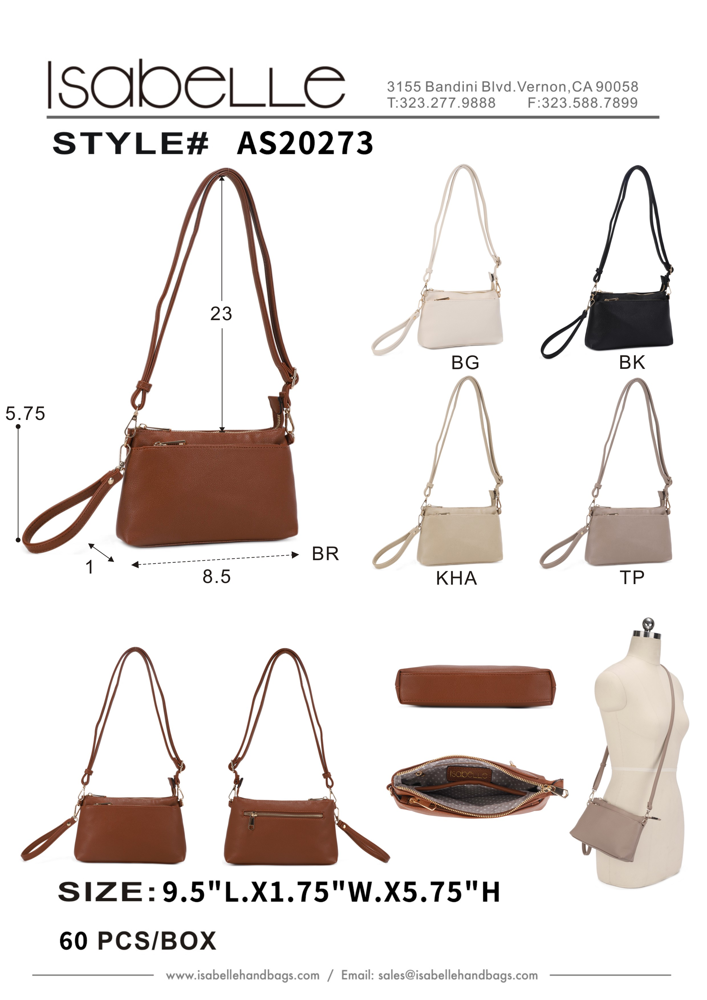
Product Picture | Product Name | Colors | Qty | Price | Product Picture | Product Name | Colors | Qty | Price
 | AS20272 | BG | 1500 | 12.25 |  | AS20273 | BG | 1494 | 12.25
 | AS20272 | BLS | 309 | 12.25 |  | AS20273 | BLS | 555 | 12.25
 | AS20272 | KHA | 1270 | 12.25 |  | AS20273 | BR | 766 | 12.25
 | AS20272 | VBL | 394 | 12.25 |  | AS20273 | VBL | 416 | 12.25

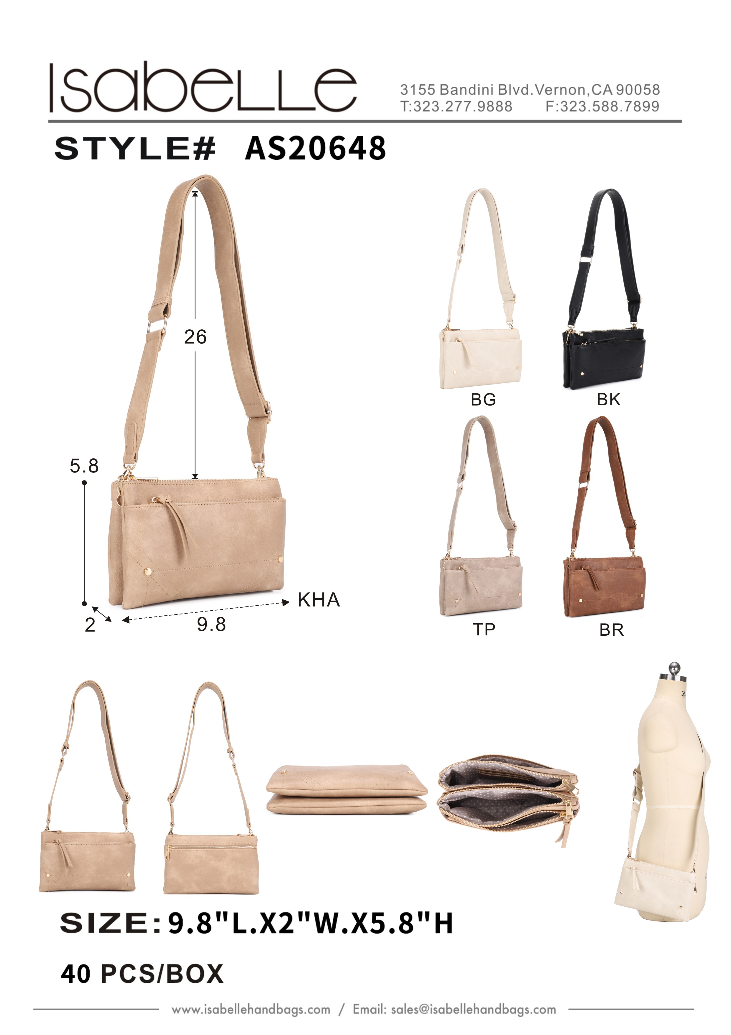
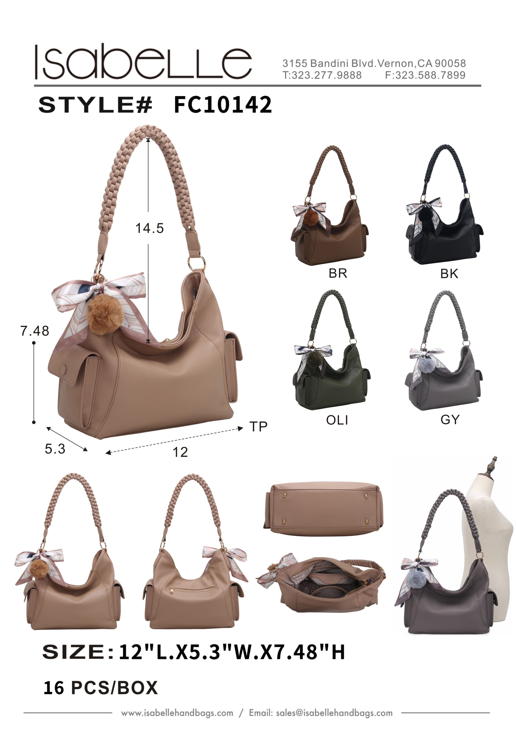
 | AS20648 | BG | 500 | 14.25 |  | FC10142 | ERROR | Invalid cost for SKU FC10142:
 | AS20648 | BLS | 500 | 14.25
 | AS20648 | KHA | 500 | 14.25
 | AS20648 | MAV | 1 | 14.25
 | AS20648 | SA | 1494 | 14.25
 | AS20648 | TP | 500 | 14.25
 | AS20648 | VBL | 500 | 14.25

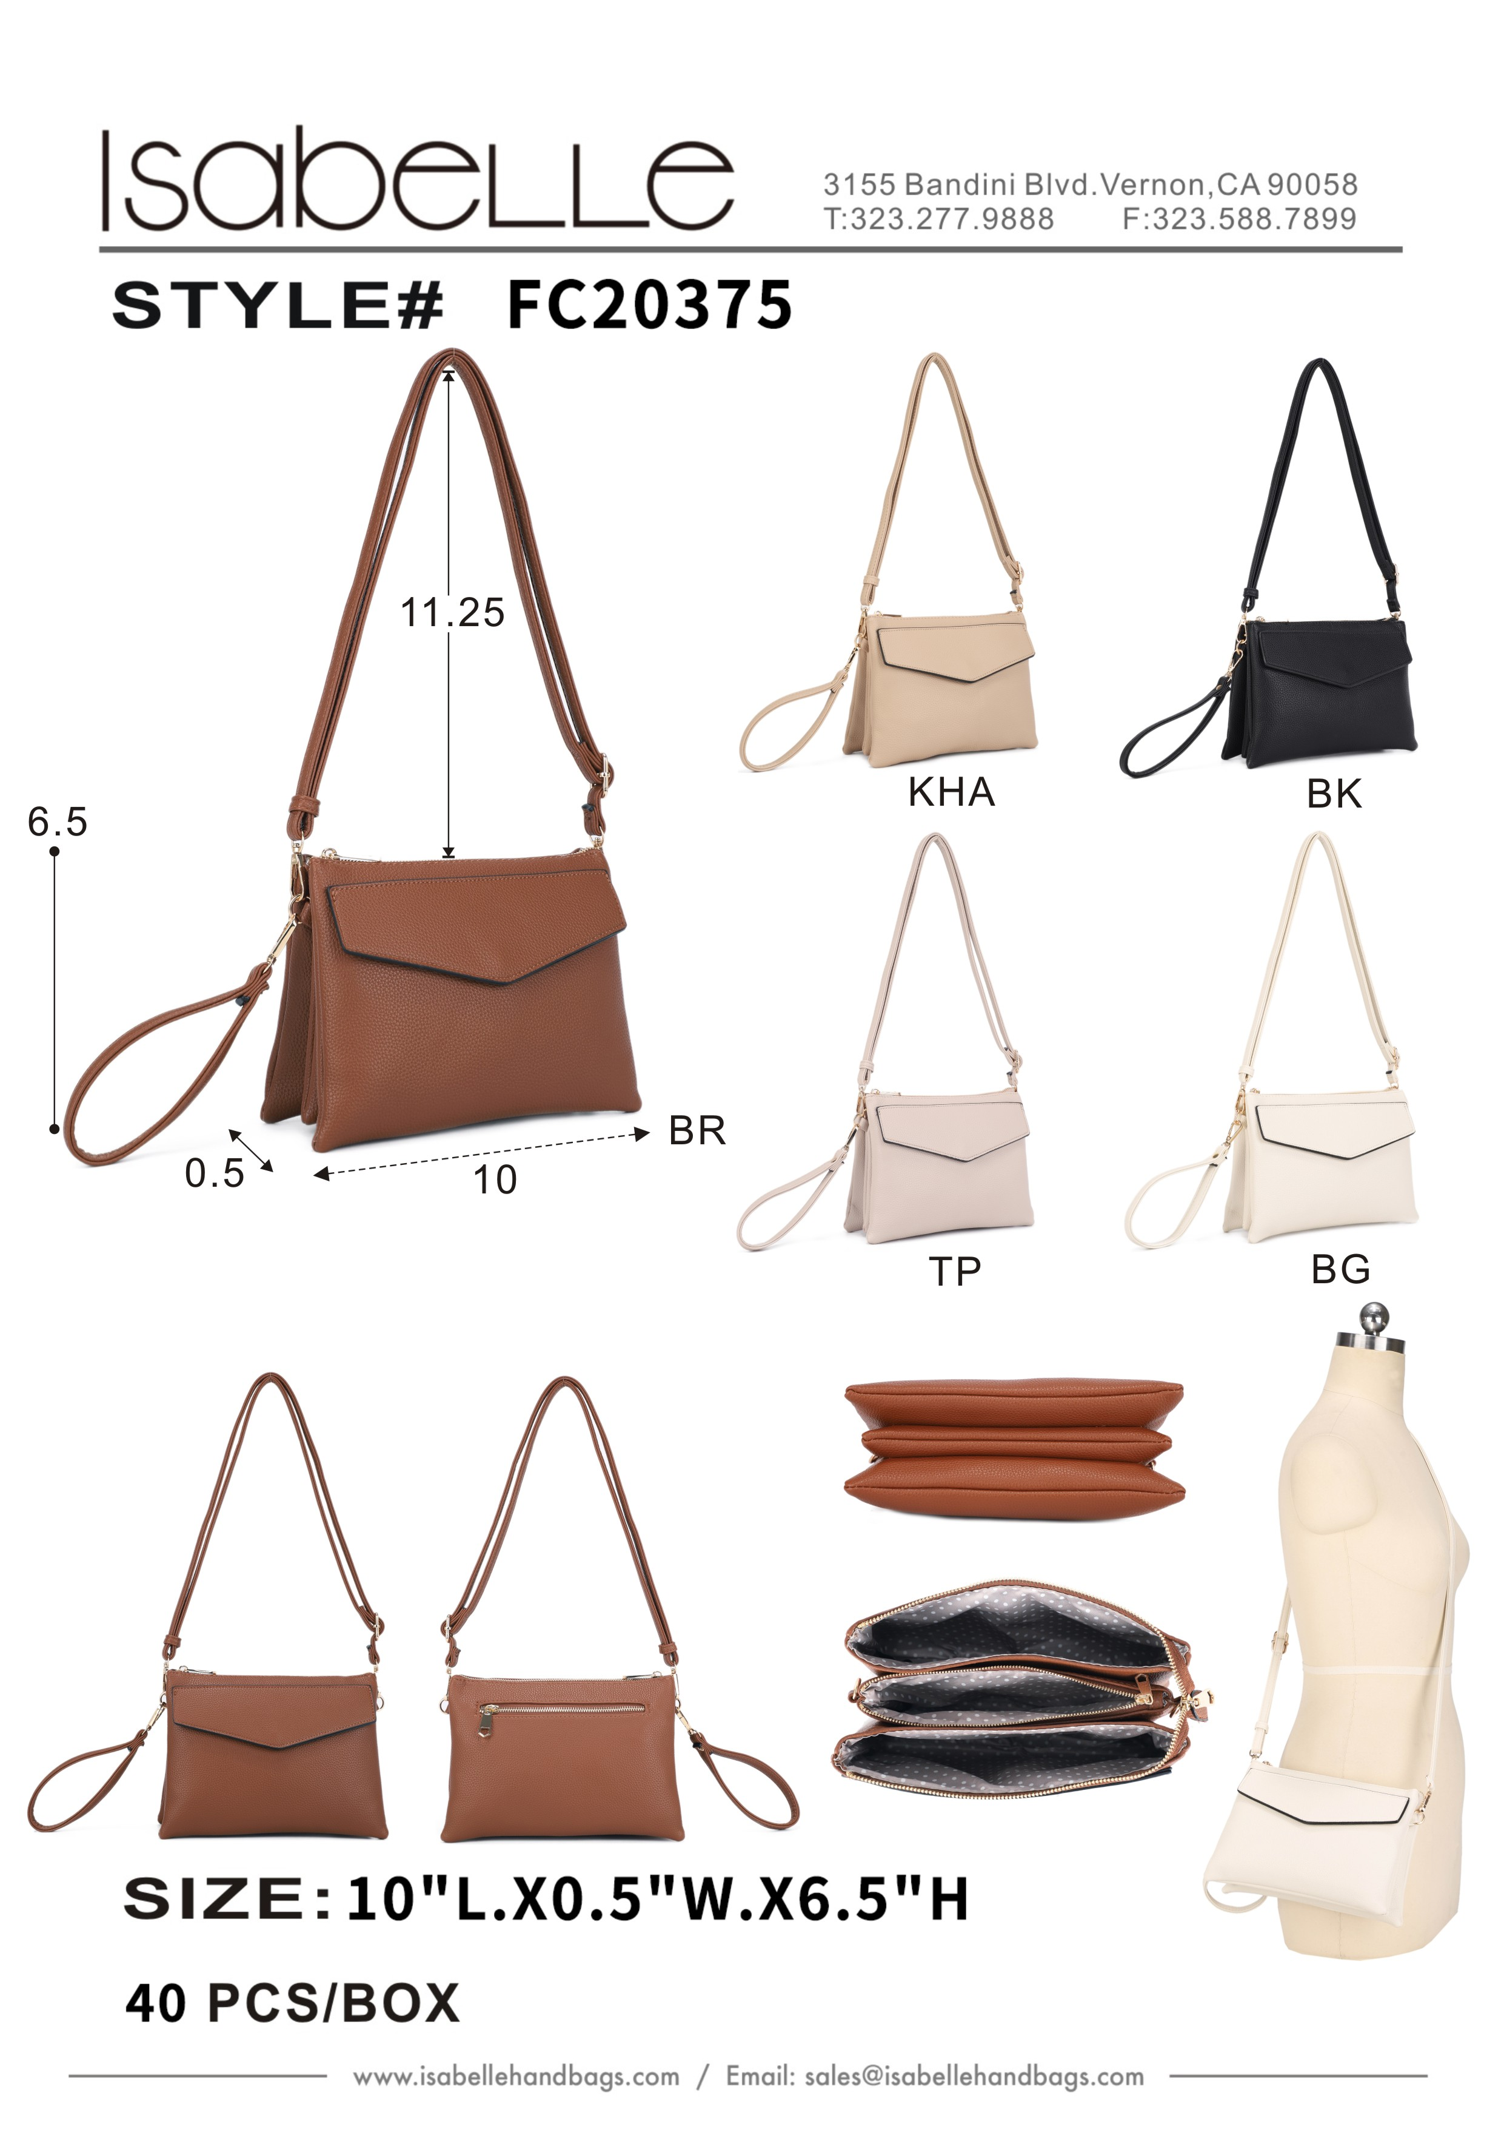
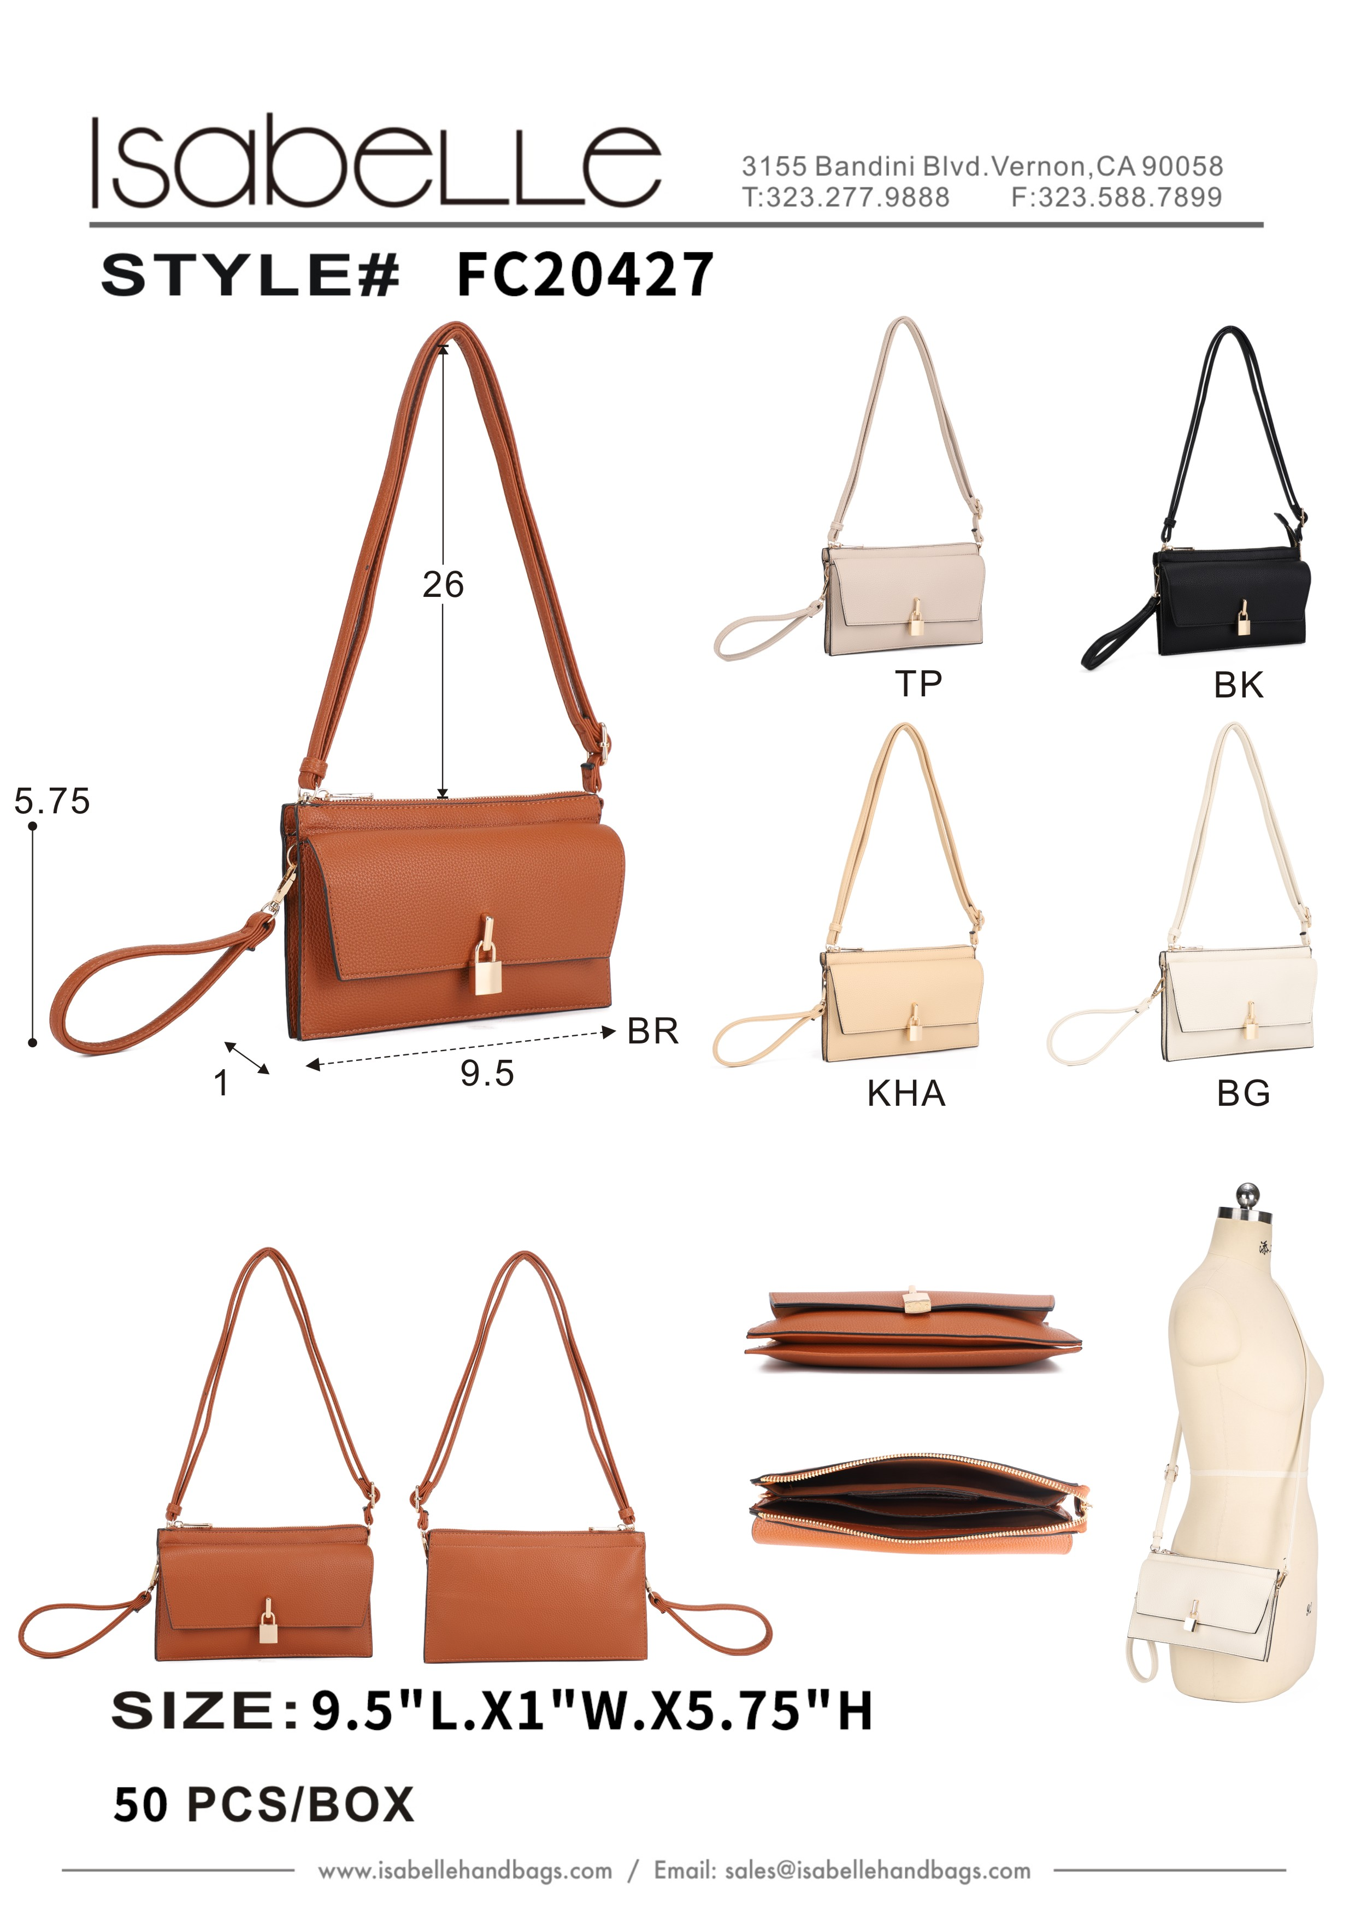
 | FC20375 | BG | 580 | 13 |  | FC20427 | ERROR | Invalid cost for SKU FC20427:
 | FC20375 | KHA | 987 | 13
 | FC20375 | MATCHA | 9 | 13
 | FC20375 | TURQ | 620 | 13

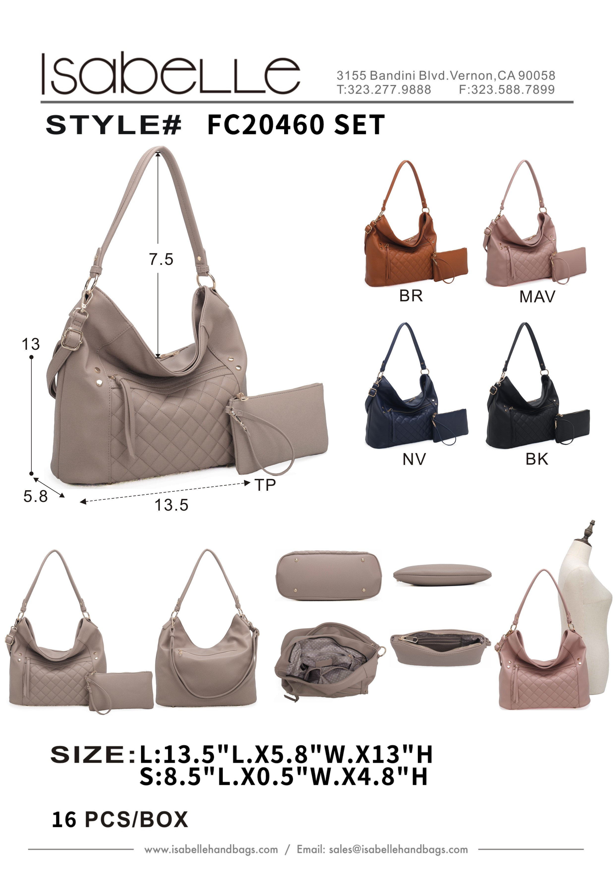
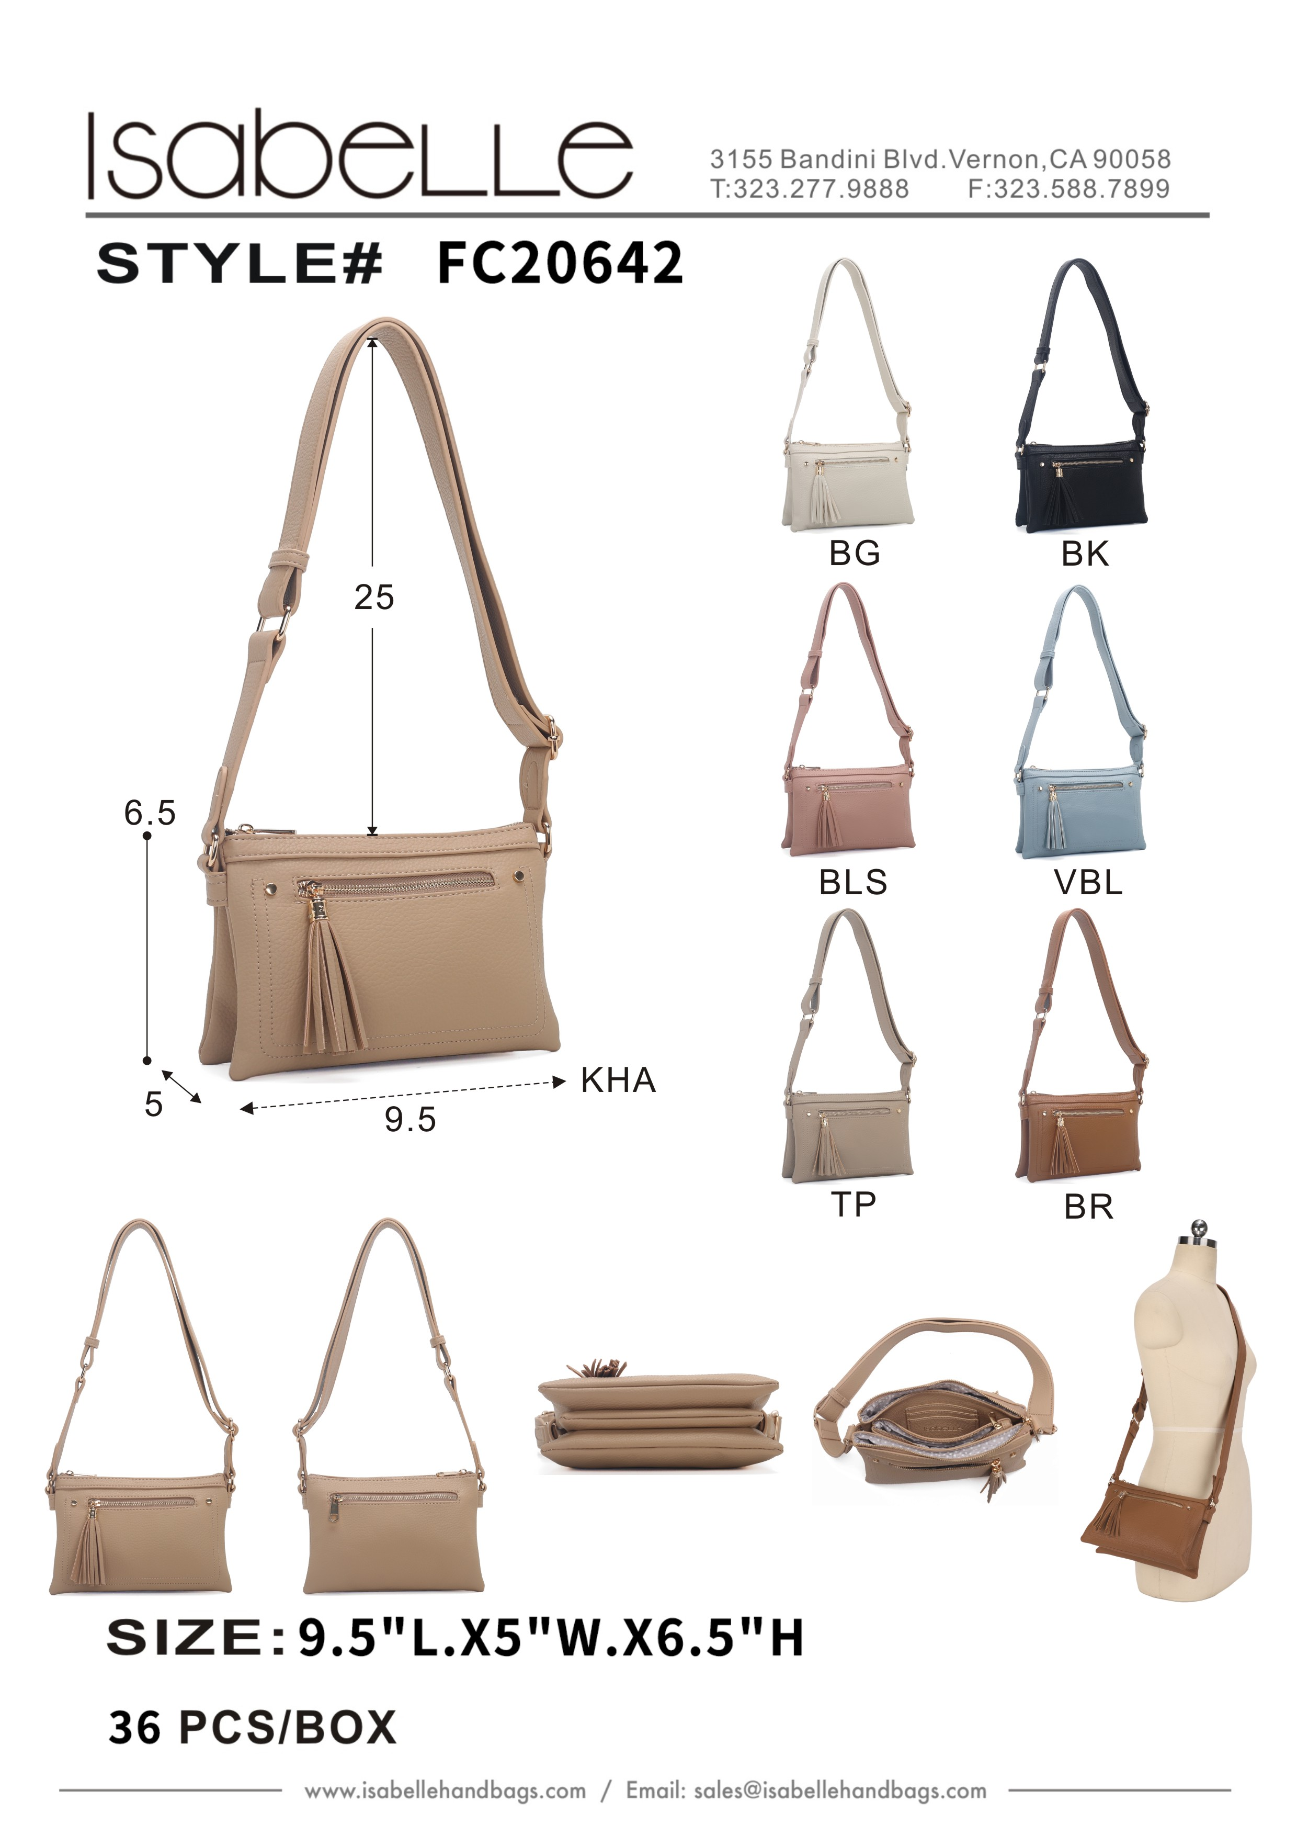
 | FC20460 SET | ERROR | Invalid cost for SKU FC20460 SET: |  |  | FC20642 | ERROR | Invalid cost for SKU FC20642:

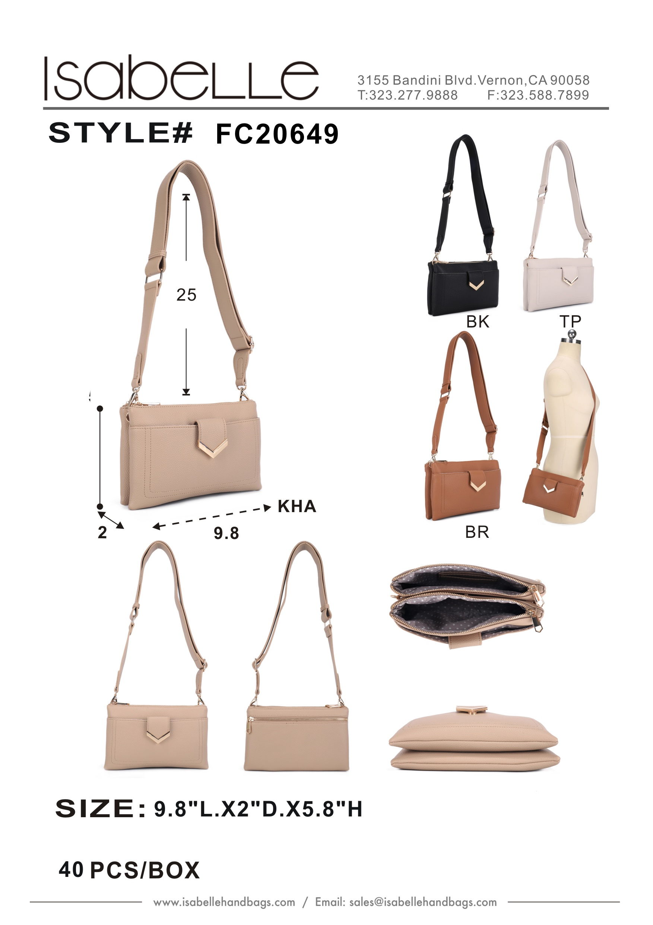
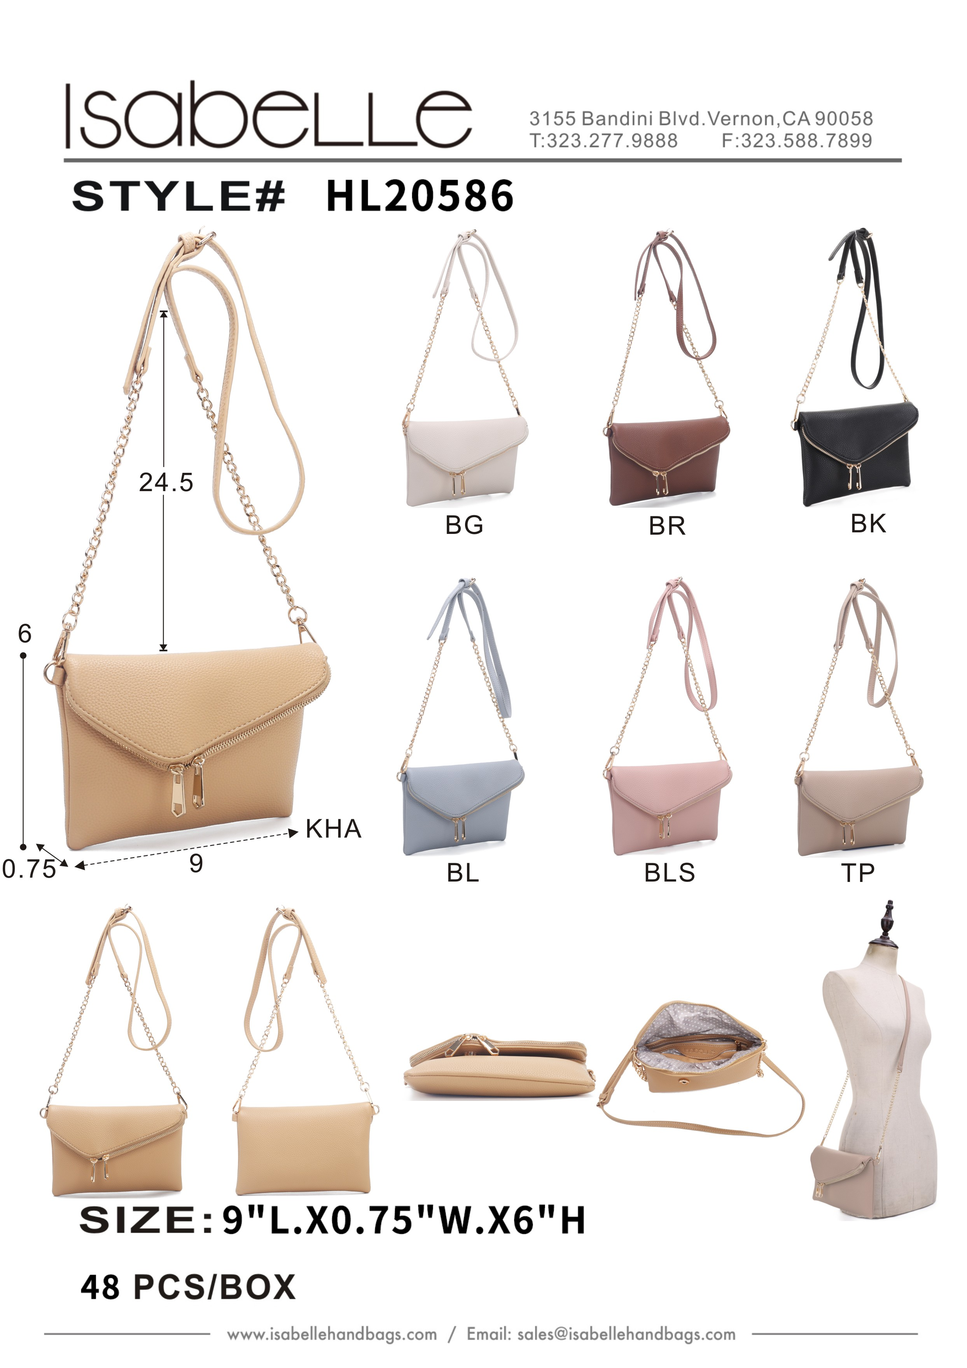
 | FC20649 | KHA | 740 | 14 |  | HL20586 | APRICOT | 112 | 11.5
 | FC20649 | MAV | 714 | 14 |  | HL20586 | BG | 357 | 11.5
 | FC20649 | SA | 1684 | 14 |  | HL20586 | BLS | 209 | 11.5
 |  |  |  |  |  | HL20586 | GN | 301 | 11.5
 |  |  |  |  |  | HL20586 | TP | 291 | 11.5

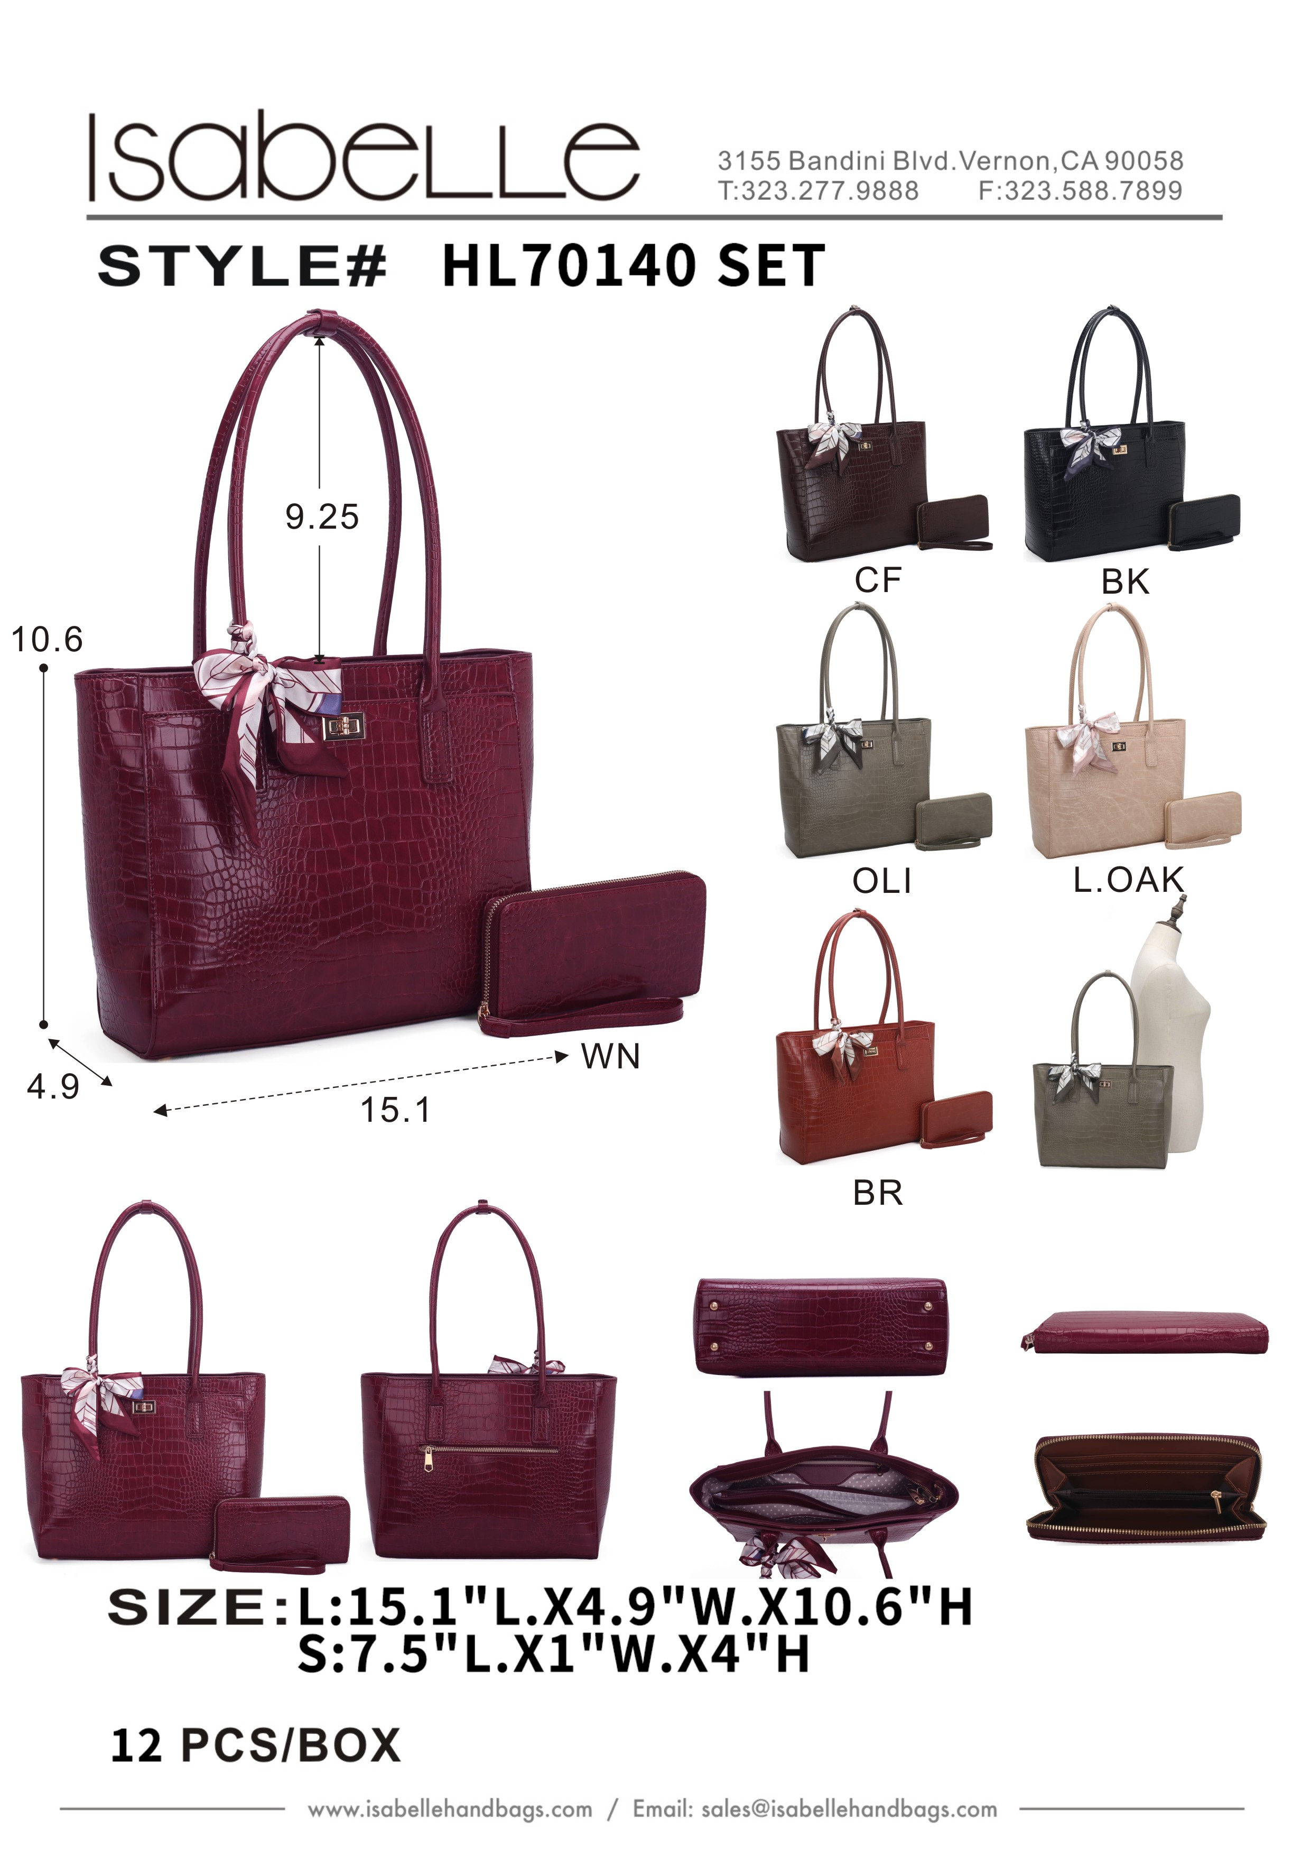
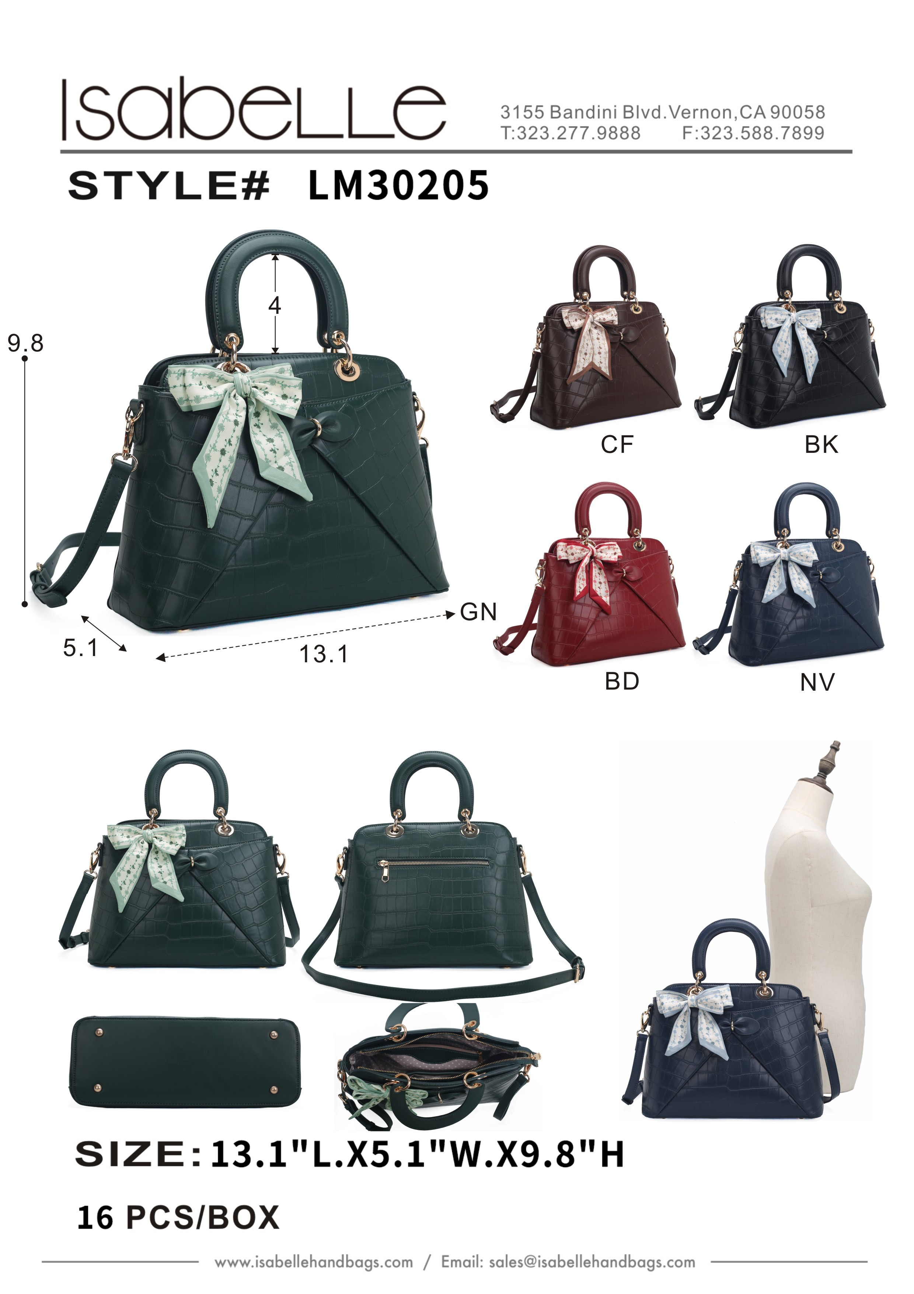
 | HL70140 SET | ERROR | SKU HL70140 SET not found or search timed out |  |  | LM30205 | ERROR | Invalid cost for SKU LM30205:

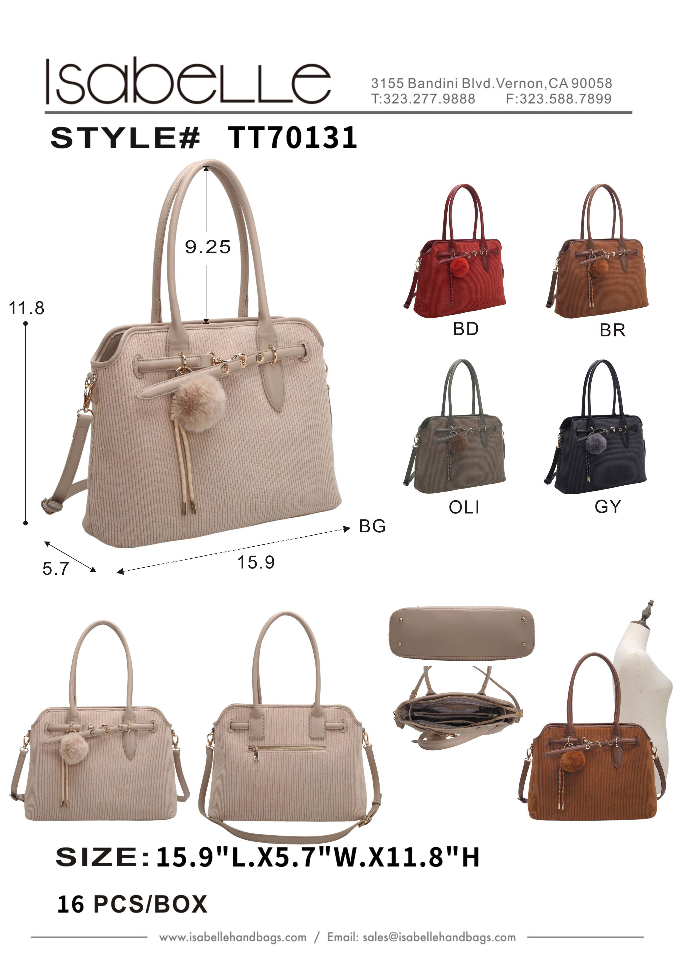
 | THUMBS | ERROR | SKU THUMBS not found or search timed out |  |  | TT70131 | ERROR | Invalid cost for SKU TT70131:

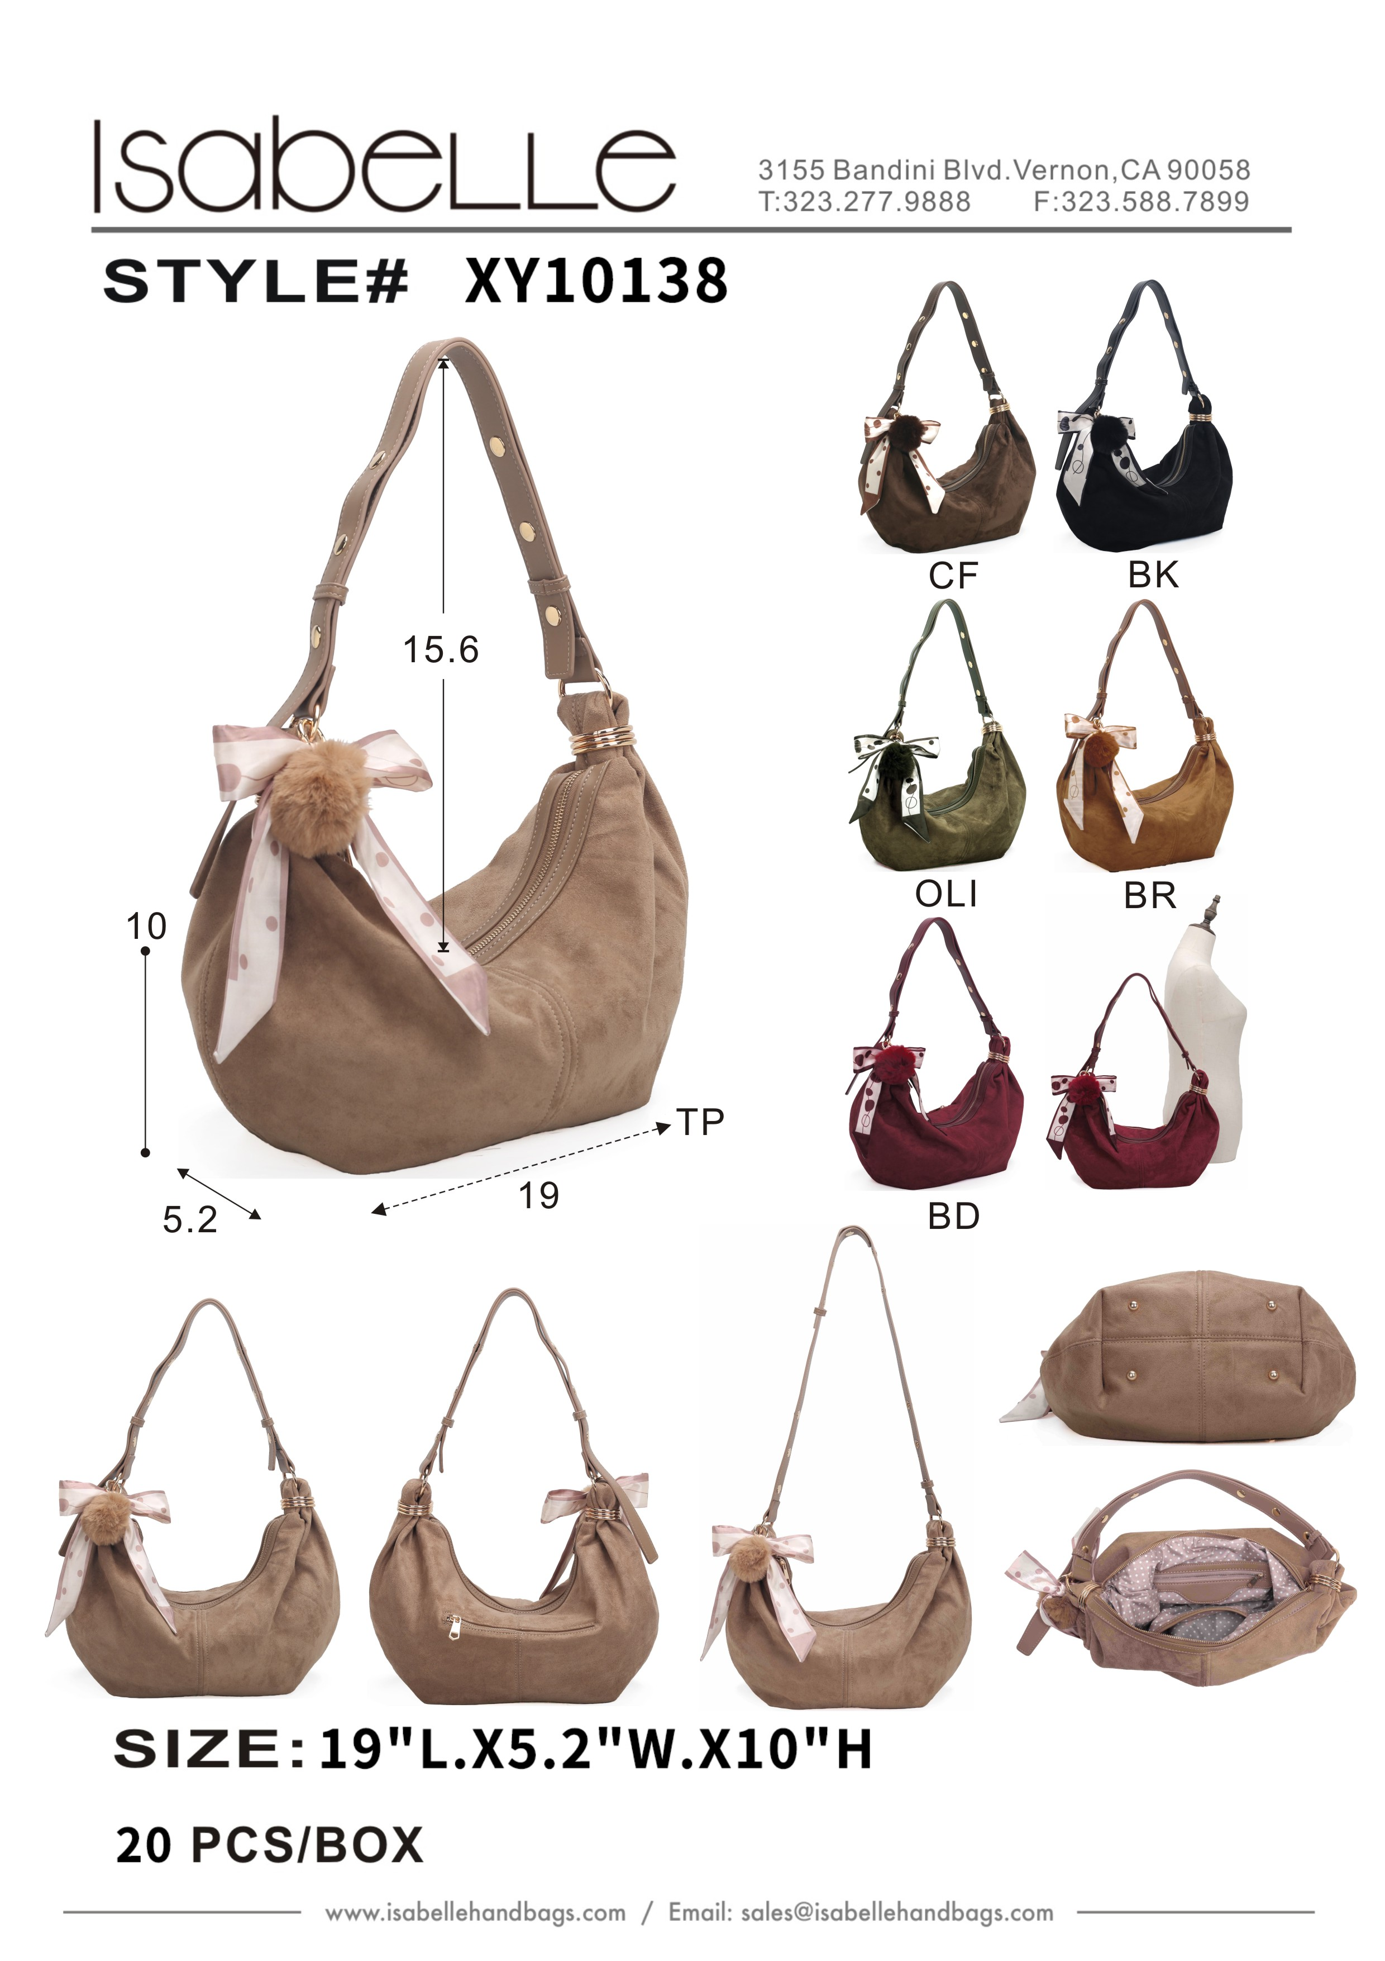
 | XY10138 | ERROR | Invalid cost for SKU XY10138:

