inStockInventory
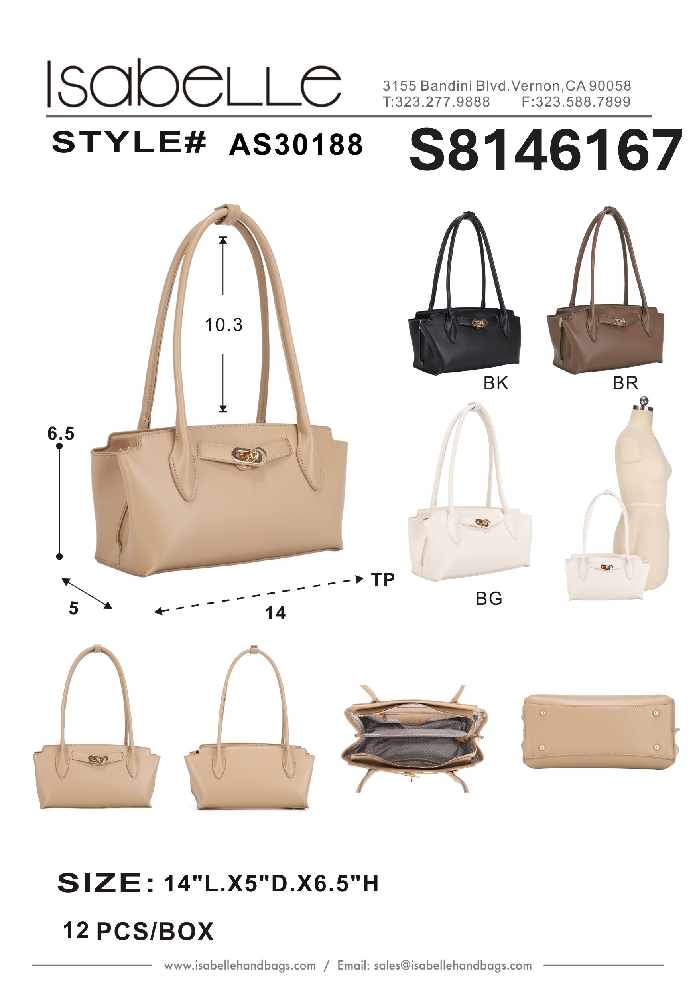
Product Picture | Product Name | Colors | Qty | Price
 | AS30188

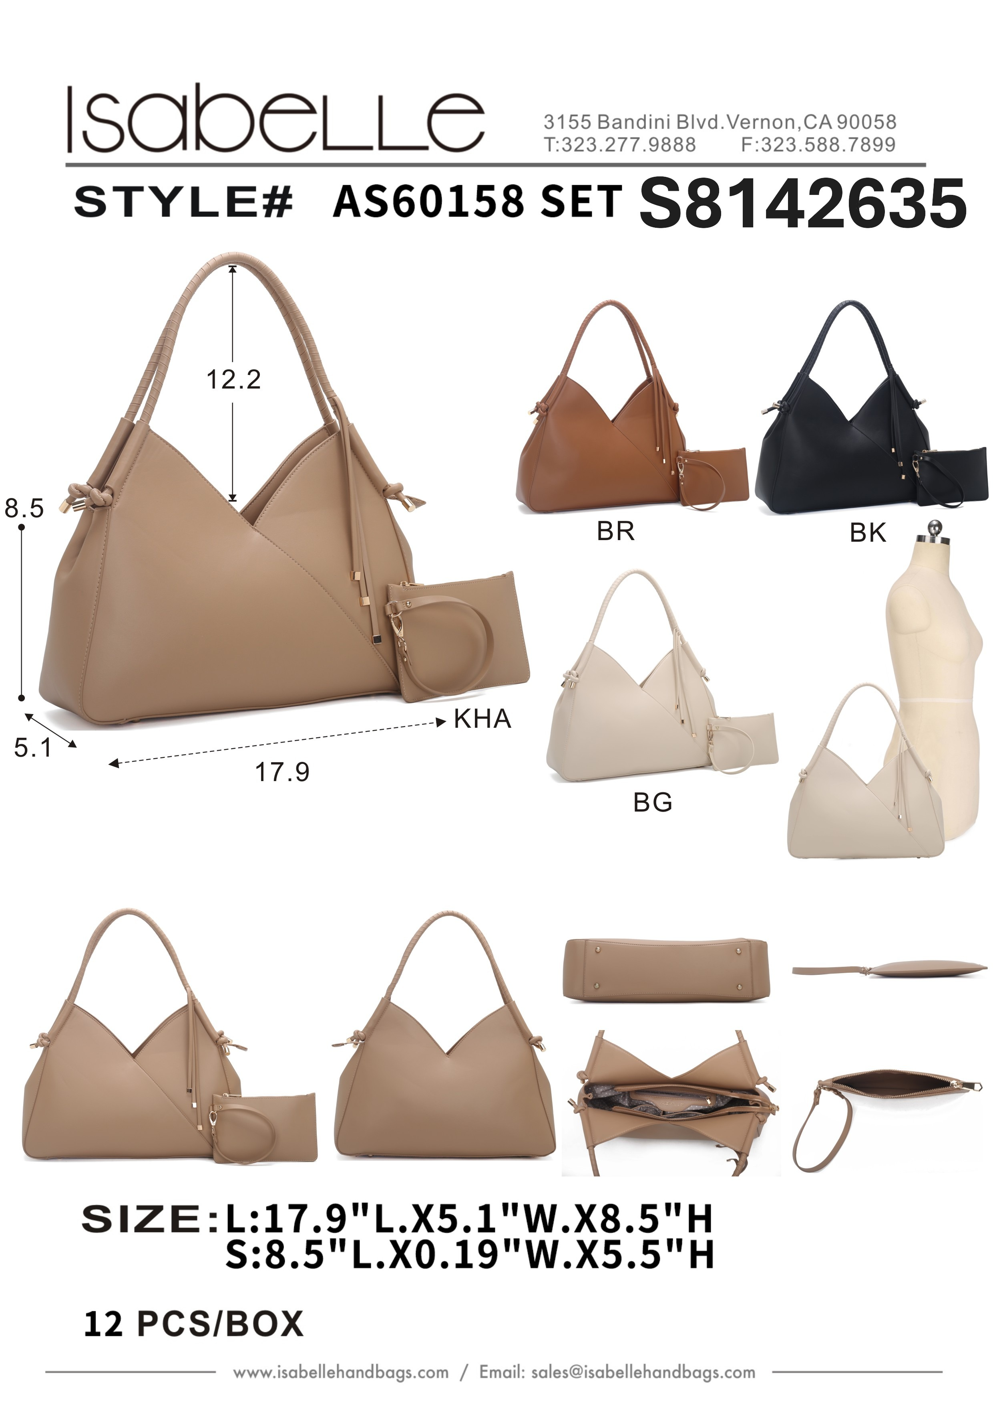
 | AS60158 SET

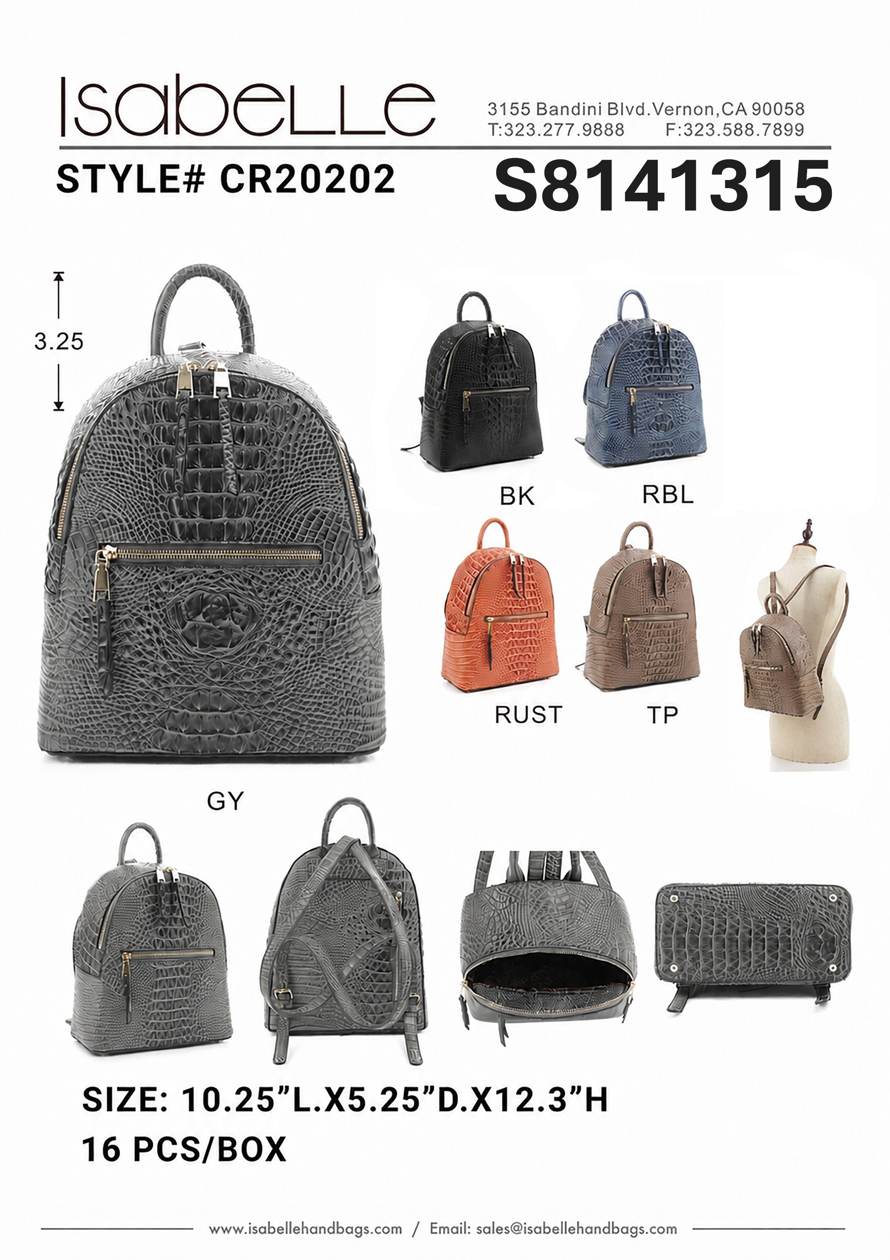
 | CR20202

