Sheet
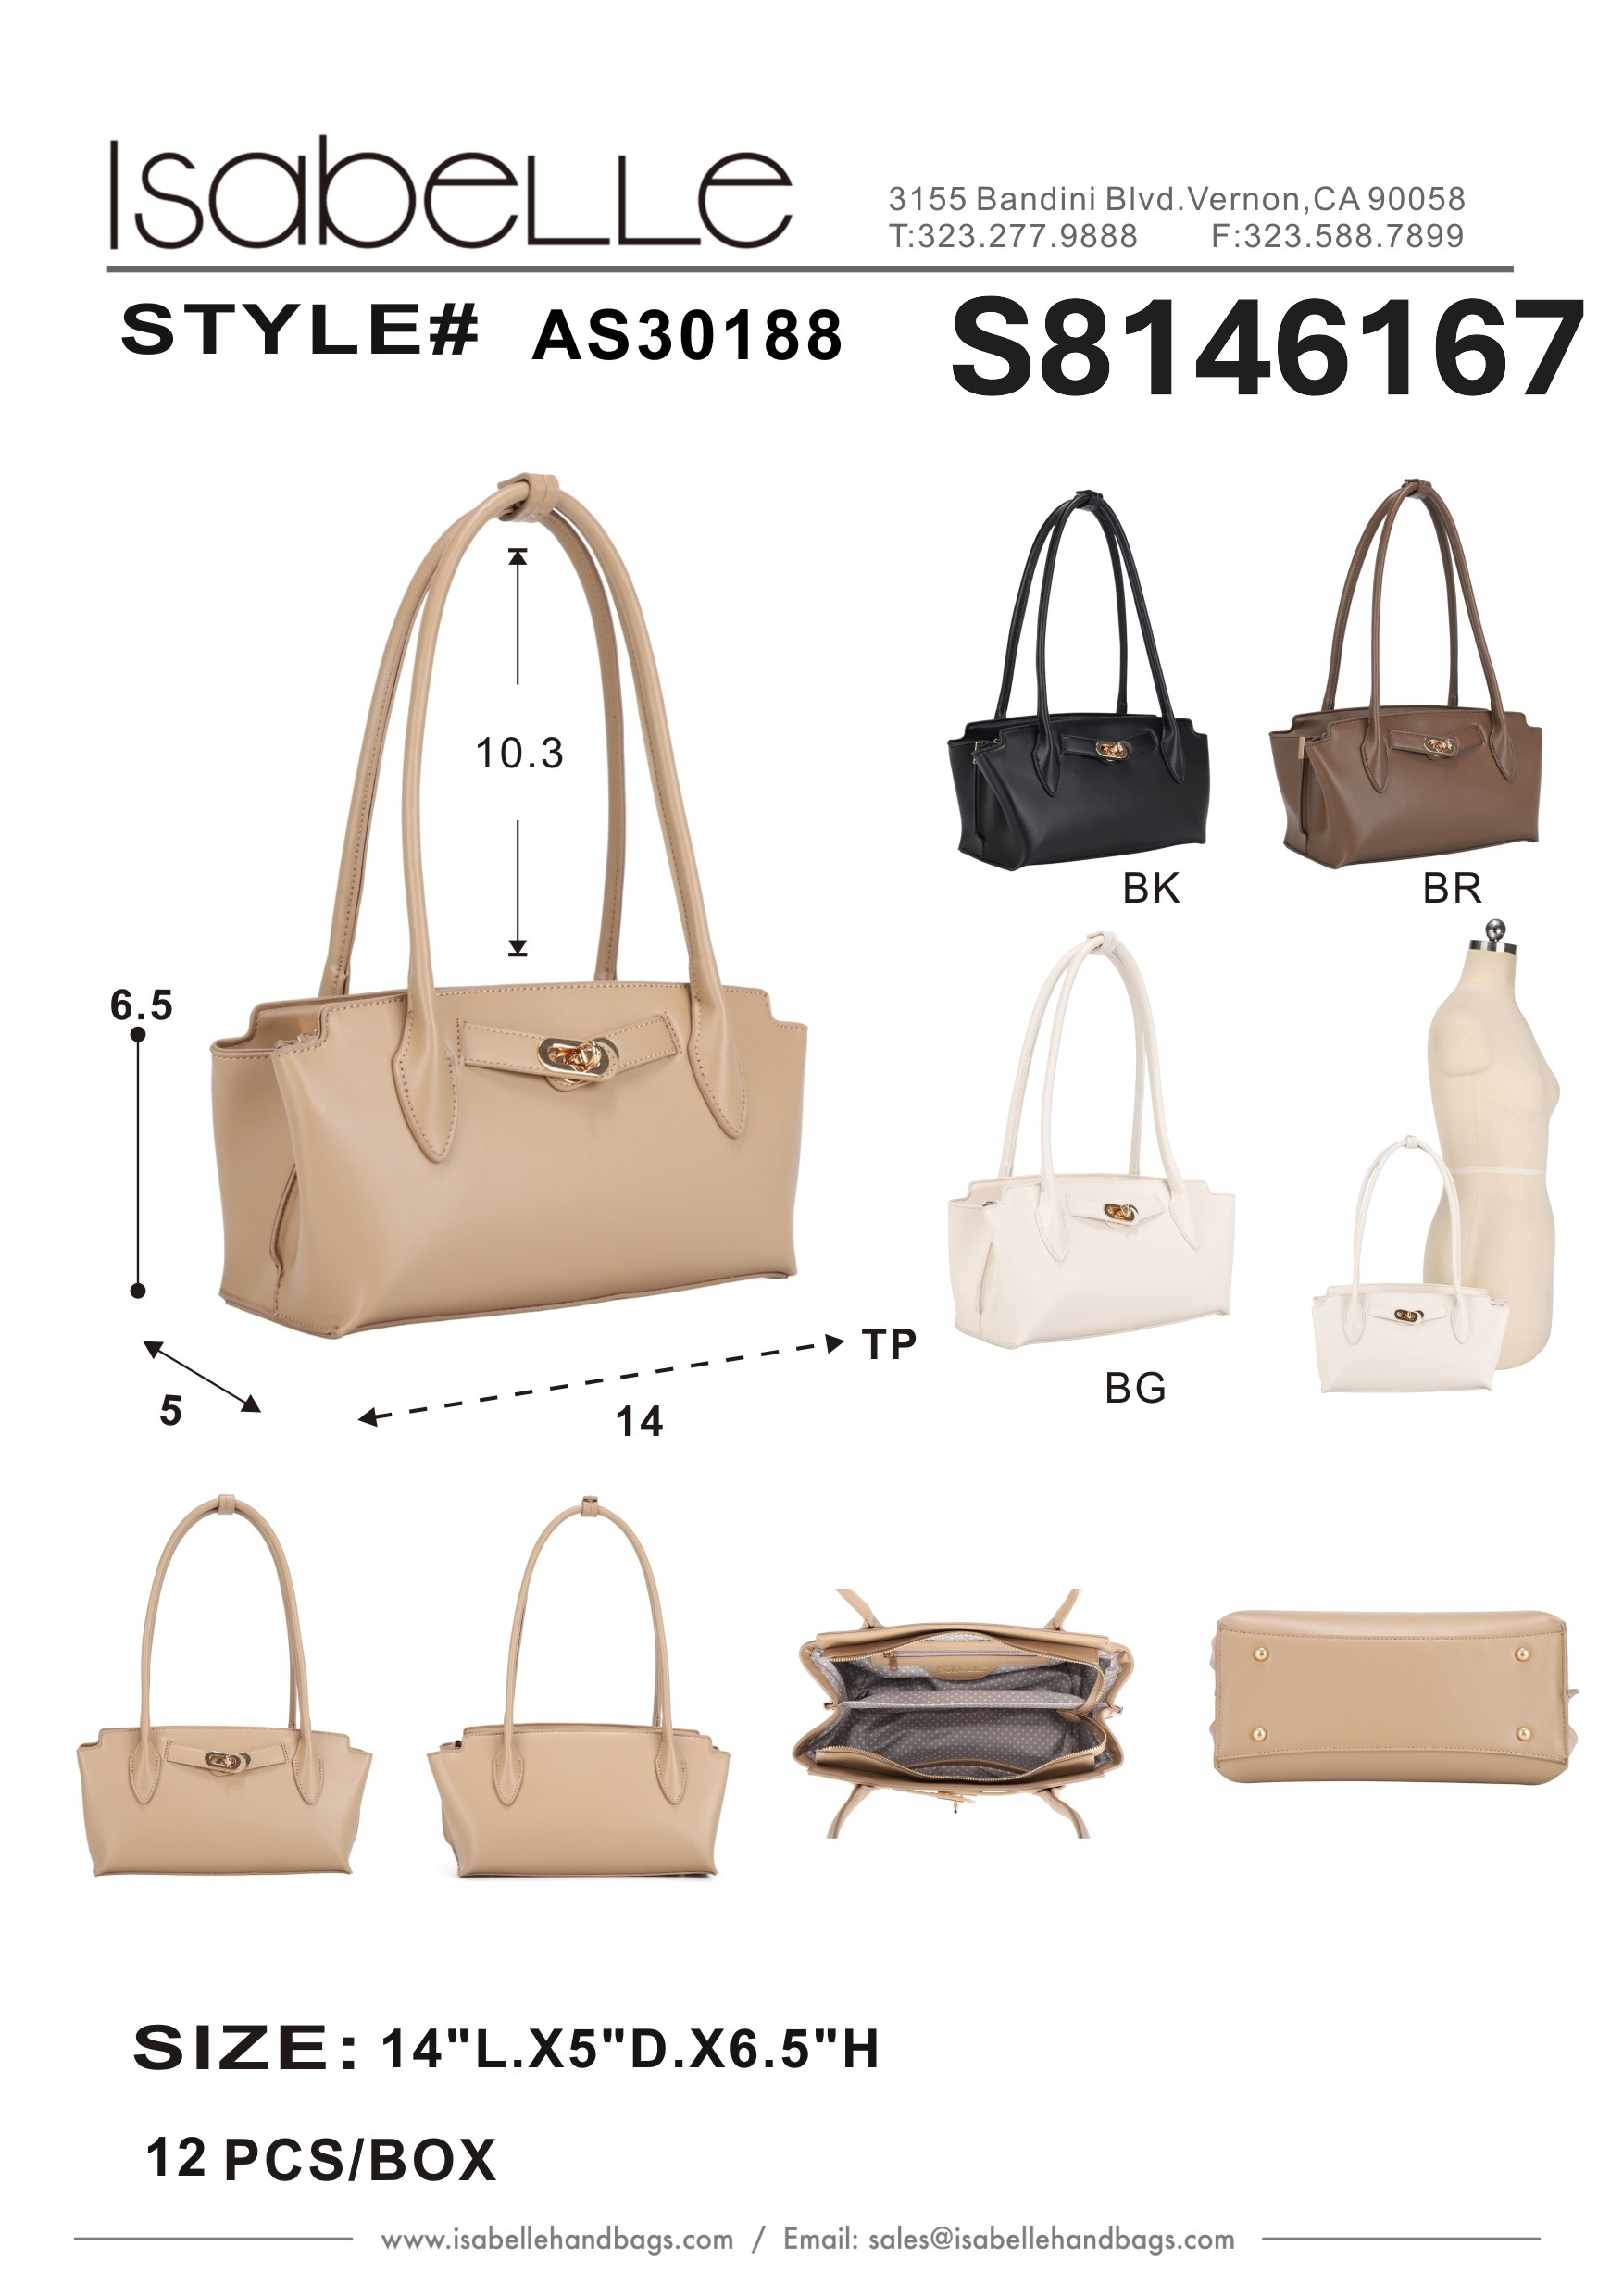
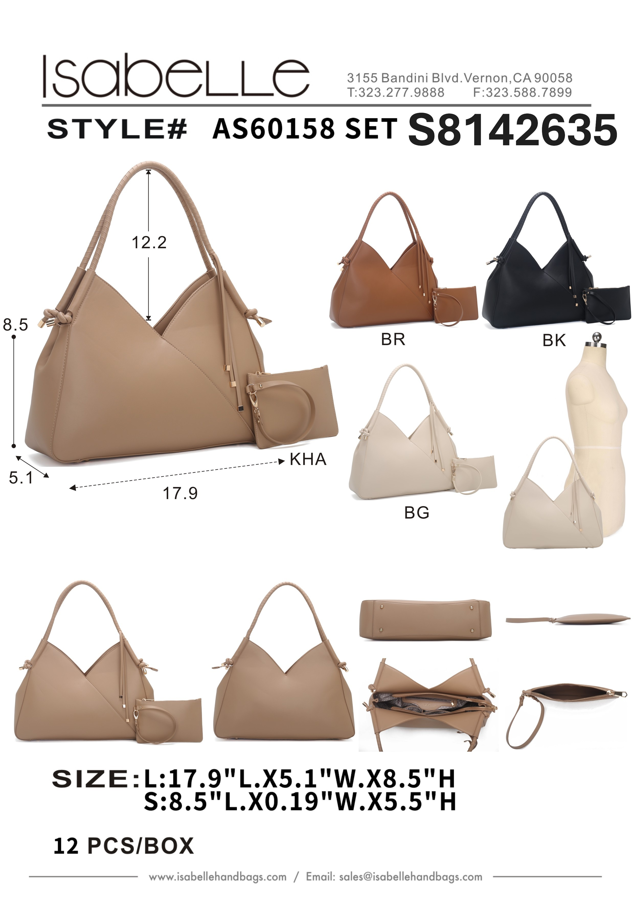
Product Picture | Product Name | Colors | Qty | Price | Product Picture | Product Name | Colors | Qty | Price
 | AS30188 | BEIGE | 107 | 23 |  | AS60158 SET | BG | 117 | 23.5
 | AS30188 | BLACK | 249 | 23 |  | AS60158 SET | BK | 357 | 23.5
 | AS30188 | BROWN | 155 | 23 |  | AS60158 SET | BR | 174 | 23.5
 | AS30188 | TAUPE | 101 | 23 |  | AS60158 SET | KHA | 113 | 23.5

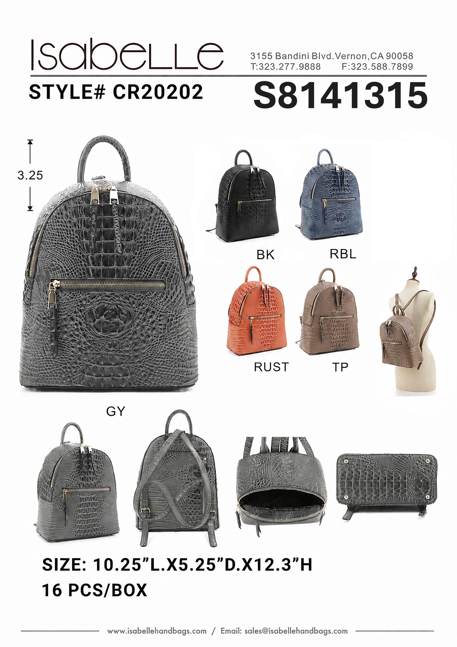
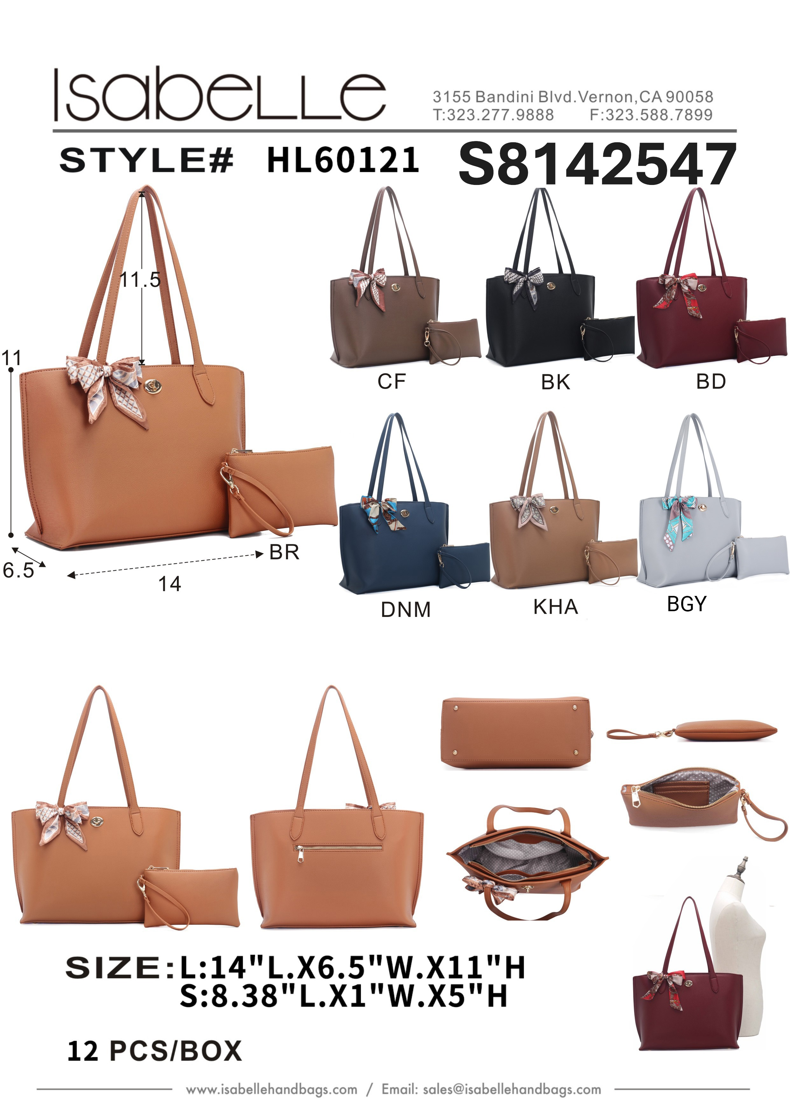
 | CR20202 | BK | 163 | 23 |  | HL60121 SET | BGY | 7 | 23.5
 | CR20202 | GY | 89 | 23 |  | HL60121 SET | BK | 250 | 23.5
 | CR20202 | RBL | 98 | 23 |  | HL60121 SET | BR | 74 | 23.5
 | CR20202 | RUST | 62 | 23 |  | HL60121 SET | CF | 105 | 23.5
 | CR20202 | TP | 12 | 23 |  | HL60121 SET | KHA | 42 | 23.5
 |  |  |  |  |  | HL60121 SET | ST | 1 | 23.5

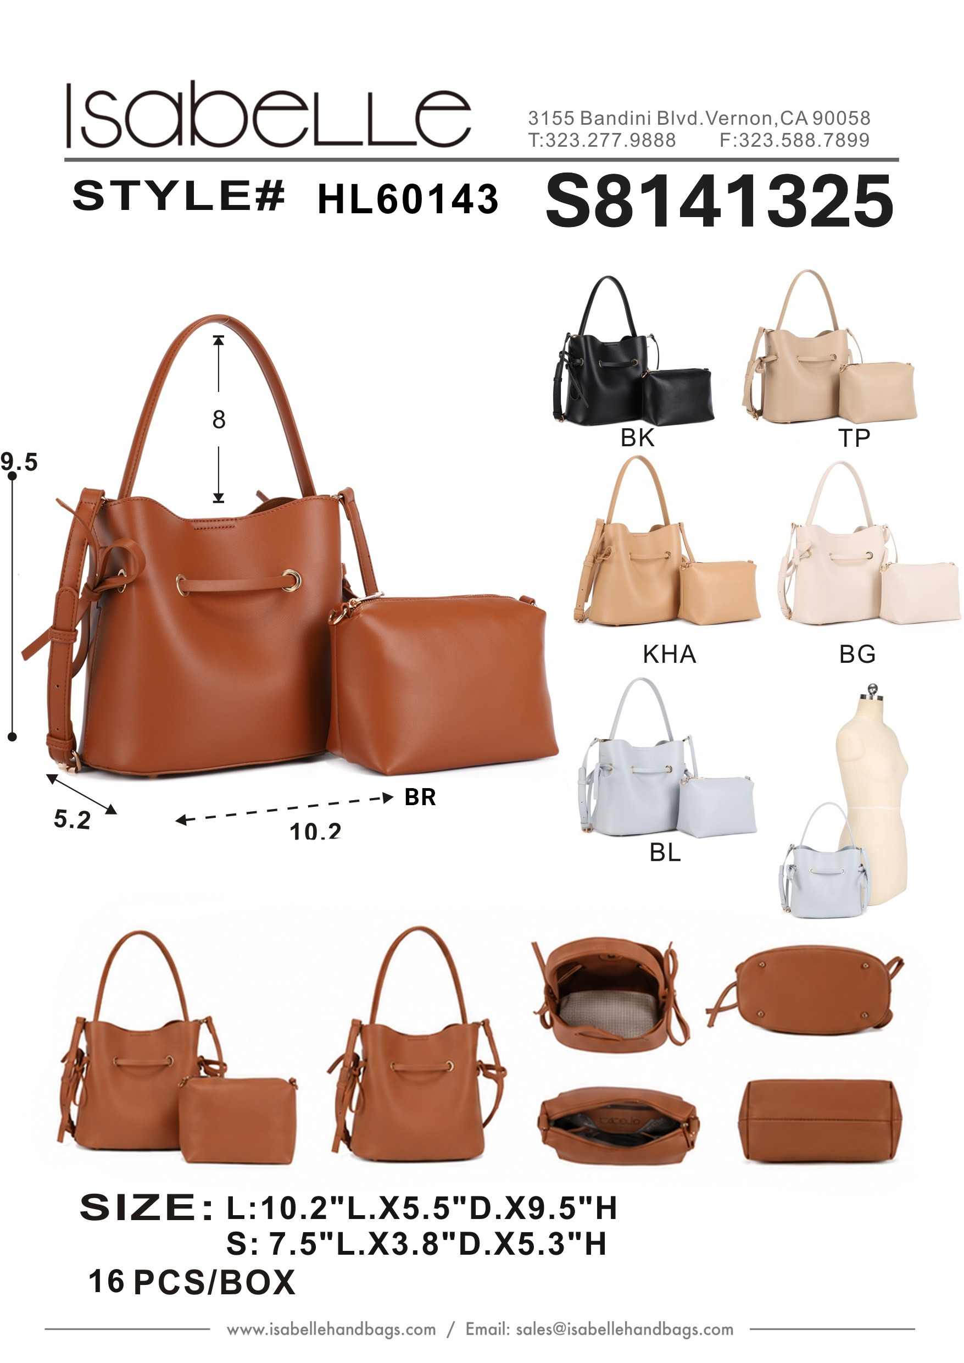
 | HL60143 SET | BG | 123 | 23.25
 | HL60143 SET | BK | 434 | 23.25
 | HL60143 SET | BL | 19 | 23.25
 | HL60143 SET | BR | 202 | 23.25
 | HL60143 SET | KHA | 101 | 23.25
 | HL60143 SET | TP | 91 | 23.25

