Conclustion
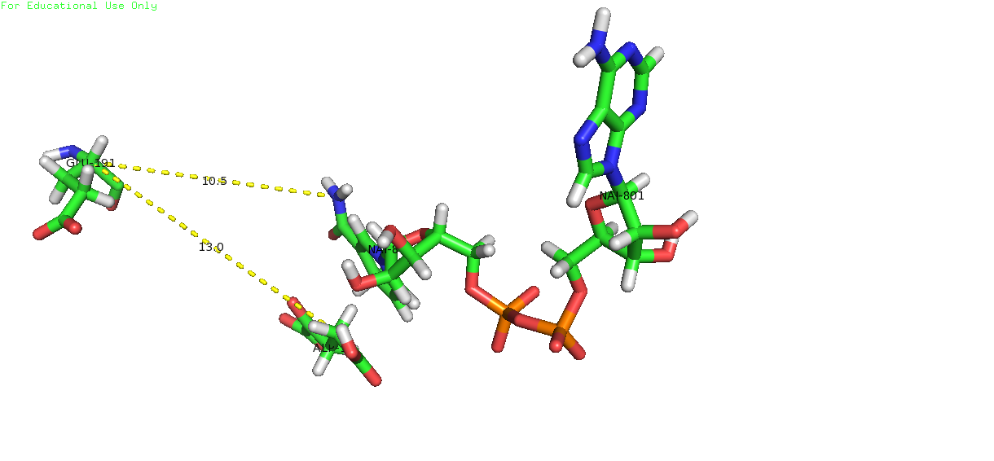
In the protonation states sheet, you'll find how the protonation states change as a function of the pH upon binding. We only see changes in the pH titration upon biding in two groups (ASP 51 and GLU 191), note that HIS 192 changes protonation upon binding
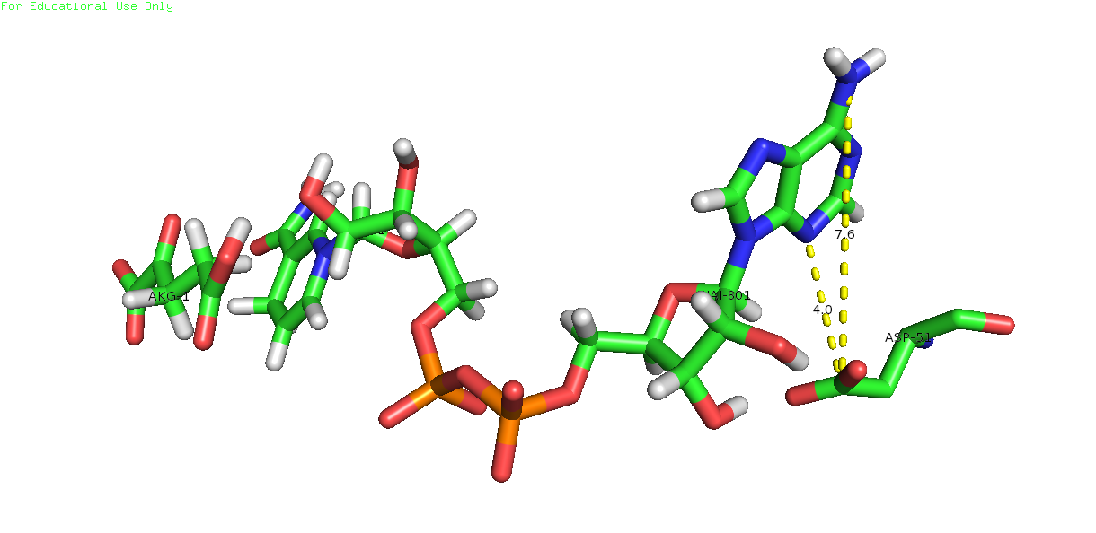

ASP-1 51 (un-bound)
 | ASP-1A0051_
1.00 | -0.12
2.00 | -0.48
3.00 | -0.84
4.00 | -0.95
5.00 | -0.99
6.00 | -1
7.00 | -1
8.00 | -1
9.00 | -1
10.00 | -1
ASP-1 51 (bound)
 | ASP-1A0051_
1.00 | 0
2.00 | 0
3.00 | 0
4.00 | -0.02
5.00 | -0.1
6.00 | -0.44
7.00 | -0.87
8.00 | -0.98
9.00 | -1
10.00 | -1

GLU-1 191 (un-bound)
 | GLU-1A0191_
1.00 | -0.02
2.00 | -0.02
3.00 | -0.02
4.00 | -0.04
5.00 | -0.11
6.00 | -0.4
7.00 | -0.84
8.00 | -0.98
9.00 | -1
10.00 | -1
GLU-1 191 (bound)
 | GLU-1A0191_
1.00 | -0.08
2.00 | -0.12
3.00 | -0.18
4.00 | -0.31
5.00 | -0.57
6.00 | -0.87
7.00 | -0.98
8.00 | -1
9.00 | -1
10.00 | -1

