Conclustion
At all pH's, NADH change charge from -2 to -3 (from unbound to bound), that it from the 1st conformer to the 5th conformer (fig1) At all pH's AKG changes charge from -2 to -1 (from unbound to bound) fig2. At all pH's res number 51 (ASP) changes charges from -1 to 0 (-1 when both NAI and AKG are unbound, 0 when both bound) fig3 At all pH's res number 192 (HIS) changes charges from 0 to 1 (0 when both NAI and AKG are unbound, 1 when both bound) fig3

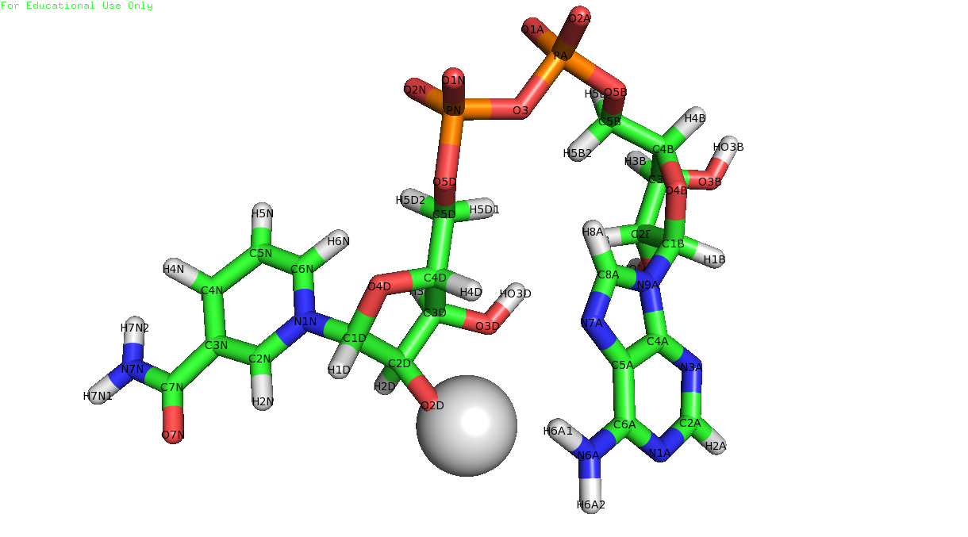
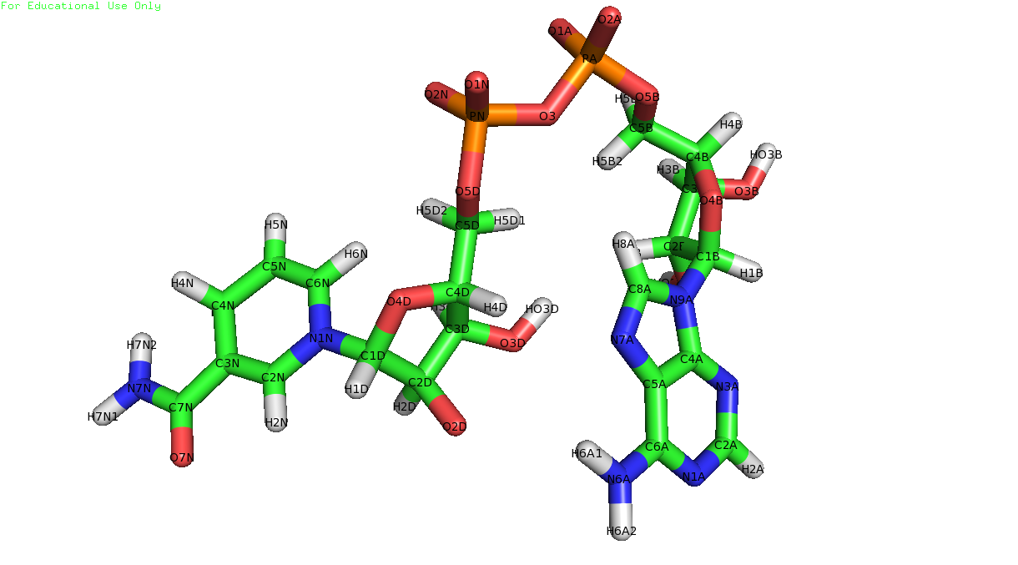

a

b

Fig 1: (a) NADH first confomer with charge of -2 (b) NADH five confomer with charge of -3

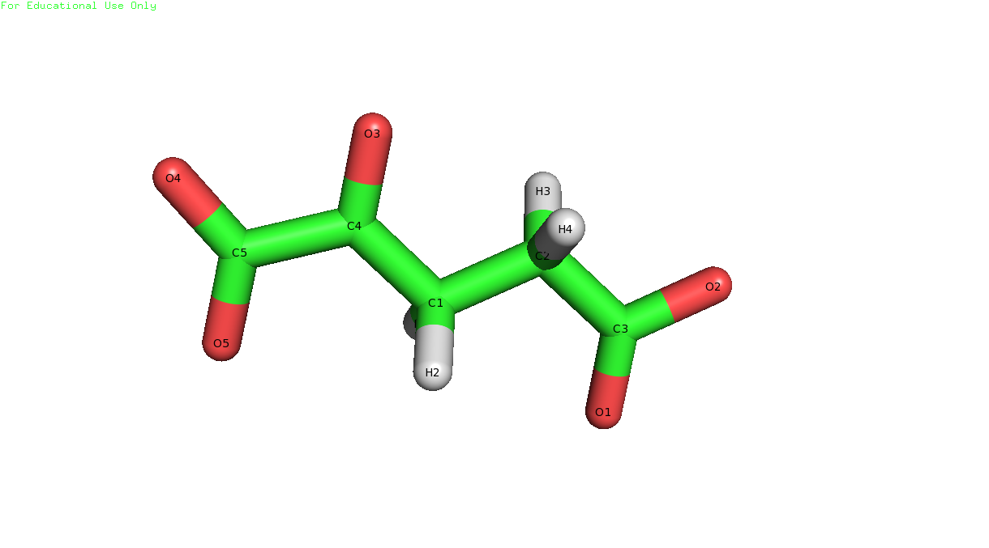
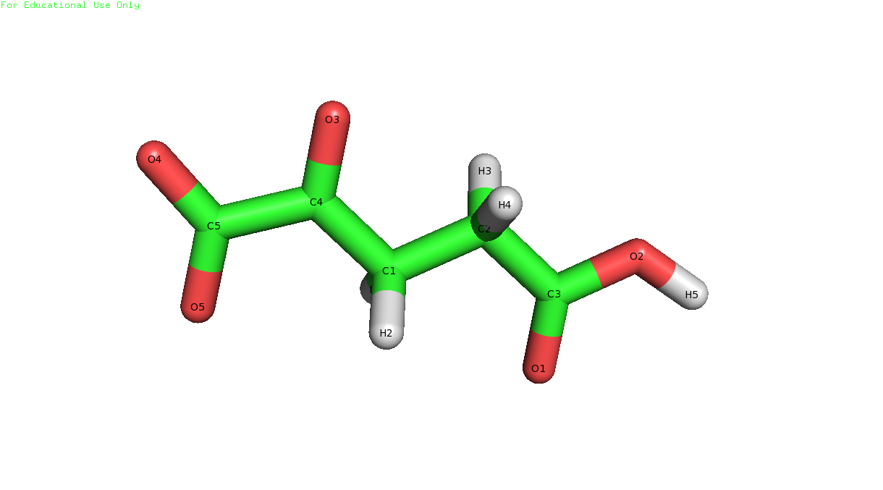

a
b

Fig 2: (a) AKG first confomer with charge of -2 (b) AKG second confomer with charge of -1

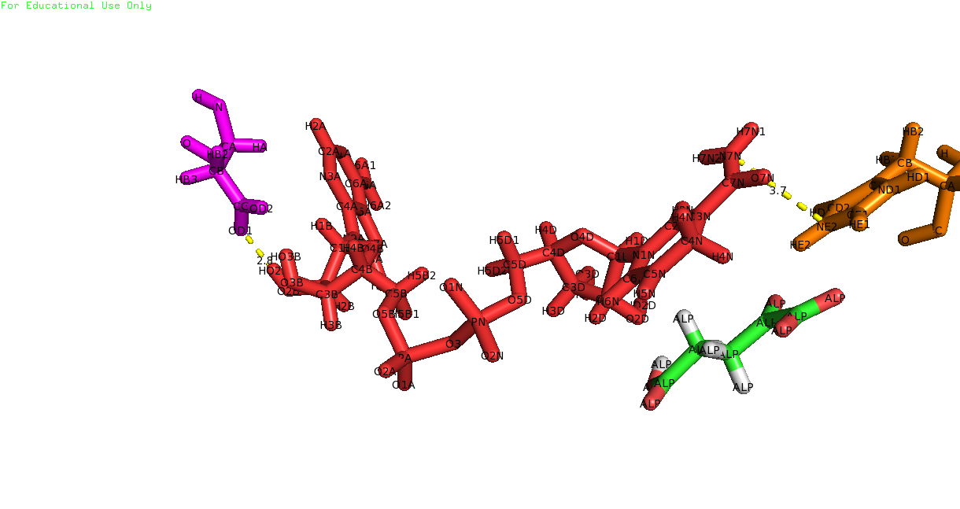

Fig 3: ASP51 in magenta and HIS192 in orange.

