Sheet1
Microstate List
Molecule | microstate ID | canonical isomeric SMILES | canonical SMILES
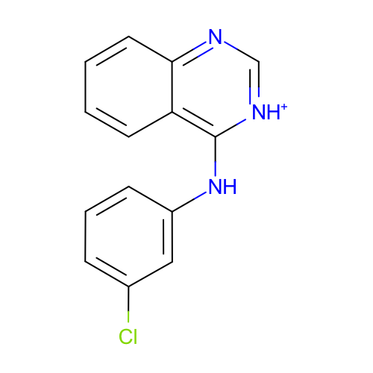 | SM12_micro001 | c1ccc2c(c1)c([nH+]cn2)Nc3cccc(c3)Cl | c1ccc2c(c1)c([nH+]cn2)Nc3cccc(c3)Cl
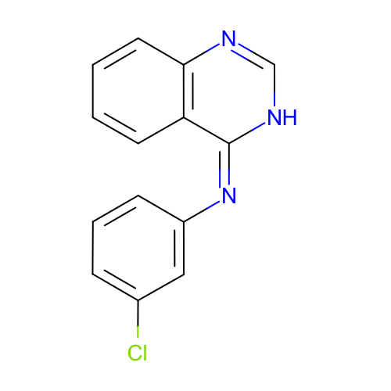 | SM12_micro002 | c1ccc2c(c1)/c(=N\c3cccc(c3)Cl)/[nH]cn2 | c1ccc2c(c1)c(=Nc3cccc(c3)Cl)[nH]cn2
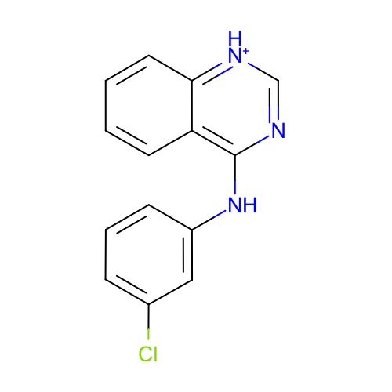 | SM12_micro006 | c1ccc2c(c1)c(nc[nH+]2)Nc3cccc(c3)Cl | c1ccc2c(c1)c(nc[nH+]2)Nc3cccc(c3)Cl
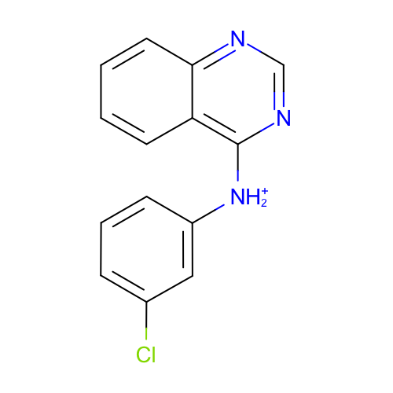 | SM12_micro008 | c1ccc2c(c1)c(ncn2)[NH2+]c3cccc(c3)Cl | c1ccc2c(c1)c(ncn2)[NH2+]c3cccc(c3)Cl
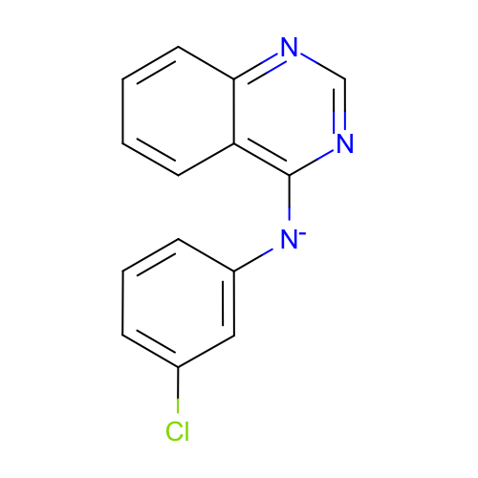 | SM12_micro009 | c1ccc2c(c1)c(ncn2)[N-]c3cccc(c3)Cl | c1ccc2c(c1)c(ncn2)[N-]c3cccc(c3)Cl
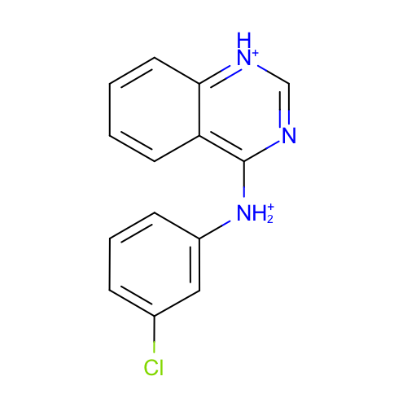 | SM12_micro010 | c1ccc2c(c1)c(nc[nH+]2)[NH2+]c3cccc(c3)Cl | c1ccc2c(c1)c(nc[nH+]2)[NH2+]c3cccc(c3)Cl
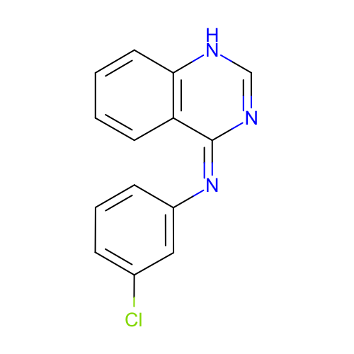 | SM12_micro011 | c1ccc2c(c1)/c(=N\c3cccc(c3)Cl)/nc[nH]2 | c1ccc2c(c1)c(=Nc3cccc(c3)Cl)nc[nH]2
 | SM12_micro012 | c1ccc2c(c1)c(ncn2)Nc3cccc(c3)Cl | c1ccc2c(c1)c(ncn2)Nc3cccc(c3)Cl
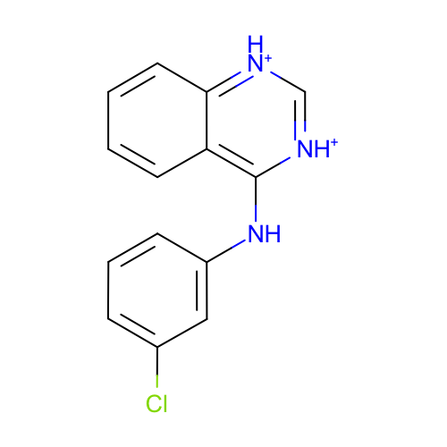 | SM12_micro013 | c1ccc2c(c1)c([nH+]c[nH+]2)Nc3cccc(c3)Cl | c1ccc2c(c1)c([nH+]c[nH+]2)Nc3cccc(c3)Cl
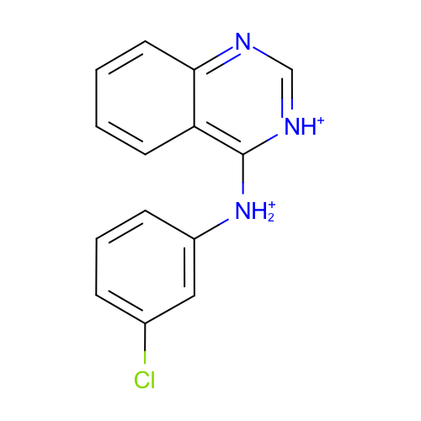 | SM12_micro014 | c1ccc2c(c1)c([nH+]cn2)[NH2+]c3cccc(c3)Cl | c1ccc2c(c1)c([nH+]cn2)[NH2+]c3cccc(c3)Cl
 | SM12_micro015 | c1ccc2c(c1)c([nH+]c[nH+]2)[NH2+]c3cccc(c3)Cl | c1ccc2c(c1)c([nH+]c[nH+]2)[NH2+]c3cccc(c3)Cl

