Sheet1
Microstate List
Molecule | microstate ID | canonical isomeric SMILES | canonical SMILES
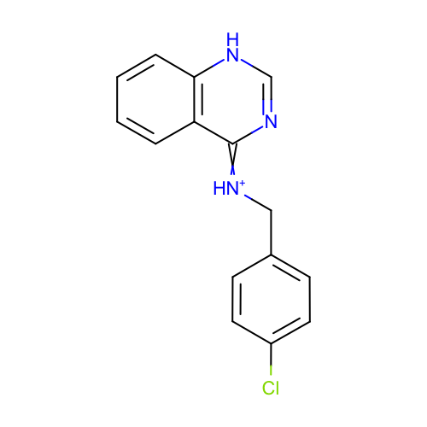 | SM04_micro002 | c1ccc2c(c1)c(=[NH+]Cc3ccc(cc3)Cl)nc[nH]2 | c1ccc2c(c1)c(=[NH+]Cc3ccc(cc3)Cl)nc[nH]2
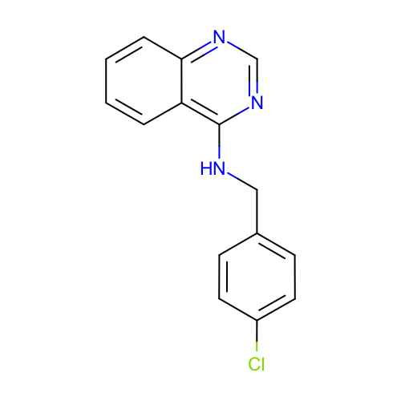 | SM04_micro003 | c1ccc2c(c1)c(ncn2)NCc3ccc(cc3)Cl | c1ccc2c(c1)c(ncn2)NCc3ccc(cc3)Cl
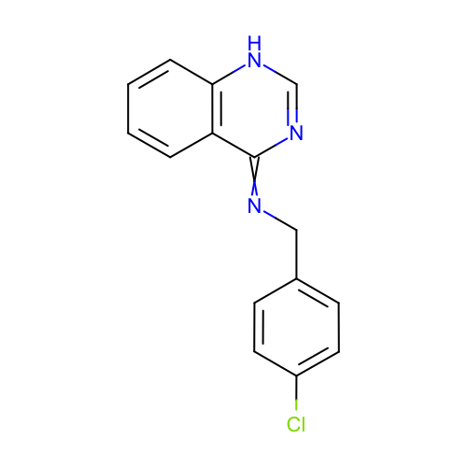 | SM04_micro004 | c1ccc2c(c1)c(=NCc3ccc(cc3)Cl)nc[nH]2 | c1ccc2c(c1)c(=NCc3ccc(cc3)Cl)nc[nH]2
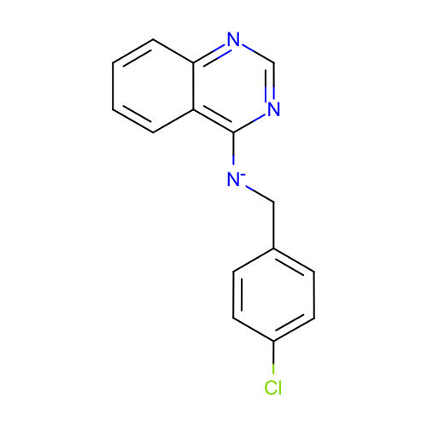 | SM04_micro005 | c1ccc2c(c1)c(ncn2)[N-]Cc3ccc(cc3)Cl | c1ccc2c(c1)c(ncn2)[N-]Cc3ccc(cc3)Cl
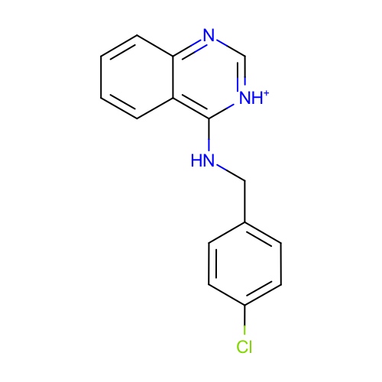 | SM04_micro006 | c1ccc2c(c1)c([nH+]cn2)NCc3ccc(cc3)Cl | c1ccc2c(c1)c([nH+]cn2)NCc3ccc(cc3)Cl
 | SM04_micro008 | c1ccc2c(c1)c(ncn2)[NH2+]Cc3ccc(cc3)Cl | c1ccc2c(c1)c(ncn2)[NH2+]Cc3ccc(cc3)Cl
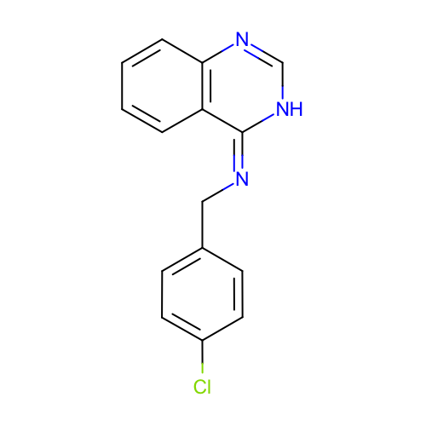 | SM04_micro009 | c1ccc2c(c1)/c(=N\Cc3ccc(cc3)Cl)/[nH]cn2 | c1ccc2c(c1)c(=NCc3ccc(cc3)Cl)[nH]cn2
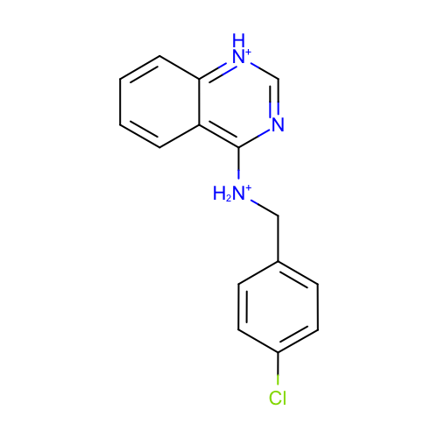 | SM04_micro013 | c1ccc2c(c1)c(nc[nH+]2)[NH2+]Cc3ccc(cc3)Cl | c1ccc2c(c1)c(nc[nH+]2)[NH2+]Cc3ccc(cc3)Cl
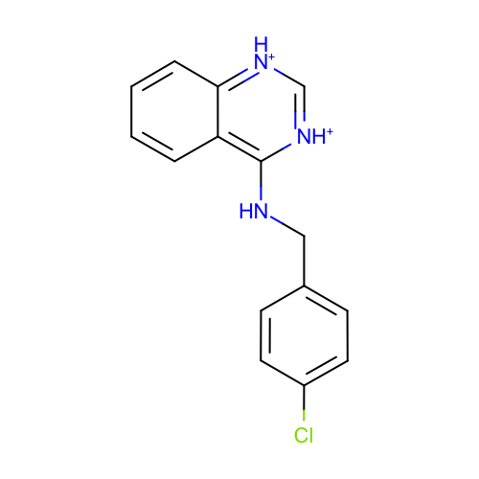 | SM04_micro014 | c1ccc2c(c1)c([nH+]c[nH+]2)NCc3ccc(cc3)Cl | c1ccc2c(c1)c([nH+]c[nH+]2)NCc3ccc(cc3)Cl
 | SM04_micro015 | c1ccc2c(c1)c([nH+]cn2)[NH2+]Cc3ccc(cc3)Cl | c1ccc2c(c1)c([nH+]cn2)[NH2+]Cc3ccc(cc3)Cl
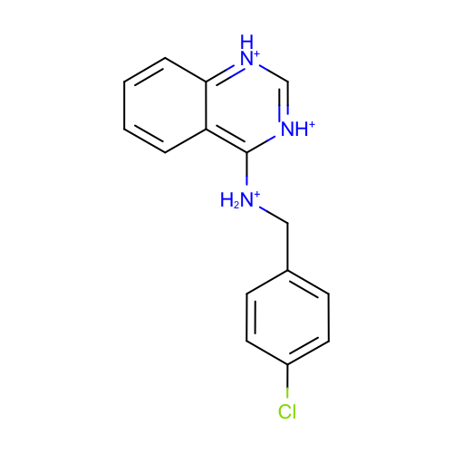 | SM04_micro016 | c1ccc2c(c1)c([nH+]c[nH+]2)[NH2+]Cc3ccc(cc3)Cl | c1ccc2c(c1)c([nH+]c[nH+]2)[NH2+]Cc3ccc(cc3)Cl

