Sheet1
Microstate List
Molecule | microstate ID | canonical isomeric SMILES | canonical SMILES
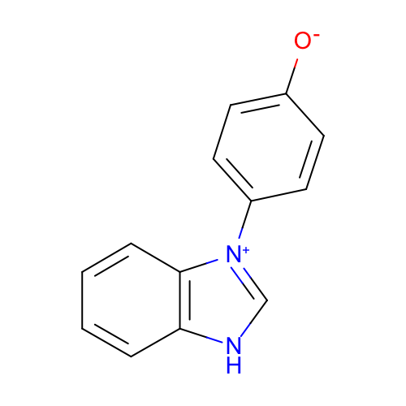 | SM15_micro001 | c1ccc2c(c1)[nH]c[n+]2c3ccc(cc3)[O-] | c1ccc2c(c1)[nH]c[n+]2c3ccc(cc3)[O-]
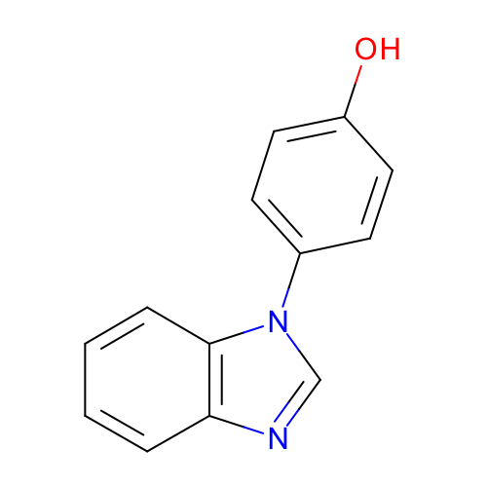 | SM15_micro002 | c1ccc2c(c1)ncn2c3ccc(cc3)O | c1ccc2c(c1)ncn2c3ccc(cc3)O
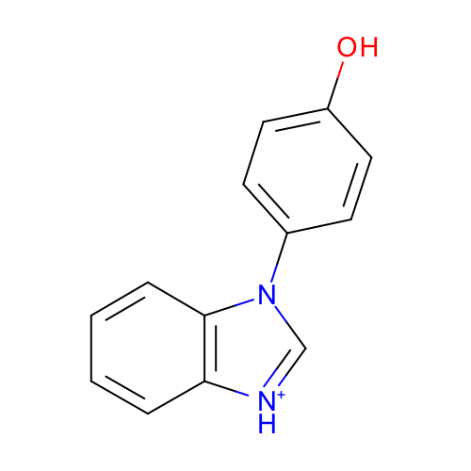 | SM15_micro003 | c1ccc2c(c1)[nH+]cn2c3ccc(cc3)O | c1ccc2c(c1)[nH+]cn2c3ccc(cc3)O
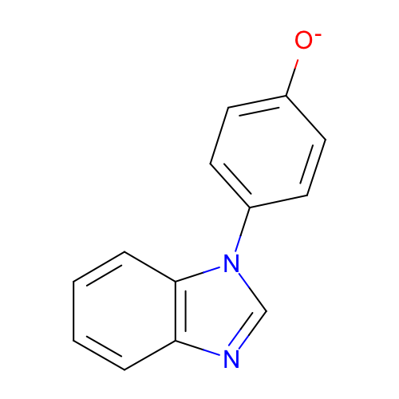 | SM15_micro004 | c1ccc2c(c1)ncn2c3ccc(cc3)[O-] | c1ccc2c(c1)ncn2c3ccc(cc3)[O-]

